211-FW_I
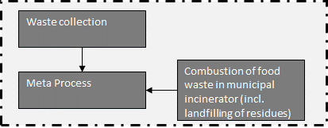
Waste collection |  |  |  |  |  | Model graph (as given in openLCA): connection of forgeround processes
Type | Flow/Parameter | Quantitiy/Formula | Unit | Uncertainty | Description
Input | municipal waste collection service (ecoinvent process) | 5 | [kg*km] | lognormal: gmean=5 gsigma=1.24 | Waste collection
Input | transport, freight, lorry, unspecified (ecoinvent process) | 40 | [kg*km] | lognormal: gmean=40 gsigma=1.21 | Collection to treatment plant (=40 km)
Output | Waste collected | 1 | kg | (none) | Collected waste transported to treatment plant

Meta-Process (needed to account for combustion of impurities)
Type | Flow/Parameter | Quantitiy/Formula | Unit | Uncertainty | Description
Input | Waste collected | 1 | t | (none) | Collected waste transported to treatment plant
Input | food waste combusted | 1-share_impurities | [kg] | (Uncertainty inherited from dependent parameters) | Amount of food waste which is combusted
Input | treatment of municipal solid waste, incineration (ecoinvent process) | -share_impurities | [kg] | lognormal: gmean=-0.0325822 gsigma=1.15570 | Amount of impurities which are combusted
Output | food waste, treated | 1 | [kg] | (none) | Total amount of food waste, reference unit
Add | share_impurities | 0.032582229 | [] | lognormal: gmean=-0.0325822 gsigma=1.15570 | Share of impurites (same amount is assumed as in OFMSW)
 |  |  |  |  |  | Energy and mass flows (dashed line is system boundary)
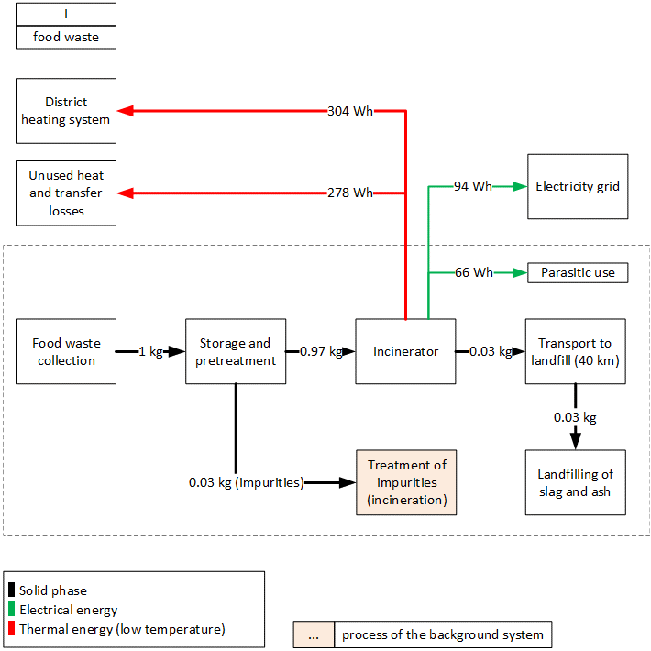
Combustion of food in waste incinerator (incl. landfilling of residues)
Type | Flow/Parameter | Quantitiy/Formula | Unit | Uncertainty | Description
Input | residual material landfill (ecoinvent process) | 1.61802E-11 | [Item(s)] | lognormal: gmean=1.61802E-11 gsigma=1.26968 | Landfill infrastructure required for landfilling of incineration residues.
Input | slag landfill (ecoinvent process) | 5.1053E-11 | [Item(s)] | lognormal: gmean=5.10530E-11 gsigma=1.27641 | Landfill infrastructure required for landfilling of bottom ash.
Input | municipal waste incineration facility (ecoinvent process) | 2.5E-10 | [Item(s)] | lognormal: gmean=2.50000E-10 gsigma=1.00000 | Number of waste incinerators
Input | cationic resin (ecoinvent process) | 2.53408E-08 | [kg] | lognormal: gmean=2.53408E-08 gsigma=3.99802 | Auxilliary input for mercury removal in filter ash treatment (FLUWA).
Input | iron (III) chloride, without water, in 40% solution state (ecoinvent process) | 1.00248E-07 | [kg] | lognormal: gmean=1.00248E-07 gsigma=2.52790 | Auxilliary inputs for the wastewater treatment stage of the incinerator plant.
Input | chromium oxide, flakes (ecoinvent process) | 1.49535E-06 | [kg] | lognormal: gmean=1.49535E-06 gsigma=3.24449 | Input to DeNOx stage. Active component in SCR catalyst (vanadium pentoxide, V2O5), here approximated with the available chromium trioxide.
Input | chemical, inorganic (ecoinvent process) | 4.58434E-05 | [kg] | lognormal: gmean=4.58434E-05 gsigma=1.86563 | Auxilliary inputs for the wastewater treatment stage of the incinerator plant. Proxy for Polyelectrolyte.
Input | titanium dioxide (ecoinvent process) | 7.32723E-05 | [kg] | lognormal: gmean=7.32723E-05 gsigma=3.24449 | Input to DeNOx stage (TiO2 catalyst carrier)
Input | hydrochloric acid, without water, in 30% solution state (ecoinvent process) | 0.000117494 | [kg] | lognormal: gmean=0.000117494 gsigma=1.29591 | Auxilliary inputs for the wastewater treatment stage of the incinerator plant.
Input | hydrogen peroxide, without water, in 50% solution state (ecoinvent process) | 0.000268374 | [kg] | lognormal: gmean=0.000268374 gsigma=1.32154 | Auxilliary oxidising agent for filter ash treatment (FLUWA).
Input | sodium hydroxide, without water, in 50% solution state (ecoinvent process) | 0.000546392 | [kg] | lognormal: gmean=0.000546392 gsigma=1.60157 | Auxilliary inputs for the flue gas treatment stage of the incinerator plant, and partially in the filter ash treatment (FLUWA).
Input | quicklime, milled, packed (ecoinvent process) | 0.001154095 | [kg] | lognormal: gmean=0.00115409 gsigma=2.18111 | Auxilliary inputs for the flue gas treatment stage of the incinerator plant.
Input | ammonia, liquid (ecoinvent process) | 0.001169504 | [kg] | lognormal: gmean=0.00116950 gsigma=2.68503 | Input to DeNOx stage (100% NH3).
Input | transport, freight, lorry, unspecified (ecoinvent process) | 0.001389307 | [t*km] | lognormal: gmean=0.00138931 gsigma=1.22764 | Transport services to transport incineration residues to landfills and filter ash to external treatments (FLUWA).
Input | cement, unspecified (ecoinvent process) | 0.001558167 | [kg] | lognormal: gmean=0.00155817 gsigma=1.29316 | Cement required for solidification of landfilled residual material.
Input | process-specific burdens, residual material landfill (ecoinvent process) | 0.007766484 | [kg] | lognormal: gmean=0.00776648 gsigma=1.26968 | Mass-specific expenditures required for landfilling of incineration residues.
Input | process-specific burdens, slag landfill (ecoinvent process) | 0.028717308 | [kg] | lognormal: gmean=0.0287173 gsigma=1.27641 | Mass-specific expenditures required for landfilling of bottom ash.
Input | heat, district or industrial, natural gas (ecoinvent process) | 0.218696638 | [MJ] | lognormal: gmean=0.218697 gsigma=2.68503 | Input to DeNOx stage, to heat up flue gas in low-dust SCR.
Input | water, decarbonised, at user (ecoinvent process) | 0.543469596 | [kg] | lognormal: gmean=0.543470 gsigma=2.52790 | Incinerator process water used in flue gas scrubber stage.
Emission | Aluminium | 1.5406E-10 | [kg] | lognormal: gmean=1.54060E-10 gsigma=2.65000 | Emission to air from waste composition and transfer coefficients.
Emission | Aluminium | 0.000159157 | [kg] | lognormal: gmean=0.000159157 gsigma=2.37293 | Long-term emissions from landfilling of incineration residues.
Emission | Aluminium | 3.62142E-08 | [kg] | lognormal: gmean=3.62142E-08 gsigma=3.02691 | Emissions to water from waste composition and transfer coefficients in incinerator and landfills.
Emission | Ammonia | 1.37504E-06 | [kg] | lognormal: gmean=1.37504E-06 gsigma=2.77280 | Nitrogen species emitted to air after DeNOx stage.
Emission | Antimony | 2.38193E-10 | [kg] | lognormal: gmean=2.38193E-10 gsigma=1.07635 | Long-term emissions from landfilling of incineration residues.
Emission | Antimony | 1.29763E-10 | [kg] | lognormal: gmean=1.29763E-10 gsigma=1.18761 | Emissions to water from waste composition and transfer coefficients in incinerator and landfills.
Emission | Arsenic | 8.06532E-10 | [kg] | lognormal: gmean=8.06532E-10 gsigma=3.93000 | Emission to air from waste composition and transfer coefficients.
Emission | Arsenic, ion | 6.27714E-08 | [kg] | lognormal: gmean=6.27714E-08 gsigma=3.91236 | Long-term emissions from landfilling of incineration residues.
Emission | Arsenic, ion | 5.30447E-08 | [kg] | lognormal: gmean=5.30447E-08 gsigma=3.72990 | Emissions to water from waste composition and transfer coefficients in incinerator and landfills.
Emission | Benzene | 4.22302E-08 | [kg] | lognormal: gmean=4.22302E-08 gsigma=1.31013 | Incomplete combustion product emitted to air.
Emission | Benzene, hexachloro- | 8.83011E-11 | [kg] | lognormal: gmean=8.83011E-11 gsigma=1.31013 | Incomplete combustion product emitted to air.
Emission | Benzene, pentachloro- | 2.23116E-10 | [kg] | lognormal: gmean=2.23116E-10 gsigma=1.31013 | Incomplete combustion product emitted to air.
Emission | Benzo(a)pyrene | 9.39757E-13 | [kg] | lognormal: gmean=9.39757E-13 gsigma=1.85281 | Incomplete combustion product emitted to air. | Parasitic electricity demands
Output | food waste combusted | 1 | [kg] | (none) | Referenece unit | Incineration | 66.0 | Wh/kg FM
Emission | BOD5, Biological Oxygen Demand | 0.000308206 | [kg] | lognormal: gmean=0.000308206 gsigma=1.33098 | Long-term emissions from landfilling of incineration residues.
Emission | BOD5, Biological Oxygen Demand | 9.45943E-05 | [kg] | lognormal: gmean=9.45943E-05 gsigma=1.34762 | Emissions to water from waste composition and transfer coefficients in incinerator and landfills.
Emission | Cadmium | 1.29542E-11 | [kg] | lognormal: gmean=1.29542E-11 gsigma=4.03000 | Emission to air from waste composition and transfer coefficients.
Emission | Cadmium, ion | 4.07691E-09 | [kg] | lognormal: gmean=4.07691E-09 gsigma=11.4672 | Long-term emissions from landfilling of incineration residues.
Emission | Cadmium, ion | 4.5209E-12 | [kg] | lognormal: gmean=4.52090E-12 gsigma=3.82115 | Emissions to water from waste composition and transfer coefficients in incinerator and landfills.
Emission | Calcium, ion | 0.003964907 | [kg] | lognormal: gmean=0.00396491 gsigma=1.92460 | Long-term emissions from landfilling of incineration residues.
Emission | Calcium, ion | 0.000083729 | [kg] | lognormal: gmean=8.37290E-05 gsigma=1.56325 | Emissions to water from waste composition and transfer coefficients in incinerator and landfills.
Emission | Carbon dioxide, non-fossil | 0.463303897 | [kg] | lognormal: gmean=0.463304 gsigma=1.37320 | Emission to air from waste composition and transfer coefficients.
Emission | Carbon monoxide, non-fossil | 7.17864E-05 | [kg] | lognormal: gmean=7.17864E-05 gsigma=2.39197 | Incomplete combustion product emitted to air.
Emission | Chloride | 0.000301022 | [kg] | lognormal: gmean=0.000301022 gsigma=2.07640 | Long-term emissions from landfilling of incineration residues.
Emission | Chloride | 0.002029788 | [kg] | lognormal: gmean=0.00202979 gsigma=1.58327 | Emissions to water from waste composition and transfer coefficients in incinerator and landfills.
Emission | Chromium | 8.15971E-10 | [kg] | lognormal: gmean=8.15971E-10 gsigma=3.54000 | Emission to air from waste composition and transfer coefficients.
Emission | Chromium VI | 5.8504E-08 | [kg] | lognormal: gmean=5.85040E-08 gsigma=5.28441 | Long-term emissions from landfilling of incineration residues.
Emission | Chromium VI | 1.70998E-08 | [kg] | lognormal: gmean=1.70998E-08 gsigma=3.59470 | Emissions to water from waste composition and transfer coefficients in incinerator and landfills.
Emission | Chromium, ion | 1.21315E-10 | [kg] | lognormal: gmean=1.21315E-10 gsigma=2.84651 | Emissions to water from waste composition and transfer coefficients in incinerator and landfills.
Emission | Cobalt | 9.09339E-10 | [kg] | lognormal: gmean=9.09339E-10 gsigma=3.65000 | Emission to air from waste composition and transfer coefficients.
Emission | Cobalt | 4.38607E-07 | [kg] | lognormal: gmean=4.38607E-07 gsigma=3.55448 | Long-term emissions from landfilling of incineration residues.
Emission | Cobalt | 8.43705E-11 | [kg] | lognormal: gmean=8.43705E-11 gsigma=4.30503 | Emissions to water from waste composition and transfer coefficients in incinerator and landfills.
Emission | COD, Chemical Oxygen Demand | 0.000942245 | [kg] | lognormal: gmean=0.000942245 gsigma=1.33098 | Long-term emissions from landfilling of incineration residues.
Emission | COD, Chemical Oxygen Demand | 9.66632E-05 | [kg] | lognormal: gmean=9.66632E-05 gsigma=1.33922 | Emissions to water from waste composition and transfer coefficients in incinerator and landfills.
Emission | Copper | 2.31914E-10 | [kg] | lognormal: gmean=2.31914E-10 gsigma=3.38000 | Emission to air from waste composition and transfer coefficients.
Emission | Copper, ion | 2.38608E-06 | [kg] | lognormal: gmean=2.38608E-06 gsigma=3.31256 | Long-term emissions from landfilling of incineration residues.
Emission | Copper, ion | 2.2009E-10 | [kg] | lognormal: gmean=2.20090E-10 gsigma=3.43158 | Emissions to water from waste composition and transfer coefficients in incinerator and landfills.
Emission | Cyanide | 3.02798E-05 | [kg] | lognormal: gmean=3.02798E-05 gsigma=2.91990 | Nitrogen species emitted to air after DeNOx stage.
Emission | Dinitrogen monoxide | 0.000140941 | [kg] | lognormal: gmean=0.000140941 gsigma=2.91990 | Nitrogen species emitted to air after DeNOx stage.
Emission | Dioxins, measured as 2,3,7,8-tetrachlorodibenzo-p-dioxin | 8.44546E-14 | [kg] | lognormal: gmean=8.44546E-14 gsigma=1.85281 | Incomplete combustion product emitted to air.
Emission | DOC, Dissolved Organic Carbon | 0.000372848 | [kg] | lognormal: gmean=0.000372848 gsigma=1.33098 | Long-term emissions from landfilling of incineration residues.
Emission | DOC, Dissolved Organic Carbon | 4.21607E-05 | [kg] | lognormal: gmean=4.21607E-05 gsigma=1.34025 | Emissions to water from waste composition and transfer coefficients in incinerator and landfills.
Output | electricity (net), produced in system | 0.097434407 | [kWh] | lognormal: gmean=0.0974344 gsigma=1.24000 | Electricity production
Output | heat (gross), produced on-site | 0.582448188 | [kWhexergy] | lognormal: gmean=0.582448188 gsigma=1.24000 | Heat production
Emission | Hydrogen chloride | 1.36372E-06 | [kg] | lognormal: gmean=1.36372E-06 gsigma=2.12529 | Emission to air from waste composition and transfer coefficients.
Emission | Iron | 9.61225E-11 | [kg] | lognormal: gmean=9.61225E-11 gsigma=2.87000 | Emission to air from waste composition and transfer coefficients.
Emission | Iron, ion | 0.000027624 | [kg] | lognormal: gmean=2.76240E-05 gsigma=8.28280 | Long-term emissions from landfilling of incineration residues.
Emission | Iron, ion | 1.32476E-09 | [kg] | lognormal: gmean=1.32476E-09 gsigma=3.07989 | Emissions to water from waste composition and transfer coefficients in incinerator and landfills.
Emission | Lead | 1.40281E-11 | [kg] | lognormal: gmean=1.40281E-11 gsigma=3.87000 | Emission to air from waste composition and transfer coefficients.
Emission | Lead | 1.20007E-07 | [kg] | lognormal: gmean=1.20007E-07 gsigma=7.24928 | Long-term emissions from landfilling of incineration residues.
Emission | Lead | 1.17919E-11 | [kg] | lognormal: gmean=1.17919E-11 gsigma=3.33604 | Emissions to water from waste composition and transfer coefficients in incinerator and landfills.
Emission | Mercury | 1.41769E-10 | [kg] | lognormal: gmean=1.41769E-10 gsigma=4.01000 | Emission to air from waste composition and transfer coefficients.
Emission | Mercury | 1.05188E-09 | [kg] | lognormal: gmean=1.05188E-09 gsigma=3.98997 | Long-term emissions from landfilling of incineration residues.
Emission | Mercury | 2.66082E-11 | [kg] | lognormal: gmean=2.66082E-11 gsigma=4.23831 | Emissions to water from waste composition and transfer coefficients in incinerator and landfills.
Emission | Methane, non-fossil | 6.33453E-07 | [kg] | lognormal: gmean=6.33453E-07 gsigma=1.31013 | Incomplete combustion product emitted to air.
Emission | Nickel | 5.88782E-10 | [kg] | lognormal: gmean=5.88782E-10 gsigma=3.66000 | Emission to air from waste composition and transfer coefficients.
Emission | Nickel, ion | 4.72051E-07 | [kg] | lognormal: gmean=4.72051E-07 gsigma=3.55099 | Long-term emissions from landfilling of incineration residues.
Emission | Nickel, ion | 3.33288E-10 | [kg] | lognormal: gmean=3.33288E-10 gsigma=4.37028 | Emissions to water from waste composition and transfer coefficients in incinerator and landfills.
Emission | Nitrate | 0.000338932 | [kg] | lognormal: gmean=0.000338932 gsigma=1.85754 | Long-term emissions from landfilling of incineration residues.
Emission | Nitrate | 0.000121408 | [kg] | lognormal: gmean=0.000121408 gsigma=1.64952 | Emissions to water from waste composition and transfer coefficients in incinerator and landfills.
Emission | Nitrogen oxides | 0.000435429 | [kg] | lognormal: gmean=0.000435429 gsigma=2.77280 | Sum of fuel-Nox and thermal-NOx emitted to air after DeNOx stage.
Emission | NMVOC, non-methane volatile organic compounds, unspecified origin | 1.92188E-06 | [kg] | lognormal: gmean=1.92188E-06 gsigma=1.31013 | Incomplete combustion product emitted to air.
Emission | Particulates, < 2.5 um | 5.04194E-06 | [kg] | lognormal: gmean=5.04194E-06 gsigma=1.85281 | Incomplete combustion product emitted to air.
Emission | Particulates, > 10 um | 1E-19 | [kg] | lognormal: gmean=1.00000E-19 gsigma=1.51281 | Incomplete combustion product emitted to air.
Emission | Particulates, > 2.5 um, and < 10um | 2.53364E-08 | [kg] | lognormal: gmean=2.53364E-08 gsigma=1.51281 | Incomplete combustion product emitted to air.
Emission | Phenol, pentachloro- | 1.83907E-11 | [kg] | lognormal: gmean=1.83907E-11 gsigma=1.31013 | Incomplete combustion product emitted to air.
Emission | Phosphate | 0.000115578 | [kg] | lognormal: gmean=0.000115578 gsigma=9.34661 | Long-term emissions from landfilling of incineration residues.
Emission | Phosphate | 1.91349E-06 | [kg] | lognormal: gmean=1.91349E-06 gsigma=1.72189 | Emissions to water from waste composition and transfer coefficients in incinerator and landfills.
Emission | Phosphorus | 0.000001306 | [kg] | lognormal: gmean=1.30600E-06 gsigma=2.23000 | Emission to air from waste composition and transfer coefficients.
Emission | Potassium | 0.000012318 | [kg] | lognormal: gmean=1.23180E-05 gsigma=2.10000 | Emission to air from waste composition and transfer coefficients.
Emission | Potassium, ion | 0.001789005 | [kg] | lognormal: gmean=0.00178901 gsigma=1.78664 | Long-term emissions from landfilling of incineration residues.
Emission | Potassium, ion | 0.000676092 | [kg] | lognormal: gmean=0.000676092 gsigma=1.54879 | Emissions to water from waste composition and transfer coefficients in incinerator and landfills.
Emission | Silicon | 8.0279E-09 | [kg] | lognormal: gmean=8.02790E-09 gsigma=2.05000 | Emission to air from waste composition and transfer coefficients.
Emission | Silicon | 0.000460499 | [kg] | lognormal: gmean=0.000460499 gsigma=9.89822 | Long-term emissions from landfilling of incineration residues.
Emission | Silicon | 1.40155E-06 | [kg] | lognormal: gmean=1.40155E-06 gsigma=2.07404 | Emissions to water from waste composition and transfer coefficients in incinerator and landfills.
Emission | spent activated carbon with mercury | 4.58688E-05 | [kg] | lognormal: gmean=4.58688E-05 gsigma=3.99802 | Spent ion exchanger charged with mercury, from FLUWA filter ash treatment, approximated here with Spent activated carbon with mercury, deposited undergound in a polyethylene Big Bag.
Emission | Sulfate | 0.001526014 | [kg] | lognormal: gmean=0.00152601 gsigma=2.06362 | Long-term emissions from landfilling of incineration residues.
Emission | Sulfate | 0.000260818 | [kg] | lognormal: gmean=0.000260818 gsigma=1.82465 | Emissions to water from waste composition and transfer coefficients in incinerator and landfills.
Emission | Sulfur dioxide | 6.7875E-06 | [kg] | lognormal: gmean=6.78750E-06 gsigma=2.34762 | Emission to air from waste composition and transfer coefficients.
Emission | Thallium | 2.91169E-10 | [kg] | lognormal: gmean=2.91169E-10 gsigma=1.66188 | Long-term emissions from landfilling of incineration residues.
Emission | Thallium | 4.86091E-13 | [kg] | lognormal: gmean=4.86091E-13 gsigma=2.33403 | Emissions to water from waste composition and transfer coefficients in incinerator and landfills.
Emission | Tin, ion | 1.05202E-10 | [kg] | lognormal: gmean=1.05202E-10 gsigma=7.26445 | Long-term emissions from landfilling of incineration residues.
Emission | Tin, ion | 1.7563E-13 | [kg] | lognormal: gmean=1.75630E-13 gsigma=2.86503 | Emissions to water from waste composition and transfer coefficients in incinerator and landfills.
Emission | TOC, Total Organic Carbon | 0.000372848 | [kg] | lognormal: gmean=0.000372848 gsigma=1.33098 | Long-term emissions from landfilling of incineration residues.
Emission | TOC, Total Organic Carbon | 4.21617E-05 | [kg] | lognormal: gmean=4.21617E-05 gsigma=1.34025 | Emissions to water from waste composition and transfer coefficients in incinerator and landfills.
Emission | Toluene | 8.44604E-08 | [kg] | lognormal: gmean=8.44604E-08 gsigma=1.31013 | Incomplete combustion product emitted to air.
Emission | Vanadium, ion | 7.42579E-08 | [kg] | lognormal: gmean=7.42579E-08 gsigma=1.14031 | Long-term emissions from landfilling of incineration residues.
Emission | Vanadium, ion | 2.37107E-10 | [kg] | lognormal: gmean=2.37107E-10 gsigma=2.08179 | Emissions to water from waste composition and transfer coefficients in incinerator and landfills.
Emission | waste cement, hydrated | 0.003895418 | [kg] | lognormal: gmean=0.00389542 gsigma=1.29316 | Hydrated cement output for solidification of landfilled residual material.
Emission | Zinc | 5.68955E-09 | [kg] | lognormal: gmean=5.68955E-09 gsigma=3.14000 | Emission to air from waste composition and transfer coefficients.
Emission | Zinc, ion | 3.81239E-06 | [kg] | lognormal: gmean=3.81239E-06 gsigma=4.27639 | Long-term emissions from landfilling of incineration residues.
Emission | Zinc, ion | 5.19971E-10 | [kg] | lognormal: gmean=5.19971E-10 gsigma=2.80583 | Emissions to water from waste composition and transfer coefficients in incinerator and landfills.

Heat distribution
Output incinerator |  | 100%
exported heat to residential buildings |  | -52%
unused heat and heat losses in district heating system, total |  | -48%

heat distribution in system

212-FW_AD
Waste collection |  |  |  |  |  | Model graph (as given in openLCA): connection of forgeround processes
Type | Flow/Parameter | Quantitiy/Formula | Unit | Uncertainty | Description | 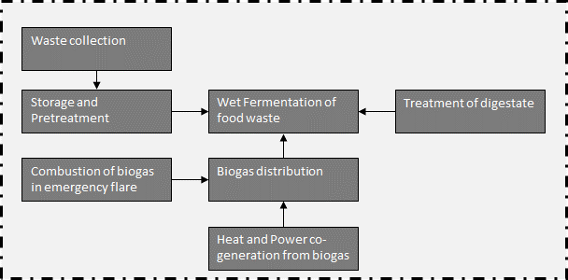
Input | municipal waste collection service (ecoinvent process) | 5 | [kg*km] | lognormal: gmean=5 gsigma=1.24 | Waste collection
Input | transport, freight, lorry, unspecified (ecoinvent process) | 40 | [kg*km] | lognormal: gmean=40 gsigma=1.21 | Collection to treatment plant (=40 km)
Output | Waste collected | 1 | kg | (none) | Collected waste transported to treatment plant

Storage and Pretreatment
Type | Flow/Parameter | Quantitiy/Formula | Unit | Uncertainty | Description
Input | Waste collected | 1 | [t] | (none) | Collected waste transported to treatment plant
Input | building machine (ecoinvent process) | bm | [Item(s)] | (Uncertainty inherited from dependent parameters) | Wheel loader to move waste
Input | diesel, burned in building machine (ecoinvent process) | LHV_diesel*0.34 | [MJ] | lognormal: gmean=14.6200 gsigma=1.20286 | Diesel demand of wheel loader
Input | treatment of municipal solid waste, incineration (ecoinvent process) | -share_impurities | [t] | lognormal: gmean=-0.0325822 gsigma=1.15570 | Share of impurites (asssumed as municipal solid waste, external incineration in MSWI)
Input | residual softwood, wet (ecoinvent process) | 0.027 | [m3] | lognormal: gmean=0.0266667 gsigma=1.23660 | Wood for biofilter
Input | sulfuric acid (ecoinvent process) | 7.3 | [kg] | lognormal: gmean=7.25921 gsigma=1.23660 | Sulfuric acid for acidic scrubber
Emission | Ammonia | em_NH3 | [g] | (Uncertainty inherited from dependent parameters) | NH3 emissions
Output | food waste at fermenter | 1.0*(1-share_impurities) | [t] | (Uncertainty inherited from dependent parameters) | Share of waste for further treatent
Emission | Dinitrogen monoxide | em_N2O | [g] | (Uncertainty inherited from dependent parameters) | N2O emissions
Emission | Methane, non-fossil | em_CH4 | [g] | (Uncertainty inherited from dependent parameters) | CH4 emissions
Emission | NMVOC, non-methane volatile organic compounds, unspecified origin | em_NMVOC | [g] | (Uncertainty inherited from dependent parameters) | NMVOC emissions
Add | BF_CH4 | 0.95 | [] | triangular: min=0.49 mode=0.95 max=1.01 | Inverse efficiency of biofilter for CH4
Add | BF_N2O | 1.12 | [] | triangular: min=0.71 mode=1.12 max=4.11 | Inverse efficiency of biofilter for N2O
Add | BF_NH3 | 0.72 | [] | triangular: min=0.13 mode=0.72 max=1.0 | Inverse efficiency of biofilter for NH3 | Energy and mass flows (dashed line is system boundary)
Add | BF_NMVOC | 0.1 | [] | triangular: min=0.0mode=0.10 max=0.30 | Inverse efficiency of biofilter for NMVOC
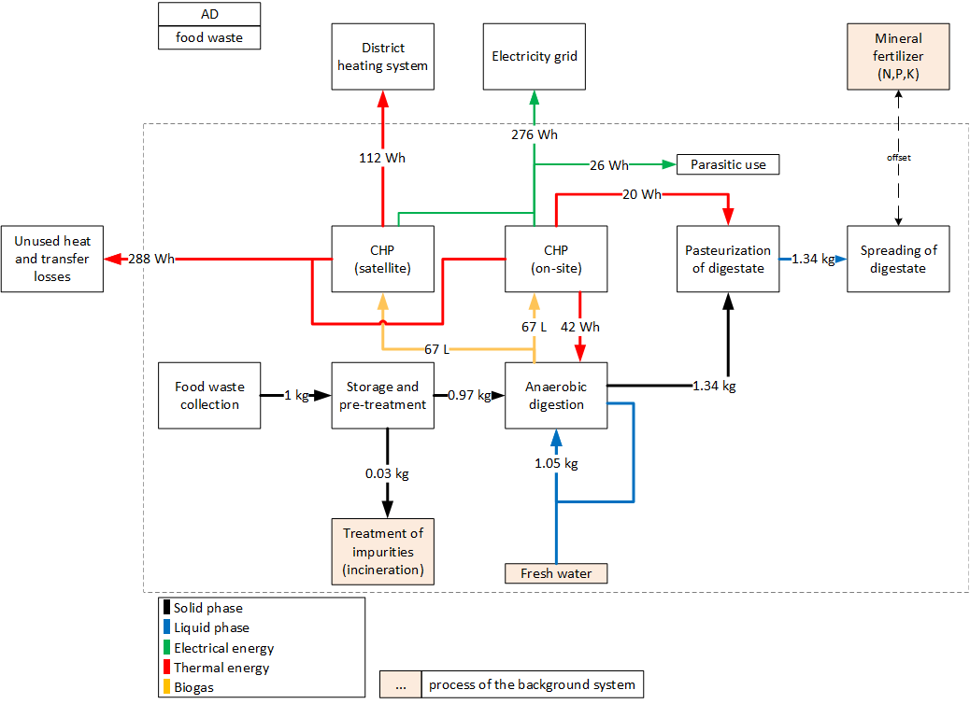
Add | CH4 | 140 | g/t FM | triangular: min=20.0 mode=140.0 max=244.0 | CH4 emissions, before air treatment
Add | Filter_SW | 0.52 | [] | lognormal: gmean=0.52 gsigma=1.08 | Inverse efficiency of acidic scrubber
Add | LHV_diesel | 43 | [MJ/kg] | (none) | Heating value of diesel
Add | lifetime_truck | 10 | [a] | triangular: min=5.0 mode=10.0 max=15.0 | Lifetime of wheel loader
Add | N2O | 6 | [g/t FM] | triangular: min=1.70 mode=6.0 max=14.0 | N2O emissions, before air treatment
Add | NH3 | 6.5 | [g/t FM] | triangular: min=2.90 mode=6.50 max=13.0 | NH3 emissions, before air treatment
Add | NMVOC | 86 | [g/t FM] | triangular: min=34.0 mode=86.0 max=150.0 | NMVOC emissions, before air treatment
Add | share_impurities | 0.032582229 | [] | lognormal: gmean=0.0325822 gsigma=1.10 | Share of impurites (same amount is assumed as in OFMSW)
Add | throughput | 10000 | [t/a] | (none) | Referenced throughput
Add | bm | 1.0/lifetime_truck /throughput | [Item(s)] |  | Demand in wheel loaders
Add | corr_factor_N | (3.77*0.25)/(1.55*0.377) | [] |  | Emission data stems from biowaste, correction of N-species by nitrogen content in foodwaste in comparison to OFMSW
Add | em_CH4 | BF_CH4*CH4 | [g] |  | CH4-emissions after biofilter
Add | em_N2O | BF_N2O*N2O*corr_factor_N | [g] |  | N2O-emissions after biofilter
Add | em_NH3 | BF_NH3*NH3 *Filter_SW *corr_faktor_N | [g] |  | NH3-emissions after biofilter
Add | em_NMVOC | BF_NMVOC*NMVOC | [g] |  | NMVOC-emissions after biofilter
Add | share_substrate | 1-share_impurities | [t] |  | Amount of substrate after removing impurities

Wet Fermentation of food waste
Type | Flow/Parameter | Quantitiy/Formula | Unit | Uncertainty | Description
Input | anaerobic digestion plant, for biowaste (ecoinvent process) | pcs_AD | [Item(s)] | (Uncertainty inherited from dependent parameters) | Demand in anaerobic digestion plants
Input | food waste at fermenter | mass_in | [kg] | (none) | Reference unit
Input | liquid digestate treated | m_digestate | [kg] | (Uncertainty inherited from dependent parameters) | Treatment of digestate (on input side due to linear structure of the openLCA software)
Input | iron(II) chloride (ecoinvent process) | iron_ii_chloride | [kg] | lognormal: gmean=0.00031 gsigma=1.12945 | Demand in Iron(ii) cloride for desulphurization
Input | tap water (ecoinvent process) | water*0.5 | [kg] | (Uncertainty inherited from dependent parameters) | Added water to achieve required DM content (recirculation rate=0.5)
Emission | Ammonia (ecoinvent process) | NH3_em | [kg] | (Uncertainty inherited from dependent parameters) | Emissions of NH3
Output | Biogas, from food waste | BG | [m3] | (Uncertainty inherited from dependent parameters) | Amount of prouduced biogas
Output | electricity, produced in system | -el_cons | [kWh] | (Uncertainty inherited from dependent parameters) | Electricity consumption of the AD-plant (including pumps and separation of digestate and parasitic energy of CHP plant)
Output | heat, produced on-site | -heat_cons | [kWh] | (Uncertainty inherited from dependent parameters) | Heat demand for heating up substrate and maintaining the temperature in the reactor
Emission | Hydrogen sulfide | H2S_em | [kg] | (Uncertainty inherited from dependent parameters) | Emissions of H2S
Emission | Methane, non-fossil | CH4_em | [kg] | (Uncertainty inherited from dependent parameters) | Emissions of CH4 | Parasitic electricity demands
Add | BG_prod | 0.13946 | [m³/kg] | triangular: min=0.118000 mode=0.139460 max=0.157800 | Specific dry biogas production for 1 kg food waste | Wet fermentation | 26.0 | Wh/kg FM
Add | CH4_content | 0.64 | [] | triangular: min=0.610000 mode=0.64 max=0.730000 | Methane content in biogas
Add | DM | 0.25 | [] | (none) | Dry mass of food waste before mixing
Add | eff_CHP_el | 0.37 | [] | triangular: min=0.370000 mode=0.370000 max=0.400000 | Electric efficiency of CHP plant
Add | el_demand | 0.083 | [] | triangular: min=0.0200000 mode=0.0830000 max=0.100000 | Specific electricity demand of AD-plant (including pumps and separation of digestate and parasitic energy demand of CHP plant), given as share of produced electricity
Add | f_FeCl | 14.79 | [g/g] | (none) | Specific demand in Iron (II) chloride to eliminate H2S
Add | heat_demand | 0.0879 | [] | (none) | Specific heat demand of AD-plant, given as share of produced heat in CHP plant
Add | LHV_CH4 | 10 | [kWh/m³] | (none) | LHV of methane
Add | HRT | 25 | [d] | triangular: min=20.0000 mode=25.0000 max=30.0000 | Hydraulic retention time
Add | leakage | 0.01 | [] | triangular: min=0.00000 mode=0.0100000 max=0.0200000 | Leakages in biogas plant, given with respect to produced biogas
Add | lifetime_plant | 20 | [a] | triangular: min=15 mode=20 max=25 | Lifetime of AD-plant (as given in ecoinvent)
Add | M_CH4 | 16.04 | [g/mol] | (none) | Molar mass of CH4
Add | M_CO2 | 44.01 | [g/mol] | (none) | Molar mass of CO2
Add | M_H2S | 34.1 | [g/mol] | (none) | Molar mass of H2S
Add | M_NH3 | 17 | [g/mol] | (none) | Molar mass of NH3
Add | M_ref | 10000 | [t/a] | (none) | Throughput of plant in the ecoinvent background process
Add | mass_in | 1 | [kg] | (none) | Reference mass input
Add | number_digesters | 1 | [] | (none) | Number of digesters
Add | target_DM | 0.12 | [] | (none) | Dry matter content of food waste after mixing it with water
Add | throughput_AD | 10000 | [t FM/a] | (none) | Throughput in this study
Add | vperc_H2S | 100 | [ppm] | triangular: min=2.60000 mode=100.000 max=4000.00 | Share of H2S in biogas (assumption)
Add | vperc_NH3 | 100 | [ppm] | triangular: min=0.00000 mode=100.000 max=1000.00 | Share of NH3 in biogas (assumption)
Add | M_vol_gas | 22.4 | [l/mol] | (none) | Molar volume of gas
Add | m_digestate | mass_in+water/2-m_biogas/1000 | [kg] |  | Mass of digestate
Add | BG | BG_prod *(1-leakage) | [m³] |  | Produced biogas
Add | CH4_em | ((CH4_content *BG)/M_vol_gas )*M_CH4 *leakage | [kg] |  | CH4-emissions due to leakage
Add | corr_factor_N | (3.77*0.25)/(1.55*0.377) | [] |  | Emission data stems from biowaste, correction of N-species by nitrogen content in foodwaste in comparison to OFMSW
Add | el_cons | eff_CHP_el*BG*LHV_CH4 *el_demand*CH4_content | [kWh] |  | Electricity consumption of the AD-plant (including pumps and separation of digestate and parasitic energy of CHP plant)
Add | H2S_em | (((100*BG)/M_vol_gas )*M_H2S *leakage )/10^6 | [kg] |  | H2S-emissions due to leakage, H2S-content in biogas is 100 ppm after cleaning by means of Fe(II)Cl
Add | heat_cons | eff_CHP_th*BG*LHV_CH4*heat_demand *CH4_content | [kWh] |  | Heat demand for heating up substrate and maintaining the temperature in the reactor
Add | iron_ii_chloride | (((vperc_H2S/10^6)*BG*1000 /M_vol_gas) *M_H2S*f_FeCl )/1000 | [kg] |  | Demand in Iron(ii) cloride for desulphurization
Add | m_biogas | ((CH4_content*BG*1000)/22.4)*M_CH4+ (((1-CH4_content)*BG*1000)/22.4)*M_CO2 | [g] |  | Mass of produced biogas
Add | NH3_em | (((vperc_NH3 *BG)/M_vol_gas )*M_NH3 *leakage )/10^6 | [kg] |  | NH3-emissions due to leakage
Add | pcs_AD | (number_digesters *(((throughput_AD /number_digesters )/M_ref)^0.6))*(1/(throughput_AD*1000 *lifetime_plant )) | [Item(s)] |  | Demand of digesters
Add | water | ((DM/target_DM)-1) | [kg] |  | Demand in water tor reach the desired DM-content in the reactor

Treatment of digestate (pasteurizing + spreading)
Type | Flow/Parameter | Quantitiy/Formula | Unit | Uncertainty | Description
Input | nitrogen fertiliser, as N, calcium ammonium nitrate production (ecoinvent process) | -N_fert | [kg] | (Uncertainty inherited from dependent parameters) | Amount of mineral fertilizer, which can be offset by this digestate
Input | phosphate fertiliser, as P2O5, diammonium phosphate production (ecoinvent process) | -P_fert | [kg] | (Uncertainty inherited from dependent parameters) | Amount of mineral fertilizer, which can be offset by this digestate
Input | potassium fertiliser, as K2O (ecoinvent process) | -K_fert | [kg] | (Uncertainty inherited from dependent parameters) | Amount of mineral fertilizer, which can be offset by this digestate
Input | transport, freight lorry, unspecified (ecoinvent process) | 0 | [tkm] | (none) | Transport is not accounted for, as it is not considered to be a part of the waste treatment (similar activities would be needed if mineral fertilizer would be used)
Emission | Aluminium | em_Al | [kg] | (Uncertainty inherited from dependent parameters) | Emissions to soil (contamination of digestate)
Emission | Ammonia | em_ammonia | [kg] | (Uncertainty inherited from dependent parameters) | Emissions to air
Emission | Arsenic | em_As | [kg] | (Uncertainty inherited from dependent parameters) | Emissions to soil (contamination of digestate)
Emission | Cadmium | em_Cd | [kg] | (Uncertainty inherited from dependent parameters) | Emissions to soil (contamination of digestate)
Emission | Chromium | em_Cr | [kg] | (Uncertainty inherited from dependent parameters) | Emissions to soil (contamination of digestate)
Emission | Cobalt | em_Co | [kg] | (Uncertainty inherited from dependent parameters) | Emissions to soil (contamination of digestate)
Emission | Copper | em_Cu | [kg] | (Uncertainty inherited from dependent parameters) | Emissions to soil (contamination of digestate)
Emission | Dinitrogen monoxide | em_N2O | [kg] | (Uncertainty inherited from dependent parameters) | Emissions to air
Emission | heat produced on-site | -heat | [kWh] | (Uncertainty inherited from dependent parameters) | Heat demand for pasteurization
Emission | Iron | em_Fe | [kg] | (Uncertainty inherited from dependent parameters) | Emissions to soil (contamination of digestate)
Emission | Lead | em_Pb | [kg] | (Uncertainty inherited from dependent parameters) | Emissions to soil (contamination of digestate)
Output | liquid digestate treated | 1 | [kg] | (none) | Amount of treated digestate
Emission | Mercury | em_Hg | [kg] | (Uncertainty inherited from dependent parameters) | Emissions to soil (contamination of digestate)
Emission | Nickel | em_Ni | [kg] | (Uncertainty inherited from dependent parameters) | Emissions to soil (contamination of digestate)
Emission | Nitrate | em_nitrate_sw | [kg] | (Uncertainty inherited from dependent parameters) | Emissions to surface water
Emission | Nitrate | em_nitrate_gw | [kg] | (Uncertainty inherited from dependent parameters) | Emissions to ground water
Emission | Phosphate | P_fert | [kg] | (Uncertainty inherited from dependent parameters) | Emissions to soil (contamination of digestate)
Emission | Potassium | em_K | [mg] | (Uncertainty inherited from dependent parameters) | Emissions to soil (contamination of digestate)
Emission | Zinc | em_Zn | [kg] | (Uncertainty inherited from dependent parameters) | Emissions to soil (contamination of digestate)
Add | Al | 1.622E+03 | [mg/kg DM] | lognormal: gmean=1622 gsigma=2.55151 | Elemental share in digestate
Add | Ammonia | 0.5 | [] | (none) | Share of ammonia of N-total
Add | As | 0.88362761698 | [mg/kg DM] | lognormal: gmean=0.88 gsigma=3.91138 | Elemental share in digestate
Add | Cd | 0.21811237961 | [mg/kg DM] | lognormal: gmean=0.22 gsigma=4.00000 | Elemental share in digestate
Add | Co | 4.2910167147 | [mg/kg DM] | lognormal: gmean=4.29 gsigma=3.62543 | Elemental share in digestate
Add | Cr | 8.0194811381 | [mg/kg DM] | lognormal: gmean=8.02 gsigma=3.51227 | Elemental share in digestate
Add | cred_N | 0.5 | [] | triangular: min=0.400000 mode=0.500000 max=0.700000 | Creditability of N as fertilizer (acc. to DüMV)
Add | Cu | 21.730352296 | [mg/kg DM] | lognormal: gmean=21.73 gsigma=3.33188 | Elemental share in digestate
Add | DM_cont | 0.084 | [] | (none) | Dry matter content of liquid digestate
Add | Fe | 460.29736299 | [mg/kg DM] | lognormal: gmean=460,3 gsigma=2.77940 | Elemental share in digestate
Add | Hg | 0.042910167147 | [mg/kg DM] | lognormal: gmean=0.042 gsigma=4.00000 | Elemental share in digestate
Add | N2O_em_factor_spread | 0.0125 | [] | uniform: min=0.0125000 max=0.0160000 | Share of N2O-Emissions, in reference to total-N
Add | Ni | 4.0223347031 | [mg/kg DM] | lognormal: gmean=4,022 gsigma=3.63713 | Elemental share in digestate
Add | Nitrate | 0 | [] | (none) | Share of nitrate of N-total
Add | NF_GW | 0.39 | [] | uniform: min=0.180000 max=0.600000 | Nitrate runoff to groundwater, with reference to the fraction of nitrogen applied with the treated organic waste
Add | NF_SW | 0.095 | [] | uniform: min=0.00000 max=0.190000 | Nitrate runoff to surface water, with reference to the fraction of nitrogen applied with the treated organic waste
Add | Organic_N | 0.5 | [] | (none) | Share of organic N of N-total
Add | Pb | 1.4613057422 | [mg/kg DM] | lognormal: gmean=1.46 gsigma=3.82035 | Elemental share in digestate
Add | Si | 44234.264077 | [mg/kg DM] | lognormal: gmean=44234 gsigma=1.95326 | Elemental share in digestate
Add | K | 21397.369399 | [kg/kg DM] | lognormal: gmean=21397.980204929 gsigma=2.08468 | Share of K in digestate
Add | N | 81098.420441 | [kg/kg DM] | lognormal: gmean=81098 gsigma=1.84357 | Elemental share in digestate
Add | P | 11028.985711 | [kg/kg DM] | lognormal: gmean=11029 gsigma=2.20461 | Share of P in digestate
Add | Zn | 72.848590766 | [mg/kg DM] | lognormal: gmean=72.84 gsigma=3.11299 | Elemental share in digestate
Add | em_Al | Al*DM_cont /1000/1000 | [kg] |  | Specific emission to soil
Add | em_ammonia | 0.15*Ammonia*N/1000/1000 *DM_cont *((14+3)/14) | [kg] |  | Specific emission to air
Add | em_As | As*DM_cont /1000/1000 | [kg] |  | Specific emission to soil
Add | em_Cd | Cd*DM_cont/1000/1000 | [kg] |  | Specific emission to soil
Add | em_Co | (Co*DM_cont /1000/1000) | [kg] |  | Specific emission to soil
Add | em_Cr | Cr*DM_cont/1000/1000 | [kg] |  | Specific emission to soil
Add | em_Cu | Cu*DM_cont /1000/1000 | [kg] |  | Specific emission to soil
Add | em_Fe | Fe*DM_cont/1000/1000 | [kg] |  | Specific emission to soil
Add | em_Hg | Hg*DM_cont /1000/1000 | [kg] |  | Specific emission to soil
Add | em_K | K_fert*0.83 | [kg] |  | Specific emission to soil
Add | em_N2O | N2O_em_factor_spread *N*DM_cont *(44/28)/1000/1000 | [kg] |  | Specific emission to air
Add | em_Ni | Ni*DM_cont/1000/1000 | [kg] |  | Specific emission to soil
Add | em_nitrate_gw | NF_GW*N *DM_cont * (62/14)/1000/1000 | [kg] |  | Specific nitrate emission to groundwater
Add | em_nitrate_sw | NF_SW*N *DM_cont *(62/14)/1000/1000 | [kg] |  | Specific nitrate emission to surface water
Add | em_P | P_fert*0.436421*1000*1000 | [kg] |  | Specific emission to soil
Add | em_Pb | Pb*DM_cont /1000/1000 | [kg] |  | Specific emission to soil
Add | em_Si | Si *DM_cont /1000/1000 | [kg] |  | Specific emission to soil
Add | em_Zn | Zn *DM_cont/1000/1000 | [kg] |  | Specific emission to soil
Add | heat | (((4.18*(71-37+5))/3600)*0.3)*1.05/0.9 | [kg] |  | Heat demand for pasteurization, heat capacity of water is assumed, 70% of heat can be recovered, digestate is assumed to cool down by 5 K between AD-plant and pasteurization unit, heat is provided by CHP plant, 10% heat losses due to heat transfer+exchangers are assumed
Add | K_fert | (K*DM_cont/1000/1000)/0.83 | [kg] |  | Credit for K, measured as K2O
Add | N_fert | N*DM_cont*cred_N /1000/1000 | [kg] |  | Credit for N-Fertilizer
Add | P_fert | P*DM_cont/0.436421/1000/1000 | [kg] |  | Credit for P, measured as P2O5

Biogas distribution
Type | Flow/Parameter | Quantitiy/Formula | Unit | Uncertainty | Description
Input | Biogas, from food waste | 1 | [m3] | (none) | Amount of biogas, reference unit
Input | biogas combusted in emergency flare | sh_flare | [m3] | (Uncertainty inherited from dependent parameters) | Amount of biogas sent to emergency flare
Output | biogas at CHP | sh_CHP | [m3] | (Uncertainty inherited from dependent parameters) | Amount of biogas sent to CHP plant
Add | sh_flare | 0.02 | [] | triangular: min=0.00000 mode=0.0200000 max=0.0500000 | Share of biogas sent to emergency flare
Add | sh_CHP | 1-sh_flare | [] |  | Share of biogas sent to CHP

Combustion of biogas in emergency flare
Type | Flow/Parameter | Quantitiy/Formula | Unit | Uncertainty | Description
Out | biogas combusted in emergency flare | 1 | [m3] | (none) | Amount of biogas combusted in emergency flare
Emission | Carbon monoxide, non-fossil | 5.56E-08 | [kg] | lognormal: gmean=5.55800E-08 gsigma=1.22959 | CO-emissions to air
Emission | Methane, non-fossil | 4.18E-04 | [kg] | lognormal: gmean=0.000418000 gsigma=1.57634 | CH4-emissions to air
Emission | Nitrogen oxides | 4.53E-07 | [kg] | lognormal: gmean=4.53300E-07 gsigma=1.22959 | NOx-emissions to air
Emission | Particulates, < 2.5 um | 8.49E-07 | [kg] | lognormal: gmean=8.49000E-07 gsigma=1.22959 | PM-emissions to air
Emission | Sulfur dioxide | 9.21E-08 | [kg] | lognormal: gmean=9.21100E-08 gsigma=1.22959 | SO2-emissions to air

Heat and power co-generation from biogas
Type | Flow/Parameter | Quantitiy/Formula | Unit | Uncertainty | Description
In | heat and power co-generation unit, 160kW electrical, common components for heat+electricity (ecoinvent process) | pcs_CHP | [Item(s)] | (Uncertainty inherited from dependent parameters) | Heat and power co-generation unit construction, 160kW electrical, common components for heat+electricity | heat and power co-generation unit, 160kW electrical, common components for heat+electricity | APOS, S - RER
In | heat and power co-generation unit, 160kW electrical, components for electricity only (ecoinvent process) | pcs_CHP | [Item(s)] | (Uncertainty inherited from dependent parameters) | Heat and power co-generation unit construction, 160kW electrical, components for electricity only | heat and power co-generation unit, 160kW electrical, components for electricity only | APOS, S - RER
In | heat and power co-generation unit, 160kW electrical, components for heat only (ecoinvent process) | pcs_CHP | [Item(s)] | (Uncertainty inherited from dependent parameters) | Heat and power co-generation unit construction, 160kW electrical, components for heat only | heat and power co-generation unit, 160kW electrical, components for heat only | APOS, S - RER
In | lubricating oil (ecoinvent process) | 2.35E-04 | [kg] | lognormal: gmean=0.000234819 gsigma=1.10517 | Lubricating oil for CHP plant
In | waste mineral oil (ecoinvent process) | -2.35E-04 | [kg] | lognormal: gmean=-0.000234819 gsigma=1.10517 | Disposal of lubricating oil
In | Biogas at CHP | V_biogas | [m3] | (Uncertainty inherited from dependent parameters) | Amount of combusted biogas
Emission | Carbon monoxide, non-fossil | CO | [kg] | (Uncertainty inherited from dependent parameters) | Emissions of CO to air
Emission | Dinitrogen monoxide | 1.96E-05 | [kg] | lognormal: gmean=1.95684E-05 gsigma=1.33769 | Emissions of N2O to air
Out | electricity, produced on-site | 1 | [kWh] | (none) | Generated electricity
Out | heat produced on-site | heat | [kWh] | (Uncertainty inherited from dependent parameters) | Generated heat
Emission | Methane, non-fossil | CH4 | [kg] | (Uncertainty inherited from dependent parameters) | Emissions of CH4 to air
Emission | Nitrogen oxides | NOx | [kg] | (Uncertainty inherited from dependent parameters) | Emissions of NOx to air
Emission | NMVOC, non-methane volatile organic compounds, unspecified origin | 1.57E-05 | [kg] | lognormal: gmean=1.56547E-05 gsigma=1.33769 | Emissions of NMVOC to air
Emission | Platinum | 5.48E-11 | [kg] | lognormal: gmean=5.47915E-11 gsigma=1.33769 | Emissions of Platinum to air
Emission | Sulfur dioxide | SO2 | [kg] | (Uncertainty inherited from dependent parameters) | Emissions of SOx to air
Add | CH4 | 0.000389 | [kg] | normal: mean=0.000389000 sigma=9.72500E-05 | Specific CH4 emissions
Add | CH4_content | 0.64 | [] | triangular: min=0.610000 mode=0.64 max=0.730000 | Methane content in biogas
Add | CO | 0.00175 | [kg] | normal: mean=0.00175000 sigma=0.000857500 | Specific CO emissions
Add | eff_CHP_el | 0.37 | [] | triangular: min=0.370000 mode=0.370000 max=0.400000 | Electrical efficiency of CHP plant
Add | lifetime_plant | 80000 | [h] | triangular: min=60000.0 mode=80000.0 max=100000 | Lifetime of CHP plant
Add | NOx | 0.000924 | [kg] | normal: mean=0.000924000 sigma=0.000249000 | Specific NOx emissions
Add | P | 200 | [kW] | (none) | Rated power of CHP plant in this case (2x200 kW)
Add | P_old | 160 | [kW] | (none) | Rated power of CHP plant in ecoinvent background process
Add | SO2 | 0.000341 | [kg] | normal: mean=0.000341000 sigma=0.000283000 | Specific SO2 emissions
Add | eff_CHP_th | 0.9-eff_CHP_el | [] | (Uncertainty inherited from dependent parameters) | Thermal efficiency of CHP unit (total efficiency=90%)
Add | heat | (eff_CHP_th/eff_CHP_el) | [kWh] |  | Heat production
Add | pcs_CHP | upscale /throughput_lifetime | [Item(s)] |  | Amount of CHP plants
Add | throughput_lifetime | lifetime_plant*P | [kWh] |  | Specific throughput_lifetime emissions
Add | upscale | (P/P_old )^0.6 | [] |  | Upscaling factor, according to 6-10th rule
Add | V_biogas | 1/(10*eff_CHP_el*CH4_content) | [m³] |  | Biogas needed to produce 1 kWh of electricity

Heat distribution
Output CHP, on-site |  | 50%
Output CHP, satelite |  | 50%
heat demand digester |  | -9%
heat demand pasteurization |  | -4%
exported heat to residential buildings |  | -24%
unused heat/heat losses in district heating sytem, total |  | -63%

heat distribution in system

213-FW_G
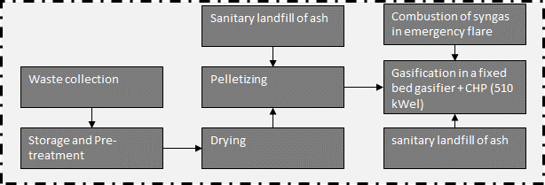
Waste collection |  |  |  |  |  | Model graph (as given in openLCA): connection of forgeround processes
Type | Flow/Parameter | Quantitiy/Formula | Unit | Uncertainty | Description
Input | municipal waste collection service (ecoinvent process) | 5 | [kg*km] | lognormal: gmean=5 gsigma=1.24 | Waste collection
Input | transport, freight, lorry, unspecified (ecoinvent process) | 40 | [kg*km] | lognormal: gmean=40 gsigma=1.21 | Collection to treatment plant (=40 km)
Output | Waste collected | 1 | kg | (none) | Collected waste transported to treatment plant

Storage and Pretreatment
Type | Flow/Parameter | Quantitiy/Formula | Unit | Uncertainty | Description
Input | Waste collected | 1 | t | (none) | Collected waste transported to treatment plant
Input | building machine (ecoinvent process) | bm | [Item(s)] | (Uncertainty inherited from dependent parameters) | Wheel loader to move waste
Input | diesel, burned in building machine (ecoinvent process) | LHV_diesel*0.34 | [MJ] | lognormal: gmean=14.6200 gsigma=1.20286 | Diesel demand of wheel loader, measured
Input | treatment of municipal solid waste, incineration (ecoinvent process) | -share_impurities | [t] | lognormal: gmean=-0.0325822 gsigma=1.15570 | Share of impurites (asssumed as municipal solid waste, external incineration in MSWI), measured
Output | food waste at plant | 1.0*(1-share_impurities) | [t] | (Uncertainty inherited from dependent parameters) | Share of waste for further treatent
Add | LHV_diesel | 43 | [MJ/kg] | (none) | Heating value of diesel | Energy and mass flows (dashed line is system boundary)
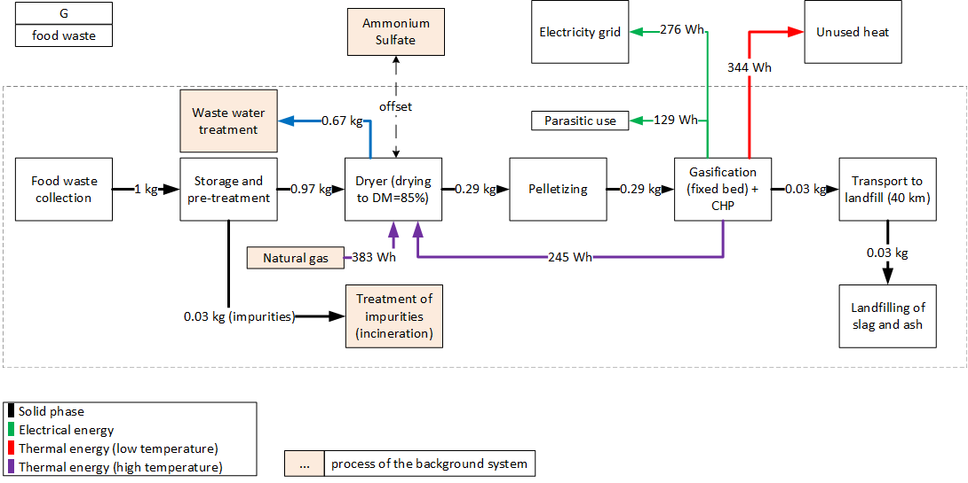
Add | lifetime_truck | 10 | [a] | triangular: min=5.0 mode=10.0 max=15.0 | Lifetime of wheel loader
Add | share_impurities | 0.032582229 | [] | lognormal: gmean=0.0325822 gsigma=1.10 | Share of impurites (same amount is assumed as in OFMSW)
Add | throughput | 10000 | [t/a] | (none) | Referenced throughput
Add | bm | 1.0/lifetime_truck /throughput | [Item(s)] |  | Demand in wheel loaders
Add | share_substrate | 1-share_impurities | [t] |  | Amount of substrate after removing impurities

Drying of food waste (to 85 wt-% DM)
Type | Flow/Parameter | Quantitiy/Formula | Unit | Uncertainty | Description
Input | food waste at plant | 1 | [kg] | (none) | Amount of treated food waste, reference unit
Input | heat, district or industrial, natural gas (ecoinvent process) | heat *sh_support | [kWh] | (none) | Amount of heat which is satisfied by supporting fuel
Input | sulfuric acid (ecoinvent process) | h2so4 /0.76 | [kg] | (none) | Amount of sulfuric acid (needed in acidic scrubber)
Input | wastewater, average (ecoinvent process) | -water_e | [l] | (none) | Amount of evaporated water
Input | ammonium sulfate as N (ecoinvent process) | -N_fert | [kg] | (Uncertainty inherited from dependent parameters) | Recovered ammonium sulfate (as fertilizer)
Emission | Ammonia | NH3_em | [kg] | lognormal: gmean=1.24-04 gsigma=1.32206 | NH3-emissions from drying
Output | food waste, dried | 1.0-water_e | [kg] | (none) | Amount of dried digestate
Output | electricity, produced in system | -el | [kWh] | (none) | Electricity demand of dryer
Output | heat, produced on-site | -heat*(1-sh_support) | [kWh] | (none) | Amount of heat which is satisfied by heat which is produced on-site
Add | AS | 0.06 | [] | (none) | Reverse efficiency of acidic scrubber | Parasitic electricity demands
Add | BF_NH3 | 0.72 | [] | triangular: min=0.130000 mode=0.720000 max=1.00000 | Reverse efficiency of biofilter | Drying | 40.9 | Wh/kg FM
Add | DM_in | 25 | [%] | (none) | Dry matter content of food waste | Pelletizing | 27.3 | Wh/kg FM
Add | el_spec | 60 | [kWh/t water, evaporated] | triangular: min=45 mode=60 max=75 | Electricity demand of dryer | Gasification | 61.3 | Wh/kg FM
Add | hd_belt_dryer | 920 | [kWh/t water, evaporated] | triangular: min=700.000 mode=920.000 max=1140.00 | Heat demand of a belt dryer
Add | N_out | 0.25 | [ ] | uniform: min=0 max=0.5 | Amount of nitrogen, which is released during drying (assumption)
Add | N_total | 0.038 | [wt-%, dry] | (none) | Nitrogen content of food waste
Add | target_dm | 85 | [%] | (none) | Targeted dry matter content of digestate
Add | CH4_em | water_e*M_CH4 *conc_CH4 /M_vol_gas | [kg] |  | Specific CH4 emissions
Add | el | water_e*el_spec/1000 | [kWh] |  | Specific electricity demand for dryer
Add | h2so4 | 4.4*0.17*N_total*DM_digestate/100 | [kg] |  | Amount of H2SO4 needed for acidic scrubber; 4.4 kgH2SO4/kg NH3
Add | heat | (1-(DM_in /target_dm ))*(hd_belt_dryer/1000) | [kWh] |  | Specific heat demand for dryer, 10% heat losses due to heat transfer+exchangers are assumed
Add | N_fert | (1-AS)*N_out*N_total*(DM_in/100) | [kg] |  | Amount of recovered Ammoniumsulfate
Add | NH3_em | N_out*(17/14)*N_total*(DM_in/100)*BF_NH3*AS | [kg] |  | Specific NH3 emissions
Add | sh_support | 0.6531 | [] |  | Share of support fuel (heat which cannot be provided onsite)
Add | water_e | (1-(DM_digestate /target_dm )) | [kg] |  | Evaporated water

Pelletizing of food waste
Type | Flow/Parameter | Quantitiy/Formula | Unit | Uncertainty | Description
Input | sanitary landfill of ash | -ash | [kg] | lognormal: gmean=-0.00450000 gsigma=1.80226 | Ash residue from pelletizing
Input | maize starch (ecoinvent process) | 0.01 | [kg] | lognormal: gmean=0.01 gsigma=1.62 | Used as proxy for binder
Input | food waste, dried | 1 | [kg] | (none) | Amount of dried food waste, reference unit
Input | lubricating oil (ecoinvent process) | 8.40E-05 | [kg] | lognormal: gmean=8.40000E-05 gsigma=1.13585 | Amount of lubricating oil
Emission | Aluminium | Al | [kg] | lognormal: gmean=5.83992E-08 gsigma=1.80226 | Emission to air
Emission | Arsenic | As | [kg] | lognormal: gmean=3.18216E-11 gsigma=1.80226 | Emission to air
Emission | Cadmium | Cd | [kg] | lognormal: gmean=7.85476E-12 gsigma=1.80226 | Emission to air
Emission | Calcium | Ca | [kg] | lognormal: gmean=1.43941E-06 gsigma=1.80226 | Emission to air
Emission | Chromium | Cr | [kg] | lognormal: gmean=2.88801E-10 gsigma=1.80226 | Emission to air
Emission | Cobalt | Co | [kg] | lognormal: gmean=1.54530E-10 gsigma=1.80226 | Emission to air
Emission | Copper | Cu | [kg] | lognormal: gmean=7.82563E-10 gsigma=1.80226 | Emission to air
Output | electricity produced in system | -el | [kWh] | (Uncertainty inherited from dependent parameters) | Electricity demand of pelletizer
Output | food waste, dried and pelletized | output | [kg] | (none) | Amount of pelletized food waste
Emission | Iron | Fe | [kg] | lognormal: gmean=1.65764E-08 gsigma=1.80226 | Emission to air
Emission | Lead | Pb | [kg] | lognormal: gmean=5.26252E-11 gsigma=1.80226 | Emission to air
Emission | Mercury | Hg | [kg] | lognormal: gmean=1.54530E-12 gsigma=1.80226 | Emission to air
Emission | Nickel | Ni | [kg] | lognormal: gmean=1.44854E-10 gsigma=1.80226 | Emission to air
Emission | Particulates, < 2.5 um | 4.82E-05 | [kg] | lognormal: gmean=4.82000E-05 gsigma=1.80226 | Emission to air
Emission | Particulates, > 10 um | 1.36E-05 | [kg] | lognormal: gmean=1.36000E-05 gsigma=1.80226 | Emission to air
Emission | Particulates, > 2.5 um, and < 10um | 2.91E-05 | [kg] | lognormal: gmean=2.91000E-05 gsigma=1.80226 | Emission to air
Emission | Phosphate | P | [kg] | lognormal: gmean=3.97181E-07 gsigma=1.80226 | Emission to air
Emission | Potassium | K | [kg] | lognormal: gmean=7.70572E-07 gsigma=1.80226 | Emission to air
Emission | Silicon | Si | [kg] | lognormal: gmean=1.59298E-06 gsigma=1.80226 | Emission to air
Emission | Zinc | Zn | [kg] | lognormal: gmean=2.62346E-09 gsigma=1.80226 | Emission to air
Add | ash | 0.0045 | [kg] | (none) | Ash residue from pelletizing
Add | comp_Al | 0.00075583 | [kg/kg DM] | (none) | Elemental share in food waste
Add | comp_As | 4.1185E-07 | [kg/kg DM] | (none) | Elemental share in food waste
Add | comp_Ca | 0.0186295 | [kg/kg DM] | (none) | Elemental share in food waste
Add | comp_Cd | 1.0166E-07 | [kg/kg DM] | (none) | Elemental share in food waste
Add | comp_Co | 0.000002 | [kg/kg DM] | (none) | Elemental share in food waste
Add | comp_Cr | 3.7378E-06 | [kg/kg DM] | (none) | Elemental share in food waste
Add | comp_Cu | 1.01283E-05 | [kg/kg DM] | (none) | Elemental share in food waste
Add | comp_Fe | 0.00021454 | [kg/kg DM] | (none) | Elemental share in food waste
Add | comp_Hg | 0.00000002 | [kg/kg DM] | (none) | Elemental share in food waste
Add | comp_K | 0.0099731 | [kg/kg DM] | (none) | Elemental share in food waste
Add | comp_Ni | 1.87477E-06 | [kg/kg DM] | (none) | Elemental share in food waste
Add | comp_P | 0.0051405 | [kg/kg DM] | (none) | Elemental share in food waste
Add | comp_Pb | 6.811E-07 | [kg/kg DM] | (none) | Elemental share in food waste
Add | comp_Si | 0.020617148 | [kg/kg DM] | (none) | Elemental share in food waste
Add | comp_Zn | 0.000033954 | [kg/kg DM] | (none) | Elemental share in food waste
Add | DM_target | 0.85 | [] | (none) | Dry matter content of food waste
Add | el | 0.096 | [kWh] | lognormal: gmean=0.0960000 gsigma=1.53000 | Electricity demand of pelletizer
Add | mass_in | 1 | [kg] | (none) | Amount of food waste, dried
Add | part_tot | 9.09E-05 | [kg] | (none) | Amount of particulate matter emissions
Add | Al | comp_Al*part_tot *DM_target | [kg] |  | Emission to air
Add | As | comp_As *part_tot *DM_target | [kg] |  | Emission to air
Add | Ca | comp_Ca*part_tot *DM_target | [kg] |  | Emission to air
Add | Cd | comp_Cd *part_tot *DM_target | [kg] |  | Emission to air
Add | Co | comp_Co *part_tot *DM_target | [kg] |  | Emission to air
Add | Cr | comp_Cr *part_tot *DM_target | [kg] |  | Emission to air
Add | Cu | comp_Cu *part_tot *DM_target | [kg] |  | Emission to air
Add | Fe | comp_Fe*part_tot *DM_target | [kg] |  | Emission to air
Add | Hg | comp_Hg *part_tot *DM_target | [kg] |  | Emission to air
Add | K | comp_K*part_tot *DM_target | [kg] |  | Emission to air
Add | Ni | comp_Ni *part_tot *DM_target | [kg] |  | Emission to air
Add | output | 1-ash +0.01 | [kg] |  | Weight of foow waste after pelletizing
Add | P | comp_P*part_tot *DM_target | [kg] |  | Emission to air
Add | Pb | comp_Pb*part_tot *DM_target | [kg] |  | Emission to air
Add | Si | comp_Si*part_tot *DM_target | [kg] |  | Emission to air
Add | Zn | comp_Zn*part_tot *DM_target | [kg] |  | Emission to air

Gasification of food waste in a fixed-bed gasifier + CHP (510 kWel)
Type | Flow/Parameter | Quantitiy/Formula | Unit | Uncertainty | Description
Input | activated carbon, granular (ecoinvent process) | 0.00118 | [kg] | lognormal: gmean=0.00118000 gsigma=1.23660 | Activated carbon required for flue gas treatment
Input | ash, treated | -ash | [kg] | (none) | Landfilling of ash resulting from gasification
Input | product gas combusted in emergency flare | prod_gas*(1-emergency_torch) | [m3] | (none) | Share of product gas to emergency flare
Input | cement, unspecified (ecoinvent process) | 0.010875716 | [kg] | lognormal: gmean=0.010875716 gsigma=1.52117 | Cement required for solidification of landfilled residual material.
Input | gasification plant, construction | pcs_gf | [Item(s)] | (none) | Production of a gasification plant, small-scale
Input | heat and power co-generation unit, 160kW electrical, common components for heat+electricity (ecoinvent process) | pcs_CHP | [Item(s)] | uncertainty inherhited from dependent parameters | Value for cogeneration of natural gas used as approximination
Input | heat and power co-generation unit, 160kW electrical, components for electricity only (ecoinvent process) | pcs_CHP | [Item(s)] | uncertainty inherhited from dependent parameters | Value for cogeneration of natural gas used as approximination
Input | heat and power co-generation unit, 160kW electrical, components for heat only (ecoinvent process) | pcs_CHP | [Item(s)] | uncertainty inherhited from dependent parameters | Value for cogeneration of natural gas used as approximination
Input | food waste, dried and pelletized | 1 | [kg] | (none) | Reference unit
Input | lime, hydrated, packed (ecoinvent process) | lime | [kg] | lognormal: gmean=0.006727155000000001 gsigma=1.23660 | For flue gas treatment (acidic components)
Input | lubricating oil (ecoinvent process) | 0.00023481881331 | [kg] | lognormal: gmean=0.000234819 gsigma=1.33769 | Value for cogeneration of natural gas used as approximination. Assumption of a lubricate consumption of 0.03 g/MJin
Input | nitrogen, liquid (ecoinvent process) | 0.001019048 | [kg] | lognormal: gmean=0.00101905 gsigma=1.23545 | For purging reactor
Input | spent activated carbon with mercury (ecoinvent process) | -0.00118 | [kg] | lognormal: gmean=-0.00118000 gsigma=1.23660 | Waste generation, activated carbon
Input | transport, freight, lorry, unspecified (ecoinvent process) | 40*ash | [kg*km] | lognormal: gmean=3.92 gsigma=1.10224 | Transport of residues to landfill
Input | vegetable oil methyl ester (ecoinvent process) | diesel | [kg] | lognormal: gmean=0.010143 gsigma=1.20772 | Rape methyl ester required for tar removal
Input | waste gypsum (ecoinvent process) | -waste_gypsum | [kg] | lognormal: gmean=-0.009234870194127553 gsigma=1.50512 | Waste from lime consumption
Input | waste mineral oil (ecoinvent process) | -0.00023481881331 | [kg] | lognormal: gmean=-0.000234819 gsigma=1.27884 | Value for cogeneration of natural gas used as approximation
Input | sulfuric acid | 0.013953333 | [kg] | lognormal: gmean=0.0139533 gsigma=1.23660 | Ancillary goods for flue gas scrubbing
Input | sodium hydroxide, without water, in 50% solution state | 0.000933333 | [kg] | lognormal: gmean=9.33E-4 gsigma=1.23660 | Ancillary goods for flue gas scrubbing
Input | phosphate fertiliser, as P2O5 | 8.57143E-06 | [kg] | lognormal: gmean=8.57E-6 gsigma=1.23660 | Ancillary goods for flue gas scrubbing
Emission | Aluminium | 5.236E-10 | [kg] | lognormal: gmean=0.0000000005236 gsigma=2.40005 | Emission to air (flue gas)
Emission | Aluminium | 5.236E-09 | [kg] | lognormal: gmean=0.000000005236 gsigma=2.37307 | Emission to water (waste water, scrubber sludge)
Emission | Arsenic | 2.7455E-09 | [kg] | lognormal: gmean=0.0000000027455 gsigma=3.68878 | Emission to air (flue gas)
Emission | Arsenic | 1.2325E-17 | [kg] | lognormal: gmean=1.2325E-17 gsigma=3.69614 | Emission to water (waste water, scrubber sludge)
Emission | Cadmium | 4.403E-11 | [kg] | lognormal: gmean=0.00000000004403 gsigma=3.92040 | Emission to air (flue gas)
Emission | Cadmium | 4.403E-12 | [kg] | lognormal: gmean=0.000000000004403 gsigma=3.93113 | Emission to water (waste water, scrubber sludge)
Emission | Calcium | 0.0001246185 | [kg] | lognormal: gmean=0.0001246185 gsigma=1.73695 | Emission to air (flue gas)
Emission | Calcium | 0.00012495 | [kg] | lognormal: gmean=0.00012495 gsigma=1.73695 | Emission to water (waste water, scrubber sludge)
Emission | Carbon dioxide, fossil | CO2_lime | [kg] | (Uncertainty inherited from dependent parameters) | Emission to air (flue gas)
Emission | Carbon monoxide | em_CO | [kg] | (Uncertainty inherited from dependent parameters) | Emission to air (flue gas)
Emission | Chromium | 2.771E-09 | [kg] | lognormal: gmean=0.000000002771 gsigma=3.28904 | Emission to air (flue gas)
Emission | Chromium | 2.465E-10 | [kg] | lognormal: gmean=0.0000000002465 gsigma=3.30842 | Emission to water (waste water, scrubber sludge)
Emission | Cobalt | 3.094E-09 | [kg] | lognormal: gmean=0.000000003094 gsigma=3.40236 | Emission to air (flue gas)
Emission | Cobalt | 1.6915E-11 | [kg] | lognormal: gmean=0.000000000016915 gsigma=3.40960 | Emission to water (waste water, scrubber sludge)
Emission | Copper | 7.888E-10 | [kg] | lognormal: gmean=0.0000000007888 gsigma=3.10844 | Emission to air (flue gas)
Emission | Copper | 7.888E-10 | [kg] | lognormal: gmean=0.0000000007888 gsigma=3.10551 | Emission to water (waste water, scrubber sludge)
Emission | Dinitrogen monoxide | 3.75E-06 | [kg] | lognormal: gmean=3.75000E-06 gsigma=2.29423 | Emissions of Dinitrogen monoxide to air
Output | electricity produced in system | (el -p_el) | [kWh] | (none) | Electricity output (net, parasitic share of gasification plant is accounted for)
Output | heat (gross) produced on-site | heat | [kWh] | (none) | Gross heat production
Emission | Hydrogen chloride | em_HCl | [kg] | (Uncertainty inherited from dependent parameters) | Emission to air (flue gas)
Emission | Iron | 3.264E-10 | [kg] | lognormal: gmean=0.0000000003264 gsigma=2.61741 | Emission to air (flue gas)
Emission | Iron | 3.264E-09 | [kg] | lognormal: gmean=0.000000003264 gsigma=2.59176 | Emission to water (waste water, scrubber sludge)
Emission | Lead | 4.7685E-11 | [kg] | lognormal: gmean=0.000000000047685 gsigma=3.59759 | Emission to air (flue gas)
Emission | Lead | 4.7685E-11 | [kg] | lognormal: gmean=0.000000000047685 gsigma=3.60491 | Emission to water (waste water, scrubber sludge)
Emission | Mercury | 4.8195E-10 | [kg] | lognormal: gmean=0.00000000048195 gsigma=4.20968 | Emission to air (flue gas)
Emission | Mercury | 8.585E-12 | [kg] | lognormal: gmean=0.000000000008585 gsigma=4.22155 | Emission to water (waste water, scrubber sludge)
Emission | Methane, non-fossil | em_CH4 | [kg] | (Uncertainty inherited from dependent parameters) | Emission to air (flue gas)
Emission | Nickel | 2.006E-09 | [kg] | lognormal: gmean=0.000000002006 gsigma=3.41408 | Emission to air (flue gas)
Emission | Nickel | 7.0975E-11 | [kg] | lognormal: gmean=0.000000000070975 gsigma=3.43359 | Emission to water (waste water, scrubber sludge)
Emission | Nitrogen oxides | em_NOx | [kg] | (Uncertainty inherited from dependent parameters) | Emission to air (flue gas)
Emission | NMVOC, non-methane volatile organic compounds, unspecified origin | 5.63E-06 | [kg] | lognormal: gmean=5.63000E-06 gsigma=2.29423 | Emissions of NMVOC to air
Emission | Particulates, < 2.5 um | em_part | [kg] | (Uncertainty inherited from dependent parameters) | Emission to air (flue gas)
Emission | Phosphorus | 0.000004437 | [kg] | lognormal: gmean=0.000004437ent parameters) | Emission to air (flue gas)
Emission | Phosphorus | 4.828E-07 | [kg] | lognormal: gmean=0.0000004828 gsigma=2.00214 | Emission to water (waste water, scrubber sludge)
Emission | Potassium | 0.000041905 | [kg] | lognormal: gmean=0.000041905 gsigma=1.85222 | Emission to air (flue gas)
Emission | Potassium | 0.000041905 | [kg] | lognormal: gmean=0.000041905 gsigma=1.85222 | Emission to water (waste water, scrubber sludge)
Emission | product gas | prod_gas | [m3] | (Uncertainty inherited from dependent parameters) | Amount of product gas which is combusted in CHP plant
Emission | Silicon | 2.7285E-08 | [kg] | lognormal: gmean=0.000000027285 gsigma=1.80624 | Emission to air (flue gas)
Emission | Silicon | 2.7285E-08 | [kg] | lognormal: gmean=0.000000027285 gsigma=1.80624 | Emission to water (waste water, scrubber sludge)
Emission | Sulfur dioxide | em_SO2 | [kg] | (Uncertainty inherited from dependent parameters) | Emission to air (flue gas)
Emission | Zinc | 1.938E-08 | [kg] | lognormal: gmean=0.00000001938 gsigma=2.89238 | Emission to air (flue gas)
Emission | Zinc | 1.938E-09 | [kg] | lognormal: gmean=0.000000001938 gsigma=2.91222 | Emission to water (waste water, scrubber sludge)
Add | abadement_factor_CO | 0.91 | [] | (none) | Abadement of CO (catalyst CHP-plant)
Add | abadement_factor_HCl | 0.837 | [] | (none) | Abadement of HCl (flue gas treatment system)
Add | abadement_factor_SO2 | 0.95 | [] | (none) | Abadement of SO2 (flue gas treatment system), adjusted to match regulations of the 17. BImSchV
Add | ash | 0.098 | [kg/kg FM] | (none) | Amount of residual ash (oxidized amout of ash in substrate)
Add | CH4_gas | 0.13822 | [kg/kg FM] | (none) | Amount of methane produced from substrate during gasification
Add | CH4_slip | 0.0014 | [ ] | triangular: min=0.00105000 mode=0.00140000 max=0.00175000 | Methane slip during combustion in CHP plant, biogas as proxy
Add | Cl_in_fuel | 0.009559 | [kg/kg DM] | (none) | Amount of chlorine in substrate
Add | CO_gas | 0.42674 | [kg/kg fuel] | (none) | Amount of CO produced from substrate during gasification
Add | CO_slip | 0.021 | [ ] | lognormal: gmean=0.0210000 gsigma=2.00000 | CO slip during combustion in CHP plant
Add | wc_in | 0.15 | [ ] | (none) | Water content of substrate
Add | em_NOx | 0.00048546 | [kg/kg FM] | lognormal: gmean=4.854609e-04 gsigma=2 | NOx-emissions during gasification + CHP
Add | emergency_torch | 0.98 | [ ] | triangular: min=0.950000 mode=0.980000 max=1.00000 | Amount of product gas which is combusted in CHP plant
Add | eta_CHP_el | 0.37 | [ ] | (none) | El. efficiency of CHP plant
Add | eta_CHP_th | 0.53 | [ ] | (none) | Th. efficiency of CHP plant
Add | eta_cold_gas | 0.78621 | [ ] | (none) | Cold-gas efficiency
Add | LHV_input | 18.2584 | [MJ/kg,FM] | (none) | Lower heating value of substrate
Add | lifetime_G | 20 | [a] | triangular: min=15.0000 mode=20.0000 max=25.0000 | Lifetime gasifier
Add | lifetime_CHP | 80000 | [h] | triangular: min=60000.0 mode=80000.0 max=100000 | Lifetime CHP plant
Add | P | 500 | [kW] | (none) | Envisaged power of CHP plant
Add | P_old | 160 | [kW] | (none) | Power of CHP plant as given in ecoinvent
Add | particulates | 2 | [mg/m³] | triangular: min=0.00000 mode=2.00000 max=5.00000 | Emission of particulates
Add | prod_gas | 2.3861 | [m³/kg FM] | (none) | Specific amount of product gas
Add | ref_el_gf | 255 | [kW] | (none) | Power of refereced gasification plant
Add | S_in_fuel | 0.002553 | [kg/kg FM] | (none) | Sulfur content in fuel
Add | sh_parasitic | 0.15 | [ ] | triangular: min=0.100000 mode=0.150000 max=0.200000 | Share of parasitic electricity
Add | V_RG | 2.0345 | [NM³ RG/Nm³ prod gas] | (none) | Specific flue gas volume
Add | CO2_lime | S_in_fuel *(1-wc_in)*(64/32)*0.69 | [kg/kg FM] |  | Fossil CO2 emissions from reaction of lime with sulphur
Add | diesel | (20/10000)*(LHV_input/3.6) | [kg/kg FM] |  | Amount of rape methyl ester required for flue gas treatment
Add | el | LHV_gas*eta_CHP_el *emergency_torch /3.6 | [kWh/kg FM] |  | Amount of electricity produced during gasification +CHP (gross)
Add | em_CH4 | CH4_slip*CH4_gas | [kg/kg FM] |  | Transmission of methane to air
Add | em_CO | CO_gas *CO_slip *(1-abadement_factor_CO) | [kg/kg FM] |  | Transmission of CO to air
Add | em_HCl | Cl_in_fuel*(1-wc_in)*(36.4609/35.453)*(1-abadement_factor_HCl ) | [kg/kg FM] |  | Transmission of HCl to air
Add | em_part | particulates*prod_gas*V_RG/1000/1000 | [kg/kg FM] |  | Transmission of particulates to air
Add | em_SO2 | S_in_fuel*(1-wc_in)*(64.0638/32.065)*(1-abadement_factor_SO2 ) | [kg/kg FM] |  | Emissions of SO2 to air
Add | heat | (LHV_input*eta_cold_gas*eta_CHP_th /3.6)*emergency_torch | [kWh/kg FM] |  | Amount of heat produced from gasification+CHP
Add | LHV_gas | eta_cold_gas *LHV_input *emergency_torch | [MJ/gas, tot] |  | LHV of the product gas
Add | lime | S_in_fuel*(1-wc_in) *(64/32)*1.55 | [kg/kg FM] |  | Amount of lime needed for flue gas treatment
Add | p_el | sh_parasitic*el | [ ] |  | Parasitic electricity demand of plant
Add | P_tot_el | el*10000*(1/3.534 )*1000/7900/emergency_torch | [kWel] |  | Size of gasifier
Add | pcs_CHP | (el*upscale_CHP) /throughput_lifetime | [Item(s)] |  | Demand in CHP plants
Add | pcs_gf | upscale_GF *el/(P_tot_el*lifetime_G*7900) | [Item(s)] |  | Demand in gasification plants (7900 full-load hours)
Add | throughput_lifetime | lifetime_CHP*P | [kWh/lifetime] |  | Amount of electricity produced from CHP plant during its lifetime
Add | upscale_CHP | (P/P_old )^0.6 | [ ] |  | Upscaling factor CHP
Add | upscale_GF | (P_tot_el/ref_el_gf )^0.6 | [ ] |  | Upscaling factor gasification plant
Add | waste_gypsum | 2.13*S_in_fuel*(1-wc_in)*(64.0638/32.065) | [kg/kg FM] |  | Waste from lime consumption

sanitary landfill of ash
Type | Flow/Parameter | Quantitiy/Formula | Unit | Uncertainty | Description
Input | aluminium sulfate, powder (ecoinvent process) | 0.001530104 | [kg] | lognormal: gmean=0.00153010 gsigma=1.41180 | Burden from wastewater treatment of the short-term leachate (0-100a).
Input | cast iron (ecoinvent process) | 1.47498E-06 | [kg] | lognormal: gmean=1.47498E-06 gsigma=1.32750 | For sewer auxiliary materials.
Input | cement, unspecified (ecoinvent process) | 0.000319028 | [kg] | lognormal: gmean=0.000319028 gsigma=3.13356 | Burden from incineration of sludge from wastewater treatment of the short-term leachate (0-100a).
Input | chemical, inorganic (ecoinvent process) | 1.11097E-07 | [kg] | lognormal: gmean=1.11097E-07 gsigma=1.40832 | Burden from incineration of sludge from wastewater treatment of the short-term leachate (0-100a).
Input | chemical, organic (ecoinvent process) | 1.25775E-07 | [kg] | lognormal: gmean=1.25775E-07 gsigma=1.86570 | Burden from incineration of sludge from wastewater treatment of the short-term leachate (0-100a).
Input | concrete, sole plate and foundation (ecoinvent process) | 1.429E-07 | [m3] | lognormal: gmean=1.42900E-07 gsigma=1.32750 | For leachate collection tanks and sewer pipe.
Input | diesel, burned in building machine (ecoinvent process) | 0.048386543 | [MJ] | lognormal: gmean=0.0483865 gsigma=1.32750 | For waste distribution and compaction, construction diesel for base and compartment seals, for access street and sewer construction.
Input | electricity, for reuse in municipal waste incineration only (ecoinvent process) | 0.001868868 | [kWh] | lognormal: gmean=0.00186887 gsigma=3.37575 | Burden from incineration of sludge from wastewater treatment of the short-term leachate (0-100a).
Input | electricity, low voltage (ecoinvent process) | 0.002190073 | [kWh] | lognormal: gmean=0.00219007 gsigma=3.15856 | Burden from wastewater treatment of the short-term leachate (0-100a) and landfill administrative building electricity consumption.
Input | excavation, hydraulic digger (ecoinvent process) | 0.000387746 | [m3] | lognormal: gmean=0.000387746 gsigma=1.32750 | Excavation work for landfill construction, sewer construction and recultivation.
Input | excavation, skid-steer loader (ecoinvent process) | 0.000387746 | [m3] | lognormal: gmean=0.000387746 gsigma=1.32750 | Excavation work for landfill construction, sewer construction and recultivation.
Input | extrusion, plastic pipes (ecoinvent process) | 8.49391E-05 | [kg] | lognormal: gmean=8.49391E-05 gsigma=1.32750 | For base and interior drain system of landfill, sewer auxiliary materials.
Input | gravel, round (ecoinvent process) | 0.1601425 | [kg] | lognormal: gmean=0.160143 gsigma=1.32750 | For base and flank gravel beds and concrete, for access street, for drainage beds, for recultivation layer.
Input | heat, district or industrial, natural gas (ecoinvent process) | 0.006250413 | [MJ] | lognormal: gmean=0.00625041 gsigma=1.00000 | Burden from wastewater treatment of the short-term leachate and incineration of sludge from this wastewater treatment.
Input | heat, district or industrial, other than natural gas (ecoinvent process) | 0.006242184 | [MJ] | lognormal: gmean=0.00624218 gsigma=2.75328 | Burden from wastewater treatment of the short-term leachate (0-100a) and landfill administrative building space heat demand.
Input | heat, for reuse in municipal waste incineration only (ecoinvent process) | 0.010902163 | [MJ] | lognormal: gmean=0.0109022 gsigma=3.19734 | Burden from incineration of sludge from wastewater treatment of the short-term leachate (0-100a).
Input | hydrochloric acid, without water, in 30% solution state (ecoinvent process) | 6.66581E-08 | [kg] | lognormal: gmean=6.66581E-08 gsigma=1.40832 | Burden from incineration of sludge from wastewater treatment of the short-term leachate (0-100a).
Input | iron (III) chloride, without water, in 40% solution state (ecoinvent process) | 0.007741112 | [kg] | lognormal: gmean=0.00774111 gsigma=1.41176 | Burden from incineration of sludge from wastewater treatment of the short-term leachate (0-100a).
Input | iron sulfate (ecoinvent process) | 0.005661458 | [kg] | lognormal: gmean=0.00566146 gsigma=1.41180 | Burden from wastewater treatment of the short-term leachate (0-100a).
Input | municipal waste incineration facility (ecoinvent process) | 3.24978E-12 | [Item(s)] | lognormal: gmean=3.24978E-12 gsigma=3.19709 | Burden from incineration of sludge from wastewater treatment of the short-term leachate (0-100a).
Input | pitch (ecoinvent process) | 0.0023875 | [kg] | lognormal: gmean=0.00238750 gsigma=1.32750 | For base and compartment seals and access street construction.
Input | polyethylene, high density, granulate (ecoinvent process) | 0.000268492 | [kg] | lognormal: gmean=0.000268492 gsigma=1.32750 | For base and compartment seals, for base and interior drain system of landfill, sewer auxiliary materials.
Input | polypropylene, granulate (ecoinvent process) | 2.23482E-07 | [kg] | lognormal: gmean=2.23482E-07 gsigma=1.32750 | For sewer auxiliary materials.
Input | polyvinylchloride, bulk polymerised (ecoinvent process) | 2.23482E-07 | [kg] | lognormal: gmean=2.23482E-07 gsigma=1.32750 | For sewer auxiliary materials.
Input | process-specific burdens, municipal waste incineration (ecoinvent process) | 0.01299912 | [kg] | lognormal: gmean=0.0129991 gsigma=3.19709 | Burden from incineration of sludge from wastewater treatment of the short-term leachate (0-100a).
Input | process-specific burdens, residual material landfill (ecoinvent process) | 0.00079757 | [kg] | lognormal: gmean=0.000797570 gsigma=3.12981 | Burden from incineration of sludge from wastewater treatment of the short-term leachate (0-100a).
Input | process-specific burdens, slag landfill (ecoinvent process) | 0.00486724 | [kg] | lognormal: gmean=0.00486724 gsigma=3.37252 | Burden from incineration of sludge from wastewater treatment of the short-term leachate (0-100a).
Input | quicklime, milled, packed (ecoinvent process) | 3.44355E-07 | [kg] | lognormal: gmean=3.44355E-07 gsigma=1.42970 | Burden from incineration of sludge from wastewater treatment of the short-term leachate (0-100a).
Input | reinforcing steel (ecoinvent process) | 8.71581E-06 | [kg] | lognormal: gmean=8.71581E-06 gsigma=1.32750 | For sewer auxiliary materials.
Input | residual material landfill (ecoinvent process) | 1.6616E-12 | [Item(s)] | lognormal: gmean=1.66160E-12 gsigma=3.12981 | Burden from incineration of sludge from wastewater treatment of the short-term leachate (0-100a).
Input | sand (ecoinvent process) | 6.68659E-05 | [kg] | lognormal: gmean=6.68659E-05 gsigma=1.32750 | For sewer auxiliary materials.
Input | sewer grid, 5E9l/year, 110 km (ecoinvent process) | 9.53347E-10 | [km] | lognormal: gmean=9.53347E-10 gsigma=1.02470 | Burden from wastewater treatment of the short-term leachate (0-100a).
Input | slag landfill (ecoinvent process) | 8.65287E-12 | [Item(s)] | lognormal: gmean=8.65287E-12 gsigma=3.37252 | Burden from incineration of sludge from wastewater treatment of the short-term leachate (0-100a).
Input | sodium hydroxide, without water, in 50% solution state (ecoinvent process) | 1.89934E-06 | [kg] | lognormal: gmean=1.89934E-06 gsigma=1.42802 | Burden from incineration of sludge from wastewater treatment of the short-term leachate (0-100a).
Input | steel, chromium steel 18/8, hot rolled (ecoinvent process) | 3.03936E-06 | [kg] | lognormal: gmean=3.03936E-06 gsigma=1.32750 | For sewer auxiliary materials.
Input | synthetic rubber (ecoinvent process) | 8.93929E-08 | [kg] | lognormal: gmean=8.93929E-08 gsigma=1.32750 | For sewer auxiliary materials.
Input | tap water (ecoinvent process) | 0.001857719 | [kg] | lognormal: gmean=0.00185772 gsigma=1.32750 | For sewer auxiliary materials.
Input | transport, freight, lorry, unspecified (ecoinvent process) | 0.00123701 | [t*km] | lognormal: gmean=0.00123701 gsigma=2.25199 | Transport services to transport incineration residues to landfills and filter ash to external treatments (FLUWA).
Input | wastewater treatment facility, capacity 5E9l/year (ecoinvent process) | 2.48957E-11 | [Item(s)] | lognormal: gmean=2.48957E-11 gsigma=1.02470 | Burden from wastewater treatment of the short-term leachate (0-100a).
Emission | Aluminium | 6.07884E-07 | [kg] | lognormal: gmean=6.07884E-07 gsigma=1.33551 | Emissions from short-term leachate treatment and incineration of resulting sludge.
Emission | Aluminium | 3.92354E-08 | [kg] | lognormal: gmean=3.92354E-08 gsigma=1.93818 | Burden from direct release or incineration of landfill biogas; or windblown leachate evaporite in arid climates.
Emission | Aluminium | 0.01176943 | [kg] | lognormal: gmean=0.0117694 gsigma=1.33479 | Emissions from long-term leachate (>100a) directly from MSW landfill and indirectly via incineration of treatement sludge from leachate treatement.
Emission | Aluminium | 9.44495E-06 | [kg] | lognormal: gmean=9.44495E-06 gsigma=1.51184 | Emissions from short-term leachate treatment and incineration of resulting sludge.
Emission | Arsenic | 8.65047E-11 | [kg] | lognormal: gmean=8.65047E-11 gsigma=1.86722 | Emissions from short-term leachate treatment and incineration of resulting sludge.
Emission | Arsenic | 4.30763E-09 | [kg] | lognormal: gmean=4.30763E-09 gsigma=2.03928 | Burden from direct release or incineration of landfill biogas; or windblown leachate evaporite in arid climates.
Emission | Arsenic, ion | 6.06659E-06 | [kg] | lognormal: gmean=6.06659E-06 gsigma=1.77557 | Emissions from long-term leachate (>100a) directly from MSW landfill and indirectly via incineration of treatement sludge from leachate treatement.
Emission | Arsenic, ion | 2.70774E-07 | [kg] | lognormal: gmean=2.70774E-07 gsigma=1.85137 | Emissions from short-term leachate treatment and incineration of resulting sludge.
Emission | ash, treated | -1 | [kg] | (none) | Reference unit
Emission | Cadmium | 2.03163E-12 | [kg] | lognormal: gmean=2.03163E-12 gsigma=1.94125 | Emissions from short-term leachate treatment and incineration of resulting sludge.
Emission | Cadmium | 4.95363E-10 | [kg] | lognormal: gmean=4.95363E-10 gsigma=2.13974 | Burden from direct release or incineration of landfill biogas; or windblown leachate evaporite in arid climates.
Emission | Cadmium, ion | 1.49095E-06 | [kg] | lognormal: gmean=1.49095E-06 gsigma=1.85371 | Emissions from long-term leachate (>100a) directly from MSW landfill and indirectly via incineration of treatement sludge from leachate treatement.
Emission | Cadmium, ion | 3.77261E-08 | [kg] | lognormal: gmean=3.77261E-08 gsigma=1.92034 | Emissions from short-term leachate treatment and incineration of resulting sludge.
Emission | Calcium | 1.64781E-06 | [kg] | lognormal: gmean=1.64781E-06 gsigma=1.31375 | Emissions from short-term leachate treatment and incineration of resulting sludge.
Emission | Calcium | 2.51904E-06 | [kg] | lognormal: gmean=2.51904E-06 gsigma=1.77557 | Burden from direct release or incineration of landfill biogas; or windblown leachate evaporite in arid climates.
Emission | Calcium, ion | 0.27764284 | [kg] | lognormal: gmean=0.277643 gsigma=1.10702 | Emissions from long-term leachate (>100a) directly from MSW landfill and indirectly via incineration of treatement sludge from leachate treatement.
Emission | Calcium, ion | 0.009091434 | [kg] | lognormal: gmean=0.00909143 gsigma=1.29299 | Emissions from short-term leachate treatment and incineration of resulting sludge.
Emission | Carbon monoxide, fossil | 2.8975E-06 | [kg] | lognormal: gmean=2.89750E-06 gsigma=3.45614 | Emissions from short-term leachate treatment and incineration of resulting sludge.
Emission | Chloride | 0.0457988 | [kg] | lognormal: gmean=0.0457988 gsigma=1.17630 | Emissions from long-term leachate (>100a) directly from MSW landfill and indirectly via incineration of treatement sludge from leachate treatement.
...
Combustion of syngas in emergency flare (biogas-emergency flare as proxy)
Emission | Nitrogen oxides | 4.53E-07 | [kg] | lognormal: gmean=4.53300E-07 gsigma=1.22959 | NOx-emissions to air
Emission | Particulates, < 2.5 um | 8.49E-07 | [kg] | lognormal: gmean=8.49000E-07 gsigma=1.22959 | PM-emissions to air
Emission | Sulfur dioxide | 9.21E-08 | [kg] | lognormal: gmean=9.21100E-08 gsigma=1.22959 | SO2-emissions to air

Heat distribution
Output CHP |  | 56%
Support fuel |  | 44%
heat demand dryer |  | -66%
unused heat |  | -34%

heat distribution in system

214-FW_P_G
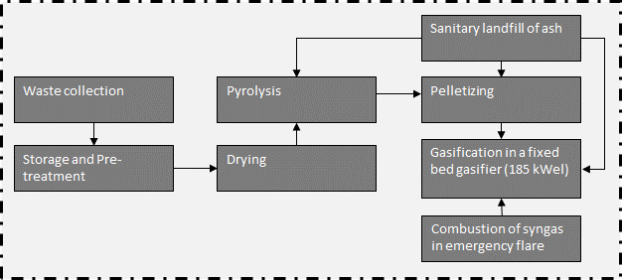
 |  |  |  |  |  | Model graph (as given in openLCA): connection of forgeround processes
 |  | Quantitiy/Formula | Unit | Uncertainty | Description
 |  | 5 | [kg*km] | lognormal: gmean=5 gsigma=1.24 | Waste collection
 |  | 40 | [kg*km] | lognormal: gmean=40 gsigma=1.21 | Collection to treatment plant (=40 km)
 |  | 1 | kg | (none) | Collected waste transported to treatment plant
...
 |  | Quantitiy/Formula | Unit | Uncertainty | Description
 |  | 1 | t | (none) | Collected waste transported to treatment plant
 |  | bm | [Item(s)] | (Uncertainty inherited from dependent parameters) | Wheel loader to move waste
 |  | LHV_diesel*0.34 | [MJ] | lognormal: gmean=14.6200 gsigma=1.20286 | Diesel demand of wheel loader, measured
 |  | -share_impurities | [t] | lognormal: gmean=-0.0325822 gsigma=1.15570 | Share of impurites (asssumed as municipal solid waste, external incineration in MSWI), measured
 |  | 1.0*(1-share_impurities) | [t] | (Uncertainty inherited from dependent parameters) | Share of waste for further treatent
 |  | 43 | [MJ/kg] | (none) | Heating value of diesel
 |  | 10 | [a] | triangular: min=5.0 mode=10.0 max=15.0 | Lifetime of wheel loader
 |  | 0.032582229 | [] | lognormal: gmean=0.0325822 gsigma=1.10 | Share of impurites (same amount is assumed as in OFMSW)
 |  | 10000 | [t/a] | (none) | Referenced throughput
 |  | 1.0/lifetime_truck /throughput | [Item(s)] |  | Demand in wheel loaders
 |  | 1-share_impurities | [t] |  | Amount of substrate after removing impurities | Energy and mass flows (dashed line is system boundary)
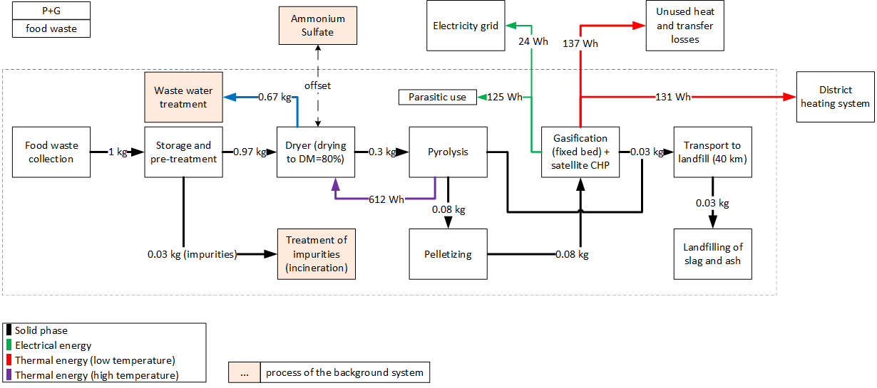
...
 |  | Quantitiy/Formula | Unit | Uncertainty | Description
 |  | 1 | [kg] | (none) | Amount of treated food waste, reference unit
 |  | heat *sh_support | [kWh] | (none) | Amount of heat which is satisfied by supporting fuel
 |  | h2so4 /0.76 | [kg] | (none) | Amount of sulfuric acid (needed in acidic scrubber)
 |  | -water_e | [l] | (none) | Amount of evaporated water
 |  | -N_fert | [kg] | (Uncertainty inherited from dependent parameters) | Recovered ammonium sulfate (as fertilizer)
 |  | NH3_em | [kg] | lognormal: gmean=1.24-04 gsigma=1.32206 | NH3-emissions from drying
 |  | 1.0-water_e | [kg] | (none) | Amount of dried food waste
 |  | -el | [kWh] | (none) | Electricity demand of dryer
 |  | -heat*(1-sh_support) | [kWh] | (none) | Amount of heat which is satisfied by heat which is produced on-site
 |  | 0.06 | [] | (none) | Reverse efficiency of acidic scrubber
 |  | 0.72 | [] | triangular: min=0.130000 mode=0.720000 max=1.00000 | Reverse efficiency of biofilter
 |  | 25 | [%] | (none) | Dry matter content of food waste
 |  | 60 | [kWh/t water, evaporated] | triangular: min=45 mode=60 max=75 | Electricity demand of dryer | Parasitic electricity demands
 |  | 920 | [kWh/t water, evaporated] | triangular: min=700.000 mode=920.000 max=1140.00 | Heat demand of a belt dryer | Pyrolysis | 54.6 | Wh/kg FM
 |  | 0.25 | [ ] | uniform: min=0 max=0.5 | Amount of nitrogen, which is released during drying | Drying | 39.9 | Wh/kg FM
 |  | 0.038 | [wt-%, dry] | (none) | Nitrogen content of food waste | Pelletizing | 7.8 | Wh/kg FM
 |  | 80 | [%] | (none) | Targeted dry matter content of digestate | Gasification | 22.2 | Wh/kg FM
 |  | water_e*M_CH4 *conc_CH4 /M_vol_gas | [kg] |  | Specific CH4 emissions
 |  | water_e*el_spec/1000 | [kWh] |  | Specific electricity demand for dryer
 |  | 4.4*0.17*N_total*DM_digestate/100 | [kg] |  | Amount of H2SO4 needed for acidic scrubber; 4.4 kgH2SO4/kg NH3
 |  | (1-(DM_in /target_dm ))*(hd_belt_dryer/1000) | [kWh] |  | Specific heat demand for dryer
...
Combustion of syngas in emergency flare (biogas-emergency flare as proxy)
Emission | Sulfur dioxide | 9.21E-08 | [kg] | lognormal: gmean=9.21100E-08 gsigma=1.22959 | SO2-emissions to air

Heat distribution
Output pyrolysis |  | 74%
Output CHP |  | 24%
Support fuel |  | 2%
heat demand dryer |  | -76%
exported heat to residential buildings |  | -12%
unused heat/heat losses in district heating sytem, total |  | -12%

heat distribution in system

215-FW_P_I
 |  |  |  |  |  | Model graph (as given in openLCA): connection of forgeround processes
 |  | Quantitiy/Formula | Unit | Uncertainty | Description
 |  | 5 | [kg*km] | lognormal: gmean=5 gsigma=1.24 | Waste collection
 |  | 40 | [kg*km] | lognormal: gmean=40 gsigma=1.21 | Collection to treatment plant (=40 km)
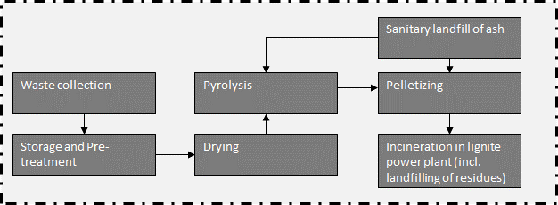
 |  | 1 | kg | (none) | Collected waste transported to treatment plant
...
 |  | Quantitiy/Formula | Unit | Uncertainty | Description
 |  | 1 | t | (none) | Collected waste transported to treatment plant
 |  | bm | [Item(s)] | (Uncertainty inherited from dependent parameters) | Wheel loader to move waste
 |  | LHV_diesel*0.34 | [MJ] | lognormal: gmean=14.6200 gsigma=1.20286 | Diesel demand of wheel loader, measured
 |  | -share_impurities | [t] | lognormal: gmean=-0.0325822 gsigma=1.15570 | Share of impurites (asssumed as municipal solid waste, external incineration in MSWI), measured
 |  | 1.0*(1-share_impurities) | [t] | (Uncertainty inherited from dependent parameters) | Share of waste for further treatent
 |  | 43 | [MJ/kg] | (none) | Heating value of diesel
 |  | 10 | [a] | triangular: min=5.0 mode=10.0 max=15.0 | Lifetime of wheel loader
 |  | 0.032582229 | [] | lognormal: gmean=0.0325822 gsigma=1.10 | Share of impurites (same amount is assumed as in OFMSW)
 |  | 10000 | [t/a] | (none) | Referenced throughput
 |  | 1.0/lifetime_truck /throughput | [Item(s)] |  | Demand in wheel loaders
 |  | 1-share_impurities | [t] |  | Amount of substrate after removing impurities
...
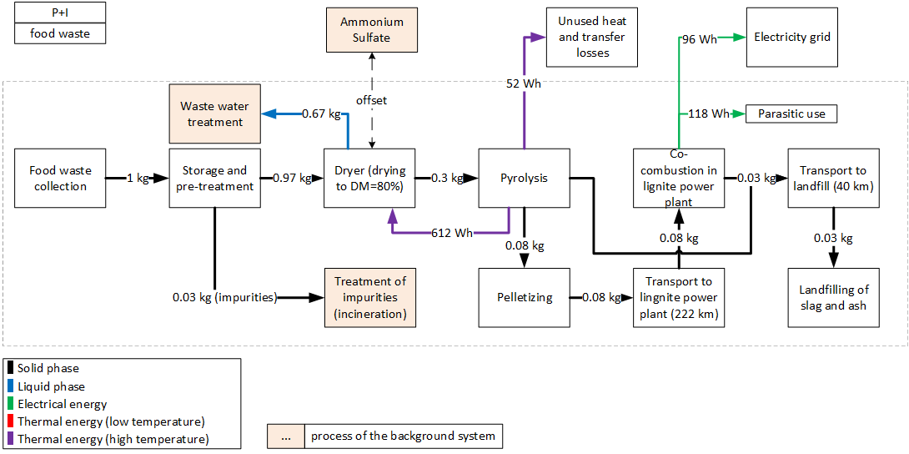
 |  | Quantitiy/Formula | Unit | Uncertainty | Description | Energy and mass flows (dashed line is system boundary)
 |  | 1 | [kg] | (none) | Amount of treated food waste, reference unit
 |  | heat *sh_support | [kWh] | (none) | Amount of heat which is satisfied by supporting fuel
 |  | h2so4 /0.76 | [kg] | (none) | Amount of sulfuric acid (needed in acidic scrubber)
 |  | -water_e | [l] | (none) | Amount of evaporated water
 |  | -N_fert | [kg] | (Uncertainty inherited from dependent parameters) | Recovered ammonium sulfate (as fertilizer)
 |  | NH3_em | [kg] | lognormal: gmean=1.24-04 gsigma=1.32206 | NH3-emissions from drying
 |  | 1.0-water_e | [kg] | (none) | Amount of dried digestate
 |  | -el | [kWh] | (none) | Electricity demand of dryer
 |  | -heat*(1-sh_support) | [kWh] | (none) | Amount of heat which is satisfied by heat which is produced on-site
 |  | 0.06 | [] | (none) | Reverse efficiency of acidic scrubber
 |  | 0.72 | [] | triangular: min=0.130000 mode=0.720000 max=1.00000 | Reverse efficiency of biofilter
 |  | 25 | [%] | (none) | Dry matter content of food waste
 |  | 60 | [kWh/t water, evaporated] | triangular: min=45 mode=60 max=75 | Electricity demand of dryer
 |  | 920 | [kWh/t water, evaporated] | triangular: min=700.000 mode=920.000 max=1140.00 | Heat demand of a belt dryer
 |  | 0.25 | [ ] | uniform: min=0 max=0.5 | Amount of nitrogen, which is released during drying
 |  | 0.038 | [wt-%, dry] | (none) | Nitrogen content of food waste
 |  | 80 | [%] | (none) | Targeted dry matter content of digestate
 |  | water_e*M_CH4 *conc_CH4 /M_vol_gas | [kg] |  | Specific CH4 emissions
 |  | water_e*el_spec/1000 | [kWh] |  | Specific electricity demand for dryer | Parasitic electricity demands
 |  | 4.4*0.17*N_total*DM_digestate/100 | [kg] |  | Amount of H2SO4 needed for acidic scrubber; 4.4 kgH2SO4/kg NH3 | Pyrolysis | 54.6 | Wh/kg FM
 |  | (1-(DM_in /target_dm ))*(hd_belt_dryer/1000) | [kWh] |  | Specific heat demand for dryer | Drying | 39.9 | Wh/kg FM
 |  | (1-AS)*N_out*N_total*(DM_in/100) | [kg] |  | Amount of recovered Ammoniumsulfate | Pelletizing | 7.8 | Wh/kg FM
 |  | N_out*(17/14)*N_total*(DM_in/100)*BF_NH3*AS | [kg] |  | Specific NH3 emissions | Co-combustion | 15.2 | Wh/kg FM
 |  | 0.02352 | [] |  | Share of support fuel (heat which cannot be provided onsite)
 |  | (1-(DM_digestate /target_dm )) | [kg] |  | Evaporated water
...
sanitary landfill of ash
Emission | Zinc | 1.51878E-09 | [kg] | lognormal: gmean=1.51878E-09 gsigma=2.08670 | Burden from direct release or incineration of landfill biogas; or windblown leachate evaporite in arid climates.
Emission | Zinc, ion | 0.000528044 | [kg] | lognormal: gmean=0.000528044 gsigma=1.53670 | Emissions from long-term leachate (>100a) directly from MSW landfill and indirectly via incineration of treatement sludge from leachate treatement.
Emission | Zinc, ion | 2.11342E-06 | [kg] | lognormal: gmean=2.11342E-06 gsigma=1.68009 | Emissions from short-term leachate treatment and incineration of resulting sludge.

Heat distribution
Output pyrolysis |  | 98%
Support fuel |  | 2%
heat demand dryer |  | -100%

heat distribution in system

216-FW_HTC_I
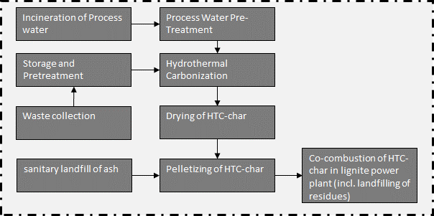
 |  |  |  |  |  | Model graph (as given in openLCA): connection of forgeround processes
 |  |  |  | Uncertainty | Description
 |  |  |  | lognormal: gmean=5 gsigma=1.24 | Waste collection
 |  |  |  | lognormal: gmean=40 gsigma=1.21 | Collection to treatment plant (=40 km)
 |  |  |  | (none) | Collected waste transported to treatment plant
...
 |  |  |  | Uncertainty | Description
 |  |  |  | (none) | Collected waste transported to treatment plant
 |  |  |  | (Uncertainty inherited from dependent parameters) | Wheel loader to move waste
 |  |  |  | lognormal: gmean=14.6200 gsigma=1.20286 | Diesel demand of wheel loader, measured
 |  | -share_impurities | [t] | lognormal: gmean=-0.0325822 gsigma=1.15570 | Share of impurites (asssumed as municipal solid waste, external incineration in MSWI), measured
 |  | 0.026666666667 | [m3] | lognormal: gmean=0.0266667 gsigma=1.23660 | Wood for biofilter
 |  | 7.2592105263 | [kg] | lognormal: gmean=7.25921 gsigma=1.23660 | Sulfuric acid for acidic scrubber
 |  | em_NH3 | [g] | (Uncertainty inherited from dependent parameters) | NH3 emissions
 |  | 1.0*(1-share_impurities) | [t] | (Uncertainty inherited from dependent parameters) | Share of waste for further treatent
 |  | em_N2O | [g] | (Uncertainty inherited from dependent parameters) | N2O emissions
 |  | em_CH4 | [g] | (Uncertainty inherited from dependent parameters) | CH4 emissions
 |  | em_NMVOC | [g] | (Uncertainty inherited from dependent parameters) | NMVOC emissions
 |  | 0.95 | [] | triangular: min=0.49 mode=0.95 max=1.01 | Inverse efficiency of biofilter for CH4
 |  | 1.12 | [] | triangular: min=0.71 mode=1.12 max=4.11 | Inverse efficiency of biofilter for N2O | Energy and mass flows (dashed line is system boundary)
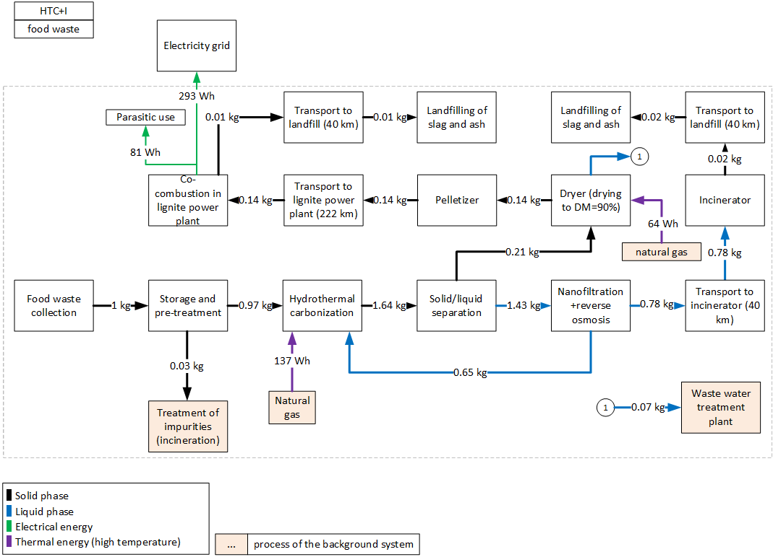
 |  | 0.72 | [] | triangular: min=0.13 mode=0.72 max=1.0 | Inverse efficiency of biofilter for NH3
 |  | 0.1 | [] | triangular: min=0.0mode=0.10 max=0.30 | Inverse efficiency of biofilter for NMVOC
 |  | 140 | g/t FM | triangular: min=20.0 mode=140.0 max=244.0 | CH4 emissions, before air treatment
 |  | 0.52 | [] | lognormal: gmean=0.52 gsigma=1.08 | Inverse efficiency of acidic scrubber
 |  | 43 | [MJ/kg] | (none) | Heating value of diesel
 |  | 10 | [a] | triangular: min=5.0 mode=10.0 max=15.0 | Lifetime of wheel loader
 |  | 6 | [g/t FM] | triangular: min=1.70 mode=6.0 max=14.0 | N2O emissions, before air treatment
 |  | 6.5 | [g/t FM] | triangular: min=2.90 mode=6.50 max=13.0 | NH3 emissions, before air treatment
 |  | 86 | [g/t FM] | triangular: min=34.0 mode=86.0 max=150.0 | NMVOC emissions, before air treatment
 |  | 0.032582229 | [] | lognormal: gmean=0.0325822 gsigma=1.10 | Share of impurites (same amount is assumed as in OFMSW)
 |  | 10000 | [t/a] | (none) | Referenced throughput
 |  | 1.0/lifetime_truck /throughput | [Item(s)] |  | Demand in wheel loaders
 |  | (3.77*0.25)/(1.55*0.377) | [] |  | Emission data stems from biowaste, correction of N-species by nitrogen content in foodwaste in comparison to OFMSW
 |  | BF_CH4*CH4 | [g] |  | CH4-emissions after biofilter
 |  | BF_N2O*N2O*corr_factor_N | [g] |  | N2O-emissions after biofilter
 |  | BF_NH3*NH3 *Filter_SW *corr_faktor_N | [g] |  | NH3-emissions after biofilter
 |  | BF_NMVOC*NMVOC | [g] |  | NMVOC-emissions after biofilter
 |  | 1-share_impurities | [t] |  | Amount of substrate after removing impurities
...
 |  | Quantitiy/Formula | Unit | Uncertainty | Description
 |  | 1 | [kg] | (none) | Amount of OFMSW to the reactor, reference unit
 |  | heat/0.9 | [kWh] | (Uncertainty inherited from dependent parameters) | Heat demand of HTC-reactor, 90% efficiency of heater
 |  | HTC_plant_pcs | [Item(s)] | (Uncertainty inherited from dependent parameters) | Number of HTC-plants, based on Owsianiak et al. (2016)
 |  | HTC_plant_pcs | [Item(s)] | (Uncertainty inherited from dependent parameters) | Number of HTC-plants (EoL), based on Owsianiak et al. (2016)
 |  | water_out_no_recy | [kg] | (Uncertainty inherited from dependent parameters) | Amount of process water, which needs to be treated
 |  | 0 | [kg] | (none) | Amount of added water
 |  | CO2 | [g] | (Uncertainty inherited from dependent parameters) | Emissions of CO2
 |  | CO | [g] | (Uncertainty inherited from dependent parameters) | Emissions of CO
 |  | -el | [kWh] | (Uncertainty inherited from dependent parameters) | Electricity demand for HTC reactor+infrastructure
 |  | mass_out | [kg] | (Uncertainty inherited from dependent parameters) | Amount of hydrochar
 |  | CH4 | [g] | (Uncertainty inherited from dependent parameters) | Emissions of CH4
 |  | 0.176 | [] | triangular: min=0.0700000 mode=0.176 max=0.250000 | Ratio of biomass to water
 |  | 0.01875 | [g/kg FM] | uniform: min=0.0112 max=0.0285 | CH4 emissions
 |  | 0.43125 | [g/kg FM] | uniform: min=0.257 max=0.6785 | CO emissions | Parasitic electricity demands
 |  | 18.3 | [g/kg FM] | uniform: min=10.9 max=28.792 | CO2 emissions | HTC | 19.1 | Wh/kg FM
 |  | 0.25 | [] | (none) | Dry mass content of biowaste | Drying | 4.2 | Wh/kg FM
 |  | 0.6 | [] | triangular: min=0.500000 mode=0.600000 max=0.700000 | Dry mass of hydrochar after dewatering | Pelletizing | 13.3 | Wh/kg FM
 |  | 12.71 | [kWh/t DM] | lognormal: gmean=12.71 gsigma=1.52 | Electricity demand decanter | Process water treatment (HTC) | 8.2 | Wh/kg FM
 |  | 22.68 | [kWh/t DM] | lognormal: gmean=22.68 gsigma=1.52 | Electricity demand grinder + mixer | Co-combustion | 37.5 | Wh/kg FM
 |  | 0.128 | [kWh] | uniform: min=0.10 max=0.15 | Heat demand of HTC-reactor
 |  | 15 | [a] | uniform: min=10.0000 max=20.0000 | Lifetime of HTC plant
...
sanitary landfill of ash
Emission | Zinc, ion | 0.00089142 | [kg] | lognormal: gmean=0.000891420 gsigma=1.50561 | Emissions from long-term leachate (>100a) directly from MSW landfill and indirectly via incineration of treatement sludge from leachate treatement.
Emission | Zinc, ion | 3.56778E-06 | [kg] | lognormal: gmean=3.56778E-06 gsigma=1.65206 | Emissions from short-term leachate treatment and incineration of resulting sludge.

Heat distribution
Support fuel |  | 100%
heat demand dryer |  | -32%
heat demand HTC |  | -68%

heat distribution in system

217-FW_AD_I
 |  |  |  |  | Model graph (as given in openLCA): connection of forgeround processes
 | Quantitiy/Formula | Unit | Uncertainty | Description | 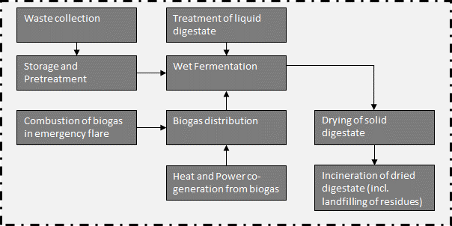
 | 5 | [kg*km] | lognormal: gmean=5 gsigma=1.24 | Waste collection
 | 40 | [kg*km] | lognormal: gmean=40 gsigma=1.21 | Collection to treatment plant (=40 km)
 | 1 | [kg] | (none) | Collected waste transported to treatment plant
...
 | Quantitiy/Formula | Unit | Uncertainty | Description
 | 1 | [t] | (none) | Collected waste transported to treatment plant
 | bm | [Item(s)] | (Uncertainty inherited from dependent parameters) | Wheel loader to move waste
 | LHV_diesel*0.34 | [MJ] | lognormal: gmean=14.6200 gsigma=1.20286 | Diesel demand of wheel loader, measured
 | -share_impurities | [t] | lognormal: gmean=-0.0325822 gsigma=1.15570 | Share of impurites (asssumed as municipal solid waste, external incineration in MSWI), measured
...
 | 1.0*(1-share_impurities) | [t] | (Uncertainty inherited from dependent parameters) | Share of waste for further treatent
 | em_N2O | [g] | (Uncertainty inherited from dependent parameters) | N2O emissions
 | em_CH4 | [g] | (Uncertainty inherited from dependent parameters) | CH4 emissions
 | em_NMVOC | [g] | (Uncertainty inherited from dependent parameters) | NMVOC emissions
 | 0.95 | [] | triangular: min=0.49 mode=0.95 max=1.01 | Inverse efficiency of biofilter for CH4
 | 1.12 | [] | triangular: min=0.71 mode=1.12 max=4.11 | Inverse efficiency of biofilter for N2O | Energy and mass flows (dashed line is system boundary)
 | 0.72 | [] | triangular: min=0.13 mode=0.72 max=1.0 | Inverse efficiency of biofilter for NH3
 | 0.1 | [] | triangular: min=0.0mode=0.10 max=0.30 | Inverse efficiency of biofilter for NMVOC
 | 140 | g/t FM | triangular: min=20.0 mode=140.0 max=244.0 | CH4 emissions, before air treatment
 | 0.52 | [] | lognormal: gmean=0.52 gsigma=1.08 | Inverse efficiency of acidic scrubber
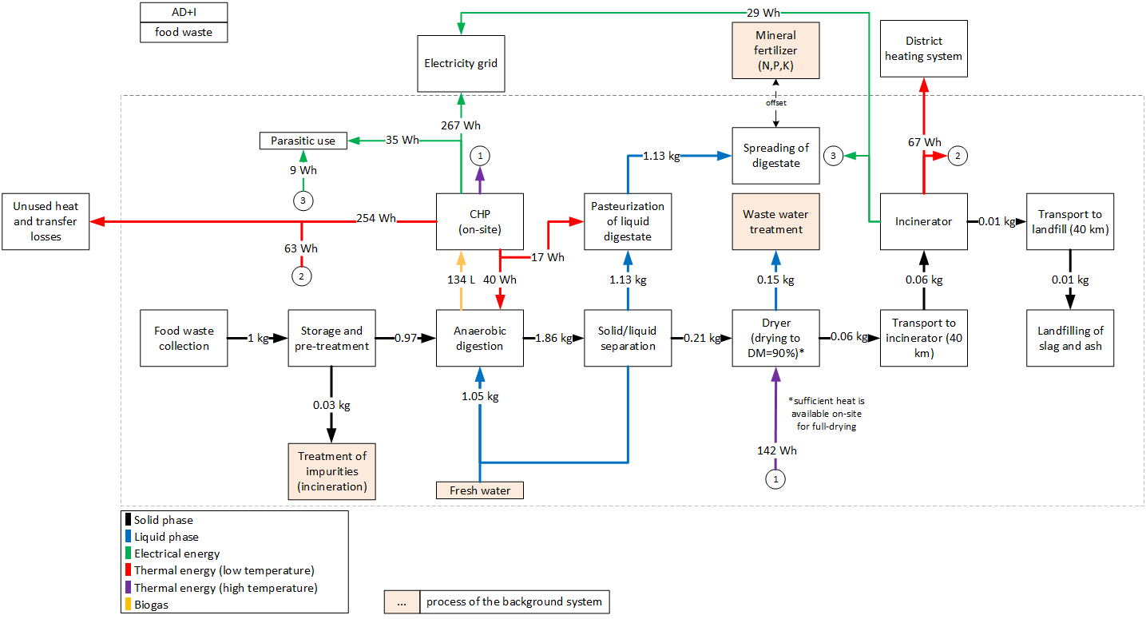
 | 43 | [MJ/kg] | (none) | Heating value of diesel
 | 10 | [a] | triangular: min=5.0 mode=10.0 max=15.0 | Lifetime of wheel loader
 | 6 | [g/t FM] | triangular: min=1.70 mode=6.0 max=14.0 | N2O emissions, before air treatment
 | 6.5 | [g/t FM] | triangular: min=2.90 mode=6.50 max=13.0 | NH3 emissions, before air treatment
 | 86 | [g/t FM] | triangular: min=34.0 mode=86.0 max=150.0 | NMVOC emissions, before air treatment
 | 0.032582229 | [] | lognormal: gmean=0.0325822 gsigma=1.10 | Share of impurites (same amount is assumed as in OFMSW)
 | 10000 | [t/a] | (none) | Referenced throughput
 | 1.0/lifetime_truck /throughput | [Item(s)] |  | Demand in wheel loaders
 | (3.77*0.25)/(1.55*0.377) | [] |  | Emission data stems from biowaste, correction of N-species by nitrogen content in foodwaste in comparison to OFMSW
 | BF_CH4*CH4 | [g] |  | CH4-emissions after biofilter
 | BF_N2O*N2O*corr_factor_N | [g] |  | N2O-emissions after biofilter
 | BF_NH3*NH3 *Filter_SW *corr_faktor_N | [g] |  | NH3-emissions after biofilter
 | BF_NMVOC*NMVOC | [g] |  | NMVOC-emissions after biofilter
 | 1-share_impurities | [t] |  | Amount of substrate after removing impurities
...
 | Quantitiy/Formula | Unit | Uncertainty | Description
 | pcs_AD | [Item(s)] | (Uncertainty inherited from dependent parameters) | Demand in anaerobic digestion plants
 | mass_in | [kg] | (none) | Reference unit
 | iron_ii_chloride | [kg] | lognormal: gmean=0.00031 gsigma=1.12945 | Demand in Iron(ii) cloride for desulphurization
 | water*0.5 | [kg] | (Uncertainty inherited from dependent parameters) | Added water to achieve required DM content
 | 1.16754 | [kg] | (none) | Liquid digestate (after solid-liquid separation)
 | BG | [m3] | (Uncertainty inherited from dependent parameters) | Amount of prouduced biogas
 | NH3_em | [kg] | (Uncertainty inherited from dependent parameters) | Emissions of NH3
 | 0.218530348 | [kg] | (none) | Treatment of digestate for further energetic utilization
 | 17*corr_factor_N/1000/1000 | [kg] | lognormal: gmean=2.74E-05 gsigma=1.243 | Accounts for emissions for the separation of digestate
 | -el_cons | [kWh] | (Uncertainty inherited from dependent parameters) | Electricity consumption of the AD-plant (including pumps and separation of digestate and parasitic energy of CHP plant)
 | -heat_cons | [kWh] | (Uncertainty inherited from dependent parameters) | Heat demand for heating up substrate and maintaining the temperature in the reactor
 | H2S_em | [kg] | (Uncertainty inherited from dependent parameters) | Emissions of H2S
 | CH4_em | [kg] | (Uncertainty inherited from dependent parameters) | Emissions of CH4 | Parasitic electricity demands
 | 0.13946 | [m³/kg] | triangular: min=0.118000 mode=0.139460 max=0.157800 | Specific dry biogas production for 1 kg food waste | Drying | 9.3 | Wh/kg FM
 | 0.64 | [] | triangular: min=0.610000 mode=0.64 max=0.730000 | Methane content in biogas | Wet fermentation | 25.5 | Wh/kg FM
 | 0.25 | [] | (none) | Dry mass of food waste before mixing | Incineration | 8.9 | Wh/kg FM
 | 0.37 | [] | triangular: min=0.370000 mode=0.370000 max=0.400000 | Electric efficiency of CHP plant
 | 0.083 | [] | triangular: min=0.0200000 mode=0.0830000 max=0.100000 | Specific electricity demand of AD-plant (including pumps and separation of digestate and parasitic energy demand of CHP plant), given as share of produced electricity
 | 14.79 | [g/g] | (none) | Specific demand in Iron (II) chloride to eliminate H2S
 | 0.0879 | [] | (none) | Specific heat demand of AD-plant, given as share of produced heat in CHP plant
 | 10 | [kWh/m³] | (none) | LHV of methane
...
Heat distribution
Output CHP, on-site, high temperature heat | 38%
Output CHP, on-site, low temperature heat | 53%
Output incinerator | 10%
heat demand digester | -7%
heat demand pasteurization | -3%
heat demand dryer (90% wt-%) | -24%
exported heat to residential buildings | -10%
unused heat, total | -56%

heat distribution in system

218-FW_AD_G
 |  |  |  |  |  | Model graph (as given in openLCA): connection of forgeround processes
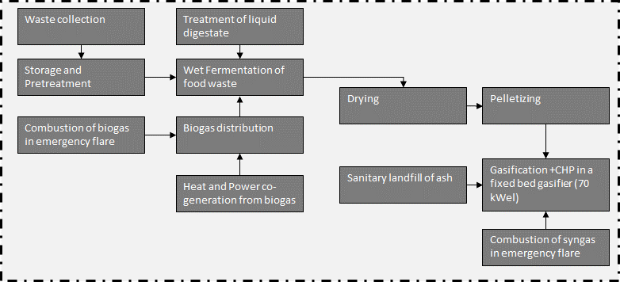
...
 |  |  | [t] | lognormal: gmean=-0.0325822 gsigma=1.15570 | Share of impurites (asssumed as municipal solid waste, external incineration in MSWI), measured
 |  |  | [m3] | lognormal: gmean=0.0266667 gsigma=1.23660 | Wood for biofilter
 |  |  | [kg] | lognormal: gmean=7.25921 gsigma=1.23660 | Sulfuric acid for acidic scrubber
 |  |  | [g] | (Uncertainty inherited from dependent parameters) | NH3 emissions
 |  |  | [t] | (Uncertainty inherited from dependent parameters) | Share of waste for further treatent
 |  |  | [g] | (Uncertainty inherited from dependent parameters) | N2O emissions
 |  |  | [g] | (Uncertainty inherited from dependent parameters) | CH4 emissions
 |  |  | [g] | (Uncertainty inherited from dependent parameters) | NMVOC emissions
 |  |  | [] | triangular: min=0.49 mode=0.95 max=1.01 | Inverse efficiency of biofilter for CH4
 |  |  | [] | triangular: min=0.71 mode=1.12 max=4.11 | Inverse efficiency of biofilter for N2O | Energy and mass flows (dashed line is system boundary)
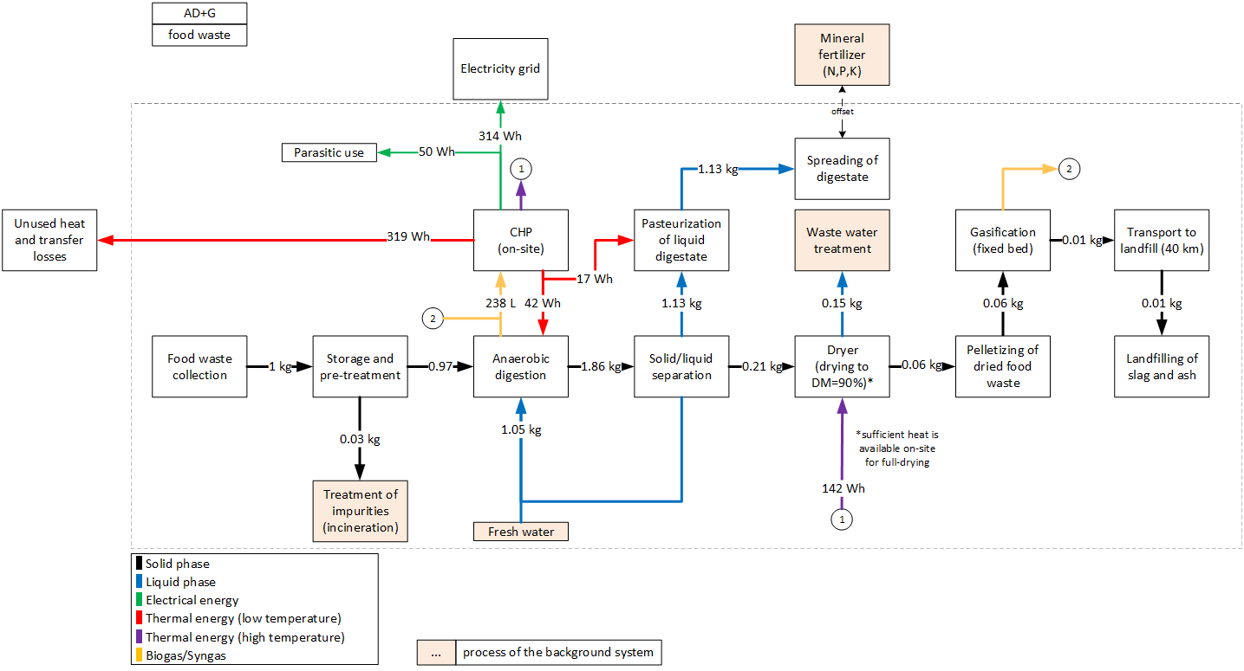
 |  |  | [] | triangular: min=0.13 mode=0.72 max=1.0 | Inverse efficiency of biofilter for NH3
 |  |  | [] | triangular: min=0.0mode=0.10 max=0.30 | Inverse efficiency of biofilter for NMVOC
 |  |  | g/t FM | triangular: min=20.0 mode=140.0 max=244.0 | CH4 emissions, before air treatment
 |  |  | [] | lognormal: gmean=0.52 gsigma=1.08 | Inverse efficiency of acidic scrubber
 |  |  | [MJ/kg] | (none) | Heating value of diesel
 |  |  | [a] | triangular: min=5.0 mode=10.0 max=15.0 | Lifetime of wheel loader
 |  |  | [g/t FM] | triangular: min=1.70 mode=6.0 max=14.0 | N2O emissions, before air treatment
 |  |  | [g/t FM] | triangular: min=2.90 mode=6.50 max=13.0 | NH3 emissions, before air treatment
 |  |  | [g/t FM] | triangular: min=34.0 mode=86.0 max=150.0 | NMVOC emissions, before air treatment
 |  |  | [] | lognormal: gmean=0.0325822 gsigma=1.10 | Share of impurites (same amount is assumed as in OFMSW)
 |  |  | [t/a] | (none) | Referenced throughput
 |  |  | [Item(s)] |  | Demand in wheel loaders
 |  |  | [] |  | Emission data stems from biowaste, correction of N-species by nitrogen content in foodwaste in comparison to OFMSW
 |  |  | [g] |  | CH4-emissions after biofilter
 |  |  | [g] |  | N2O-emissions after biofilter
 |  |  | [g] |  | NH3-emissions after biofilter
 |  |  | [g] |  | NMVOC-emissions after biofilter
 |  |  | [t] |  | Amount of substrate after removing impurities
...
 |  |  | Unit | Uncertainty | Description
 |  |  | [Item(s)] | (Uncertainty inherited from dependent parameters) | Demand in anaerobic digestion plants
 |  |  | [kg] | (none) | Reference unit
 |  |  | [kg] | lognormal: gmean=0.00031 gsigma=1.12945 | Demand in Iron(ii) cloride for desulphurization
 |  |  | [kg] | (Uncertainty inherited from dependent parameters) | Added water to achieve required DM content
 |  |  | [kg] | (none) | Liquid digestate (after solid-liquid separation)
 |  |  | [m3] | (Uncertainty inherited from dependent parameters) | Amount of prouduced biogas
 |  |  | [kg] | (Uncertainty inherited from dependent parameters) | Emissions of NH3
 |  |  | [kg] | (none) | Treatment of digestate for further energetic utilization
 |  |  | [kg] | lognormal: gmean=2.74E-05 gsigma=1.243 | Accounts for emissions for the separation of digestate
 |  |  | [kWh] | (Uncertainty inherited from dependent parameters) | Electricity consumption of the AD-plant (including pumps and separation of digestate and parasitic energy of CHP plant) | Parasitic electricity demands
 |  |  | [kWh] | (Uncertainty inherited from dependent parameters) | Heat demand for heating up substrate and maintaining the temperature in the reactor | Drying | 9.3 | Wh/kg FM
 |  |  | [kg] | (Uncertainty inherited from dependent parameters) | Emissions of H2S | Pelletizing | 5.4 | Wh/kg FM
 |  |  | [kg] | (Uncertainty inherited from dependent parameters) | Emissions of CH4 | Wet fermentation | 25.5 | Wh/kg FM
 |  |  | [m³/kg] | triangular: min=0.118000 mode=0.139460 max=0.157800 | Specific dry biogas production for 1 kg food waste | Gasification | 9.2 | Wh/kg FM
 |  |  | [] | triangular: min=0.610000 mode=0.64 max=0.730000 | Methane content in biogas
 |  |  | [] | (none) | Dry mass of food waste before mixing
 |  |  | [] | triangular: min=0.370000 mode=0.370000 max=0.400000 | Electric efficiency of CHP plant
 |  |  | [] | triangular: min=0.0200000 mode=0.0830000 max=0.100000 | Specific electricity demand of AD-plant (including pumps and separation of digestate and parasitic energy demand of CHP plant), given as share of produced electricity
...
sanitary landfill of ash
Emission | Particulates, < 2.5 um | 8.49E-07 | [kg] | lognormal: gmean=8.49000E-07 gsigma=1.22959 | PM-emissions to air
Emission | Sulfur dioxide | 9.21E-08 | [kg] | lognormal: gmean=9.21100E-08 gsigma=1.22959 | SO2-emissions to air

Heat distribution
Output CHP, on-site, high temperature heat |  | 40%
Output CHP, on-site, low temperature heat |  | 60%
heat demand digester |  | -8%
heat demand pasteurization |  | -3%
heat demand dryer (90% wt-%) |  | -27%
unused heat, total |  | -62%
heat distribution in system

219-FW_AD_HTC_I
 |  |  |  |  | Model graph (as given in openLCA): connection of forgeround processes
 |  |  |  | Description
 |  |  |  | Waste collection
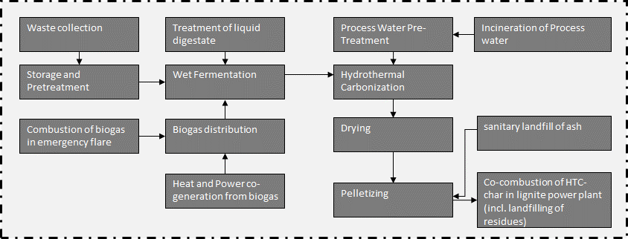
 |  |  |  | Collection to treatment plant (=40 km)
 |  |  |  | Collected waste transported to treatment plant
...
 |  |  |  | Description
 |  |  |  | Collected waste transported to treatment plant
 |  |  |  | Wheel loader to move waste
 |  |  |  | Diesel demand of wheel loader, measured
 |  |  |  | Share of impurites (asssumed as municipal solid waste, external incineration in MSWI), measured
 |  |  |  | Wood for biofilter
 | 7.2592105263 | [kg] | lognormal: gmean=7.25921 gsigma=1.23660 | Sulfuric acid for acidic scrubber
 | em_NH3 | [g] | (Uncertainty inherited from dependent parameters) | NH3 emissions
 | 1.0*(1-share_impurities) | [t] | (Uncertainty inherited from dependent parameters) | Share of waste for further treatent
 | em_N2O | [g] | (Uncertainty inherited from dependent parameters) | N2O emissions
 | em_CH4 | [g] | (Uncertainty inherited from dependent parameters) | CH4 emissions
 | em_NMVOC | [g] | (Uncertainty inherited from dependent parameters) | NMVOC emissions
 | 0.95 | [] | triangular: min=0.49 mode=0.95 max=1.01 | Inverse efficiency of biofilter for CH4
 | 1.12 | [] | triangular: min=0.71 mode=1.12 max=4.11 | Inverse efficiency of biofilter for N2O
 | 0.72 | [] | triangular: min=0.13 mode=0.72 max=1.0 | Inverse efficiency of biofilter for NH3
 | 0.1 | [] | triangular: min=0.0mode=0.10 max=0.30 | Inverse efficiency of biofilter for NMVOC | Energy and mass flows (dashed line is system boundary)
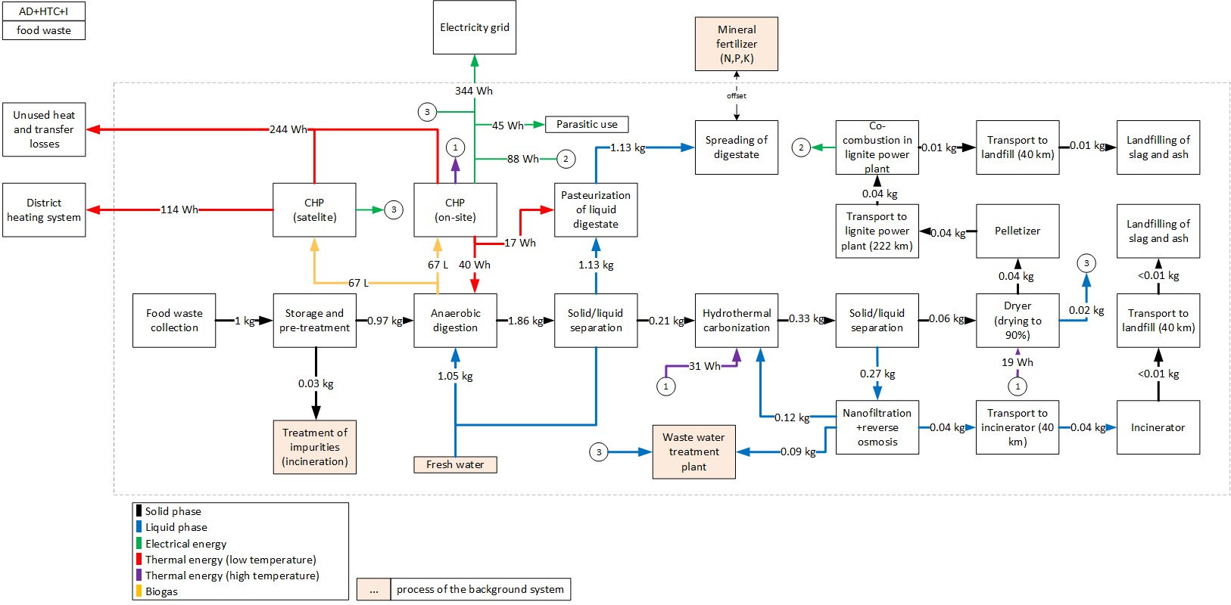
 | 140 | g/t FM | triangular: min=20.0 mode=140.0 max=244.0 | CH4 emissions, before air treatment
 | 0.52 | [] | lognormal: gmean=0.52 gsigma=1.08 | Inverse efficiency of acidic scrubber
 | 43 | [MJ/kg] | (none) | Heating value of diesel
 | 10 | [a] | triangular: min=5.0 mode=10.0 max=15.0 | Lifetime of wheel loader
 | 6 | [g/t FM] | triangular: min=1.70 mode=6.0 max=14.0 | N2O emissions, before air treatment
 | 6.5 | [g/t FM] | triangular: min=2.90 mode=6.50 max=13.0 | NH3 emissions, before air treatment
 | 86 | [g/t FM] | triangular: min=34.0 mode=86.0 max=150.0 | NMVOC emissions, before air treatment
 | 0.032582229 | [] | lognormal: gmean=0.0325822 gsigma=1.10 | Share of impurites (same amount is assumed as in OFMSW)
 | 10000 | [t/a] | (none) | Referenced throughput
 | 1.0/lifetime_truck /throughput | [Item(s)] |  | Demand in wheel loaders
 | (3.77*0.25)/(1.55*0.377) | [] |  | Emission data stems from biowaste, correction of N-species by nitrogen content in foodwaste in comparison to OFMSW
 | BF_CH4*CH4 | [g] |  | CH4-emissions after biofilter
 | BF_N2O*N2O*corr_factor_N | [g] |  | N2O-emissions after biofilter
 | BF_NH3*NH3 *Filter_SW *corr_faktor_N | [g] |  | NH3-emissions after biofilter
 | BF_NMVOC*NMVOC | [g] |  | NMVOC-emissions after biofilter
 | 1-share_impurities | [t] |  | Amount of substrate after removing impurities
...
 | Quantitiy/Formula | Unit | Uncertainty | Description
 | pcs_AD | [Item(s)] | (Uncertainty inherited from dependent parameters) | Demand in anaerobic digestion plants
 | mass_in | [kg] | (none) | Reference unit
 | iron_ii_chloride | [kg] | lognormal: gmean=0.00031 gsigma=1.12945 | Demand in Iron(ii) cloride for desulphurization
 | water*0.5 | [kg] | (Uncertainty inherited from dependent parameters) | Added water to achieve required DM content
 | 1.16754 | [kg] | (none) | Liquid digestate (after solid-liquid separation)
 | BG | [m3] | (Uncertainty inherited from dependent parameters) | Amount of prouduced biogas
 | NH3_em | [kg] | (Uncertainty inherited from dependent parameters) | Emissions of NH3
 | m_digestate-1.16754 | [kg] | (none) | Treatment of digestate for further energetic utilization
 | 17*corr_factor_N/1000/1000 | [kg] | lognormal: gmean=2.74E-05 gsigma=1.243 | Accounts for emissions for the separation of digestate
 | -el_cons | [kWh] | (Uncertainty inherited from dependent parameters) | Electricity consumption of the AD-plant (including pumps and separation of digestate and parasitic energy of CHP plant)
 | -heat_cons | [kWh] | (Uncertainty inherited from dependent parameters) | Heat demand for heating up substrate and maintaining the temperature in the reactor
 | H2S_em | [kg] | (Uncertainty inherited from dependent parameters) | Emissions of H2S
 | CH4_em | [kg] | (Uncertainty inherited from dependent parameters) | Emissions of CH4 | Parasitic electricity demands
 | 0.13946 | [m³/kg] | triangular: min=0.118000 mode=0.139460 max=0.157800 | Specific dry biogas production for 1 kg food waste | HTC | 4.2 | Wh/kg FM
 | 0.64 | [] | triangular: min=0.610000 mode=0.64 max=0.730000 | Methane content in biogas | Drying | 1.2 | Wh/kg FM
 | 0.25 | [] | (none) | Dry mass of OFMSW before mixing | Pelletizing | 4.1 | Wh/kg FM
 | 0.37 | [] | triangular: min=0.370000 mode=0.370000 max=0.400000 | Electric efficiency of CHP plant | Process water treatment (HTC) | 1.6 | Wh/kg FM
 | 0.083 | [] | triangular: min=0.0200000 mode=0.0830000 max=0.100000 | Specific electricity demand of AD-plant (including pumps and separation of digestate and parasitic energy demand of CHP plant), given as share of produced electricity | Wet fermentation | 25.5 | Wh/kg FM
 | 14.79 | [g/g] | (none) | Specific demand in Iron (II) chloride to eliminate H2S | Co-combustion plant | 8.8 | Wh/kg FM
 | 0.0879 | [] | (none) | Specific heat demand of AD-plant, given as share of produced heat in CHP plant
...
Heat distribution
Output CHP, on-site, high temperature heat | 21%
Output CHP, on-site, low temperature heat | 29%
Output CHP, satelite | 50%
heat demand digester | -9%
heat demand pasteurization | -4%
head demand dryer | -4%
heat demand HTC | -7%
exported heat to residential buildings | -25%
unused heat, total | -52%

heat distribution in system

2110-FW_AD_HTC_G
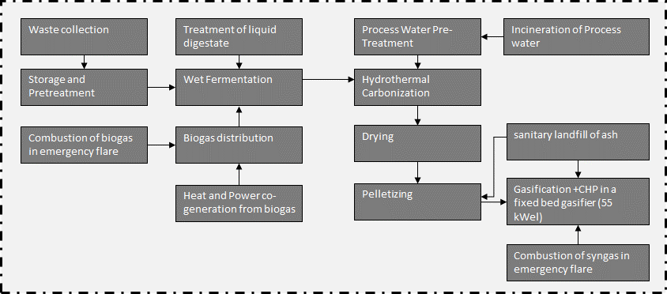
 | Check heat balance
 |  |  |  |  |  | Model graph (as given in openLCA): connection of forgeround processes
 | Flow/Parameter | Quantitiy/Formula | Unit | Uncertainty | Description
 | municipal waste collection service (ecoinvent process) | 5 | [kg*km] | lognormal: gmean=5 gsigma=1.24 | Waste collection
 | transport, freight, lorry, unspecified (ecoinvent process) | 40 | [kg*km] | lognormal: gmean=40 gsigma=1.21 | Collection to treatment plant (=40 km)
 | Waste collected | 1 | kg | (none) | Collected waste transported to treatment plant
...
 | Flow/Parameter | Quantitiy/Formula | Unit | Uncertainty | Description
 | Waste collected | 1 | t | (none) | Collected waste transported to treatment plant
 | building machine (ecoinvent process) | bm | [Item(s)] | (Uncertainty inherited from dependent parameters) | Wheel loader to move waste
 | diesel, burned in building machine (ecoinvent process) | LHV_diesel*0.34 | [MJ] | lognormal: gmean=14.6200 gsigma=1.20286 | Diesel demand of wheel loader, measured
 | treatment of municipal solid waste, incineration (ecoinvent process) | -share_impurities | [t] | lognormal: gmean=-0.0325822 gsigma=1.15570 | Share of impurites (asssumed as municipal solid waste, external incineration in MSWI), measured
 | residual softwood, wet (ecoinvent process) | 0.026666666667 | [m3] | lognormal: gmean=0.0266667 gsigma=1.23660 | Wood for biofilter
 | sulfuric acid (ecoinvent process) | 7.2592105263 | [kg] | lognormal: gmean=7.25921 gsigma=1.23660 | Sulfuric acid for acidic scrubber
 | Ammonia | em_NH3 | [g] | (Uncertainty inherited from dependent parameters) | NH3 emissions
 | food waste at fermenter | 1.0*(1-share_impurities) | [t] | (Uncertainty inherited from dependent parameters) | Share of waste for further treatent
 | Dinitrogen monoxide | em_N2O | [g] | (Uncertainty inherited from dependent parameters) | N2O emissions
 | Methane, non-fossil | em_CH4 | [g] | (Uncertainty inherited from dependent parameters) | CH4 emissions
 | NMVOC, non-methane volatile organic compounds, unspecified origin | em_NMVOC | [g] | (Uncertainty inherited from dependent parameters) | NMVOC emissions
 | BF_CH4 | 0.95 | [] | triangular: min=0.49 mode=0.95 max=1.01 | Inverse efficiency of biofilter for CH4
 | BF_N2O | 1.12 | [] | triangular: min=0.71 mode=1.12 max=4.11 | Inverse efficiency of biofilter for N2O
 | BF_NH3 | 0.72 | [] | triangular: min=0.13 mode=0.72 max=1.0 | Inverse efficiency of biofilter for NH3 | Energy and mass flows (dashed line is system boundary)
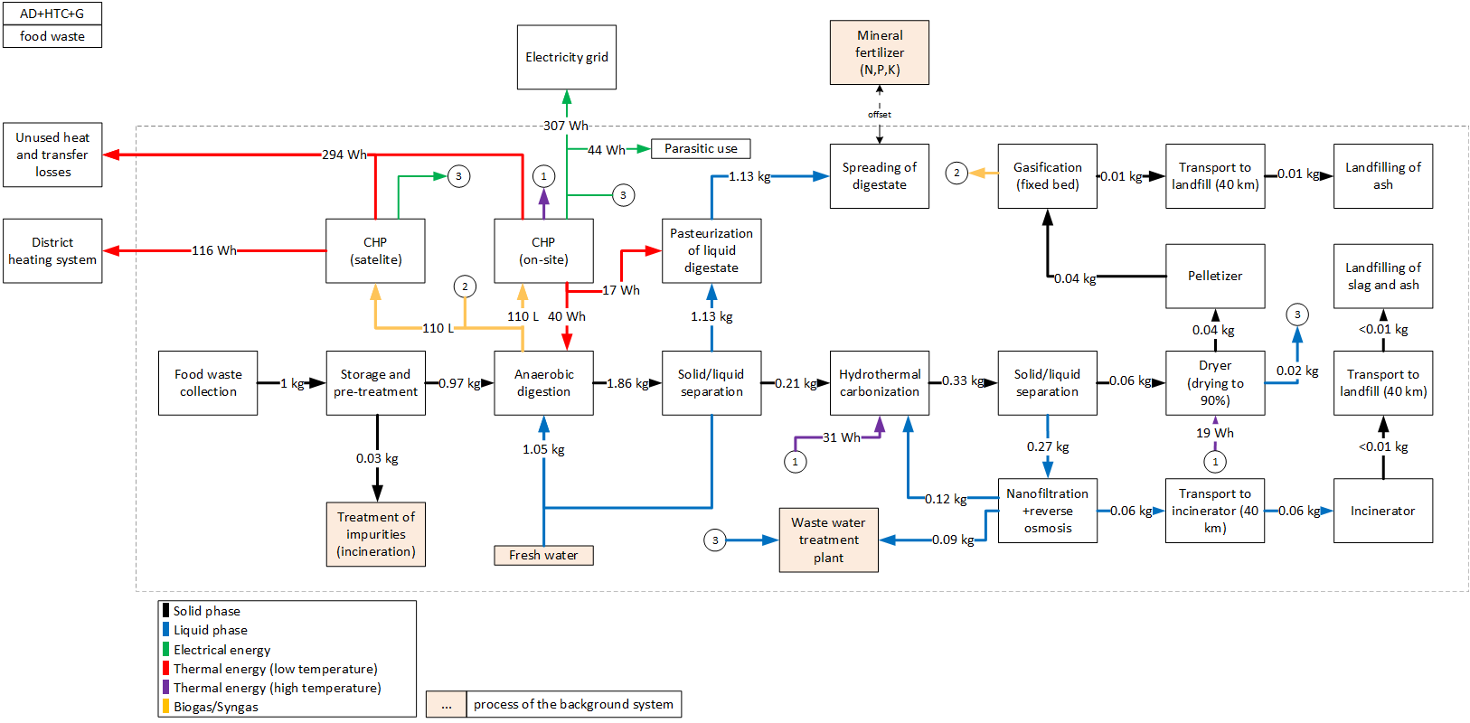
 | BF_NMVOC | 0.1 | [] | triangular: min=0.0mode=0.10 max=0.30 | Inverse efficiency of biofilter for NMVOC
 | CH4 | 140 | g/t FM | triangular: min=20.0 mode=140.0 max=244.0 | CH4 emissions, before air treatment
 | Filter_SW | 0.52 | [] | lognormal: gmean=0.52 gsigma=1.08 | Inverse efficiency of acidic scrubber
 | LHV_diesel | 43 | [MJ/kg] | (none) | Heating value of diesel
 | lifetime_truck | 10 | [a] | triangular: min=5.0 mode=10.0 max=15.0 | Lifetime of wheel loader
 | N2O | 6 | [g/t FM] | triangular: min=1.70 mode=6.0 max=14.0 | N2O emissions, before air treatment
 | NH3 | 6.5 | [g/t FM] | triangular: min=2.90 mode=6.50 max=13.0 | NH3 emissions, before air treatment
 | NMVOC | 86 | [g/t FM] | triangular: min=34.0 mode=86.0 max=150.0 | NMVOC emissions, before air treatment
 | share_impurities | 0.032582229 | [] | lognormal: gmean=0.0325822 gsigma=1.10 | Share of impurites (same amount is assumed as in OFMSW)
 | throughput | 10000 | [t/a] | (none) | Referenced throughput
 | bm | 1.0/lifetime_truck /throughput | [Item(s)] |  | Demand in wheel loaders
 | corr_factor_N | (3.77*0.25)/(1.55*0.377) | [] |  | Emission data stems from biowaste, correction of N-species by nitrogen content in foodwaste in comparison to OFMSW
 | em_CH4 | BF_CH4*CH4 | [g] |  | CH4-emissions after biofilter
 | em_N2O | BF_N2O*N2O*corr_factor_N | [g] |  | N2O-emissions after biofilter
 | em_NH3 | BF_NH3*NH3 *Filter_SW *corr_faktor_N | [g] |  | NH3-emissions after biofilter
 | em_NMVOC | BF_NMVOC*NMVOC | [g] |  | NMVOC-emissions after biofilter
 | share_substrate | 1-share_impurities | [t] |  | Amount of substrate after removing impurities
...
 | Flow/Parameter | Quantitiy/Formula | Unit | Uncertainty | Description
 | anaerobic digestion plant, for biowaste (ecoinvent process) | pcs_AD | [Item(s)] | (Uncertainty inherited from dependent parameters) | Demand in anaerobic digestion plants
 | food waste at fermenter | mass_in | [kg] | (none) | Reference unit
 | iron(II) chloride (ecoinvent process) | iron_ii_chloride | [kg] | lognormal: gmean=0.00031 gsigma=1.12945 | Demand in Iron(ii) cloride for desulphurization
 | tap water (ecoinvent process) | water*0.5 | [kg] | (Uncertainty inherited from dependent parameters) | Added water to achieve required DM content
 | liquid digestate treated (4% DM) | 1.16754 | [kg] | (none) | Liquid digestate (after solid-liquid separation) | Parasitic electricity demands
 | Biogas, from food waste | BG | [m3] | (Uncertainty inherited from dependent parameters) | Amount of prouduced biogas | HTC | 4.2 | Wh/kg FM
 | Ammonia | NH3_em | [kg] | (Uncertainty inherited from dependent parameters) | Emissions of NH3 | Drying | 1.2 | Wh/kg FM
 | solid digestate treated | m_digestate-1.16754 | [kg] | (none) | Treatment of digestate for further energetic utilization | Pelletizing | 4.1 | Wh/kg FM
 | Dinitrogen monoxide | 17*corr_factor_N/1000/1000 | [kg] | lognormal: gmean=2.74E-05 gsigma=1.243 | Accounts for emissions for the separation of digestate | Process water treatment (HTC) | 1.6 | Wh/kg FM
 | electricity, produced on-site | -el_cons | [kWh] | (Uncertainty inherited from dependent parameters) | Electricity consumption of the AD-plant (including pumps and separation of digestate and parasitic energy of CHP plant) | Wet fermentation | 25.5 | Wh/kg FM
 | heat, produced on-site | -heat_cons | [kWh] | (Uncertainty inherited from dependent parameters) | Heat demand for heating up substrate and maintaining the temperature in the reactor | Gasification | 7.4 | Wh/kg FM
 | Hydrogen sulfide | H2S_em | [kg] | (Uncertainty inherited from dependent parameters) | Emissions of H2S
...
Heat distribution
Output CHP, on-site, high temperature heat |  | 20%
Output CHP, on-site, low temperature heat |  | 30%
Output CHP, satellite |  | 50%
heat demand digester |  | -8%
heat demand pasteurization |  | -3%
head demand dryer |  | -4%
heat demand HTC |  | -6%
exported heat to residential buildings |  | -22%
unused heat, total |  | -57%

heat distribution in system

2111-FW_HTC_G
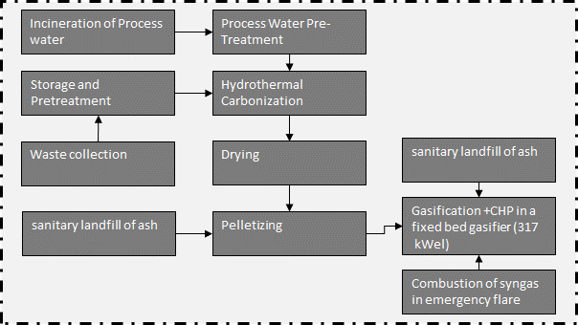
 |  |  |  |  |  | Model graph (as given in openLCA): connection of forgeround processes
 | Flow/Parameter | Quantitiy/Formula | Unit | Uncertainty | Description
 | municipal waste collection service (ecoinvent process) | 5 | [kg*km] | lognormal: gmean=5 gsigma=1.24 | Waste collection
 | transport, freight, lorry, unspecified (ecoinvent process) | 40 | [kg*km] | lognormal: gmean=40 gsigma=1.21 | Collection to treatment plant (=40 km)
 | Waste collected | 1 | kg | (none) | Collected waste transported to treatment plant
...
 | Flow/Parameter | Quantitiy/Formula | Unit | Uncertainty | Description
 | Waste collected | 1 | t | (none) | Collected waste transported to treatment plant
 | building machine (ecoinvent process) | bm | [Item(s)] | (Uncertainty inherited from dependent parameters) | Wheel loader to move waste
 | diesel, burned in building machine (ecoinvent process) | LHV_diesel*0.34 | [MJ] | lognormal: gmean=14.6200 gsigma=1.20286 | Diesel demand of wheel loader, measured
 | treatment of municipal solid waste, incineration (ecoinvent process) | -share_impurities | [t] | lognormal: gmean=-0.0325822 gsigma=1.15570 | Share of impurites (asssumed as municipal solid waste, external incineration in MSWI), measured
 | residual softwood, wet (ecoinvent process) | 0.026666666667 | [m3] | lognormal: gmean=0.0266667 gsigma=1.23660 | Wood for biofilter
 | sulfuric acid (ecoinvent process) | 7.2592105263 | [kg] | lognormal: gmean=7.25921 gsigma=1.23660 | Sulfuric acid for acidic scrubber
 | Ammonia | em_NH3 | [g] | (Uncertainty inherited from dependent parameters) | NH3 emissions
 | food waste at HTC plant | 1.0*(1-share_impurities) | [t] | (Uncertainty inherited from dependent parameters) | Share of waste for further treatent
 | Dinitrogen monoxide | em_N2O | [g] | (Uncertainty inherited from dependent parameters) | N2O emissions
 | Methane, non-fossil | em_CH4 | [g] | (Uncertainty inherited from dependent parameters) | CH4 emissions
 | NMVOC, non-methane volatile organic compounds, unspecified origin | em_NMVOC | [g] | (Uncertainty inherited from dependent parameters) | NMVOC emissions
 | BF_CH4 | 0.95 | [] | triangular: min=0.49 mode=0.95 max=1.01 | Inverse efficiency of biofilter for CH4
 | BF_N2O | 1.12 | [] | triangular: min=0.71 mode=1.12 max=4.11 | Inverse efficiency of biofilter for N2O | Energy and mass flows (dashed line is system boundary)
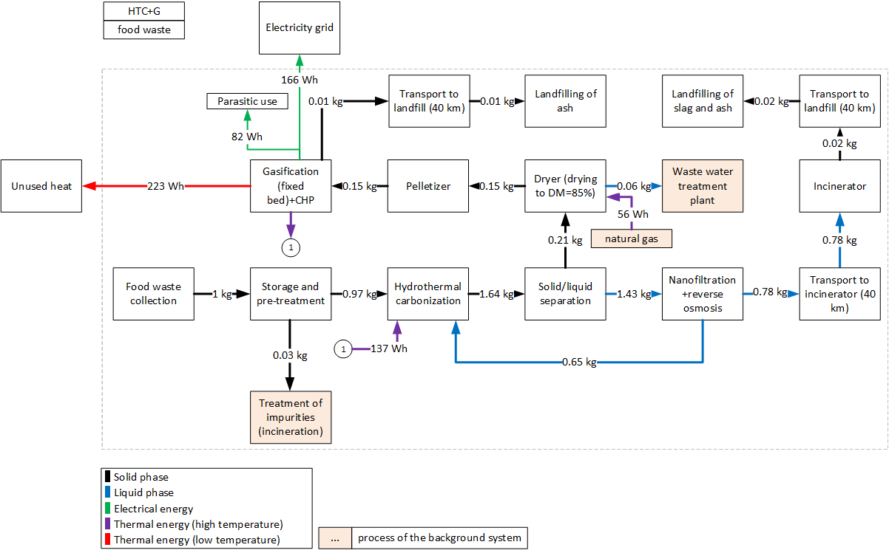
 | BF_NH3 | 0.72 | [] | triangular: min=0.13 mode=0.72 max=1.0 | Inverse efficiency of biofilter for NH3
 | BF_NMVOC | 0.1 | [] | triangular: min=0.0mode=0.10 max=0.30 | Inverse efficiency of biofilter for NMVOC
 | CH4 | 140 | g/t FM | triangular: min=20.0 mode=140.0 max=244.0 | CH4 emissions, before air treatment
 | Filter_SW | 0.52 | [] | lognormal: gmean=0.52 gsigma=1.08 | Inverse efficiency of acidic scrubber
 | LHV_diesel | 43 | [MJ/kg] | (none) | Heating value of diesel
 | lifetime_truck | 10 | [a] | triangular: min=5.0 mode=10.0 max=15.0 | Lifetime of wheel loader
 | N2O | 6 | [g/t FM] | triangular: min=1.70 mode=6.0 max=14.0 | N2O emissions, before air treatment
 | NH3 | 6.5 | [g/t FM] | triangular: min=2.90 mode=6.50 max=13.0 | NH3 emissions, before air treatment
 | NMVOC | 86 | [g/t FM] | triangular: min=34.0 mode=86.0 max=150.0 | NMVOC emissions, before air treatment
 | share_impurities | 0.032582229 | [] | lognormal: gmean=0.0325822 gsigma=1.10 | Share of impurites (same amount is assumed as in OFMSW)
 | throughput | 10000 | [t/a] | (none) | Referenced throughput
 | bm | 1.0/lifetime_truck /throughput | [Item(s)] |  | Demand in wheel loaders
 | corr_factor_N | (3.77*0.25)/(1.55*0.377) | [] |  | Emission data stems from biowaste, correction of N-species by nitrogen content in foodwaste in comparison to OFMSW
 | em_CH4 | BF_CH4*CH4 | [g] |  | CH4-emissions after biofilter
 | em_N2O | BF_N2O*N2O*corr_factor_N | [g] |  | N2O-emissions after biofilter
 | em_NH3 | BF_NH3*NH3 *Filter_SW *corr_faktor_N | [g] |  | NH3-emissions after biofilter
 | em_NMVOC | BF_NMVOC*NMVOC | [g] |  | NMVOC-emissions after biofilter
 | share_substrate | 1-share_impurities | [t] |  | Amount of substrate after removing impurities
...
 | Flow/Parameter | Quantitiy/Formula | Unit | Uncertainty | Description
 | food waste at HTC plant | 1 | [kg] | (none) | Amount of OFMSW to the reactor, reference unit
 | heat, district or industrial, natural gas (ecoinvent process) | heat/0.9 | [kWh] | (Uncertainty inherited from dependent parameters) | Heat demand of HTC-reactor, 90% efficiency of heater
 | HTC plant (2 reactors) | HTC_plant_pcs | [Item(s)] | (Uncertainty inherited from dependent parameters) | Number of HTC-plants, based on Owsianiak et al. (2016)
 | HTC plant, disposed (2 reactors) | HTC_plant_pcs | [Item(s)] | (Uncertainty inherited from dependent parameters) | Number of HTC-plants (EoL), based on Owsianiak et al. (2016) | Parasitic electricity demands
 | HTC process water, treated | water_out_no_recy | [kg] | (Uncertainty inherited from dependent parameters) | Amount of process water, which needs to be treated | HTC | 19.1 | Wh/kg FM
 | tap water (ecoinvent process) | 0 | [kg] | (none) | Amount of added water | Drying | 3.7 | Wh/kg FM
 | Carbon dioxide, biogenic | CO2 | [g] | (Uncertainty inherited from dependent parameters) | Emissions of CO2 | Pelletizing | 14.1 | Wh/kg FM
 | Carbon monoxide, biogenic | CO | [g] | (Uncertainty inherited from dependent parameters) | Emissions of CO | Process water treatment (HTC) | 8.2 | Wh/kg FM
 | electricity produced in system | -el | [kWh] | (Uncertainty inherited from dependent parameters) | Electricity demand for HTC reactor+infrastructure | Gasification | 37.2 | Wh/kg FM
 | hydrochar, raw | mass_out | [kg] | (Uncertainty inherited from dependent parameters) | Amount of hydrochar
 | Methane, biogenic | CH4 | [g] | (Uncertainty inherited from dependent parameters) | Emissions of CH4
...
Combustion of syngas in emergency flare (biogas-emergency flare as proxy)
Emission | Particulates, < 2.5 um | 8.49E-07 | [kg] | lognormal: gmean=8.49000E-07 gsigma=1.22959 | PM-emissions to air
Emission | Sulfur dioxide | 9.21E-08 | [kg] | lognormal: gmean=9.21100E-08 gsigma=1.22959 | SO2-emissions to air

Heat distribution
Output CHP, on-site, high temperature heat |  | 34%
Output CHP, on-site, low temperature heat |  | 52%
support fuel |  | 13%
heat demand dryer |  | -13%
heat demand HTC |  | -33%
unused heat, total |  | -54%
heat distribution in system
 | Output CHP, on-site, high temperature heat | Output CHP, on-site, low temperature heat | support fuel | heat demand dryer | heat demand HTC | unused heat, total | Output CHP, on-site, high temperature heat | Output CHP, on-site, low temperature heat | Output CHP, satelite | heat demand digester | heat demand pasteurization | head demand dryer
 | 34% | 52% | 13% | -13% | -33% | -54% | 21% | 29% | 50% | -9% | -4% | -4%

221-OFMSW_I
 |  |  |  |  |  | Model graph (as given in openLCA): connection of forgeround processes
 |  |  |  | Uncertainty | Description
 |  |  |  | lognormal: gmean=1.36 gsigma=1.24 | Waste collection, source segregation not required (calculated according to share of OFMSW in MSWI)
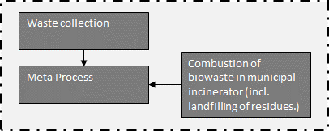
 |  |  |  | lognormal: gmean=40 gsigma=1.21 | Collection to treatment plant (=40 km)
 |  |  |  | (none) | Collected waste transported to treatment plant
...
 |  | Quantitiy/Formula | Unit | Uncertainty | Description
 |  | 1 | t | (none) | Collected waste transported to treatment plant
 |  | 1-share_impurities | [kg] | (Uncertainty inherited from dependent parameters) | Amount of OFMSW which is combusted
 |  | -share_impurities | [kg] | lognormal: gmean=-0.0325822 gsigma=1.15570 | Amount of impurities which are combusted
 |  | 1 | [kg] | (none) | Total amount of biowaste, reference unit
 |  | 0.032582229 | [] | lognormal: gmean=-0.0325822 gsigma=1.15570 | Share of impurities in OFMSW
...
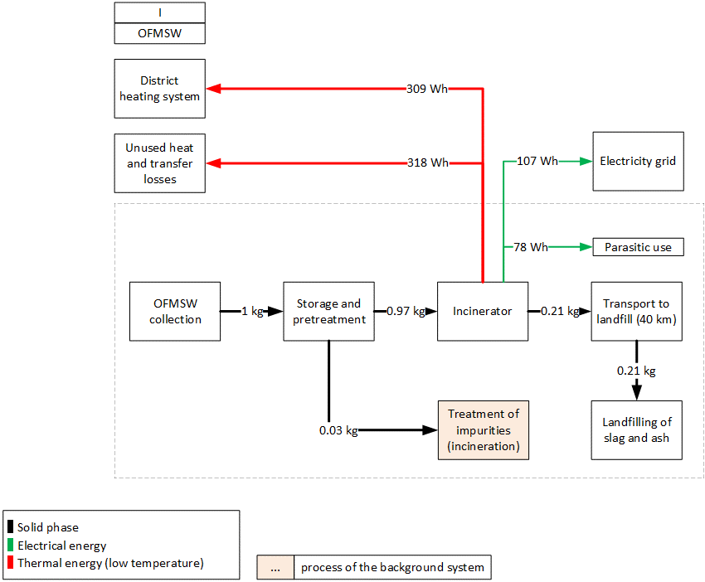
 |  | Quantitiy/Formula | Unit | Uncertainty | Description | Energy and mass flows (dashed line is system boundary)
 |  | 0.000798022 | [kg] | lognormal: gmean=0.000798022 gsigma=2.65304 | Input to DeNOx stage (100% NH3).
 |  | 1.71963E-07 | [kg] | lognormal: gmean=1.71963E-07 gsigma=3.99802 | Auxilliary input for mercury removal in filter ash treatment (FLUWA).
 |  | 0.005497611 | [kg] | lognormal: gmean=0.00549761 gsigma=1.22039 | Cement required for solidification of landfilled residual material.
 |  | 1.02037E-06 | [kg] | lognormal: gmean=1.02037E-06 gsigma=3.19571 | Input to DeNOx stage. Active component in SCR catalyst (vanadium pentoxide, V2O5), here approximated with the available chromium trioxide.
 |  | 0.149229741 | [MJ] | lognormal: gmean=0.149230 gsigma=2.65304 | Input to DeNOx stage, to heat up flue gas in low-dust SCR.
 |  | 0.0003959 | [kg] | lognormal: gmean=0.000395900 gsigma=1.22652 | Auxilliary inputs for the wastewater treatment stage of the incinerator plant.
 |  | 0.000975442 | [kg] | lognormal: gmean=0.000975442 gsigma=1.23435 | Auxilliary oxidising agent for filter ash treatment (FLUWA).
 |  | 7.68383E-07 | [kg] | lognormal: gmean=7.68383E-07 gsigma=2.20053 | Auxilliary inputs for the wastewater treatment stage of the incinerator plant.
 |  | 2.5E-10 | [Item(s)] | lognormal: gmean=2.50000E-10 gsigma=1.00000 | Amounts of municipal waste incineration plants
 |  | 0.027402135 | [kg] | lognormal: gmean=0.0274021 gsigma=1.19110 | Mass-specific expenditures required for landfilling of incineration residues.
 |  | 0.186959284 | [kg] | lognormal: gmean=0.186959 gsigma=1.22995 | Mass-specific expenditures required for landfilling of bottom ash.
 |  | 0.000605675 | [kg] | lognormal: gmean=0.000605675 gsigma=2.76643 | Auxilliary inputs for the flue gas treatment stage of the incinerator plant.
 |  | 5.70878E-11 | [Item(s)] | lognormal: gmean=5.70878E-11 gsigma=1.19110 | Landfill infrastructure required for landfilling of incineration residues.
 |  | 3.32372E-10 | [Item(s)] | lognormal: gmean=3.32372E-10 gsigma=1.22995 | Landfill infrastructure required for landfilling of bottom ash.
 |  | 0.000706603 | [kg] | lognormal: gmean=0.000706603 gsigma=1.44701 | Auxilliary inputs for the flue gas treatment stage of the incinerator plant, and partially in the filter ash treatment (FLUWA).
 |  | 4.99981E-05 | [kg] | lognormal: gmean=4.99981E-05 gsigma=3.19571 | Input to DeNOx stage (TiO2 catalyst carrier)
 |  | 0.008336343 | [t*km] | lognormal: gmean=0.00833634 gsigma=1.20518 | Transport services to transport incineration residues to landfills and filter ash to external treatments (FLUWA).
 |  | 0.570539886 | [kg] | lognormal: gmean=0.570540 gsigma=2.20053 | Incinerator process water used in flue gas scrubber stage.
 |  | 1.18646E-09 | [kg] | lognormal: gmean=1.18646E-09 gsigma=2.28000 | Emission to air from waste composition and transfer coefficients.
 |  | 0.001165879 | [kg] | lognormal: gmean=0.00116588 gsigma=2.09289 | Long-term emissions from landfilling of incineration residues.
 |  | 1.79002E-07 | [kg] | lognormal: gmean=1.79002E-07 gsigma=2.68189 | Emissions to water from waste composition and transfer coefficients in incinerator and landfills.
 |  | 9.38272E-07 | [kg] | lognormal: gmean=9.38272E-07 gsigma=2.73809 | Nitrogen species emitted to air after DeNOx stage.
 |  | 8.40407E-10 | [kg] | lognormal: gmean=8.40407E-10 gsigma=1.07635 | Long-term emissions from landfilling of incineration residues.
 |  | 4.57837E-10 | [kg] | lognormal: gmean=4.57837E-10 gsigma=1.18761 | Emissions to water from waste composition and transfer coefficients in incinerator and landfills.
 |  | 7.23519E-09 | [kg] | lognormal: gmean=7.23519E-09 gsigma=3.53000 | Emission to air from waste composition and transfer coefficients.
 |  | 5.63106E-07 | [kg] | lognormal: gmean=5.63106E-07 gsigma=3.51533 | Long-term emissions from landfilling of incineration residues.
 |  | 3.96314E-07 | [kg] | lognormal: gmean=3.96314E-07 gsigma=3.34736 | Emissions to water from waste composition and transfer coefficients in incinerator and landfills.
 |  | 4.16909E-08 | [kg] | lognormal: gmean=4.16909E-08 gsigma=1.33658 | Incomplete combustion product emitted to air.
 |  | 8.71734E-11 | [kg] | lognormal: gmean=8.71734E-11 gsigma=1.33658 | Incomplete combustion product emitted to air.
 |  | 2.20267E-10 | [kg] | lognormal: gmean=2.20267E-10 gsigma=1.33658 | Incomplete combustion product emitted to air.
 |  | 9.27755E-13 | [kg] | lognormal: gmean=9.27755E-13 gsigma=1.89021 | Incomplete combustion product emitted to air.
 |  | 1 | [kg] | (none) | Reference unit
 |  | 0.000349536 | [kg] | lognormal: gmean=0.000349536 gsigma=1.31342 | Long-term emissions from landfilling of incineration residues. | Parasitic electricity demands
 |  | 0.000107279 | [kg] | lognormal: gmean=0.000107279 gsigma=1.33029 | Emissions to water from waste composition and transfer coefficients in incinerator and landfills. | Incinerator | 78.0 | Wh/kg FM
 |  | 1.0761E-10 | [kg] | lognormal: gmean=1.07610E-10 gsigma=3.82000 | Emission to air from waste composition and transfer coefficients.
 |  | 3.38562E-08 | [kg] | lognormal: gmean=3.38562E-08 gsigma=11.0705 | Long-term emissions from landfilling of incineration residues.
 |  | 3.75375E-11 | [kg] | lognormal: gmean=3.75375E-11 gsigma=3.62378 | Emissions to water from waste composition and transfer coefficients in incinerator and landfills.
 |  | 0.000161173 | [kg] | lognormal: gmean=0.000161173 gsigma=1.72000 | Emission to air from waste composition and transfer coefficients.
 |  | 0.017377002 | [kg] | lognormal: gmean=0.0173770 gsigma=1.67596 | Long-term emissions from landfilling of incineration residues.
 |  | 0.000368082 | [kg] | lognormal: gmean=0.000368082 gsigma=1.43473 | Emissions to water from waste composition and transfer coefficients in incinerator and landfills.
 |  | 0.525448576 | [kg] | lognormal: gmean=0.525449 gsigma=1.35043 | Emission to air from waste composition and transfer coefficients.
...
Combustion of biowaste in municipal waste incinerator (incl. landfilling of residues)
Emission | Zinc | 4.321E-08 | [kg] | lognormal: gmean=4.32100E-08 gsigma=2.78000 | Emission to air from waste composition and transfer coefficients.
Emission | Zinc, ion | 2.89502E-05 | [kg] | lognormal: gmean=2.89502E-05 gsigma=3.88117 | Long-term emissions from landfilling of incineration residues.
Emission | Zinc, ion | 3.94307E-09 | [kg] | lognormal: gmean=3.94307E-09 gsigma=2.52962 | Emissions to water from waste composition and transfer coefficients in incinerator and landfills.

Heat distribution
Output incinerator |  |  | 100%
exported heat to residential buildings |  |  | -49%
unused heat/heat losses in district heating sytem, total |  |  | -51%

heat distribution in system

222-OFMSW_AD_comp
 |  |  |  |  | Model graph (as given in openLCA): connection of forgeround processes
 |  | Unit | Uncertainty | Description
 |  | [kg*km] | lognormal: gmean=5 gsigma=1.24 | Waste collection
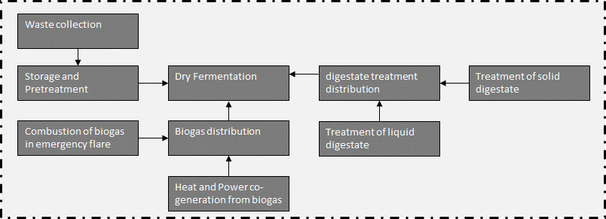
 |  | [kg*km] | lognormal: gmean=40 gsigma=1.21 | Collection to treatment plant (=40 km)
 |  | kg | (none) | Collected waste transported to treatment plant
...
 |  | Unit | Uncertainty | Description
 |  | t | (none) | Collected waste transported to treatment plant
 |  | [Item(s)] | (Uncertainty inherited from dependent parameters) | Wheel loader to move waste
 |  | [MJ] | lognormal: gmean=14.6200 gsigma=1.20286 | Diesel demand of wheel loader, measured
 |  | [t] | lognormal: gmean=-0.0325822 gsigma=1.15570 | Share of impurites (asssumed as municipal solid waste, external incineration in MSWI), measured
 | 0.026666666667 | [m3] | lognormal: gmean=0.0266667 gsigma=1.23660 | Wood for biofilter
 | 7.2592105263 | [kg] | lognormal: gmean=7.25921 gsigma=1.23660 | Sulfuric acid for acidic scrubber
 | em_NH3 | [g] | (Uncertainty inherited from dependent parameters) | NH3 emissions
 | share_substrate | [t] | (Uncertainty inherited from dependent parameters) | Share of waste for further treatment
 | em_N2O | [g] | (Uncertainty inherited from dependent parameters) | N2O emissions
 | em_CH4 | [g] | (Uncertainty inherited from dependent parameters) | CH4 emissions
 | em_NMVOC | [g] | (Uncertainty inherited from dependent parameters) | NMVOC emissions
 | 0.95 | [] | triangular: min=0.49 mode=0.95 max=1.01 | Inverse efficiency of biofilter for CH4
 | 1.12 | [] | triangular: min=0.71 mode=1.12 max=4.11 | Inverse efficiency of biofilter for N2O
 | 0.72 | [] | triangular: min=0.13 mode=0.72 max=1.0 | Inverse efficiency of biofilter for NH3 | Energy and mass flows (dashed line is system boundary)
 | 0.1 | [] | triangular: min=0.0 mode=0.10 max=0.30 | Inverse efficiency of biofilter for NMVOC | 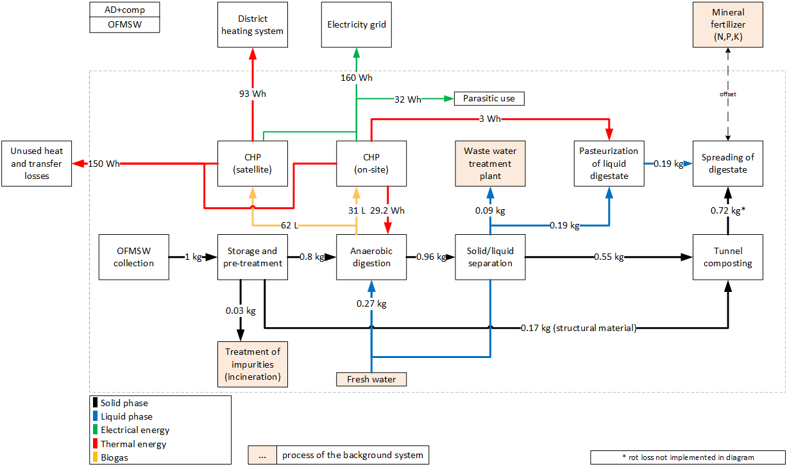
 | 140 | [g/t FM] | triangular: min=20.0 mode=140.0 max=244.0 | CH4 emissions, before air treatment
 | 0.52 | [] | lognormal: gmean=0.52 gsigma=1.08 | Inverse efficiency of acidic scrubber
 | 43 | [MJ/kg] | (none) | Heating value of diesel
 | 10 | [a] | triangular: min=5.0 mode=10.0 max=15.0 | Lifetime of wheel loader
 | 6 | [g/t FM] | triangular: min=1.70 mode=6.0 max=14.0 | N2O emissions, before air treatment
 | 6.5 | [g/t FM] | triangular: min=2.90 mode=6.50 max=13.0 | NH3 emissions, before air treatment
 | 86 | [g/t FM] | triangular: min=34.0 mode=86.0 max=150.0 | NMVOC emissions, before air treatment
 | 0.032582229 | [] | lognormal: gmean=0.0325822 gsigma=1.10 | Share of impurites (measured)
 | 40000 | [t/a] | (none) | Referenced throughput
 | 1.0/lifetime_truck /throughput | [Item(s)] |  | Demand in wheel loaders
...
Heat distribution
Output CHP, on-site | 33%
Output CHP, satelite | 67%
heat demand digester | -11%
heat demand pasteurization | -1%
exported heat to residential buildings | -34%
unused heat/heat losses in district heating sytem, total | -54%

heat distribution in system

223-OFMSW_G
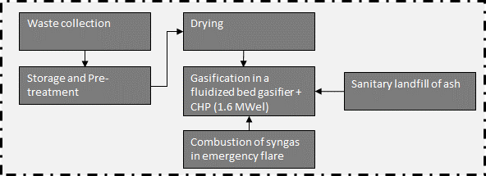
 |  |  |  |  |  | Model graph (as given in openLCA): connection of forgeround processes
 | Flow/Parameter | Quantitiy/Formula | Unit | Uncertainty | Description
 | municipal waste collection service (ecoinvent process) | 5 | [kg*km] | lognormal: gmean=5 gsigma=1.24 | Waste collection
 | transport, freight, lorry, unspecified (ecoinvent process) | 40 | [kg*km] | lognormal: gmean=40 gsigma=1.21 | Collection to treatment plant (=40 km)
 | Waste collected | 1 | kg | (none) | Collected waste transported to treatment plant
...
 | Flow/Parameter | Quantitiy/Formula | Unit | Uncertainty | Description
 | Waste collected | 1 | t | (none) | Collected waste transported to treatment plant
 | building machine (ecoinvent process) | bm | [Item(s)] | (Uncertainty inherited from dependent parameters) | Wheel loader to move waste
 | diesel, burned in building machine (ecoinvent process) | LHV_diesel*0.34 | [MJ] | lognormal: gmean=14.6200 gsigma=1.20286 | Diesel demand of wheel loader, measured
 | treatment of municipal solid waste, incineration (ecoinvent process) | -share_impurities | [t] | lognormal: gmean=-0.0325822 gsigma=1.15570 | Share of impurites (asssumed as municipal solid waste, external incineration in MSWI), measured
 | OFMSW, at plant | 1.0*(1-share_impurities) | [t] | (Uncertainty inherited from dependent parameters) | Share of waste for further treatent
 | LHV_diesel | 43 | [MJ/kg] | (none) | Heating value of diesel
 | lifetime_truck | 10 | [a] | triangular: min=5.0 mode=10.0 max=15.0 | Lifetime of wheel loader | Energy and mass flows (dashed line is system boundary)
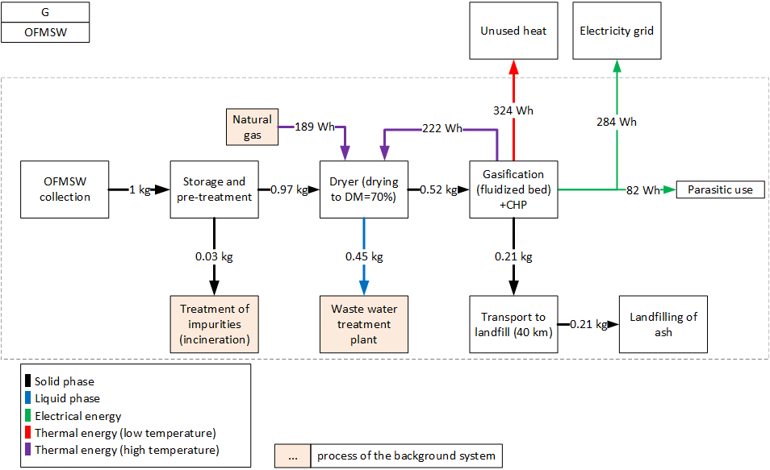
 | share_impurities | 0.032582229 | [] | lognormal: gmean=0.0325822 gsigma=1.10 | Share of impurites
 | throughput | 40000 | [t/a] | (none) | Referenced throughput
 | bm | 1.0/lifetime_truck /throughput | [Item(s)] |  | Demand in wheel loaders
 | share_substrate | 1-share_impurities | [t] |  | Amount of substrate after removing impurities
...
 | Flow/Parameter | Quantitiy/Formula | Unit | Uncertainty | Description
 | OFMSW, at plant | 1 | [kg] | (none) | Amount of treated OFMSW, reference unit
 | heat, district or industrial, natural gas (ecoinvent process) | heat *sh_support | [kWh] | (none) | Amount of heat which is satisfied by supporting fuel
 | sulfuric acid (ecoinvent process) | h2so4 /0.76 | [kg] | (none) | Amount of sulfuric acid (needed in acidic scrubber)
 | wastewater, average (ecoinvent process) | -water_e | [l] | (none) | Amount of evaporated water
 | Ammonium sulfate | -N_fert | [kg] | uncertainty inherhited from dependent parameters | Amount of credited fertilizer from N precipitation
 | Ammonia | NH3_em | [kg] | lognormal: gmean=5.14668E-05 gsigma=1.32206 | NH3-emissions from drying
 | OFMSW, dried | 1.0-water_e | [kg] | (none) | Amount of dried OFMSW
 | electricity, produced in system | -el | [kWh] | (none) | Electricity demand of dryer
 | heat, produced on-site | -heat*(1-sh_support) | [kWh] | (none) | Amount of heat which is satisfied by heat which is produced on-site
 | AS | 0.06 | [] | (none) | Reverse efficiency of acidic scrubber
 | BF_NH3 | 0.72 | [] | triangular: min=0.130000 mode=0.720000 max=1.00000 | Reverse efficiency of biofilter
 | DM_in | 37.77 | [%] | (none) | Dry matter content of raw digestate
 | el_spec | 60 | [kWh/t water, evaporated] | triangular: min=45 mode=60 max=75 | Electricity demand of dryer
 | hd_belt_dryer | 920 | [kWh/t water, evaporated] | triangular: min=700.000 mode=920.000 max=1140.00 | Heat demand of a belt dryer
 | N_total | 0.016 | [wt-%, dry] | normal: mean=0.0160000 sigma=0.00160000 | Nitrogen content of digestate | Parasitic electricity demands
 | N_out | 0.25 | [ ] | uniform: min=0.00000 max=0.500000 | Share of nitrogen which is transferred to the gas phase | Dryer | 26.8 | Wh/kg FM
 | target_dm | 70 | [%] | (none) | Targeted dry matter content of digestate | Gasifier | 54.8 | Wh/kg FM
 | el | water_e*el_spec/1000 | [kWh] |  | Specific electricity demand for dryer
 | h2so4 | 4.4*N_out*N_total*DM_in/100 | [kg] |  | Amount of H2SO4 needed for acidic scrubber; 4.4 kgH2SO4/kg NH3
 | heat | (1-(DM_in/target_dm ))*(hd_belt_dryer/1000) | [kWh] |  | Specific heat demand for dryer
 | N_fert | (N_out*N_total*DM_in/100)*(1-AS) | [kg] |  | Amount of precipitated ammonium sulfate
 | NH3_em | N_out*N_total*DM_in/100*BF_NH3*AS | [kg] |  | Specific NH3 emissions
 | sh_support | 0.53826966 | [] |  | Share of support fuel (heat which cannot be provided onsite)
...
Combustion of syngas in emergency flare (biogas-emergency flare as proxy)
Emission | Nitrogen oxides | 4.53E-07 | [kg] | lognormal: gmean=4.53300E-07 gsigma=1.22959 | NOx-emissions to air
Emission | Particulates, < 2.5 um | 8.49E-07 | [kg] | lognormal: gmean=8.49000E-07 gsigma=1.22959 | PM-emissions to air
Emission | Sulfur dioxide | 9.21E-08 | [kg] | lognormal: gmean=9.21100E-08 gsigma=1.22959 | SO2-emissions to air

Heat distribution
Output CHP, on-site, high temperature heat |  | 27%
Output CHP, on-site, low temperature heat |  | 41%
Support fuel |  | 31%
heat demand dryer (90% wt-%) |  | -59%
unused heat, total |  | -41%
heat distribution in system

224-OFMSW_P_G
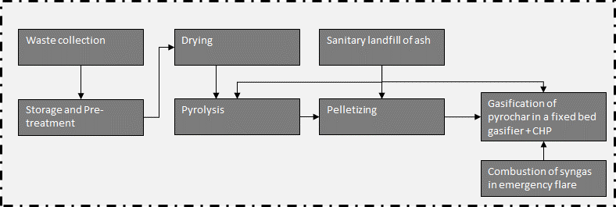
 |  |  |  |  |  | Model graph (as given in openLCA): connection of forgeround processes
 |  | Quantitiy/Formula | Unit | Uncertainty | Description
 |  | 5 | [kg*km] | lognormal: gmean=5 gsigma=1.24 | Waste collection
 |  | 40 | [kg*km] | lognormal: gmean=40 gsigma=1.21 | Collection to treatment plant (=40 km)
 |  | 1 | kg | (none) | Collected waste transported to treatment plant
...
 |  | Quantitiy/Formula | Unit | Uncertainty | Description
 |  | 1 | t | (none) | Collected waste transported to treatment plant
 |  | bm | [Item(s)] | (Uncertainty inherited from dependent parameters) | Wheel loader to move waste
 |  | LHV_diesel*0.34 | [MJ] | lognormal: gmean=14.6200 gsigma=1.20286 | Diesel demand of wheel loader, measured
 |  | -share_impurities | [t] | lognormal: gmean=-0.0325822 gsigma=1.15570 | Share of impurites (asssumed as municipal solid waste, external incineration in MSWI), measured
 |  | 1.0*(1-share_impurities) | [t] | (Uncertainty inherited from dependent parameters) | Share of waste for further treatent
 |  | 43 | [MJ/kg] | (none) | Heating value of diesel
 |  | 10 | [a] | triangular: min=5.0 mode=10.0 max=15.0 | Lifetime of wheel loader
 |  | 0.032582229 | [] | lognormal: gmean=0.0325822 gsigma=1.10 | Share of impurites
 |  | 40000 | [t/a] | (none) | Referenced throughput | Energy and mass flows (dashed line is system boundary)
 |  | 1.0/lifetime_truck /throughput | [Item(s)] |  | Demand in wheel loaders
 |  | 1-share_impurities | [t] |  | Amount of substrate after removing impurities
...
 |  | Quantitiy/Formula | Unit | Uncertainty | Description
 |  | 1 | [kg] | (none) | Amount of treated OFMSW, reference unit
 |  | heat *sh_support | [kWh] | (none) | Amount of heat which is satisfied by supporting fuel
 |  | h2so4 /0.76 | [kg] | (none) | Amount of sulfuric acid (needed in acidic scrubber)
...
Combustion of syngas in emergency flare (biogas-emergency flare as proxy)
Emission | Sulfur dioxide | 9.21E-08 | [kg] | lognormal: gmean=9.21100E-08 gsigma=1.22959 | SO2-emissions to air

Heat distribution
Output CHP |  | 21%
Output pyrolysis |  | 79%
heat demand dryer (90% wt-%) |  | -60%
unused heat, total |  | -29%
exported heat to residential buildings |  | -10%

heat distribution in system

225-OFMSW_P_I
...
 | Flow/Parameter | Quantitiy/Formula | Unit | Uncertainty | Description
 | Waste collected | 1 | t | (none) | Collected waste transported to treatment plant
 | building machine (ecoinvent process) | bm | [Item(s)] | (Uncertainty inherited from dependent parameters) | Wheel loader to move waste
 | diesel, burned in building machine (ecoinvent process) | LHV_diesel*0.34 | [MJ] | lognormal: gmean=14.6200 gsigma=1.20286 | Diesel demand of wheel loader, measured
 | treatment of municipal solid waste, incineration (ecoinvent process) | -share_impurities | [t] | lognormal: gmean=-0.0325822 gsigma=1.15570 | Share of impurites (asssumed as municipal solid waste, external incineration in MSWI), measured
 | OFMSW, at plant | 1.0*(1-share_impurities) | [t] | (Uncertainty inherited from dependent parameters) | Share of waste for further treatent
 | LHV_diesel | 43 | [MJ/kg] | (none) | Heating value of diesel
 | lifetime_truck | 10 | [a] | triangular: min=5.0 mode=10.0 max=15.0 | Lifetime of wheel loader
 | share_impurities | 0.032582229 | [] | lognormal: gmean=0.0325822 gsigma=1.10 | Share of impurites | Energy and mass flows (dashed line is system boundary)
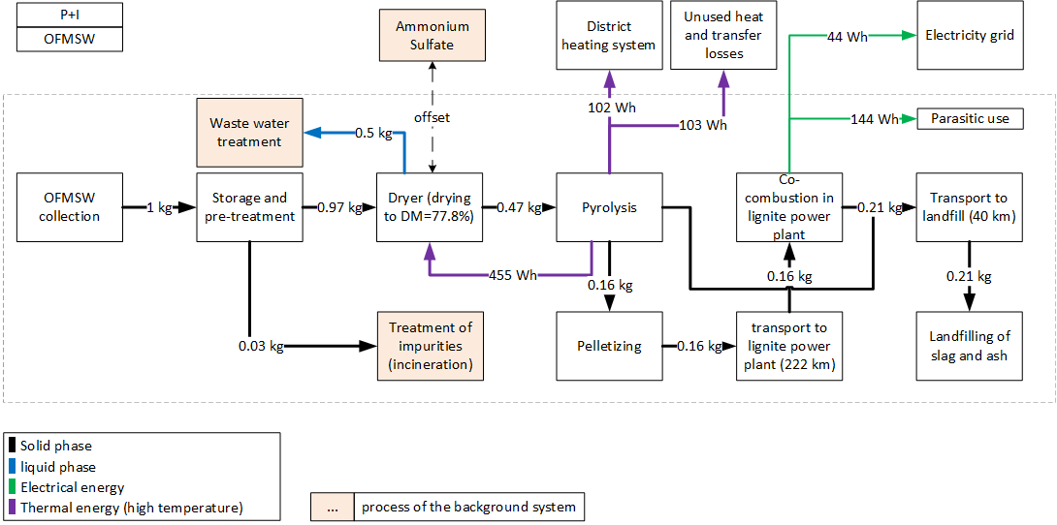
 | throughput | 40000 | [t/a] | (none) | Referenced throughput
 | bm | 1.0/lifetime_truck /throughput | [Item(s)] |  | Demand in wheel loaders
 | share_substrate | 1-share_impurities | [t] |  | Amount of substrate after removing impurities
...
 | Flow/Parameter | Quantitiy/Formula | Unit | Uncertainty | Description
 | OFMSW, at plant | 1 | [kg] | (none) | Amount of treated OFMSW, reference unit
 | heat, district or industrial, natural gas (ecoinvent process) | heat *sh_support | [kWh] | (none) | Amount of heat which is satisfied by supporting fuel
 | sulfuric acid (ecoinvent process) | h2so4 /0.76 | [kg] | (none) | Amount of sulfuric acid (needed in acidic scrubber)
 | wastewater, average (ecoinvent process) | -water_e | [l] | (none) | Amount of evaporated water
 | Ammonium sulfate | -N_fert | [kg] | uncertainty inherhited from dependent parameters | Amount of credited fertilizer from N precipitation
 | Ammonia | NH3_em | [kg] | lognormal: gmean=5.14668E-05 gsigma=1.32206 | NH3-emissions from drying
 | OFMSW, dried | 1.0-water_e | [kg] | (none) | Amount of dried OFMSW
 | electricity, produced in system | -el | [kWh] | (none) | Electricity demand of dryer
 | heat, produced on-site | -heat*(1-sh_support) | [kWh] | (none) | Amount of heat which is satisfied by heat which is produced on-site
 | AS | 0.06 | [] | (none) | Reverse efficiency of acidic scrubber
 | BF_NH3 | 0.72 | [] | triangular: min=0.130000 mode=0.720000 max=1.00000 | Reverse efficiency of biofilter
 | DM_in | 37.77 | [%] | (none) | Dry matter content of raw digestate
 | el_spec | 60 | [kWh/t water, evaporated] | triangular: min=45 mode=60 max=75 | Electricity demand of dryer
 | hd_belt_dryer | 920 | [kWh/t water, evaporated] | triangular: min=700.000 mode=920.000 max=1140.00 | Heat demand of a belt dryer
 | N_total | 0.016 | [wt-%, dry] | normal: mean=0.0160000 sigma=0.00160000 | Nitrogen content of digestate
 | N_out | 0.25 | [ ] | uniform: min=0.00000 max=0.500000 | Share of nitrogen which is transferred to the gas phase
 | target_dm | 77.2 | [%] | (none) | Targeted dry matter content of digestate | Parasitic electricity demands
 | el | water_e*el_spec/1000 | [kWh] |  | Specific electricity demand for dryer | Dryer | 29.7 | Wh/kg FM
 | h2so4 | 4.4*N_out*N_total*DM_in/100 | [kg] |  | Amount of H2SO4 needed for acidic scrubber; 4.4 kgH2SO4/kg NH3 | Pelletizer | 15.3 | Wh/kg FM
 | heat | (1-(DM_in/target_dm ))*(hd_belt_dryer/1000) | [kWh] |  | Specific heat demand for dryer | Pyrolysis | 85.2 | Wh/kg FM
 | N_fert | (N_out*N_total*DM_in/100)*(1-AS) | [kg] |  | Amount of precipitated ammonium sulfate | Lignite power plant | 13.4 | Wh/kg FM
 | NH3_em | N_out*N_total*DM_in/100*BF_NH3*AS | [kg] |  | Specific NH3 emissions
 | sh_support | 0 | [] |  | Share of support fuel (heat which cannot be provided onsite)
 | water_e | (1-(DM_in/target_dm )) | [kg] |  | Evaporated water
...
sanitary landfill of ash
Emission | Zinc | 8.39446E-11 | [kg] | lognormal: gmean=8.39446E-11 gsigma=1.70168 | Emissions from short-term leachate treatment and incineration of resulting sludge.
Emission | Zinc | 1.65274E-09 | [kg] | lognormal: gmean=1.65274E-09 gsigma=2.08275 | Burden from direct release or incineration of landfill biogas; or windblown leachate evaporite in arid climates.
Emission | Zinc, ion | 0.000574617 | [kg] | lognormal: gmean=0.000574617 gsigma=1.53172 | Emissions from long-term leachate (>100a) directly from MSW landfill and indirectly via incineration of treatement sludge from leachate treatement.
Emission | Zinc, ion | 2.29982E-06 | [kg] | lognormal: gmean=2.29982E-06 gsigma=1.67558 | Emissions from short-term leachate treatment and incineration of resulting sludge.

Heat distribution
Output pyrolysis |  | 100%
heat demand dryer (90% wt-%) |  | -77%
unused heat, total |  | -23%

heat distribution in system

226-OFMSW_HTC_I
 |  |  |  |  |  | Model graph (as given in openLCA): connection of forgeround processes
 |  |  |  | Uncertainty | Description
 |  |  |  | lognormal: gmean=5 gsigma=1.24 | Waste collection
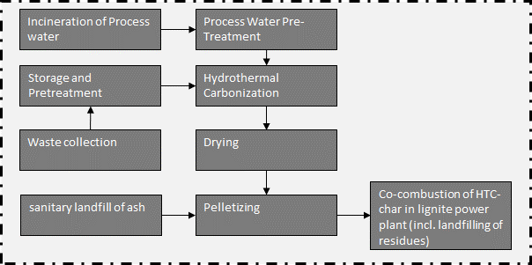
 |  |  |  | lognormal: gmean=40 gsigma=1.21 | Collection to treatment plant (=40 km)
 |  |  |  | (none) | Collected waste transported to treatment plant
...
 |  |  |  | Uncertainty | Description
 |  |  |  | (none) | Collected waste transported to treatment plant
 |  |  |  | (Uncertainty inherited from dependent parameters) | Wheel loader to move waste
 |  |  |  | lognormal: gmean=14.6200 gsigma=1.20286 | Diesel demand of wheel loader, measured
 |  | -share_impurities | [t] | lognormal: gmean=-0.0325822 gsigma=1.15570 | Share of impurites (asssumed as municipal solid waste, external incineration in MSWI), measured
 |  | 0.026666666667 | [m3] | lognormal: gmean=0.0266667 gsigma=1.23660 | Wood for biofilter
 |  | 7.2592105263 | [kg] | lognormal: gmean=7.25921 gsigma=1.23660 | Sulfuric acid for acidic scrubber
 |  | em_NH3 | [g] | (Uncertainty inherited from dependent parameters) | NH3 emissions
 |  | share_substrate | [t] | (Uncertainty inherited from dependent parameters) | Share of waste for further treatent
 |  | em_N2O | [g] | (Uncertainty inherited from dependent parameters) | N2O emissions
 |  | em_CH4 | [g] | (Uncertainty inherited from dependent parameters) | CH4 emissions
 |  | em_NMVOC | [g] | (Uncertainty inherited from dependent parameters) | NMVOC emissions
 |  | 0.95 | [] | triangular: min=0.49 mode=0.95 max=1.01 | Inverse efficiency of biofilter for CH4
 |  | 1.12 | [] | triangular: min=0.71 mode=1.12 max=4.11 | Inverse efficiency of biofilter for N2O | Energy and mass flows (dashed line is system boundary)
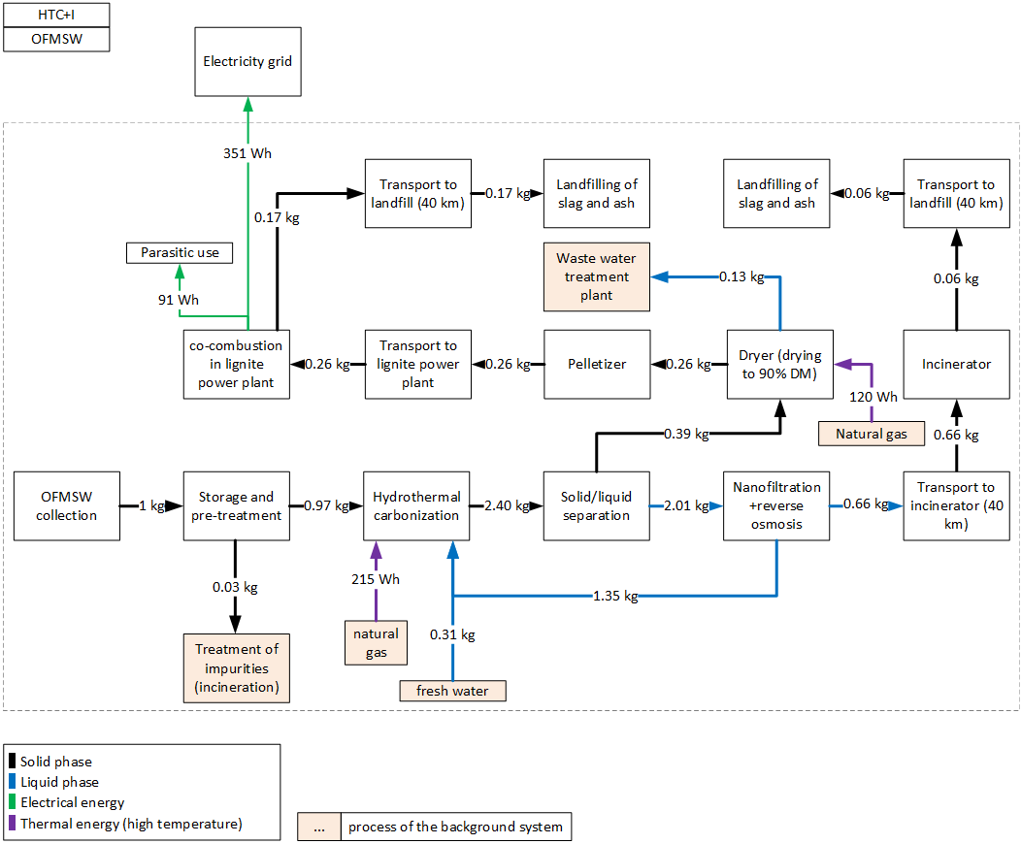
 |  | 0.72 | [] | triangular: min=0.13 mode=0.72 max=1.0 | Inverse efficiency of biofilter for NH3
 |  | 0.1 | [] | triangular: min=0.0mode=0.10 max=0.30 | Inverse efficiency of biofilter for NMVOC
 |  | 140 | g/t FM | triangular: min=20.0 mode=140.0 max=244.0 | CH4 emissions, before air treatment
 |  | 0.52 | [] | lognormal: gmean=0.52 gsigma=1.08 | Inverse efficiency of acidic scrubber
 |  | 43 | [MJ/kg] | (none) | Heating value of diesel
 |  | 10 | [a] | triangular: min=5.0 mode=10.0 max=15.0 | Lifetime of wheel loader
 |  | 6 | [g/t FM] | triangular: min=1.70 mode=6.0 max=14.0 | N2O emissions, before air treatment
 |  | 6.5 | [g/t FM] | triangular: min=2.90 mode=6.50 max=13.0 | NH3 emissions, before air treatment
 |  | 86 | [g/t FM] | triangular: min=34.0 mode=86.0 max=150.0 | NMVOC emissions, before air treatment
 |  | 0.032582229 | [] | lognormal: gmean=0.0325822 gsigma=1.10 | Share of impurites (measured)
 |  | 40000 | [t/a] | (none) | Referenced throughput
 |  | 1.0/lifetime_truck /throughput | [Item(s)] |  | Demand in wheel loaders
 |  | BF_CH4*CH4 | [g] |  | CH4-emissions after biofilter
 |  | BF_N2O*N2O | [g] |  | N2O-emissions after biofilter
 |  | BF_NH3*NH3 *Filter_SW | [g] |  | NH3-emissions after biofilter
 |  | BF_NMVOC*NMVOC | [g] |  | NMVOC-emissions after biofilter
 |  | 1-share_impurities | [t] |  | Amount of substrate after removing impurities
...
 |  | Quantitiy/Formula | Unit | Uncertainty | Description
 |  | 1 | [kg] | (none) | Amount of OFMSW to the reactor, reference unit
 |  | heat/0.9 | [kWh] | (Uncertainty inherited from dependent parameters) | Heat demand of HTC-reactor
 |  | HTC_plant_pcs | [Item(s)] | (Uncertainty inherited from dependent parameters) | Number of HTC-plants, based on Osianiak et al. (2016)
 |  | HTC_plant_pcs | [Item(s)] | (Uncertainty inherited from dependent parameters) | Number of HTC-plants (EoL), based on Osianiak et al. (2016)
 |  | water_out_no_recy | [kg] | (Uncertainty inherited from dependent parameters) | Amount of process water, which needs to be treated
 |  | 0.11 | [kg] | (none) | Amount of added water
 |  | CO2 | [g] | (Uncertainty inherited from dependent parameters) | Emissions of CO2
 |  | CO | [g] | (Uncertainty inherited from dependent parameters) | Emissions of CO
 |  | -el | [kWh] | (Uncertainty inherited from dependent parameters) | Electricity demand for HTC reactor+infrastructure
 |  | mass_out | [kg] | (Uncertainty inherited from dependent parameters) | Amount of hydrochar
 |  | CH4 | [g] | (Uncertainty inherited from dependent parameters) | Emissions of CH4
 |  | 0.176 | [] | triangular: min=0.0700000 mode=0.1760000 max=0.250000 | Ratio of biomass to water | Parasitic electricity demands
 |  | 0 | [g/kg FM] | uniform: min=0.00000 max=0.0120000 | CH4 emissions | HTC | 14.8 | Wh/kg FM
 |  | 0.28 | [g/kg FM] | uniform: min=0.0500000 max=0.740000 | CO emissions | Process water treatment | 11.8 | Wh/kg FM
 |  | 33.8 | [g/kg FM] | uniform: min=9.00000 max=33.8000 | CO2 emissions | Dryer | 7.8 | Wh/kg FM
 |  | 0.37655 | [] | normal: mean=0.376550 sigma=0.0430000 | Dry mass content of biowaste | Pelletizer | 25.0 | Wh/kg FM
 |  | 0.6 | [] | triangular: min=0.500000 mode=0.600000 max=0.700000 | Dry mass of hydrochar after dewatering | Lignite power plant | 31.6 | Wh/kg FM
 |  | 12.71 | [kWh/t DM] | lognormal: gmean=12.71 gsigma=1.52 | Electricity demand decanter
 |  | 22.68 | [kWh/t DM] | lognormal: gmean=22.68 gsigma=1.52 | Electricity demand grinder + mixer
 |  | 0.2 | [kWh] | uniform: min=0.160000 max=0.23 | Heat demand of HTC-reactor
...
sanitary landfill of ash
Emission | Zinc | 8.39446E-11 | [kg] | lognormal: gmean=8.39446E-11 gsigma=1.70168 | Emissions from short-term leachate treatment and incineration of resulting sludge.
Emission | Zinc | 1.65274E-09 | [kg] | lognormal: gmean=1.65274E-09 gsigma=2.08275 | Burden from direct release or incineration of landfill biogas; or windblown leachate evaporite in arid climates.
Emission | Zinc, ion | 0.000574617 | [kg] | lognormal: gmean=0.000574617 gsigma=1.53172 | Emissions from long-term leachate (>100a) directly from MSW landfill and indirectly via incineration of treatement sludge from leachate treatement.
Emission | Zinc, ion | 2.29982E-06 | [kg] | lognormal: gmean=2.29982E-06 gsigma=1.67558 | Emissions from short-term leachate treatment and incineration of resulting sludge.

Heat distribution
support fuel |  | 100%
HTC |  | -62%
dryer |  | -38%

heat distribution in system

227-OFMSW_AD_I
 |  |  |  |  | Model graph (as given in openLCA): connection of forgeround processes
...
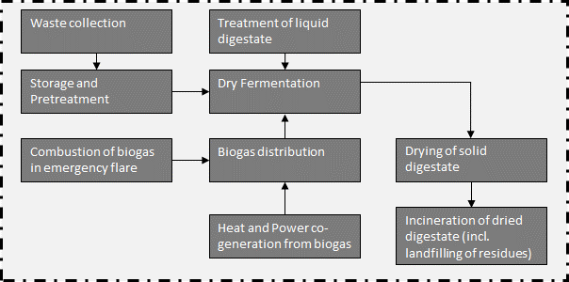
...
 | 0.026666666667 | [m3] | lognormal: gmean=0.0266667 gsigma=1.23660 | Wood for biofilter
 | 7.2592105263 | [kg] | lognormal: gmean=7.25921 gsigma=1.23660 | Sulfuric acid for acidic scrubber
 | em_NH3 | [g] | (Uncertainty inherited from dependent parameters) | NH3 emissions
 | share_substrate | [t] | (Uncertainty inherited from dependent parameters) | Share of waste for further treatent
 | em_N2O | [g] | (Uncertainty inherited from dependent parameters) | N2O emissions
 | em_CH4 | [g] | (Uncertainty inherited from dependent parameters) | CH4 emissions
 | em_NMVOC | [g] | (Uncertainty inherited from dependent parameters) | NMVOC emissions
 | 0.95 | [] | triangular: min=0.49 mode=0.95 max=1.01 | Inverse efficiency of biofilter for CH4
 | 1.12 | [] | triangular: min=0.71 mode=1.12 max=4.11 | Inverse efficiency of biofilter for N2O
 | 0.72 | [] | triangular: min=0.13 mode=0.72 max=1.0 | Inverse efficiency of biofilter for NH3 | Energy and mass flows (dashed line is system boundary)
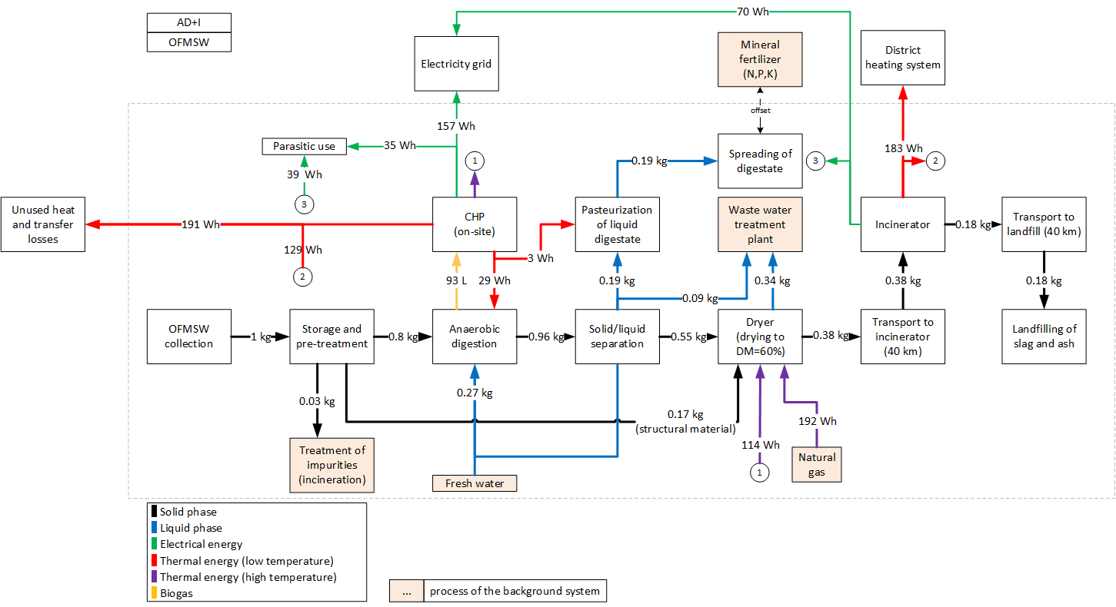
 | 0.1 | [] | triangular: min=0.0mode=0.10 max=0.30 | Inverse efficiency of biofilter for NMVOC
 | 140 | g/t FM | triangular: min=20.0 mode=140.0 max=244.0 | CH4 emissions, before air treatment
 | 0.52 | [] | lognormal: gmean=0.52 gsigma=1.08 | Inverse efficiency of acidic scrubber
 | 43 | [MJ/kg] | (none) | Heating value of diesel
 | 10 | [a] | triangular: min=5.0 mode=10.0 max=15.0 | Lifetime of wheel loader
 | 6 | [g/t FM] | triangular: min=1.70 mode=6.0 max=14.0 | N2O emissions, before air treatment
 | 6.5 | [g/t FM] | triangular: min=2.90 mode=6.50 max=13.0 | NH3 emissions, before air treatment
 | 86 | [g/t FM] | triangular: min=34.0 mode=86.0 max=150.0 | NMVOC emissions, before air treatment
 | 0.032582229 | [] | lognormal: gmean=0.0325822 gsigma=1.10 | Share of impurites (measured)
 | 40000 | [t/a] | (none) | Referenced throughput
 | 1.0/lifetime_truck /throughput | [Item(s)] |  | Demand in wheel loaders
 | BF_CH4*CH4 | [g] |  | CH4-emissions after biofilter
 | BF_N2O*N2O | [g] |  | N2O-emissions after biofilter
 | BF_NH3*NH3 *Filter_SW | [g] |  | NH3-emissions after biofilter
 | BF_NMVOC*NMVOC | [g] |  | NMVOC-emissions after biofilter
 | 1-share_impurities | [t] |  | Amount of substrate after removing impurities
...
 | Quantitiy/Formula | Unit | Uncertainty | Description
 | pcs_AD | [Item(s)] | (Uncertainty inherited from dependent parameters) | Demand in anaerobic digestion plants
 | mass_in | [kg] | (none) | Reference unit
 | 0.19 | [kg] | (none) | Amount of liquid digestate to treatment
 | iron_ii_chloride | [kg] | lognormal: gmean=0.000221629 gsigma=1.12945 | Demand in Iron(ii) cloride for desulphurization
 | water *0.5 | [kg] | (Uncertainty inherited from dependent parameters) | Added water to achieve required DM content, half of water comes from recirculation of process water
 | -0.11 | l | (none) | Amount of waste water to treatment
 | BG | [m3] | (Uncertainty inherited from dependent parameters) | Amount of prouduced biogas
 | 0.73942 | [kg] | (Uncertainty inherited from dependent parameters) | Treatment of digestate
 | NH3_em | [kg] | (Uncertainty inherited from dependent parameters) | Emissions of NH3
 | 0.000017 | [kg] | lognormal: gmean=1.70000E-05 gsigma=1.13585 | Accounts for emissions for the separation of digestate
 | -el_cons | [kWh] | (Uncertainty inherited from dependent parameters) | Electricity consumption of the AD-plant (including pumps and separation of digestate and parasitic energy of CHP plant) | Parasitic electricity demands
 | -heat_cons | [kWh] | (Uncertainty inherited from dependent parameters) | Heat demand for heating up substrate and maintaining the temperature in the reactor | Anaerobic digestion | 15.3 | Wh/kg FM
 | H2S_em | [kg] | (Uncertainty inherited from dependent parameters) | Emissions of H2S | Dryer | 20.0 | Wh/kg FM
 | CH4_em | [kg] | (Uncertainty inherited from dependent parameters) | Emissions of CH4 | Incinerator | 39.0 | Wh/kg FM
 | 0.09685 | [m³/kg] | normal: mean=0.0965800 sigma=0.0117000 | Specific dry biogas production for 1 kg OFMSW (measured)
 | 0.5716 | [] | triangular: min=0.501000 mode=0.571600 max=0.658000 | Methane content in biogas
 | 0.3766 | [] | normal: mean=0.377000 sigma=0.0430000 | Dry mass of OFMSW before mixing
 | 0.37 | [] | triangular: min=0.370000 mode=0.370000 max=0.400000 | Electric efficiency of CHP plant
 | 0.078 | [] | triangular: min=0.0200000 mode=0.0780000 max=0.100000 | Specific electricity demand of AD-plant (including pumps and separation of digestate and parasitic energy demand of CHP plant), given as share of produced electricity
...
Heat distribution
Output CHP, on-site, low temperature heat | 18%
Output incinerator | 43%
support fuel | 26%
heat demand digester | -3%
heat demand pasteurization | 0%
heat demand dryer (60% wt-%) | -39%
exported heat to residential buildings | -21%
unused heat, total | -37%

heat distribution in system
 | Output CHP, on-site, high temperature heat | Output CHP, on-site, low temperature heat | Output incinerator | heat demand digester | heat demand pasteurization | heat demand dryer (60% wt-%) | exported heat to residential buildings | support fuel | unused heat, total
 | 13% | 18% | 43% | -3% | 0% | -39% | -21% | 26% | -37%

228-OFMSW_AD_G
 |  |  |  |  | Model graph (as given in openLCA): connection of forgeround processes
 | Quantitiy/Formula | Unit | Uncertainty | Description | 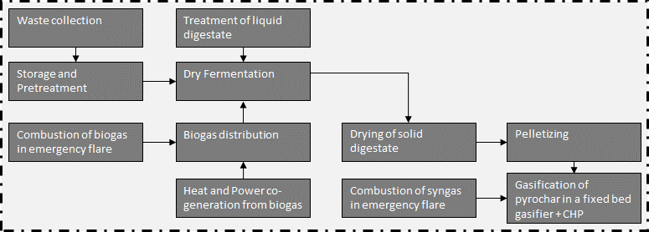
 | 5 | [kg*km] | lognormal: gmean=5 gsigma=1.24 | Waste collection
 | 40 | [kg*km] | lognormal: gmean=40 gsigma=1.21 | Collection to treatment plant (=40 km)
 | 1 | kg | (none) | Collected waste transported to treatment plant
...
 | Quantitiy/Formula | Unit | Uncertainty | Description
 | 1 | t | (none) | Collected waste transported to treatment plant
 | bm | [Item(s)] | (Uncertainty inherited from dependent parameters) | Wheel loader to move waste
 | LHV_diesel*0.34 | [MJ] | lognormal: gmean=14.6200 gsigma=1.20286 | Diesel demand of wheel loader, measured
 | -share_impurities | [t] | lognormal: gmean=-0.0325822 gsigma=1.15570 | Share of impurites (asssumed as municipal solid waste, external incineration in MSWI), measured
 | 0.026666666667 | [m3] | lognormal: gmean=0.0266667 gsigma=1.23660 | Wood for biofilter
 | 7.2592105263 | [kg] | lognormal: gmean=7.25921 gsigma=1.23660 | Sulfuric acid for acidic scrubber
 | em_NH3 | [g] | (Uncertainty inherited from dependent parameters) | NH3 emissions
 | share_substrate | [t] | (Uncertainty inherited from dependent parameters) | Share of waste for further treatent
 | em_N2O | [g] | (Uncertainty inherited from dependent parameters) | N2O emissions
 | em_CH4 | [g] | (Uncertainty inherited from dependent parameters) | CH4 emissions
 | em_NMVOC | [g] | (Uncertainty inherited from dependent parameters) | NMVOC emissions
 | 0.95 | [] | triangular: min=0.49 mode=0.95 max=1.01 | Inverse efficiency of biofilter for CH4 | Energy and mass flows (dashed line is system boundary)
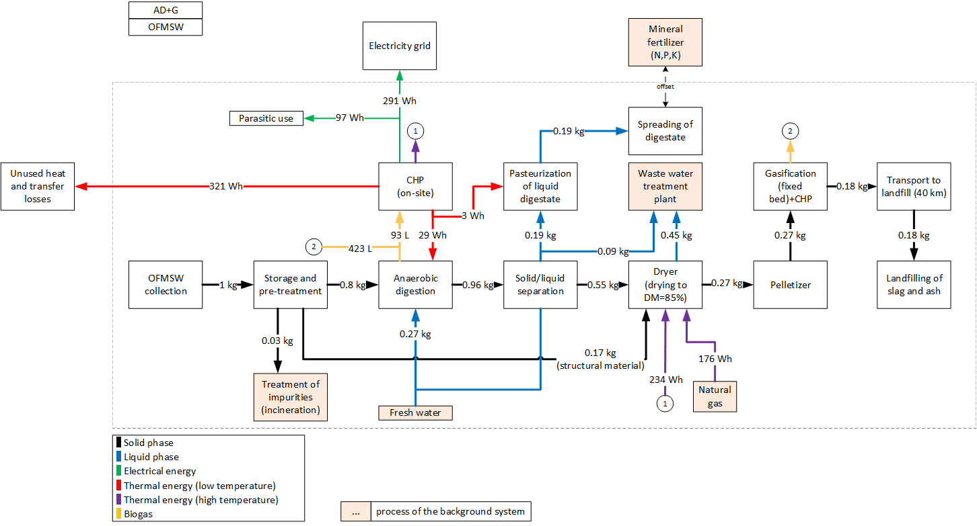
 | 1.12 | [] | triangular: min=0.71 mode=1.12 max=4.11 | Inverse efficiency of biofilter for N2O
 | 0.72 | [] | triangular: min=0.13 mode=0.72 max=1.0 | Inverse efficiency of biofilter for NH3
 | 0.1 | [] | triangular: min=0.0mode=0.10 max=0.30 | Inverse efficiency of biofilter for NMVOC
 | 140 | g/t FM | triangular: min=20.0 mode=140.0 max=244.0 | CH4 emissions, before air treatment
 | 0.52 | [] | lognormal: gmean=0.52 gsigma=1.08 | Inverse efficiency of acidic scrubber
 | 43 | [MJ/kg] | (none) | Heating value of diesel
 | 10 | [a] | triangular: min=5.0 mode=10.0 max=15.0 | Lifetime of wheel loader
 | 6 | [g/t FM] | triangular: min=1.70 mode=6.0 max=14.0 | N2O emissions, before air treatment
 | 6.5 | [g/t FM] | triangular: min=2.90 mode=6.50 max=13.0 | NH3 emissions, before air treatment
 | 86 | [g/t FM] | triangular: min=34.0 mode=86.0 max=150.0 | NMVOC emissions, before air treatment
 | 0.032582229 | [] | lognormal: gmean=0.0325822 gsigma=1.10 | Share of impurites (measured)
 | 40000 | [t/a] | (none) | Referenced throughput
 | 1.0/lifetime_truck /throughput | [Item(s)] |  | Demand in wheel loaders
 | BF_CH4*CH4 | [g] |  | CH4-emissions after biofilter
 | BF_N2O*N2O | [g] |  | N2O-emissions after biofilter
 | BF_NH3*NH3 *Filter_SW | [g] |  | NH3-emissions after biofilter
 | BF_NMVOC*NMVOC | [g] |  | NMVOC-emissions after biofilter
 | 1-share_impurities | [t] |  | Amount of substrate after removing impurities
...
 | Quantitiy/Formula | Unit | Uncertainty | Description
 | pcs_AD | [Item(s)] | (Uncertainty inherited from dependent parameters) | Demand in anaerobic digestion plants
 | mass_in | [kg] | (none) | Reference unit
 | 0.19 | [kg] | (none) | Amount of liquid digestate to treatment
 | iron_ii_chloride | [kg] | lognormal: gmean=0.000221629 gsigma=1.12945 | Demand in Iron(ii) cloride for desulphurization
 | water *0.5 | [kg] | (Uncertainty inherited from dependent parameters) | Added water to achieve required DM content, half of water comes from recirculation of process water
 | -0.11 | l | (none) | Amount of waste water to treatment
 | BG | [m3] | (Uncertainty inherited from dependent parameters) | Amount of prouduced biogas | Parasitic electricity demands
 | 0.73942 | [kg] | (Uncertainty inherited from dependent parameters) | Treatment of digestate | Anaerobic digestion | 15.3 | Wh/kg FM
 | NH3_em | [kg] | (Uncertainty inherited from dependent parameters) | Emissions of NH3 | Dryer | 26.8 | Wh/kg FM
 | 0.000017 | [kg] | lognormal: gmean=1.70000E-05 gsigma=1.13585 | Accounts for emissions for the separation of digestate | Pelletizer | 25.85 | Wh/kg FM
 | -el_cons | [kWh] | (Uncertainty inherited from dependent parameters) | Electricity consumption of the AD-plant (including pumps and separation of digestate and parasitic energy of CHP plant) | Gasifier | 29.5 | Wh/kg FM
 | -heat_cons | [kWh] | (Uncertainty inherited from dependent parameters) | Heat demand for heating up substrate and maintaining the temperature in the reactor
 | H2S_em | [kg] | (Uncertainty inherited from dependent parameters) | Emissions of H2S
 | CH4_em | [kg] | (Uncertainty inherited from dependent parameters) | Emissions of CH4
 | 0.09685 | [m³/kg] | normal: mean=0.0965800 sigma=0.0117000 | Specific dry biogas production for 1 kg OFMSW (measured)
...
Heat distribution
Output CHP, on-site, high temperature heat | 44%
Output CHP, on-site, low temperature heat | 29%
support fuel | 27%
heat demand digester | -4%
heat demand pasteurization | 0%
heat demand dryer | -56%
unused heat, total | -40%

heat distribution in system

229-OFMSW_AD_HTC_I
 |  |  |  |  | Model graph (as given in openLCA): connection of forgeround processes
 |  |  |  | Description
 |  |  |  | Waste collection
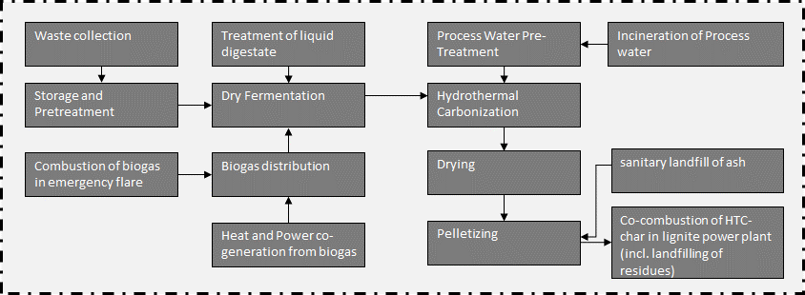
 |  |  |  | Collection to treatment plant (=40 km)
 |  |  |  | Collected waste transported to treatment plant
...
 |  |  |  | Description
 |  |  |  | Collected waste transported to treatment plant
 |  |  |  | Wheel loader to move waste
 |  |  |  | Diesel demand of wheel loader, measured
 |  |  |  | Share of impurites (asssumed as municipal solid waste, external incineration in MSWI), measured
 |  |  |  | Wood for biofilter
 | 7.2592105263 | [kg] | lognormal: gmean=7.25921 gsigma=1.23660 | Sulfuric acid for acidic scrubber
 | em_NH3 | [g] | (Uncertainty inherited from dependent parameters) | NH3 emissions
 | share_substrate | [t] | (Uncertainty inherited from dependent parameters) | Share of waste for further treatent
 | em_N2O | [g] | (Uncertainty inherited from dependent parameters) | N2O emissions
 | em_CH4 | [g] | (Uncertainty inherited from dependent parameters) | CH4 emissions
 | em_NMVOC | [g] | (Uncertainty inherited from dependent parameters) | NMVOC emissions
 | 0.95 | [] | triangular: min=0.49 mode=0.95 max=1.01 | Inverse efficiency of biofilter for CH4
 | 1.12 | [] | triangular: min=0.71 mode=1.12 max=4.11 | Inverse efficiency of biofilter for N2O
 | 0.72 | [] | triangular: min=0.13 mode=0.72 max=1.0 | Inverse efficiency of biofilter for NH3
 | 0.1 | [] | triangular: min=0.0mode=0.10 max=0.30 | Inverse efficiency of biofilter for NMVOC | Energy and mass flows (dashed line is system boundary)
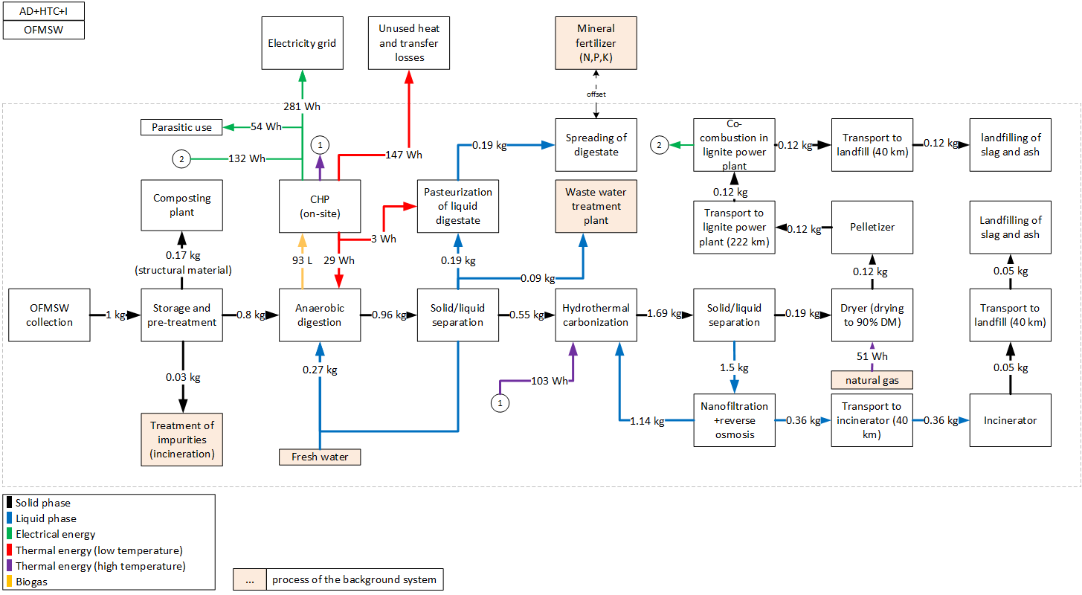
 | 140 | g/t FM | triangular: min=20.0 mode=140.0 max=244.0 | CH4 emissions, before air treatment
 | 0.52 | [] | lognormal: gmean=0.52 gsigma=1.08 | Inverse efficiency of acidic scrubber
 | 43 | [MJ/kg] | (none) | Heating value of diesel
 | 10 | [a] | triangular: min=5.0 mode=10.0 max=15.0 | Lifetime of wheel loader
 | 6 | [g/t FM] | triangular: min=1.70 mode=6.0 max=14.0 | N2O emissions, before air treatment
 | 6.5 | [g/t FM] | triangular: min=2.90 mode=6.50 max=13.0 | NH3 emissions, before air treatment
 | 86 | [g/t FM] | triangular: min=34.0 mode=86.0 max=150.0 | NMVOC emissions, before air treatment
 | 0.032582229 | [] | lognormal: gmean=0.0325822 gsigma=1.10 | Share of impurites (measured)
 | 40000 | [t/a] | (none) | Referenced throughput
 | 1.0/lifetime_truck /throughput | [Item(s)] |  | Demand in wheel loaders
 | BF_CH4*CH4 | [g] |  | CH4-emissions after biofilter
 | BF_N2O*N2O | [g] |  | N2O-emissions after biofilter
 | BF_NH3*NH3 *Filter_SW | [g] |  | NH3-emissions after biofilter
 | BF_NMVOC*NMVOC | [g] |  | NMVOC-emissions after biofilter
 | 1-share_impurities | [t] |  | Amount of substrate after removing impurities
...
 | Quantitiy/Formula | Unit | Uncertainty | Description
 | pcs_AD | [Item(s)] | (Uncertainty inherited from dependent parameters) | Demand in anaerobic digestion plants
 | mass_in | [kg] | (none) | Reference unit
 | 0.19 | [kg] | (none) | Amount of liquid digestate to treatment
 | iron_ii_chloride | [kg] | lognormal: gmean=0.000221629 gsigma=1.12945 | Demand in Iron(ii) cloride for desulphurization
 | water*0.5 | [kg] | (Uncertainty inherited from dependent parameters) | Added water to achieve required DM content, half of water comes from recirculation of process water
 | -0.11 | l | (none) | Amount of waste water to treatment
 | BG | [m3] | (Uncertainty inherited from dependent parameters) | Amount of prouduced biogas
 | 0.73942-0.18 | [kg] | (none) | Treatment of digestate, excluding structural material
 | 0.18 | [kg] | (none) | Structural material is taken out of the system and is not further balanced
 | NH3_em | [kg] | (Uncertainty inherited from dependent parameters) | Emissions of NH3
 | 17/1000/1000 | [kg] | lognormal: gmean=1.70000E-05 gsigma=1.13585 | Accounts for emissions for the separation of digestate
 | -el_cons | [kWh] | (Uncertainty inherited from dependent parameters) | Electricity consumption of the AD-plant (including pumps and separation of digestate and parasitic energy of CHP plant)
 | -heat_cons | [kWh] | (Uncertainty inherited from dependent parameters) | Heat demand for heating up substrate and maintaining the temperature in the reactor
 | H2S_em | [kg] | (Uncertainty inherited from dependent parameters) | Emissions of H2S
 | CH4_em | [kg] | (Uncertainty inherited from dependent parameters) | Emissions of CH4
 | 0.09685 | [m³/kg] | normal: mean=0.0965800 sigma=0.0117000 | Specific dry biogas production for 1 kg OFMSW (measured)
 | 0.5716 | [] | triangular: min=0.501000 mode=0.571600 max=0.658000 | Methane content in biogas | Parasitic electricity demands
 | 0.3766 | [] | normal: mean=0.377000 sigma=0.0430000 | Dry mass of OFMSW before mixing | Anaerobic digestion | 15.3 | Wh/kg FM
 | 0.37 | [] | triangular: min=0.370000 mode=0.370000 max=0.400000 | Electric efficiency of CHP plant | HTC | 7.0 | Wh/kg FM
 | 0.078 | [] | triangular: min=0.0200000 mode=0.0780000 max=0.100000 | Specific electricity demand of AD-plant (including pumps and separation of digestate and parasitic energy demand of CHP plant), given as share of produced electricity | Dryer | 3.7 | Wh/kg FM
 | 14.79 | [g/g] | (none) | Specific demand in Iron (II) chloride to eliminate H2S | Pelletizer | 12.0 | Wh/kg FM
 | 0.104 | [] | (none) | Specific heat demand of AD-plant, given as share of produced heat in CHP plant | Treatment of process water | 5.6 | Wh/kg FM
 | 10 | [kWh/m³] | (none) | LHV of methane | Lignite power plant | 10.2 | Wh/kg FM
 | 21 | [d] | triangular: min=20.0000 mode=21.0000 max=30.0000 | Hydraulic retention time
 | 0.01 | [] | triangular: min=0.00000 mode=0.0100000 max=0.0200000 | Leakages in biogas plant, given with respect to produced biogas
...
Heat distribution
Output CHP, on-site, high temperature heat | 33%
Output CHP, on-site, low temperature heat | 50%
support fuel | 17%
heat demand digester | -9%
heat demand pasteurization | -1%
heat demand HTC | -31%
heat demand dryer | -17%
unused heat, total | -42%
heat distribution in system

2210-OFMSW_AD_HTC_G
 |  |  |  |  |  | Model graph (as given in openLCA): connection of forgeround processes
 |  | Quantitiy/Formula | Unit | Uncertainty | Description | 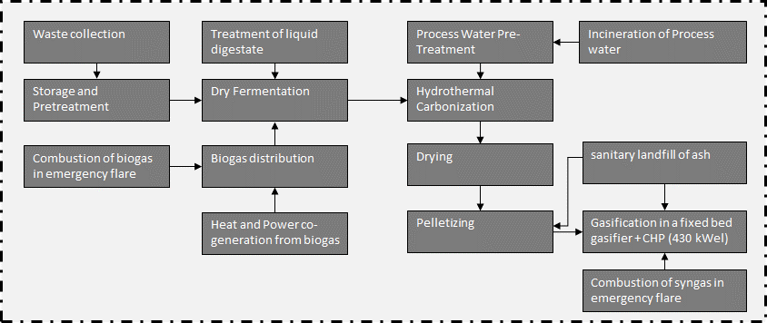
 |  | 5 | [kg*km] | lognormal: gmean=5 gsigma=1.24 | Waste collection
 |  | 40 | [kg*km] | lognormal: gmean=40 gsigma=1.21 | Collection to treatment plant (=40 km)
 |  | 1 | kg | (none) | Collected waste transported to treatment plant
...
 |  | Quantitiy/Formula | Unit | Uncertainty | Description
 |  | 1 | t | (none) | Collected waste transported to treatment plant
 |  | bm | [Item(s)] | (Uncertainty inherited from dependent parameters) | Wheel loader to move waste
 |  | LHV_diesel*0.34 | [MJ] | lognormal: gmean=14.6200 gsigma=1.20286 | Diesel demand of wheel loader, measured
 |  | -share_impurities | [t] | lognormal: gmean=-0.0325822 gsigma=1.15570 | Share of impurites (asssumed as municipal solid waste, external incineration in MSWI), measured
 |  | 0.026666666667 | [m3] | lognormal: gmean=0.0266667 gsigma=1.23660 | Wood for biofilter
 |  | 7.2592105263 | [kg] | lognormal: gmean=7.25921 gsigma=1.23660 | Sulfuric acid for acidic scrubber
 |  | em_NH3 | [g] | (Uncertainty inherited from dependent parameters) | NH3 emissions
 |  | share_substrate | [t] | (Uncertainty inherited from dependent parameters) | Share of waste for further treatent
 |  | em_N2O | [g] | (Uncertainty inherited from dependent parameters) | N2O emissions
 |  | em_CH4 | [g] | (Uncertainty inherited from dependent parameters) | CH4 emissions
 |  | em_NMVOC | [g] | (Uncertainty inherited from dependent parameters) | NMVOC emissions
 |  | 0.95 | [] | triangular: min=0.49 mode=0.95 max=1.01 | Inverse efficiency of biofilter for CH4
 |  | 1.12 | [] | triangular: min=0.71 mode=1.12 max=4.11 | Inverse efficiency of biofilter for N2O | Energy and mass flows (dashed line is system boundary)
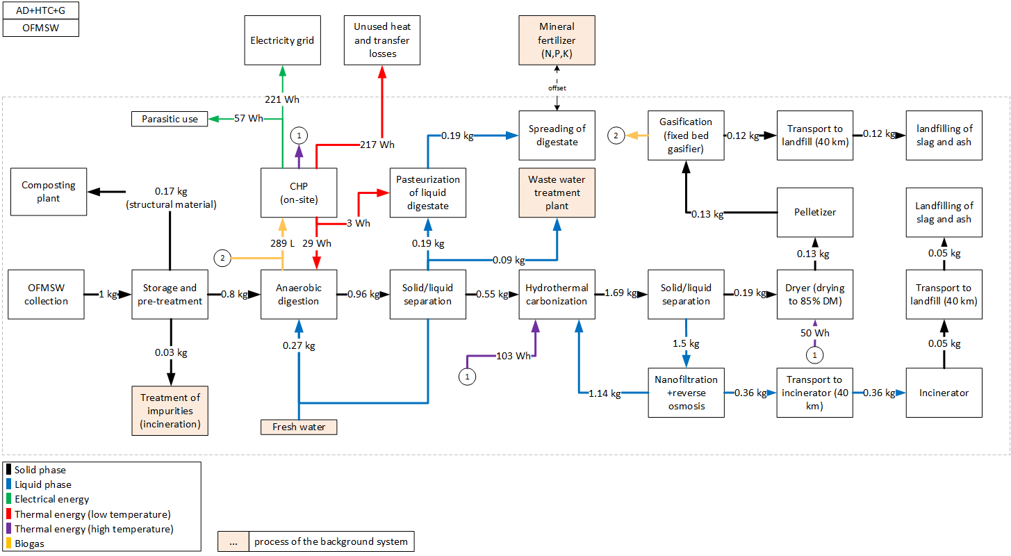
 |  | 0.72 | [] | triangular: min=0.13 mode=0.72 max=1.0 | Inverse efficiency of biofilter for NH3
 |  | 0.1 | [] | triangular: min=0.0mode=0.10 max=0.30 | Inverse efficiency of biofilter for NMVOC
 |  | 140 | g/t FM | triangular: min=20.0 mode=140.0 max=244.0 | CH4 emissions, before air treatment
 |  | 0.52 | [] | lognormal: gmean=0.52 gsigma=1.08 | Inverse efficiency of acidic scrubber
 |  | 43 | [MJ/kg] | (none) | Heating value of diesel
 |  | 10 | [a] | triangular: min=5.0 mode=10.0 max=15.0 | Lifetime of wheel loader
 |  | 6 | [g/t FM] | triangular: min=1.70 mode=6.0 max=14.0 | N2O emissions, before air treatment
 |  | 6.5 | [g/t FM] | triangular: min=2.90 mode=6.50 max=13.0 | NH3 emissions, before air treatment
 |  | 86 | [g/t FM] | triangular: min=34.0 mode=86.0 max=150.0 | NMVOC emissions, before air treatment
 |  | 0.032582229 | [] | lognormal: gmean=0.0325822 gsigma=1.10 | Share of impurites (measured)
 |  | 40000 | [t/a] | (none) | Referenced throughput
 |  | 1.0/lifetime_truck /throughput | [Item(s)] |  | Demand in wheel loaders
 |  | BF_CH4*CH4 | [g] |  | CH4-emissions after biofilter
 |  | BF_N2O*N2O | [g] |  | N2O-emissions after biofilter
 |  | BF_NH3*NH3 *Filter_SW | [g] |  | NH3-emissions after biofilter
 |  | BF_NMVOC*NMVOC | [g] |  | NMVOC-emissions after biofilter
 |  | 1-share_impurities | [t] |  | Amount of substrate after removing impurities
...
 |  | Quantitiy/Formula | Unit | Uncertainty | Description
 |  | pcs_AD | [Item(s)] | (Uncertainty inherited from dependent parameters) | Demand in anaerobic digestion plants
 |  | mass_in | [kg] | (none) | Reference unit
 |  | 0.19 | [kg] | (none) | Amount of liquid digestate to treatment
 |  | iron_ii_chloride | [kg] | lognormal: gmean=0.000221629 gsigma=1.12945 | Demand in Iron(ii) cloride for desulphurization
 |  | water*0.5 | [kg] | (Uncertainty inherited from dependent parameters) | Added water to achieve required DM content, half of water comes from recirculation of process water
 |  | -0.11 | l | (none) | Amount of waste water to treatment
 |  | BG | [m3] | (Uncertainty inherited from dependent parameters) | Amount of prouduced biogas
 |  | 0.73942-0.18 | [kg] | (none) | Treatment of digestate, excluding structural material | Parasitic electricity demands
 |  | 0.18 | [kg] | (none) | Structural material is taken out of the system and is not further balanced | Anaerobic digestion | 15.3 | Wh/kg FM
 |  | NH3_em | [kg] | (Uncertainty inherited from dependent parameters) | Emissions of NH3 | HTC | 7.0 | Wh/kg FM
 |  | 17/1000/1000 | [kg] | lognormal: gmean=1.70000E-05 gsigma=1.13585 | Accounts for emissions for the separation of digestate | Dryer | 3.3 | Wh/kg FM
 |  | -el_cons | [kWh] | (Uncertainty inherited from dependent parameters) | Electricity consumption of the AD-plant (including pumps and separation of digestate and parasitic energy of CHP plant) | Pelletizer | 12.7 | Wh/kg FM
 |  | -heat_cons | [kWh] | (Uncertainty inherited from dependent parameters) | Heat demand for heating up substrate and maintaining the temperature in the reactor | Treatment of process water | 5.6 | Wh/kg FM
 |  | H2S_em | [kg] | (Uncertainty inherited from dependent parameters) | Emissions of H2S | Gasifier | 12.9 | Wh/kg FM
 |  | CH4_em | [kg] | (Uncertainty inherited from dependent parameters) | Emissions of CH4
 |  | 0.09685 | [m³/kg] | normal: mean=0.0965800 sigma=0.0117000 | Specific dry biogas production for 1 kg OFMSW (measured)
...
sanitary landfill of ash
Emission | Zinc, ion | 1.72479E-06 | [kg] | lognormal: gmean=1.72479E-06 gsigma=1.69091 | Emissions from short-term leachate treatment and incineration of resulting sludge.

Heat distribution
Output CHP, on-site, high temperature heat |  | 40%
Output CHP, on-site, low temperature heat |  | 60%
heat demand digester |  | -7%
heat demand pasteurization |  | -1%
heat demand HTC |  | -26%
heat demand dryer |  | -14%
unused heat, total |  | -52%
heat distribution in system

2211-OFMSW_HTC_G
 |  |  |  |  |  | Model graph (as given in openLCA): connection of forgeround processes
 |  | Quantitiy/Formula | Unit | Uncertainty | Description | 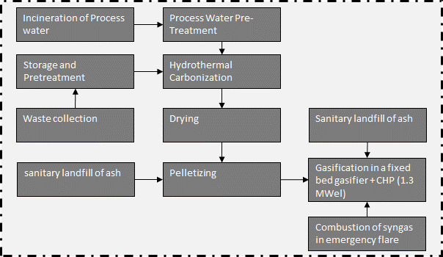
 |  | 5 | [kg*km] | lognormal: gmean=5 gsigma=1.24 | Waste collection
 |  | 40 | [kg*km] | lognormal: gmean=40 gsigma=1.21 | Collection to treatment plant (=40 km)
 |  | 1 | kg | (none) | Collected waste transported to treatment plant
...
 |  | Quantitiy/Formula | Unit | Uncertainty | Description
 |  | 1 | t | (none) | Collected waste transported to treatment plant
 |  | bm | [Item(s)] | (Uncertainty inherited from dependent parameters) | Wheel loader to move waste
 |  | LHV_diesel*0.34 | [MJ] | lognormal: gmean=14.6200 gsigma=1.20286 | Diesel demand of wheel loader, measured
 |  | -share_impurities | [t] | lognormal: gmean=-0.0325822 gsigma=1.15570 | Share of impurites (asssumed as municipal solid waste, external incineration in MSWI), measured
 |  | 0.026666666667 | [m3] | lognormal: gmean=0.0266667 gsigma=1.23660 | Wood for biofilter
 |  | 7.2592105263 | [kg] | lognormal: gmean=7.25921 gsigma=1.23660 | Sulfuric acid for acidic scrubber
 |  | em_NH3 | [g] | (Uncertainty inherited from dependent parameters) | NH3 emissions
 |  | share_substrate | [t] | (Uncertainty inherited from dependent parameters) | Share of waste for further treatment
 |  | em_N2O | [g] | (Uncertainty inherited from dependent parameters) | N2O emissions
 |  | em_CH4 | [g] | (Uncertainty inherited from dependent parameters) | CH4 emissions
 |  | em_NMVOC | [g] | (Uncertainty inherited from dependent parameters) | NMVOC emissions
 |  | 0.95 | [] | triangular: min=0.49 mode=0.95 max=1.01 | Inverse efficiency of biofilter for CH4
 |  | 1.12 | [] | triangular: min=0.71 mode=1.12 max=4.11 | Inverse efficiency of biofilter for N2O | Energy and mass flows (dashed line is system boundary)
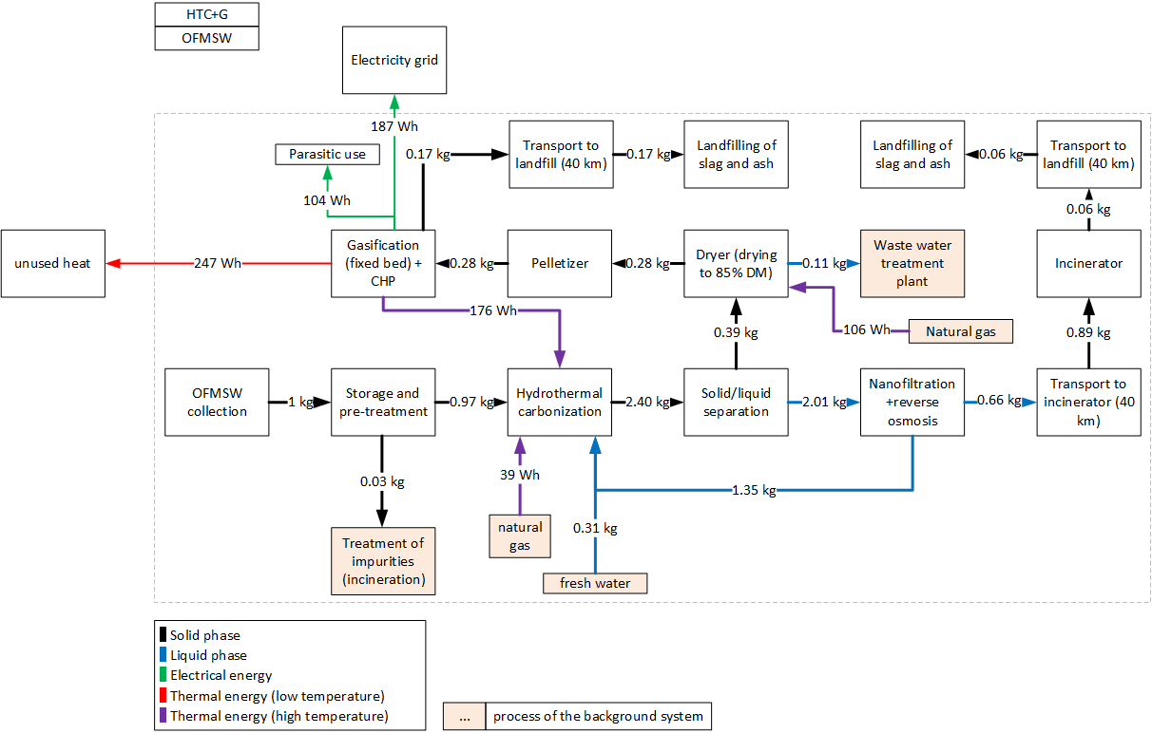
 |  | 0.72 | [] | triangular: min=0.13 mode=0.72 max=1.0 | Inverse efficiency of biofilter for NH3
 |  | 0.1 | [] | triangular: min=0.0mode=0.10 max=0.30 | Inverse efficiency of biofilter for NMVOC
 |  | 140 | g/t FM | triangular: min=20.0 mode=140.0 max=244.0 | CH4 emissions, before air treatment
 |  | 0.52 | [] | lognormal: gmean=0.52 gsigma=1.08 | Inverse efficiency of acidic scrubber
 |  | 43 | [MJ/kg] | (none) | Heating value of diesel
 |  | 10 | [a] | triangular: min=5.0 mode=10.0 max=15.0 | Lifetime of wheel loader
 |  | 6 | [g/t FM] | triangular: min=1.70 mode=6.0 max=14.0 | N2O emissions, before air treatment
 |  | 6.5 | [g/t FM] | triangular: min=2.90 mode=6.50 max=13.0 | NH3 emissions, before air treatment
 |  | 86 | [g/t FM] | triangular: min=34.0 mode=86.0 max=150.0 | NMVOC emissions, before air treatment
 |  | 0.032582229 | [] | lognormal: gmean=0.0325822 gsigma=1.10 | Share of impurites (measured)
 |  | 40000 | [t/a] | (none) | Referenced throughput
 |  | 1.0/lifetime_truck /throughput | [Item(s)] |  | Demand in wheel loaders
 |  | BF_CH4*CH4 | [g] |  | CH4-emissions after biofilter
 |  | BF_N2O*N2O | [g] |  | N2O-emissions after biofilter
 |  | BF_NH3*NH3 *Filter_SW | [g] |  | NH3-emissions after biofilter
 |  | BF_NMVOC*NMVOC | [g] |  | NMVOC-emissions after biofilter
 |  | 1-share_impurities | [t] |  | Amount of substrate after removing impurities
...
 |  | Quantitiy/Formula | Unit | Uncertainty | Description
 |  | 1 | [kg] | (none) | Amount of OFMSW to the reactor, reference unit
 |  | heat*sh_support | [kWh] | (Uncertainty inherited from dependent parameters) | Amount of heat, which is satisfied by support fuel
 |  | HTC_plant_pcs | [Item(s)] | (Uncertainty inherited from dependent parameters) | Number of HTC-plants, based on Osianiak et al. (2016)
 |  | HTC_plant_pcs | [Item(s)] | (Uncertainty inherited from dependent parameters) | Number of HTC-plants (EoL), based on Osianiak et al. (2016)
 |  | water_out_no_recy | [kg] | (Uncertainty inherited from dependent parameters) | Amount of process water, which needs to be treated
 |  | 0.11 | [kg] | (none) | Amount of added water
 |  | CO2 | [g] | (Uncertainty inherited from dependent parameters) | Emissions of CO2
 |  | CO | [g] | (Uncertainty inherited from dependent parameters) | Emissions of CO
 |  | -heat*(1-sh_support) | [kWh] | (Uncertainty inherited from dependent parameters) | Amount of heat, which is satisfied by heat provided on-site
 |  | -el | [kWh] | (Uncertainty inherited from dependent parameters) | Electricity demand for HTC reactor+infrastructure
 |  | mass_out | [kg] | (Uncertainty inherited from dependent parameters) | Amount of hydrochar
 |  | CH4 | [g] | (Uncertainty inherited from dependent parameters) | Emissions of CH4
 |  | 0.176 | [] | triangular: min=0.0700000 mode=0.1760000 max=0.250000 | Ratio of biomass to water
 |  | 0 | [g/kg FM] | uniform: min=0.00000 max=0.0120000 | CH4 emissions | Parasitic electricity demands
 |  | 0.28 | [g/kg FM] | uniform: min=0.0500000 max=0.740000 | CO emissions | HTC | 14.8 | Wh/kg FM
 |  | 33.8 | [g/kg FM] | uniform: min=9.00000 max=33.8000 | CO2 emissions | Process water treatment | 11.79 | Wh/kg FM
 |  | 0.37655 | [] | normal: mean=0.376550 sigma=0.0430000 | Dry mass content of biowaste | Dryer | 6.9 | Wh/kg FM
 |  | 0.6 | [] | triangular: min=0.500000 mode=0.600000 max=0.700000 | Dry mass of hydrochar after dewatering | Pelletizer | 26.49 | Wh/kg FM
 |  | 12.71 | [kWh/t DM] | lognormal: gmean=12.71 gsigma=1.52 | Electricity demand decanter | Gasifier | 43.6 | Wh/kg FM
 |  | 22.68 | [kWh/t DM] | lognormal: gmean=22.68 gsigma=1.52 | Electricity demand grinder + mixer
 |  | 0.2 | [kWh] | uniform: min=0.160000 max=0.23 | Heat demand of HTC-reactor
...
sanitary landfill of ash
Emission | Zinc, ion | 2.29982E-06 | [kg] | lognormal: gmean=2.29982E-06 gsigma=1.67558 | Emissions from short-term leachate treatment and incineration of resulting sludge.

Heat distribution
Output CHP, on-site, high temperature heat |  | 31%
Output CHP, on-site, low temperature heat |  | 43%
Support fuel |  | 26%
heat demand HTC |  | -38%
heat demand dryer |  | -19%
unused heat, total |  | -43%

heat distribution in system

231-WW_I
 |  |  |  |  |  | Model graph (as given in openLCA): connection of forgeround processes
 |  | Quantitiy/Formula | Unit | Uncertainty | Description
 |  | 1 | [kg*km] | lognormal: gmean=1 gsigma=1.82 | Waste collection
 |  | 40 | [kg*km] | lognormal: gmean=40 gsigma=1.21 | Collection to treatment plant (=40 km)
 |  | 1 | kg | (none) | Collected waste transported to treatment plant
...
 |  | Quantitiy/Formula | Unit | Uncertainty | Description
 |  | 1 | t | (none) | Collected waste transported to treatment plant
 |  | 3.24845E-11 | [Item(s)] | lognormal: gmean=3.24845E-11 gsigma=1.16171 | Landfill infrastructure required for landfilling of incineration residues.
 |  | 2.46324E-10 | [Item(s)] | lognormal: gmean=2.46324E-10 gsigma=1.21675 | Landfill infrastructure required for landfilling of bottom ash. | Energy and mass flows (dashed line is system boundary)
 |  | 2.5E-10 | [Item(s)] | lognormal: gmean=2.50000E-10 gsigma=1.00000 | Number of municipal waste incinerators | 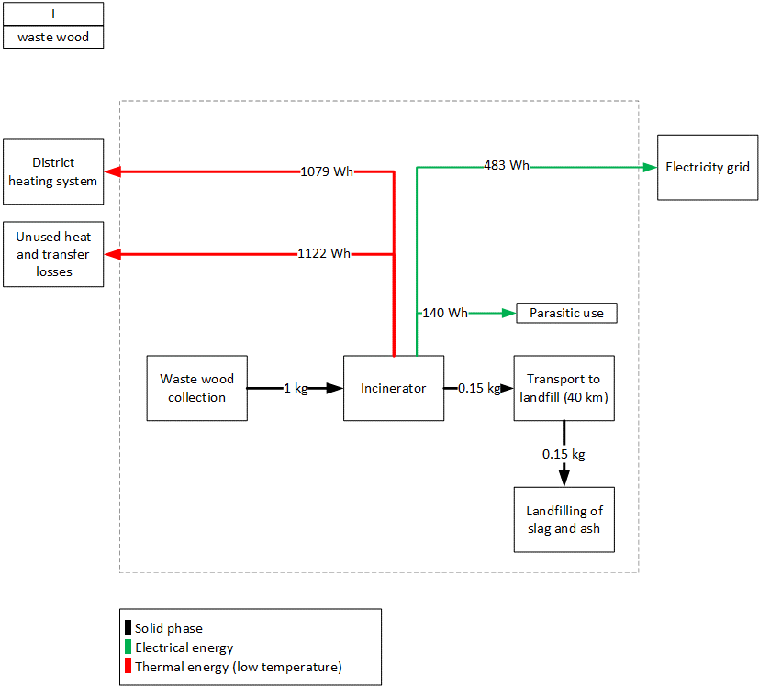
 |  | 4.25725E-07 | [kg] | lognormal: gmean=4.25725E-07 gsigma=3.99802 | Auxilliary input for mercury removal in filter ash treatment (FLUWA).
 |  | 9.52754E-07 | [kg] | lognormal: gmean=9.52754E-07 gsigma=2.09818 | Auxilliary inputs for the wastewater treatment stage of the incinerator plant.
 |  | 1.00577E-06 | [kg] | lognormal: gmean=1.00577E-06 gsigma=2.78817 | Input to DeNOx stage. Active component in SCR catalyst (vanadium pentoxide, V2O5), here approximated with the available chromium trioxide.
 |  | 1.56355E-05 | [kg] | lognormal: gmean=1.56355E-05 gsigma=1.36339 | Auxilliary inputs for the wastewater treatment stage of the incinerator plant. Proxy for Polyelectrolyte.
 |  | 4.92828E-05 | [kg] | lognormal: gmean=4.92828E-05 gsigma=2.78817 | Input to DeNOx stage (TiO2 catalyst carrier)
 |  | 0.000217633 | [kg] | lognormal: gmean=0.000217633 gsigma=1.18635 | Auxilliary inputs for the wastewater treatment stage of the incinerator plant.
 |  | 0.000228885 | [kg] | lognormal: gmean=0.000228885 gsigma=1.33472 | Auxilliary inputs for the flue gas treatment stage of the incinerator plant, and partially in the filter ash treatment (FLUWA).
 |  | 0.000543456 | [kg] | lognormal: gmean=0.000543456 gsigma=1.19020 | Auxilliary oxidising agent for filter ash treatment (FLUWA).
 |  | 0.000786606 | [kg] | lognormal: gmean=0.000786606 gsigma=2.31216 | Input to DeNOx stage (100% NH3).
 |  | 0.003128293 | [kg] | lognormal: gmean=0.00312829 gsigma=1.19438 | Cement required for solidification of landfilled residual material.
...
Combustion of waste wood in municipal waste incinerator (incl. landfilling of residues)
Emission | Zinc | 5.14764E-08 | [kg] | lognormal: gmean=5.14764E-08 gsigma=2.74000 | Emission to air from waste composition and transfer coefficients.
Emission | Zinc, ion | 3.44866E-05 | [kg] | lognormal: gmean=3.44866E-05 gsigma=3.84114 | Long-term emissions from landfilling of incineration residues.
Emission | Zinc, ion | 4.69421E-09 | [kg] | lognormal: gmean=4.69421E-09 gsigma=2.50644 | Emissions to water from waste composition and transfer coefficients in incinerator and landfills.

Heat distribution
Output incinerator |  | 100%
heat used in district heating system |  | -49%
unused heat, total |  | -51%

heat distribution in system

232-WW_co_I
 |  |  |  | Model graph (as given in openLCA): connection of forgeround processes
 | Unit | Uncertainty | Description
 | [kg*km] | lognormal: gmean=1 gsigma=1.82 | Waste collection
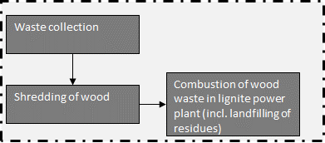
 | kg | (none) | Collected waste transported to treatment plant
...
Quantitiy/Formula | Unit | Uncertainty | Description
1 | t | (none) | Collected waste transported to treatment plant
5.30E-08 | [Item(s)] | lognormal: gmean=5.30000E-08 gsigma=1.87579 | Chipper, needed for wood-shredding
2.04E-06 | [kg] | lognormal: gmean=2.04000E-06 gsigma=1.58045 | Lubricating oil for machinery
4.08E-06 | [kg] | lognormal: gmean=4.08000E-06 gsigma=1.58045 | Replacement of steel parts
-0.02 | [kWh] | lognormal: gmean=-0.0200000 gsigma=1.58000 | Electricity demand
1 | [kg] | (none) | Reference unit
1 *distance | kg*km | (Uncertainty inherited from dependent parameters) | Transport to lignite power plant
222.4 | km | lognormal: gmean=222.400 gsigma=2.32000 | Average distance from any point in Germany to the closest lignite power plant
 |  |  |  | Energy and mass flows (dashed line is system boundary)
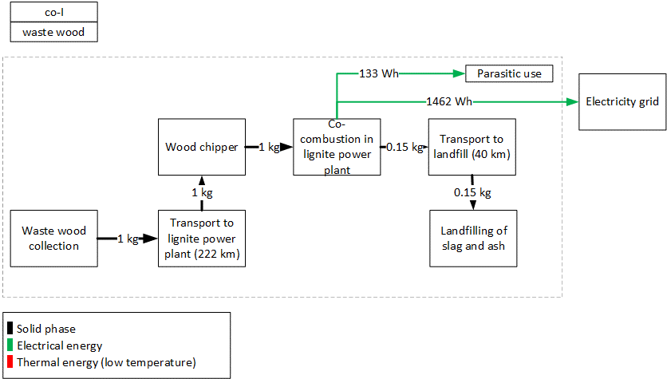
...
Quantitiy/Formula | Unit | Uncertainty | Description
pcs_lpp | [Item(s)] | Uncertainty from dependent parameters | Number of lignite power plants
3.27737E-11 | [Item(s)] | lognormal: gmean=3.27737E-11 gsigma=1.16027 | Landfill infrastructure required for landfilling of incineration residues.
2.46253E-10 | [Item(s)] | lognormal: gmean=2.46253E-10 gsigma=1.21688 | Landfill infrastructure required for landfilling of bottom ash.
6.63231E-08 | [kg] | lognormal: gmean=6.63231E-08 gsigma=3.73938 | Auxilliary input for mercury removal in filter ash treatment (FLUWA).
2.12578E-06 | [kg] | lognormal: gmean=2.12578E-06 gsigma=1.82214 | Auxilliary inputs for the wastewater treatment stage of the incinerator plant.
1.00577E-06 | [kg] | lognormal: gmean=1.00577E-06 gsigma=2.78818 | Input to DeNOx stage. Active component in SCR catalyst (vanadium pentoxide, V2O5), here approximated with the available chromium trioxide.
1.56591E-05 | [kg] | lognormal: gmean=1.56591E-05 gsigma=1.36281 | Auxilliary inputs for the wastewater treatment stage of the incinerator plant. Proxy for Polyelectrolyte.
4.92828E-05 | [kg] | lognormal: gmean=4.92828E-05 gsigma=2.78818 | Input to DeNOx stage (TiO2 catalyst carrier)
0.000219607 | [kg] | lognormal: gmean=0.000219607 gsigma=1.18427 | Auxilliary inputs for the wastewater treatment stage of the incinerator plant.
0.000230313 | [kg] | lognormal: gmean=0.000230313 gsigma=1.33267 | Auxilliary inputs for the flue gas treatment stage of the incinerator plant, and partially in the filter ash treatment (FLUWA).
0.000548464 | [kg] | lognormal: gmean=0.000548464 gsigma=1.18804 | Auxilliary oxidising agent for filter ash treatment (FLUWA).
0.000786606 | [kg] | lognormal: gmean=0.000786606 gsigma=2.31216 | Input to DeNOx stage (100% NH3).
0.003156144 | [kg] | lognormal: gmean=0.00315614 gsigma=1.19314 | Cement required for solidification of landfilled residual material.
0.006029596 | [t*km] | lognormal: gmean=0.00602960 gsigma=1.19837 | Transport services to transport incineration residues to landfills and filter ash to external treatments (FLUWA).
0.015731393 | [kg] | lognormal: gmean=0.0157314 gsigma=1.16027 | Mass-specific expenditures required for landfilling of incineration residues.
0.138517078 | [kg] | lognormal: gmean=0.138517 gsigma=1.21688 | Mass-specific expenditures required for landfilling of bottom ash.
0.147094863 | [MJ] | lognormal: gmean=0.147095 gsigma=2.31216 | Input to DeNOx stage, to heat up flue gas in low-dust SCR. | Parasitic electricity demands
0.185636662 | [kg] | lognormal: gmean=0.185637 gsigma=1.82214 | Incinerator process water used in flue gas scrubber stage. | Wood chipper | 20 | Wh/kg FM
1 | [kg] | (none) | Reference unit | Lignite power plant | 113.0 | Wh/kg FM
6.52253E-10 | [kg] | lognormal: gmean=6.52253E-10 gsigma=2.39000 | Emission to air from waste composition and transfer coefficients.
0.000642168 | [kg] | lognormal: gmean=0.000642168 gsigma=2.19119 | Long-term emissions from landfilling of incineration residues.
1.00462E-07 | [kg] | lognormal: gmean=1.00462E-07 gsigma=2.75800 | Emissions to water from waste composition and transfer coefficients in incinerator and landfills.
9.24849E-07 | [kg] | lognormal: gmean=9.24849E-07 gsigma=2.38631 | Nitrogen species emitted to air after DeNOx stage.
4.82472E-10 | [kg] | lognormal: gmean=4.82472E-10 gsigma=1.07635 | Long-term emissions from landfilling of incineration residues.
2.62841E-10 | [kg] | lognormal: gmean=2.62841E-10 gsigma=1.18761 | Emissions to water from waste composition and transfer coefficients in incinerator and landfills.
...

233-WW_HTC_I
 |  |  |  |  |  | Model graph (as given in openLCA): connection of forgeround processes
 |  | Quantitiy/Formula | Unit | Uncertainty | Description | 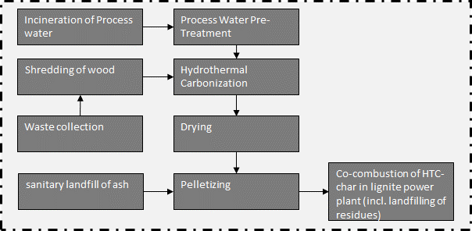
 |  | 1 | [kg*km] | lognormal: gmean=5 gsigma=1.24 | Waste collection
 |  | 40 | [kg*km] | lognormal: gmean=40 gsigma=1.21 | Collection to treatment plant (=40 km)
 |  | 1 | kg | (none) | Collected waste transported to treatment plant
...
 |  | Quantitiy/Formula | Unit | Uncertainty | Description
 |  | 1 | t | (none) | Collected waste transported to treatment plant
 |  | 5.30E-08 | [Item(s)] | lognormal: gmean=5.30000E-08 gsigma=1.87579 | Chipper, needed for wood-shredding
 |  | 2.04E-06 | [kg] | lognormal: gmean=2.04000E-06 gsigma=1.58045 | Lubricating oil for machinery
 |  | 4.08E-06 | [kg] | lognormal: gmean=4.08000E-06 gsigma=1.58045 | Replacement of steel parts
 |  | -0.02 | [kWh] | lognormal: gmean=-0.0200000 gsigma=1.58000 | Electricity demand
 |  | 1 | [kg] | (none) | Reference unit
...
 |  | Quantitiy/Formula | Unit | Uncertainty | Description
 |  | 1 | [kg] | (none) | Amount of waste wood to the reactor, reference unit
 |  | heat/0.9 | [kWh] | (Uncertainty inherited from dependent parameters) | Heat demand of HTC-reactor, 90% efficiency of heater
 |  | HTC_plant_pcs | [Item(s)] | (Uncertainty inherited from dependent parameters) | Number of HTC-plants, based on Owsianiak et al. (2016)
 |  | HTC_plant_pcs | [Item(s)] | (Uncertainty inherited from dependent parameters) | Number of HTC-plants (EoL), based on Owsianiak et al. (2016) | Energy and mass flows (dashed line is system boundary)
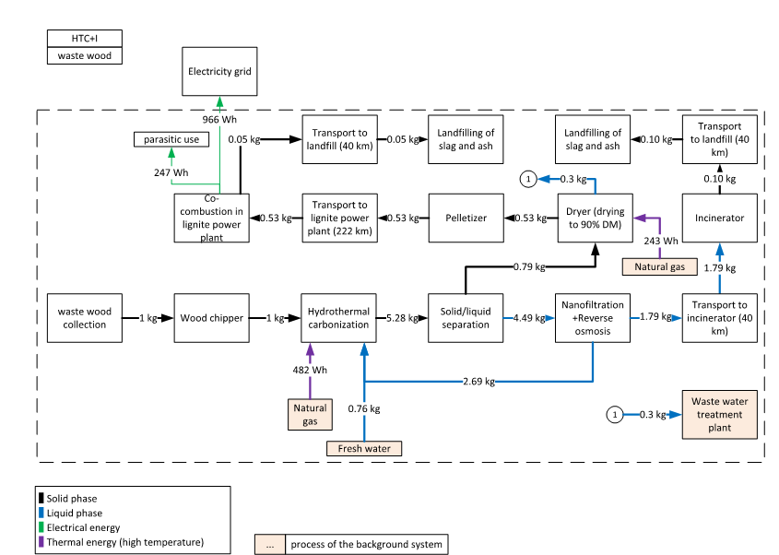
 |  | water_out_no_recy | [kg] | (Uncertainty inherited from dependent parameters) | Amount of process water, which needs to be treated
 |  | 1.65 | [kg] | (none) | Amount of added water
 |  | CO2 | [g] | (Uncertainty inherited from dependent parameters) | Emissions of CO2
 |  | CO | [g] | (Uncertainty inherited from dependent parameters) | Emissions of CO
 |  | -el | [kWh] | (Uncertainty inherited from dependent parameters) | Electricity demand for HTC reactor+infrastructure
 |  | mass_out | [kg] | (Uncertainty inherited from dependent parameters) | Amount of hydrochar
 |  | CH4 | [g] | (Uncertainty inherited from dependent parameters) | Emissions of CH4
 |  | 0.176 | [] | triangular: min=0.0700000 mode=0.1760000 max=0.250000 | Ratio of biomass to water
 |  | 0.032 | [g/kg FM] | lognormal: gmean=0.0320000 gsigma=2.06000 | CH4 emissions
 |  | 4 | [g/kg FM] | lognormal: gmean=4.00000 gsigma=2.06000 | CO emissions
 |  | 80.8 | [g/kg FM] | lognormal: gmean=80.8000 gsigma=2.06000 | CO2 emissions
 |  | 0.37655 | [] | normal: mean=0.376550 sigma=0.0430000 | Dry mass content of biowaste
 |  | 0.6 | [] | triangular: min=0.500000 mode=0.600000 max=0.700000 | Dry mass of hydrochar after dewatering
 |  | 12.71 | [kWh/t DM] | lognormal: gmean=12.71 gsigma=1.52 | Electricity demand decanter
 |  | 22.68 | [kWh/t DM] | lognormal: gmean=22.68 gsigma=1.52 | Electricity demand grinder + mixer
 |  | 0.435 | [kWh] | triangular: min=0.376000 mode=0.435000 max=0.560000 | Heat demand of HTC-reactor
 |  | 15 | [a] | uniform: min=10.0000 max=20.0000 | Lifetime of HTC plant
 |  | 1 | [kg] | (none) | Mass of OFMSW
 |  | 0.59 | [kg DM/kg DM] | triangular: min=0.53 mode=0.59 max=0.63 | Product yield of hydrochar
 |  | 10000 | [t/a] | (none) | Throughput of OFMSW (fresh mass)
 |  | 9745 | [t/a] | (none) | Throughput as given in background process
 |  | ((water_in_no_recy+1)*((1/1000)*(23,2-1)/0.65)*(10^5)/1000)/(DM_in/100) /3.6 | [kWh/t DM] |  | Electricity demand pump (progressive cavitiy pump, eta=0.65, p=23,2 bar)
 |  | ((el_pump+el_mix+el_dec)/1000)*DM_biowaste | [kWh] |  | Specific electricity demand for this waste
 |  | upscale*((1.0/throughput /lifetime_plant ))/1000 | [Item(s)] |  | Number of HTC-plants for treatment of 1 kg biowaste
 |  | ((1*DM_biowaste)*(product_yield))/drymass_char | [kg] |  | Output of dewatered hydrochar
 |  | (DM_biowaste *throughput ) | [t/a] |  | Evisaged througput given as DM
 |  | (throughput_DM /throughput_given)^0.6 | [] |  | Upscale factor, 6-10th rule
 |  | mass_in*(1-DM_biowaste) | [kg] |  | Water of biomass
 |  | (DM_biowaste )/biomass_to_water-(1-DM_biowaste ) | [kg] |  | Water fed to reactor, no recirculation assumed
 |  | mass_in -(CO2+CO+CH4)/1000-mass_out | [kg] |  | Prozesswassermenge [kg], no water is added | Parasitic electricity demands
 |  | mass_in +water_in_no_recy -(CO2+CH4+CO)/1000-mass_out | [kg] |  | Process water to treatment, no recirculation assumed | Wood chipping | 20 | Wh/kg FM
 |  |  |  |  |  | HTC | 13.5 | Wh/kg FM
 |  |  |  |  |  | Process water treatment | 26.2 | Wh/kg FM
 |  | Quantitiy/Formula | Unit | Uncertainty | Description | Dryer | 15.7 | Wh/kg FM
 |  | 0.0062 | [kg] | lognormal: gmean=0.00620000 gsigma=1.56468 | Chemicals needed for reverse osmosis | Pelletizer | 50.4 | Wh/kg FM
 |  | 0.025 | [kg] | lognormal: gmean=0.0250000 gsigma=1.56468 | Chemicals needed for reverse osmosis | Lignite power plant | 121.2 | Wh/kg FM
...
sanitary landfill of ash
Emission | Zinc | 4.35112E-10 | [kg] | lognormal: gmean=4.35112E-10 gsigma=1.61429 | Emissions from short-term leachate treatment and incineration of resulting sludge.
Emission | Zinc | 8.56669E-09 | [kg] | lognormal: gmean=8.56669E-09 gsigma=2.00659 | Burden from direct release or incineration of landfill biogas; or windblown leachate evaporite in arid climates.
Emission | Zinc, ion | 0.002978426 | [kg] | lognormal: gmean=0.00297843 gsigma=1.43142 | Emissions from long-term leachate (>100a) directly from MSW landfill and indirectly via incineration of treatement sludge from leachate treatement.
Emission | Zinc, ion | 1.19207E-05 | [kg] | lognormal: gmean=1.19207E-05 gsigma=1.58673 | Emissions from short-term leachate treatment and incineration of resulting sludge.

Heat distribution
support fuel |  | 100%
HTC |  | -60%
dryer |  | -40%
heat distribution in system

234-WW_HTC_G
 |  |  |  |  | Model graph (as given in openLCA): connection of forgeround processes
 | Quantitiy/Formula | Unit | Uncertainty | Description | 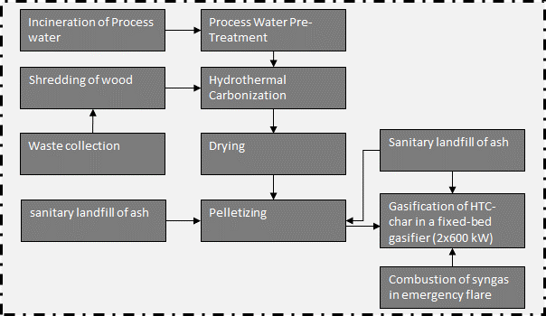
 | 1 | [kg*km] | lognormal: gmean=1 gsigma=1.82 | Waste collection
 | 40 | [kg*km] | lognormal: gmean=40 gsigma=1.21 | Collection to treatment plant (=40 km)
 | 1 | kg | (none) | Collected waste transported to treatment plant
...
 | Quantitiy/Formula | Unit | Uncertainty | Description
 | 1 | t | (none) | Collected waste transported to treatment plant
 | 5.30E-08 | [Item(s)] | lognormal: gmean=5.30000E-08 gsigma=1.87579 | Chipper, needed for wood-shredding
 | 2.04E-06 | [kg] | lognormal: gmean=2.04000E-06 gsigma=1.58045 | Lubricating oil for machinery
 | 4.08E-06 | [kg] | lognormal: gmean=4.08000E-06 gsigma=1.58045 | Replacement of steel parts
 | -0.02 | [kWh] | lognormal: gmean=-0.0200000 gsigma=1.58000 | Electricity demand
 | 1 | [kg] | (none) | Reference unit
...
 | Quantitiy/Formula | Unit | Uncertainty | Description
 | 1 | [kg] | (none) | Amount of waste wood to the reactor, reference unit
 | heat/0.9 | [kWh] | (Uncertainty inherited from dependent parameters) | Heat demand of HTC-reactor, 90% efficiency of heater
 | HTC_plant_pcs | [Item(s)] | (Uncertainty inherited from dependent parameters) | Number of HTC-plants, based on Owsianiak et al. (2016)
 | HTC_plant_pcs | [Item(s)] | (Uncertainty inherited from dependent parameters) | Number of HTC-plants (EoL), based on Owsianiak et al. (2016) | Energy and mass flows (dashed line is system boundary)
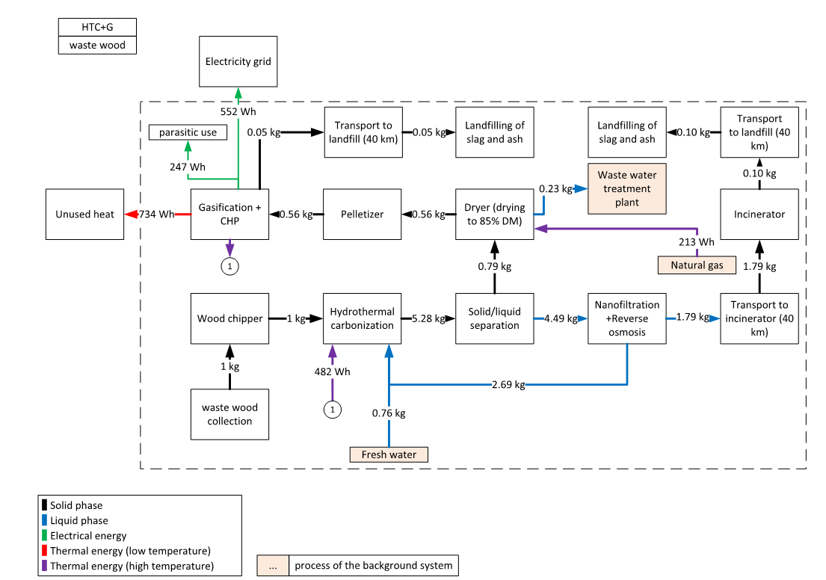
 | water_out_no_recy | [kg] | (Uncertainty inherited from dependent parameters) | Amount of process water, which needs to be treated
 | 1.65 | [kg] | (none) | Amount of added water
 | CO2 | [g] | (Uncertainty inherited from dependent parameters) | Emissions of CO2
 | CO | [g] | (Uncertainty inherited from dependent parameters) | Emissions of CO
 | -el | [kWh] | (Uncertainty inherited from dependent parameters) | Electricity demand for HTC reactor+infrastructure
 | mass_out | [kg] | (Uncertainty inherited from dependent parameters) | Amount of hydrochar
 | CH4 | [g] | (Uncertainty inherited from dependent parameters) | Emissions of CH4
 | 0.176 | [] | triangular: min=0.0700000 mode=0.1760000 max=0.250000 | Ratio of biomass to water
 | 0.032 | [g/kg FM] | lognormal: gmean=0.0320000 gsigma=2.06000 | CH4 emissions
 | 4 | [g/kg FM] | lognormal: gmean=4.00000 gsigma=2.06000 | CO emissions
 | 80.8 | [g/kg FM] | lognormal: gmean=80.8000 gsigma=2.06000 | CO2 emissions
 | 0.37655 | [] | normal: mean=0.376550 sigma=0.0430000 | Dry mass content of biowaste
 | 0.6 | [] | triangular: min=0.500000 mode=0.600000 max=0.700000 | Dry mass of hydrochar after dewatering
 | 12.71 | [kWh/t DM] | lognormal: gmean=12.71 gsigma=1.52 | Electricity demand decanter
 | 22.68 | [kWh/t DM] | lognormal: gmean=22.68 gsigma=1.52 | Electricity demand grinder + mixer
 | 0.435 | [kWh] | triangular: min=0.376000 mode=0.435000 max=0.560000 | Heat demand of HTC-reactor
 | 15 | [a] | uniform: min=10.0000 max=20.0000 | Lifetime of HTC plant
 | 1 | [kg] | (none) | Mass of OFMSW
 | 0.59 | [kg DM/kg DM] | triangular: min=0.53 mode=0.59 max=0.63 | Product yield of hydrochar
 | 10000 | [t/a] | (none) | Throughput of OFMSW (fresh mass)
 | 9745 | [t/a] | (none) | Throughput as given in background process
 | ((water_in_no_recy+1)*((1/1000)*(23,2-1)/0.65)*(10^5)/1000)/(DM_in/100) /3.6 | [kWh/t DM] |  | Electricity demand pump (progressive cavitiy pump, eta=0.65, p=23,2 bar)
 | ((el_pump+el_mix+el_dec)/1000)*DM_biowaste | [kWh] |  | Specific electricity demand for this waste
 | upscale*((1.0/throughput /lifetime_plant ))/1000 | [Item(s)] |  | Number of HTC-plants for treatment of 1 kg biowaste
 | ((1*DM_biowaste)*(product_yield))/drymass_char | [kg] |  | Output of dewatered hydrochar
 | (DM_biowaste *throughput ) | [t/a] |  | Evisaged througput given as DM
 | (throughput_DM /throughput_given)^0.6 | [] |  | Upscale factor, 6-10th rule
 | mass_in*(1-DM_biowaste) | [kg] |  | Water of biomass
 | (DM_biowaste )/biomass_to_water-(1-DM_biowaste ) | [kg] |  | Water fed to reactor, no recirculation assumed
 | mass_in -(CO2+CO+CH4)/1000-mass_out | [kg] |  | Prozesswassermenge [kg], no water is added
 | mass_in +water_in_no_recy -(CO2+CH4+CO)/1000-mass_out | [kg] |  | Process water to treatment, no recirculation assumed | Parasitic electricity demands
 |  |  |  |  | HTC | 13.49 | Wh/kg FM
 |  |  |  |  | Process water treatment | 26.23 | Wh/kg FM
 | Quantitiy/Formula | Unit | Uncertainty | Description | Dryer | 13.9 | Wh/kg FM
 | 0.0062 | [kg] | lognormal: gmean=0.00620000 gsigma=1.56468 | Chemicals needed for reverse osmosis | Pelletizer | 53.3 | Wh/kg FM
 | 0.025 | [kg] | lognormal: gmean=0.0250000 gsigma=1.56468 | Chemicals needed for reverse osmosis | Wood chipping | 20 | Wh/kg FM
 | 0.0372 | [kg] | lognormal: gmean=0.0372000 gsigma=1.56468 | Chemicals needed for reverse osmosis | Gasifier | 119.9 | Wh/kg FM
 | water_inc | [kg] | (none) | Amount of water sent to incineration plant (retentate)
...
Heat distribution
Output CHP, on-site, high temperature heat | 38%
Output CHP, on-site, low temperature heat | 53%
support fuel | 9%
heat demand HTC | -24%
heat demand dryer (to 85 wt-%) | -14%
unused heat, total | -63%

heat distribution in system

235-WW_G
 |  |  |  |  |  | Model graph (as given in openLCA): connection of forgeround processes
 |  | Quantitiy/Formula | Unit | Uncertainty | Description | 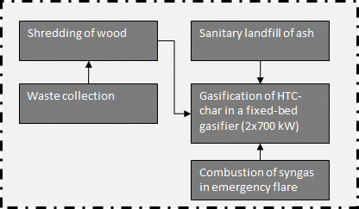
 |  | 1 | [kg*km] | lognormal: gmean=1 gsigma=1.82 | Waste collection
 |  | 40 | [kg*km] | lognormal: gmean=40 gsigma=1.21 | Collection to treatment plant (=40 km)
 |  | 1 | kg | (none) | Collected waste transported to treatment plant
...
 |  | Quantitiy/Formula | Unit | Uncertainty | Description
 |  | 1 | t | (none) | Collected waste transported to treatment plant
 |  | 5.30E-08 | [Item(s)] | lognormal: gmean=5.30000E-08 gsigma=1.87579 | Chipper, needed for wood-shredding
 |  | 2.04E-06 | [kg] | lognormal: gmean=2.04000E-06 gsigma=1.58045 | Lubricating oil for machinery
 |  | 4.08E-06 | [kg] | lognormal: gmean=4.08000E-06 gsigma=1.58045 | Replacement of steel parts
 |  | -0.02 | [kWh] | lognormal: gmean=-0.0200000 gsigma=1.58000 | Electricity demand
 |  | 1 | [kg] | (none) | Reference unit
...
 |  | Quantitiy/Formula | Unit | Uncertainty | Description
 |  | 0.00118 | [kg] | lognormal: gmean=0.00118000 gsigma=1.23660 | Activated carbon required for flue gas treatment
 |  | -ash | [kg] | (none) | Landfilling of ash resulting from gasification
 |  | prod_gas*(1-emergency_torch) | [m3] | (none) | Share of product gas to emergency flare
 |  | 0.003128293 | [kg] | lognormal: gmean=0.003128293 gsigma=1.52117 | Cement required for solidification of filter ash | Energy and mass flows (dashed line is system boundary)

 |  | pcs_gf | [Item(s)] | (none) | Production of a gasification plant, small-scale
 |  | pcs_CHP | [Item(s)] | uncertainty inherhited from dependent parameters | Value for cogeneration of natural gas used as approximination
 |  | pcs_CHP | [Item(s)] | uncertainty inherhited from dependent parameters | Value for cogeneration of natural gas used as approximination
 |  | pcs_CHP | [Item(s)] | uncertainty inherhited from dependent parameters | Value for cogeneration of natural gas used as approximination
 |  | 1 | [kg] | (none) | Reference unit
 |  | lime | [kg] | lognormal: gmean=3.696192E-4 gsigma=1.23660 | For flue gas treatment (acidic components)
 |  | 0.00023481881331 | [kg] | lognormal: gmean=0.000234819 gsigma=1.33769 | Value for cogeneration of natural gas used as approximination. Assumption of a lubricate consumption of 0.03 g/MJin
 |  | 0.001019048 | [kg] | lognormal: gmean=0.00101905 gsigma=1.23545 | For purging reactor
 |  | -0.00118 | [kg] | lognormal: gmean=-0.00118000 gsigma=1.23660 | Waste generation, activated carbon
 |  | 40*ash | [kg*km] | lognormal: gmean=6.0268268 gsigma=1.10224 | Transport of residues to landfill
 |  | diesel | [kg] | lognormal: gmean=0.00780 gsigma=1.20772 | Rape methyl ester required for tar removal
 |  | -waste_gypsum | [kg] | lognormal: gmean=-0.0005074 gsigma=1.50512 | Waste from lime consumption
 |  | -0.00023481881331 | [kg] | lognormal: gmean=-0.000234819 gsigma=1.27884 | Value for cogeneration of natural gas used as approximation
 |  | 0.013953333 | [kg] | lognormal: gmean=0.0139533 gsigma=1.23660 | Ancillary goods for flue gas scrubbing
 |  | 0.000933333 | [kg] | lognormal: gmean=9.33E-4 gsigma=1.23660 | Ancillary goods for flue gas scrubbing
 |  | 8.57143E-06 | [kg] | lognormal: gmean=8.57E-6 gsigma=1.23660 | Ancillary goods for flue gas scrubbing
 |  | 6.52E-10 | [kg] | lognormal: gmean=0.000000000652 gsigma=2.34980 | Emission to air (flue gas)
 |  | 6.52E-09 | [kg] | lognormal: gmean=0.00000000652 gsigma=2.32272 | Emission to water (waste water, scrubber sludge)
 |  | 3.512E-08 | [kg] | lognormal: gmean=0.00000003512 gsigma=3.21579 | Emission to air (flue gas)
 |  | 1.576E-16 | [kg] | lognormal: gmean=1.576E-16 gsigma=3.22296 | Emission to water (waste water, scrubber sludge)
 |  | 4.08E-10 | [kg] | lognormal: gmean=0.000000000408 gsigma=3.50654 | Emission to air (flue gas)
 |  | 4.08E-11 | [kg] | lognormal: gmean=0.0000000000408 gsigma=3.51699 | Emission to water (waste water, scrubber sludge)
 |  | 0.0000236 | [kg] | lognormal: gmean=0.0000236 gsigma=2.02556 | Emission to air (flue gas)
 |  | 0.0000236 | [kg] | lognormal: gmean=0.0000236 gsigma=2.02556 | Emission to water (waste water, scrubber sludge)
 |  | CO2_lime | [kg] | (Uncertainty inherited from dependent parameters) | Emission to air (flue gas)
 |  | em_CO | [kg] | (Uncertainty inherited from dependent parameters) | Emission to air (flue gas)
 |  | 6.984E-08 | [kg] | lognormal: gmean=0.00000006984 gsigma=2.69387 | Emission to air (flue gas)
 |  | 6.208E-09 | [kg] | lognormal: gmean=0.000000006208 gsigma=2.71294 | Emission to water (waste water, scrubber sludge)
 |  | 1.816E-09 | [kg] | lognormal: gmean=0.000000001816 gsigma=3.48754 | Emission to air (flue gas)
 |  | 9.92E-12 | [kg] | lognormal: gmean=0.00000000000992 gsigma=3.49481 | Emission to water (waste water, scrubber sludge)
 |  | 4.032E-09 | [kg] | lognormal: gmean=0.000000004032 gsigma=2.80206 | Emission to air (flue gas) | Parasitic electricity demands
 |  | 4.032E-09 | [kg] | lognormal: gmean=0.000000004032 gsigma=2.79915 | Emission to water (waste water, scrubber sludge) | HTC | 13.49 | Wh/kg FM
 |  | 3.75E-06 | [kg] | lognormal: gmean=3.75000E-06 gsigma=2.29423 | Emissions of Dinitrogen monoxide to air | Process water treatment | 25.72 | Wh/kg FM
 |  | (el -p_el) | [kWh] | (none) | Electricity output (net, parasitic share of gasification plant is accounted for) | Dryer | 11.6 | Wh/kg FM
 |  | heat | [kWh] | (none) | Gross heat production | Pelletizer | 59.18 | Wh/kg FM
 |  | em_HCl | [kg] | (Uncertainty inherited from dependent parameters) | Emission to air (flue gas) | Gasifier | 129.9 | Wh/kg FM
 |  | 1.128E-09 | [kg] | lognormal: gmean=0.000000001128 gsigma=2.38366 | Emission to air (flue gas)
 |  | 1.128E-08 | [kg] | lognormal: gmean=0.00000001128 gsigma=2.35777 | Emission to water (waste water, scrubber sludge)
 |  | 9.2E-10 | [kg] | lognormal: gmean=0.00000000092 gsigma=3.04981 | Emission to air (flue gas)
...
Combustion of syngas in emergency flare (biogas-emergency flare as proxy)
Emission | Methane, non-fossil | 4.18E-04 | [kg] | lognormal: gmean=0.000418000 gsigma=1.57634 | CH4-emissions to air
Emission | Nitrogen oxides | 4.53E-07 | [kg] | lognormal: gmean=4.53300E-07 gsigma=1.22959 | NOx-emissions to air
Emission | Particulates, < 2.5 um | 8.49E-07 | [kg] | lognormal: gmean=8.49000E-07 gsigma=1.22959 | PM-emissions to air
Emission | Sulfur dioxide | 9.21E-08 | [kg] | lognormal: gmean=9.21100E-08 gsigma=1.22959 | SO2-emissions to air

Heat distribution
Output CHP |  | 100%
heat used in district heating system |  | -49%
unused heat, total |  | -51%
heat distribution in system

236-WW_P_I
 |  |  |  |  |  | Model graph (as given in openLCA): connection of forgeround processes
 |  | Quantitiy/Formula | Unit | Uncertainty | Description | 
 |  | 1 | [kg*km] | lognormal: gmean=1 gsigma=1.82 | Waste collection
 |  | 40 | [kg*km] | lognormal: gmean=40 gsigma=1.21 | Collection to treatment plant (=40 km)
 |  | 1 | kg | (none) | Collected waste transported to treatment plant
...
 |  | Quantitiy/Formula | Unit | Uncertainty | Description
 |  | 0.00033421 | [kg] | lognormal: gmean=0.000334211 gsigma=1.54944 | For flue gas treatment
 |  | -ash | [kg] | (none) | Disposal of filter ash
 |  | (0.2/0.5)*ash | [kg] | lognormal: gmean=0.000182400 gsigma=1.23660 | Demand in Cement for solidfying filter ash
 |  | 0.02330003 | [MJ] | lognormal: gmean=0.0233000 gsigma=1.25798 | Start up energy, pyrolysis plant (combustion of diesel as proxy for combustion of kerosene)
 |  | 0.00054186 | [kg] | lognormal: gmean=0.000541861 gsigma=1.15453 | Start up energy, pyrolysis plant (accounts only for the production of kerosene)
 |  | lime | [kg] | lognormal: gmean=0.000264726 gsigma=1.53309 | For flue gas treatment of acidic components
 |  | 0.00030481 | [kg] | lognormal: gmean=0.304813 gsigma=1.15453 | For providing an inert atmosphere in pyrolysis kiln
 |  | pcs_plant | [Item(s)] | (Uncertainty inherited from dependent parameters) | Number of required pyrolysis plants
 |  | NaHCO3 | [kg] | lognormal: gmean=0.000244236 gsigma=1.25450 | For flue gas treatment of acidic components
 |  | -0.00033421 | [kg] | lognormal: gmean=-0.000334211 gsigma=1.25450 | Waste residue from flue gas treatment
 |  | 0.30190134 | [kg] | lognormal: gmean=0.301901 gsigma=1.15453 | For deslagger
 |  | 1.00000000 | [kg] | (none) | Collected waste
 |  | dist*coke | [kg*km] | lognormal: gmean=61.3289 gsigma=1.05000 | Transport of coke to lignite power plant | Energy and mass flows (dashed line is system boundary)

 |  | ash*40/1000 | [t*km] | lognormal: gmean=1.82400E-05 gsigma=1.50073 | Transport of ash to landfill site
 |  | 0.00059366 | [kg] | lognormal: gmean=0.000593664 gsigma=1.15453 | For flue gas treatment (SNCR)
 |  | -waste_gypsum | [kg] | lognormal: gmean=-0.000363409 gsigma=1.53309 | Waste residue from flue gas treatment
 |  | -0.30190134 | [l] | lognormal: gmean=-0.301901 gsigma=1.15453 | Waste water from wet deslagger
 |  | Al_air_em | [kg] | (Uncertainty inherited from dependent parameters) | Emission to air
 |  | em_NH3 | [kg] | (Uncertainty inherited from dependent parameters) | Emission to air
 |  | Cd_air_em | [kg] | (Uncertainty inherited from dependent parameters) | Emission to air
 |  | CO2_lime +CO2_NaHCO3 | [kg] | (Uncertainty inherited from dependent parameters) | Emission to air
 |  | CO_bio | [kg] | (Uncertainty inherited from dependent parameters) | Emission to air
 |  | Cr_air_em | [kg] | (Uncertainty inherited from dependent parameters) | Emission to air
 |  | Co_air_em | [kg] | (Uncertainty inherited from dependent parameters) | Emission to air
 |  | Cu_air_em | [kg] | (Uncertainty inherited from dependent parameters) | Emission to air
 |  | em_N2O | [kg] | (Uncertainty inherited from dependent parameters) | Emission to air
 |  | -el_para | [KWh] | lognormal: gmean=-0.180668 gsigma=1.15453 | Parasitic electricity demand
 |  | el | [KWh] | lognormal: gmean=0.00000 gsigma=1.53379 | Gross electricity production
 |  | 0 | [KWh] | (none) | Gross heat production
 |  | HCl_air_em | [mg] | (Uncertainty inherited from dependent parameters) | Emission to air
 |  | HF | [kg] | lognormal: gmean=5.89519E-07 gsigma=1.15453 | Emission to air
 |  | Fe_air_em | [kg] | (Uncertainty inherited from dependent parameters) | Emission to air
 |  | Pb_air_em | [kg] | (Uncertainty inherited from dependent parameters) | Emission to air
 |  | Hg_air_em | [kg] | (Uncertainty inherited from dependent parameters) | Emission to air
 |  | Ni_air_em | [kg] | (Uncertainty inherited from dependent parameters) | Emission to air
 |  | 3.61E-04 | [kg] | triangular: min=0.000289000 mode=0.000361000 max=0.000433000 | Emissions to air (according to limit values of the 17. BImSchV)
 |  | PM *(99.5/100) | [kg] | (Uncertainty inherited from dependent parameters) | 99.5% released as PM <2.5 um
 |  | PM*0.005 | [kg] | (Uncertainty inherited from dependent parameters) | Emission to air
 |  | K_air_em | [kg] | (Uncertainty inherited from dependent parameters) | Emission to air
 |  | coke | [kg] | (Uncertainty inherited from dependent parameters) | Pyrolysis char produced in system
 |  | So2_air_em | [mg] | (Uncertainty inherited from dependent parameters) | Emission to air
 |  | Zn_air_em | [kg] | (Uncertainty inherited from dependent parameters) | Emission to air
 |  | 800 | [mg/kg raw] | triangular: min=264.000 mode=800.000 max=1680.00 | Elemental compostiont of substrate
 |  | 0.147 | [kg/kg] | lognormal: gmean=0.147000 gsigma=2.23000 | Transfer of this element from the substrate to the gas phase
 |  | 4.48 | [mg/kg raw] | triangular: min=1.68000 mode=4.48000 max=7.08000 | Elemental compostiont of substrate
 |  | 0.265 | [kg/kg] | triangular: min=0.0970000 mode=0.265000 max=0.433000 | Transfer of this element from the substrate to the gas phase
 |  | 4.56E-04 | [kg/kg] | (none) | Ash to gas
 |  | 0.3 | kg/kg] | uniform: min=0.250000 max=0.350000 | Ash content average waste
 |  | 0.05856 | [kg/kg] | (none) | Ash content of substrate | Parasitic electricity demands
 |  | 0.8 | [mg/kg raw] | triangular: min=0.0960000 mode=0.800000 max=1.60000 | Elemental compostiont of substrate | Pyrolysis | 180 | Wh/kg FM
 |  | 0.3059 | [kg/kg] | triangular: min=0.00000 mode=0.305900 max=0.880000 | Transfer of this element from the substrate to the gas phase | Lignite power plant | 50.0 | Wh/kg FM
 |  | 90.41134186 | [mg/kg raw] | triangular: min=0.0560000 mode=90.4113 max=2560.00 | Elemental compostiont of substrate
 |  | 0.95 | [kg/kg] | triangular: min=0.900000 mode=0.950000 max=1.00000 | Transfer of this element from the substrate to the gas phase
 |  | 1 | [mg/kg raw] | triangular: min=1.00000 mode=1.00000 max=4.08000 | Elemental compostiont of substrate
 |  | 2.47E-05 | [kg] | lognormal: gmean=2.46901E-05 gsigma=2.15400 | Carbon monoxide
 |  | 0.14 | [kg/kg] | triangular: min=0.00000 mode=0.140000 max=0.140000 | Transfer of this element from the substrate to the gas phase
 |  | 21.6 | [mg/kg raw] | triangular: min=3.20000 mode=21.6000 max=76.0000 | Elemental compostiont of substrate
...
sanitary landfill of ash
Emission | Zinc | 3.70749E-09 | kg | lognormal: gmean=3.70749E-09 gsigma=2.04515 | Burden from direct release or incineration of landfill biogas; or windblown leachate evaporite in arid climates.
Emission | Zinc, ion | 0.001288704 | kg | lognormal: gmean=0.00128870 gsigma=1.48333 | Emissions from long-term leachate (>100a) directly from MSW landfill and indirectly via incineration of treatement sludge from leachate treatement.
Emission | Zinc, ion | 5.15905E-06 | kg | lognormal: gmean=5.15905E-06 gsigma=1.63218 | Emissions from short-term leachate treatment and incineration of resulting sludge.

Heat distribution
Output pyrolysis plant |  | 100%
heat used in district heating system |  | -49%
unused heat, total |  | -51%

heat distribution in system
 | Output CHP | heat used in district heating system | unused heat, total
2 | 100% | -49% | -51%

237-WW_P_G
 |  |  |  |  |  | Model graph (as given in openLCA): connection of forgeround processes
...

...
 |  | 0.00054186 | [kg] | lognormal: gmean=0.000541861 gsigma=1.15453 | Start up energy, pyrolysis plant (accounts only for the production of kerosene)
 |  | lime | [kg] | lognormal: gmean=0.000264726 gsigma=1.53309 | For flue gas treatment of acidic components
 |  | 0.00030481 | [kg] | lognormal: gmean=0.304813 gsigma=1.15453 | For providing an inert atmosphere in pyrolysis kiln
 |  | pcs_plant | [Item(s)] | (Uncertainty inherited from dependent parameters) | Number of required pyrolysis plants
 |  | NaHCO3 | [kg] | lognormal: gmean=0.000244236 gsigma=1.25450 | For flue gas treatment of acidic components
 |  | -0.00033421 | [kg] | lognormal: gmean=-0.000334211 gsigma=1.25450 | Waste residue from flue gas treatment
 |  | 0.30190134 | [kg] | lognormal: gmean=0.301901 gsigma=1.15453 | For deslagger
 |  | 1.00000000 | [kg] | (none) | Collected waste
 |  | ash*40/1000 | [t*km] | lognormal: gmean=1.82400E-05 gsigma=1.50073 | Transport of ash to landfill site
 |  | 0.00059366 | [kg] | lognormal: gmean=0.000593664 gsigma=1.15453 | For flue gas treatment (SNCR) | Energy and mass flows (dashed line is system boundary)

 |  | -waste_gypsum | [kg] | lognormal: gmean=-0.000363409 gsigma=1.53309 | Waste residue from flue gas treatment
 |  | -0.30190134 | [l] | lognormal: gmean=-0.301901 gsigma=1.15453 | Waste water from wet deslagger
 |  | Al_air_em | [kg] | (Uncertainty inherited from dependent parameters) | Emission to air
 |  | em_NH3 | [kg] | (Uncertainty inherited from dependent parameters) | Emission to air
 |  | Cd_air_em | [kg] | (Uncertainty inherited from dependent parameters) | Emission to air
 |  | CO2_lime +CO2_NaHCO3 | [kg] | (Uncertainty inherited from dependent parameters) | Emission to air
 |  | CO_bio | [kg] | (Uncertainty inherited from dependent parameters) | Emission to air
 |  | Cr_air_em | [kg] | (Uncertainty inherited from dependent parameters) | Emission to air
 |  | Co_air_em | [kg] | (Uncertainty inherited from dependent parameters) | Emission to air
 |  | Cu_air_em | [kg] | (Uncertainty inherited from dependent parameters) | Emission to air
 |  | em_N2O | [kg] | (Uncertainty inherited from dependent parameters) | Emission to air
 |  | -el_para | [KWh] | lognormal: gmean=-0.180668 gsigma=1.15453 | Parasitic electricity demand
 |  | el | [KWh] | lognormal: gmean=0.00000 gsigma=1.53379 | Gross electricity production
 |  | 0 | [KWh] | (none) | Gross heat production
 |  | HCl_air_em | [mg] | (Uncertainty inherited from dependent parameters) | Emission to air
 |  | HF | [kg] | lognormal: gmean=5.89519E-07 gsigma=1.15453 | Emission to air
 |  | Fe_air_em | [kg] | (Uncertainty inherited from dependent parameters) | Emission to air
 |  | Pb_air_em | [kg] | (Uncertainty inherited from dependent parameters) | Emission to air
 |  | Hg_air_em | [kg] | (Uncertainty inherited from dependent parameters) | Emission to air
 |  | Ni_air_em | [kg] | (Uncertainty inherited from dependent parameters) | Emission to air
 |  | 3.61E-04 | [kg] | triangular: min=0.000289000 mode=0.000361000 max=0.000433000 | Emissions to air (according to limit values of the 17. BImSchV)
 |  | PM *(99.5/100) | [kg] | (Uncertainty inherited from dependent parameters) | 99.5% released as PM <2.5 um
 |  | PM*0.005 | [kg] | (Uncertainty inherited from dependent parameters) | Emission to air
 |  | K_air_em | [kg] | (Uncertainty inherited from dependent parameters) | Emission to air
 |  | coke | [kg] | (Uncertainty inherited from dependent parameters) | Pyrolysis char produced in system
 |  | So2_air_em | [mg] | (Uncertainty inherited from dependent parameters) | Emission to air
 |  | Zn_air_em | [kg] | (Uncertainty inherited from dependent parameters) | Emission to air
 |  | 800 | [mg/kg raw] | triangular: min=264.000 mode=800.000 max=1680.00 | Elemental compostiont of substrate
 |  | 0.147 | [kg/kg] | lognormal: gmean=0.147000 gsigma=2.23000 | Transfer of this element from the substrate to the gas phase
 |  | 4.48 | [mg/kg raw] | triangular: min=1.68000 mode=4.48000 max=7.08000 | Elemental compostiont of substrate
 |  | 0.265 | [kg/kg] | triangular: min=0.0970000 mode=0.265000 max=0.433000 | Transfer of this element from the substrate to the gas phase
 |  | 4.56E-04 | [kg/kg] | (none) | Ash to gas | Parasitic electricity demands
 |  | 0.3 | kg/kg] | uniform: min=0.250000 max=0.350000 | Ash content average waste | Pyrolysis | 180 | Wh/kg FM
 |  | 0.05856 | [kg/kg] | (none) | Ash content of substrate | Pelletizer | 26 | Wh/kg FM
 |  | 0.8 | [mg/kg raw] | triangular: min=0.0960000 mode=0.800000 max=1.60000 | Elemental compostiont of substrate | Gasifier | 72 | Wh/kg FM
 |  | 0.3059 | [kg/kg] | triangular: min=0.00000 mode=0.305900 max=0.880000 | Transfer of this element from the substrate to the gas phase
 |  | 90.41134186 | [mg/kg raw] | triangular: min=0.0560000 mode=90.4113 max=2560.00 | Elemental compostiont of substrate
 |  | 0.95 | [kg/kg] | triangular: min=0.900000 mode=0.950000 max=1.00000 | Transfer of this element from the substrate to the gas phase
 |  | 1 | [mg/kg raw] | triangular: min=1.00000 mode=1.00000 max=4.08000 | Elemental compostiont of substrate
 |  | 2.47E-05 | [kg] | lognormal: gmean=2.46901E-05 gsigma=2.15400 | Carbon monoxide
...
Combustion of syngas in emergency flare (biogas-emergency flare as proxy)
Emission | Particulates, < 2.5 um | 8.49E-07 | [kg] | lognormal: gmean=8.49000E-07 gsigma=1.22959 | PM-emissions to air
Emission | Sulfur dioxide | 9.21E-08 | [kg] | lognormal: gmean=9.21100E-08 gsigma=1.22959 | SO2-emissions to air

Heat distribution
Output pyrolysis plant |  | 44%
Output CHP |  | 56%
heat used in district heating system |  | -51%
unused heat, total |  | -49%

heat distribution in system

241-SS_AD_spreading
...
 |  |  |  |  |  | Model graph (as given in openLCA): connection of forgeround processes
 |  | 1000 | [kg] | (none) | Mass of thickened sludge
 |  | el_cons*DM_out | [kWh/fU] |  | Specific electricity consumption for thickening
 |  | (el_pump_spec/avg_load)*DM_out*mass | [kWh/fU] |  | Specific electricity consumption for pumps
 |  | flocculant*DM_out/1000 | [kg/fU] |  | Specific flocculant demand
...
 |  | Quantitiy/Formula | Unit | Uncertainty | Description
 |  | heat | kWh | (none) | Share of heat which cannot be covered by onsite heat (external heat)
 |  | 1 | kg | (none) | Input flow
 |  | 1 | kg | (none) | Amount of hygienized sewage sludge (reference unit) | Energy and mass flows (dashed line is system boundary)

 |  | ((4.18*(71-37)*0.3)/3600)*1.1 | [kWh/kg] |  | Heat demand for pasteurizing (>70°C), heat recovery is accounted for, 10% losses due to heat exchanger, as heat is partially provided by the CHP plant
...
 |  | Quantitiy/Formula | Unit | Uncertainty | Description
 |  | pcs_plant | [Item(s)] | (Uncertainty inherited from dependend parameters) | Capital good anaerobic digestion plant
 |  | BG | [m3] | (Uncertainty inherited from dependend parameters) | Amount of produced biogas (on input side, due to modelling structure)
 |  | el | [kWh] | (Uncertainty inherited from dependend parameters) | Electricity demand in fermenter + infrastructure
 |  | iron_ii_chloride | [kg] | (Uncertainty inherited from dependend parameters) | Demand of Fe(II)Cl to diminish H2S
 |  | mass_in | [kg] | (none) | Amount of thickened and hygienized sewage sludge (reference unit)
 |  | heat | [kWh] | (Uncertainty inherited from dependend parameters) | Heat demand of fermenter
 |  | NH3_out | [kg] | (Uncertainty inherited from dependend parameters) | Emissions of Ammonia
 |  | M_ADS | [kg] | (Uncertainty inherited from dependend parameters) | Amount of digested sludge
 |  | H2S_out | [kg] | (Uncertainty inherited from dependend parameters) | Emissions of H2S to air
 |  | CH4_out | [kg] | (Uncertainty inherited from dependend parameters) | Emissions of CH4 to air
 |  | NMVOC_out | [kg] | (Uncertainty inherited from dependend parameters) | Emissions of NMVOC to air
 |  | 15.8 | [kg DM/PE/a] | (none) | Average load dry mass
 |  | 0.65 | [] | uniform: min=0.60 max=0.70 | Methane content of biogas
 |  | 0.04 | [] | (none) | Dry matter of sludge
 |  | 1.95 | [kWh/m³ sludge] | triangular: min=1.6 mode=1.95 max=2.3 | Electricity demand in fermenter
 |  | 600000 | [PE] | (none) | Throughput of the plant given as person equivalents
 |  | 14.79 | [g Fe(II)Cl/g H2S] | (none) | Specific iron chloride demand
 |  | 0.03113 | [kWh/kg FM] | (none) | Heat demand in fermenter
 |  | 0.00875 | [] | triangular: min=0.0075 mode=0.00875 max=0.010 | Biogas leakages in infrastructure (Digester+CHP)
 |  | 25 | [a] | uniform: min=20 max=30 | Lifetime of plant
 |  | 16.04 | [g/mol] | (none) | Molar mass CH4
 |  | 44.01 | [g/mol] | (none) | Molar mass CO2
 |  | 18.01 | [g/mol] | (none) | Molar mass H2O
 |  | 34.1 | [g/mol] | (none) | Molar mass H2S
 |  | 17 | [g/mol] | (none) | Molar mass NH3
 |  | 0.686 | [] | triangular: min=0.55 mode=0.686 max=0.80 | Organic dry matter of sewage sludge
 |  | 0.48 | [] | triangular: min=0.40 mode=0.48 max=0.56 | Volatile substance reduction during AD
 |  | 1 | [Nm³/kg oDM] | triangular: min=0.80 mode=1.0 max=1.25 | Specific biogas production rate
 |  | 50000 | [PE] | (none) | Throughput of the plant in the respective ecoinvent process
 |  | 500 | [ppm] | triangular: min=500 mode=1000 max=1500 | Share of H2S in dry biogas
 |  | 300 | [ppm] | triangular: min=100 mode=300 max=500 | Share of NH3 in dry biogas
 |  | 1 | [kg] | (none) | Mass of the reference unit | Parasitic electricity demands:
 |  | 22.4 | [l/mol] | (none) | Molare Volumen, ideales Gas, bei 37°C | Thickening | 2.04 | kWh/fU
 |  | SBP_biogas *R_VS *VS_RSS*mass_in *(1-leakage) | [Nm³/fU] |  | Biogas, from sewage sludge | Anaerobic digestion | 0.98 | kWh/fU
 |  | ((leakage*BG*CH4_cont*1000/M_vol_gas)*M_CH4)/1000 | [kg/fU] |  | CH4-emissions due to leakage | Dewatering | 0.77 | kWh/fU
 |  | (DM-VS_RSS*R_VS)/(1-DM-mass_H2O+DM-VS_RSS*R_VS) | [] |  | DM of digested sludge, due to mass reduction
 |  | (mass_in/1000)*el_demand | [kWh/fU] |  | Specific electricity demand in fermenter
 |  | (((vperc_H2S /10^6)*BG*leakage*1000/M_vol_gas)*M_H2S)/1000 | [kg] |  | H2S leakage
 |  | heat_demand*mass_in | [kWh] |  | Specific heat demand
 |  | (((vperc_H2S/10^6)*BG*1000 /M_vol_gas) *M_H2S*f_FeCl )/1000 | [kg] |  | Amount of iron chloride
...
Spreading of sewage sludge on agricultural areas
Add | P_fert | P*DM /1000/1000*2.29 | [kg] |  | Credit for P, measured as P2O5

Heat distribution
Output CHP, on-site |  | 94%
support fuel |  | 6%
heat demand digester |  | -66%
heat demand pasteurization |  | -28%
unused heat |  | -6%

heat distribution in system

242-SS_AD_I

 |  |  |  |  |  | Model graph (as given in openLCA): connection of forgeround processes
 |  | Quantitiy/Formula | Unit | Uncertainty | Description
 |  | el+el_pump | kWh | (Uncertainty inherited from dependend parameters) | Total electricity demand
 |  | floc_spec | kg | lognormal: gmean=0.104 gsigma=1.95493 | Flocculant demand
 |  | 1 | t | (none) | Amount of thickened sewage sludge (reference unit)
 |  | 15.8 | [kg DM/PE/a] | (none) | Average load per person equivalent and year (measured as dry mass)
 |  | 0.02 | [] | (none) | Dry matter content of the inflowing stream
 |  | 0.04 | [] | (none) | Dry matter content of the functional unit
 |  | 99.5 | [kWh/t DM] | triangular: min=26. mode=99.5 max=179. | Electricity consumption
 |  | 0.04 | [kWh/PE*a] | (none) | Electricity demand for pumping sludge to digester
 |  | 2.6 | [kg/kg DM] | (none) | Flocculant demand
 |  | 1000 | [kg] | (none) | Mass of thickened sludge
 |  | el_cons*DM_out | [kWh/fU] |  | Specific electricity consumption for thickening
 |  | (el_pump_spec/avg_load)*DM_out*mass | [kWh/fU] |  | Specific electricity consumption for pumps
 |  | flocculant*DM_out/1000 | [kg/fU] |  | Specific flocculant demand
...
 |  | Quantitiy/Formula | Unit | Uncertainty | Description
 |  | pcs_plant | [Item(s)] | (Uncertainty inherited from dependend parameters) | Capital good anaerobic digestion plant
 |  | BG | [m3] | (Uncertainty inherited from dependend parameters) | Amount of produced biogas (on input side, due to modelling structure)
 |  | el | [kWh] | (Uncertainty inherited from dependend parameters) | Electricity demand in fermenter + infrastructure | Energy and mass flows (dashed line is system boundary)
 |  | iron_ii_chloride | [kg] | (Uncertainty inherited from dependend parameters) | Demand of Fe(II)Cl to diminish H2S
 |  | mass_in | [kg] | (none) | Amount of thickened sewage sludge (reference unit)
 |  | heat | [kWh] | (Uncertainty inherited from dependend parameters) | Heat demand in fermenter
 |  | NH3_out | [kg] | (Uncertainty inherited from dependend parameters) | Emissions of Ammonia to air
 |  | M_ADS | [kg] | (Uncertainty inherited from dependend parameters) | Amount of digested sludge
 |  | H2S_out | [kg] | (Uncertainty inherited from dependend parameters) | Emissions of H2S to air
 |  | CH4_out | [kg] | (Uncertainty inherited from dependend parameters) | Emissions of CH4 to air
...
Incineration of dried sewage sludge in municipal waste incinerator (incl. landfilling of residues)
Add | upscale | (tp/tp_given)^0.6 | [] |  | Upscaling factor according to 6-10th rule

Heat distribution
Output CHP, on-site |  | 48%
Output incinerator |  | 52%
heat demand digester |  | -34%
heat demand dryer (40% wt-%) |  | -44%
unused heat, total |  | -22%

heat distribution in system

243-SS_AD_G
 |  |  |  |  |  | Model graph (as given in openLCA): connection of forgeround processes
 |  |  | Unit | Uncertainty | Description
 |  |  | kWh | (Uncertainty inherited from dependend parameters) | Total electricity demand
 |  |  | kg | lognormal: gmean=0.104 gsigma=1.95493 | Flocculant demand

 |  |  | t | (none) | Amount of thickened sewage sludge (reference unit)
 |  |  | [kg DM/PE/a] | (none) | Average load per person equivalent and year (measured as dry mass)
 |  |  | [] | (none) | Dry matter content of the inflowing stream
 |  |  | [] | (none) | Dry matter content of the functional unit
 |  |  | [kWh/t DM] | triangular: min=26. mode=99.5 max=179. | Electricity consumption
 |  |  | [kWh/PE*a] | (none) | Electricity demand for pumping sludge to digester
 |  |  | [kg/kg DM] | (none) | Flocculant demand
 |  |  | [kg] | (none) | Mass of thickened sludge
 |  |  | [kWh/fU] |  | Specific electricity consumption for thickening
 |  |  | [kWh/fU] |  | Specific electricity consumption for pumps
 |  | flocculant*DM_out/1000 | [kg/fU] |  | Specific flocculant demand
...
 |  | Quantitiy/Formula | Unit | Uncertainty | Description
 |  | pcs_plant | [Item(s)] | (Uncertainty inherited from dependend parameters) | Capital good anaerobic digestion plant
 |  | BG | [m3] | (Uncertainty inherited from dependend parameters) | Amount of produced biogas (on input side, due to modelling structure)
 |  | el | [kWh] | (Uncertainty inherited from dependend parameters) | Electricity demand in fermenter + infrastructure
 |  | iron_ii_chloride | [kg] | (Uncertainty inherited from dependend parameters) | Demand of Fe(II)Cl to diminish H2S
 |  | mass_in | [kg] | (none) | Amount of thickened sewage sludge (reference unit)
 |  | heat | [kWh] | (Uncertainty inherited from dependend parameters) | Heat demand in fermenter | Energy and mass flows (dashed line is system boundary)

 |  | NH3_out | [kg] | (Uncertainty inherited from dependend parameters) | Emissions of Ammonia to air
 |  | M_ADS | [kg] | (Uncertainty inherited from dependend parameters) | Amount of digested sludge
 |  | H2S_out | [kg] | (Uncertainty inherited from dependend parameters) | Emissions of H2S to air
 |  | CH4_out | [kg] | (Uncertainty inherited from dependend parameters) | Emissions of CH4 to air
 |  | NMVOC_out | [kg] | (Uncertainty inherited from dependend parameters) | Emissions of NMVOC to air
 |  | 15.8 | [kg DM/PE/a] | (none) | Average load dry mass
 |  | 0.65 | [] | uniform: min=0.60 max=0.70 | Methane content of biogas
 |  | 0.04 | [] | (none) | Dry matter of sludge
 |  | 1.95 | [kWh/m³ sludge] | triangular: min=1.6 mode=1.95 max=2.3 | Electricity demand in fermenter
 |  | 600000 | [PE] | (none) | Throughput of the plant given as person equivalents
 |  | 14.79 | [g Fe(II)Cl/g H2S] | (none) | Specific iron chloride demand
 |  | 0.03113 | [kWh/kg FM] | (none) | Heat demand in fermenter
 |  | 0.00875 | [] | triangular: min=0.0075 mode=0.00875 max=0.010 | Biogas leakages in infrastructure (Digester+CHP)
 |  | 25 | [a] | uniform: min=20 max=30 | Lifetime of plant
 |  | 16.04 | [g/mol] | (none) | Molar mass CH4
 |  | 44.01 | [g/mol] | (none) | Molar mass CO2
 |  | 18.01 | [g/mol] | (none) | Molar mass H2O
 |  | 34.1 | [g/mol] | (none) | Molar mass H2S
 |  | 17 | [g/mol] | (none) | Molar mass NH3
 |  | 0.686 | [] | triangular: min=0.55 mode=0.686 max=0.80 | Organic dry matter of sewage sludge
 |  | 0.48 | [] | triangular: min=0.40 mode=0.48 max=0.56 | Volatile substance reduction during AD
 |  | 1 | [Nm³/kg oDM] | triangular: min=0.80 mode=1.0 max=1.25 | Specific biogas production rate
 |  | 50000 | [PE] | (none) | Throughput of the plant in the respective ecoinvent process
 |  | 500 | [ppm] | triangular: min=500 mode=1000 max=1500 | Share of H2S in dry biogas
 |  | 300 | [ppm] | triangular: min=100 mode=300 max=500 | Share of NH3 in dry biogas
 |  | 1 | [kg] | (none) | Mass of the reference unit
 |  | 22.4 | [l/mol] | (none) | Molare Volumen, ideales Gas, bei 37°C
 |  | SBP_biogas *R_VS *VS_RSS*mass_in *(1-leakage) | [Nm³/fU] |  | Biogas, from sewage sludge | Parasitic electricity demands:
 |  | ((leakage*BG*CH4_cont*1000/M_vol_gas)*M_CH4)/1000 | [kg/fU] |  | CH4-emissions due to leakage | Thickening | 2.04 | kWh/fU
 |  | (DM-VS_RSS*R_VS)/(1-DM-mass_H2O+DM-VS_RSS*R_VS) | [] |  | DM of digested sludge, due to mass reduction | Anaerobic digestion | 0.98 | kWh/fU
 |  | (mass_in/1000)*el_demand | [kWh/fU] |  | Specific electricity demand in fermenter | Dewatering | 0.77 | kWh/fU
 |  | (((vperc_H2S /10^6)*BG*leakage*1000/M_vol_gas)*M_H2S)/1000 | [kg] |  | H2S leakage | Drying | 2.05 | kWh/fU
 |  | heat_demand*mass_in | [kWh] |  | Specific heat demand | P-recovery | 0.35 | kWh/fU
 |  | (((vperc_H2S/10^6)*BG*1000 /M_vol_gas) *M_H2S*f_FeCl )/1000 | [kg] |  | Amount of iron chloride | Gasification | 4.1 | kWh/fU
 |  | mass_in-mass_loss_perc*DM | [kg] |  | Mass of digested sludge
 |  | ((611.2*EXP((17.62*37)/(243.12+37)))/(461.51*(273.15+37)))*BG | [kg] |  | Mass of evaporated H20 per functional unit (Magnus equation)
...
Combustion of syngas Input emergency flare (biogas-emergency flare as proxy)
Emission | Sulfur dioxide | 9.21E-08 | [kg] | lognormal: gmean=9.21100E-08 gsigma=1.22959 | SO2-emissions to air

Heat distribution
Outputput CHP, on-site |  | 61%
support fuel |  | 39%
heat demand digester |  | -22%
heat demand dryer (70% wt-%) |  | -50%
unused heat, total |  | -28%

heat distribution in system

244-SS_AD_HTC_I
...
 |  |  |  |  |  | Model graph (as given in openLCA): connection of forgeround processes
 | mass | 1000 | [kg] | (none) | Mass of thickened sludge
 | el | el_cons*DM_out | [kWh/fU] |  | Specific electricity consumption for thickening
 | el_pump | (el_pump_spec/avg_load)*DM_out*mass | [kWh/fU] |  | Specific electricity consumption for pumps
 | floc_spec | flocculant*DM_out/1000 | [kg/fU] |  | Specific flocculant demand
...
 | Flow/Parameter | Quantitiy/Formula | Unit | Uncertainty | Description
 | anaerobic digestion plant, for sewage sludge (ecoinvent process) | pcs_plant | [Item(s)] | (Uncertainty inherited from dependend parameters) | Capital good anaerobic digestion plant
 | biogas, from sewage sludge | BG | [m3] | (Uncertainty inherited from dependend parameters) | Amount of produced biogas (on input side, due to modelling structure)
 | market for electricity, German grid mix (ecoinvent process) | el | [kWh] | (Uncertainty inherited from dependend parameters) | Electricity demand in fermenter + infrastructure | Energy and mass flows (dashed line is system boundary)

 | iron(II) chloride (ecoinvent process) | iron_ii_chloride | [kg] | (Uncertainty inherited from dependend parameters) | Demand of Fe(II)Cl to diminish H2S
 | sewage sludge, thickened, 4% DM | mass_in | [kg] | (none) | Amount of thickened sewage sludge (reference unit)
 | heat, district or industrial, natural gas (ecoinvent process) | heat | [kWh] | (Uncertainty inherited from dependend parameters) | Heat demand in fermenter
 | Ammonia | NH3_out | [kg] | (Uncertainty inherited from dependend parameters) | Emissions of Ammonia to air
 | digested sludge | M_ADS | [kg] | (Uncertainty inherited from dependend parameters) | Amount of digested sludge
 | Hydrogen sulfide | H2S_out | [kg] | (Uncertainty inherited from dependend parameters) | Emissions of H2S to air
 | Methane, biogenic | CH4_out | [kg] | (Uncertainty inherited from dependend parameters) | Emissions of CH4 to air
 | NMVOC, non-methane volatile organic compounds, unspecified origin | NMVOC_out | [kg] | (Uncertainty inherited from dependend parameters) | Emissions of NMVOC to air
 | avg_load | 15.8 | [kg DM/PE/a] | (none) | Average load dry mass
 | CH4_cont | 0.65 | [] | uniform: min=0.60 max=0.70 | Methane content of biogas
 | DM | 0.04 | [] | (none) | Dry matter of sludge
 | el_demand | 1.95 | [kWh/m³ sludge] | triangular: min=1.6 mode=1.95 max=2.3 | Electricity demand in fermenter
 | envisaged_throughput | 600000 | [PE] | (none) | Throughput of the plant given as person equivalents
 | f_FeCl | 14.79 | [g Fe(II)Cl/g H2S] | (none) | Specific iron chloride demand
 | heat_demand | 0.03113 | [kWh/kg FM] | (none) | Heat demand in fermenter
 | leakage | 0.00875 | [] | triangular: min=0.0075 mode=0.00875 max=0.010 | Biogas leakages in infrastructure (Digester+CHP)
 | lifetime_plant | 25 | [a] | uniform: min=20 max=30 | Lifetime of plant
 | M_CH4 | 16.04 | [g/mol] | (none) | Molar mass CH4
 | M_CO2 | 44.01 | [g/mol] | (none) | Molar mass CO2
 | M_H2O | 18.01 | [g/mol] | (none) | Molar mass H2O
 | M_H2S | 34.1 | [g/mol] | (none) | Molar mass H2S
 | M_NH3 | 17 | [g/mol] | (none) | Molar mass NH3
 | oDM | 0.686 | [] | triangular: min=0.55 mode=0.686 max=0.80 | Organic dry matter of sewage sludge
 | R_VS | 0.48 | [] | triangular: min=0.40 mode=0.48 max=0.56 | Volatile substance reduction during AD
 | SBP_biogas | 1 | [Nm³/kg oDM] | triangular: min=0.80 mode=1.0 max=1.25 | Specific biogas production rate
 | throughput_AD_eco | 50000 | [PE] | (none) | Throughput of the plant in the respective ecoinvent process | Parasitic electricity demands:
 | vperc_H2S | 500 | [ppm] | triangular: min=500 mode=1000 max=1500 | Share of H2S in dry biogas | Thickening | 2.04 | kWh/fU
 | vperc_NH3 | 300 | [ppm] | triangular: min=100 mode=300 max=500 | Share of NH3 in dry biogas | Anaerobic digestion | 0.98 | kWh/fU
 | mass_in | 1 | [kg] | (none) | Mass of the reference unit | Dewatering | 0.77 | kWh/fU
 | M_vol_gas | 22.4 | [l/mol] | (none) | Molare Volumen, ideales Gas, bei 37°C | HTC | 0.52 | kWh/fU
 | BG | SBP_biogas *R_VS *VS_RSS*mass_in *(1-leakage) | [Nm³/fU] |  | Biogas, from sewage sludge | Process water treatment | 0.42 | kWh/fU
 | CH4_out | ((leakage*BG*CH4_cont*1000/M_vol_gas)*M_CH4)/1000 | [kg/fU] |  | CH4-emissions due to leakage | P-recovery | 0.35 | kWh/fU
 | DM_out | (DM-VS_RSS*R_VS)/(1-DM-mass_H2O+DM-VS_RSS*R_VS) | [] |  | DM of digested sludge, due to mass reduction | Incinerator | 2.5 | kWh/fU
...
Heat distribution
Output CHP, on-site |  | 48%
Output incinerator |  | 35%
Support fuel |  | 17%
exported heat to district heating system |  | -17%
heat demand digester |  | -33%
heat demand HTC |  | -17%
unused heat/heat losses, total |  | -32%

heat distribution in system

245-SS_AD_HTC_G
...
 |  |  |  |  |  | Model graph (as given in openLCA): connection of forgeround processes
 | mass | 1000 | [kg] | (none) | Mass of thickened sludge
 | el | el_cons*DM_out | [kWh/fU] |  | Specific electricity consumption for thickening
 | el_pump | (el_pump_spec/avg_load)*DM_out*mass | [kWh/fU] |  | Specific electricity consumption for pumps
 | floc_spec | flocculant*DM_out/1000 | [kg/fU] |  | Specific flocculant demand
...
 | Flow/Parameter | Quantitiy/Formula | Unit | Uncertainty | Description
 | anaerobic digestion plant, for sewage sludge (ecoinvent process) | pcs_plant | [Item(s)] | (Uncertainty inherited from dependend parameters) | Capital good anaerobic digestion plant
 | biogas, from sewage sludge | BG | [m3] | (Uncertainty inherited from dependend parameters) | Amount of produced biogas (on input side, due to modelling structure)
 | market for electricity, German grid mix (ecoinvent process) | el | [kWh] | (Uncertainty inherited from dependend parameters) | Electricity demand in fermenter + infrastructure | Energy and mass flows (dashed line is system boundary)

 | iron(II) chloride (ecoinvent process) | iron_ii_chloride | [kg] | (Uncertainty inherited from dependend parameters) | Demand of Fe(II)Cl to diminish H2S
 | sewage sludge, thickened, 4% DM | mass_in | [kg] | (none) | Amount of thickened sewage sludge (reference unit)
 | heat, district or industrial, natural gas (ecoinvent process) | heat | [kWh] | (Uncertainty inherited from dependend parameters) | Heat demand in fermenter
 | Ammonia | NH3_out | [kg] | (Uncertainty inherited from dependend parameters) | Emissions of Ammonia to air
 | digested sludge | M_ADS | [kg] | (Uncertainty inherited from dependend parameters) | Amount of digested sludge
 | Hydrogen sulfide | H2S_out | [kg] | (Uncertainty inherited from dependend parameters) | Emissions of H2S to air
 | Methane, biogenic | CH4_out | [kg] | (Uncertainty inherited from dependend parameters) | Emissions of CH4 to air
 | NMVOC, non-methane volatile organic compounds, unspecified origin | NMVOC_out | [kg] | (Uncertainty inherited from dependend parameters) | Emissions of NMVOC to air
 | avg_load | 15.8 | [kg DM/PE/a] | (none) | Average load dry mass
 | CH4_cont | 0.65 | [] | uniform: min=0.60 max=0.70 | Methane content of biogas
 | DM | 0.04 | [] | (none) | Dry matter of sludge
 | el_demand | 1.95 | [kWh/m³ sludge] | triangular: min=1.6 mode=1.95 max=2.3 | Electricity demand in fermenter
 | envisaged_throughput | 600000 | [PE] | (none) | Throughput of the plant given as person equivalents
 | f_FeCl | 14.79 | [g Fe(II)Cl/g H2S] | (none) | Specific iron chloride demand
 | heat_demand | 0.03113 | [kWh/kg FM] | (none) | Heat demand in fermenter
 | leakage | 0.00875 | [] | triangular: min=0.0075 mode=0.00875 max=0.010 | Biogas leakages in infrastructure (Digester+CHP)
 | lifetime_plant | 25 | [a] | uniform: min=20 max=30 | Lifetime of plant
 | M_CH4 | 16.04 | [g/mol] | (none) | Molar mass CH4
 | M_CO2 | 44.01 | [g/mol] | (none) | Molar mass CO2
 | M_H2O | 18.01 | [g/mol] | (none) | Molar mass H2O
 | M_H2S | 34.1 | [g/mol] | (none) | Molar mass H2S
 | M_NH3 | 17 | [g/mol] | (none) | Molar mass NH3
 | oDM | 0.686 | [] | triangular: min=0.55 mode=0.686 max=0.80 | Organic dry matter of sewage sludge
 | R_VS | 0.48 | [] | triangular: min=0.40 mode=0.48 max=0.56 | Volatile substance reduction during AD
 | SBP_biogas | 1 | [Nm³/kg oDM] | triangular: min=0.80 mode=1.0 max=1.25 | Specific biogas production rate
 | throughput_AD_eco | 50000 | [PE] | (none) | Throughput of the plant in the respective ecoinvent process
 | vperc_H2S | 500 | [ppm] | triangular: min=500 mode=1000 max=1500 | Share of H2S in dry biogas
 | vperc_NH3 | 300 | [ppm] | triangular: min=100 mode=300 max=500 | Share of NH3 in dry biogas
 | mass_in | 1 | [kg] | (none) | Mass of the reference unit
 | M_vol_gas | 22.4 | [l/mol] | (none) | Molare Volumen, ideales Gas, bei 37°C
 | BG | SBP_biogas *R_VS *VS_RSS*mass_in *(1-leakage) | [Nm³/fU] |  | Biogas, from sewage sludge | Parasitic electricity demands:
 | CH4_out | ((leakage*BG*CH4_cont*1000/M_vol_gas)*M_CH4)/1000 | [kg/fU] |  | CH4-emissions due to leakage | Thickening | 2.04 | kWh/fU
 | DM_out | (DM-VS_RSS*R_VS)/(1-DM-mass_H2O+DM-VS_RSS*R_VS) | [] |  | DM of digested sludge, due to mass reduction | Anaerobic digestion | 0.98 | kWh/fU
 | el | (mass_in/1000)*el_demand | [kWh/fU] |  | Specific electricity demand in fermenter | Dewatering | 0.77 | kWh/fU
 | H2S_out | (((vperc_H2S /10^6)*BG*leakage*1000/M_vol_gas)*M_H2S)/1000 | [kg] |  | H2S leakage | HTC (incl. dewatering) | 0.52 | kWh/fU
 | heat | heat_demand*mass_in | [kWh] |  | Specific heat demand | Process water treatment | 0.42 | kWh/fU
 | iron_ii_chloride | (((vperc_H2S/10^6)*BG*1000 /M_vol_gas) *M_H2S*f_FeCl )/1000 | [kg] |  | Amount of iron chloride | P-recovery | 0.35 | kWh/fU
 | M_ADS | mass_in-mass_loss_perc*DM | [kg] |  | Mass of digested sludge | Dryer | 0.22 | kWh/fU
...
Combustion of syngas in emergency flare (biogas-emergency flare as proxy)
Emission | Sulfur dioxide | 9.21E-08 | [kg] | lognormal: gmean=9.21100E-08 gsigma=1.22959 | SO2-emissions to air

Heat distribution
Output CHP, on-site |  | 83%
Support fuel |  | 17%
heat demand digester |  | -36%
heat demand HTC |  | -17%
heat demand dryer |  | -12%
unused heat/heat losses, total |  | -35%

heat distribution in system

246-SS_AD_P_I
...
 |  |  |  | Model graph (as given in openLCA): connection of forgeround processes
el_cons*DM_out | [kWh/fU] |  | Specific electricity consumption for thickening
(el_pump_spec/avg_load)*DM_out*mass | [kWh/fU] |  | Specific electricity consumption for pumps
flocculant*DM_out/1000 | [kg/fU] |  | Specific flocculant demand
...
Quantitiy/Formula | Unit | Uncertainty | Description
pcs_plant | [Item(s)] | (Uncertainty inherited from dependend parameters) | Capital good anaerobic digestion plant
BG | [m3] | (Uncertainty inherited from dependend parameters) | Amount of produced biogas (on input side, due to modelling structure)
el | [kWh] | (Uncertainty inherited from dependend parameters) | Electricity demand in fermenter + infrastructure | Energy and mass flows (dashed line is system boundary)
iron_ii_chloride | [kg] | (Uncertainty inherited from dependend parameters) | Demand of Fe(II)Cl to diminish H2S

mass_in | [kg] | (none) | Amount of thickened sewage sludge (reference unit)
heat | [kWh] | (Uncertainty inherited from dependend parameters) | Heat demand in fermenter
NH3_out | [kg] | (Uncertainty inherited from dependend parameters) | Emissions of Ammonia to air
M_ADS | [kg] | (Uncertainty inherited from dependend parameters) | Amount of digested sludge
H2S_out | [kg] | (Uncertainty inherited from dependend parameters) | Emissions of H2S to air
CH4_out | [kg] | (Uncertainty inherited from dependend parameters) | Emissions of CH4 to air
NMVOC_out | [kg] | (Uncertainty inherited from dependend parameters) | Emissions of NMVOC to air
15.8 | [kg DM/PE/a] | (none) | Average load dry mass
0.65 | [] | uniform: min=0.60 max=0.70 | Methane content of biogas
0.04 | [] | (none) | Dry matter of sludge
1.95 | [kWh/m³ sludge] | triangular: min=1.6 mode=1.95 max=2.3 | Electricity demand in fermenter
600000 | [PE] | (none) | Throughput of the plant given as person equivalents
14.79 | [g Fe(II)Cl/g H2S] | (none) | Specific iron chloride demand
0.03113 | [kWh/kg FM] | (none) | Heat demand in fermenter
0.00875 | [] | triangular: min=0.0075 mode=0.00875 max=0.010 | Biogas leakages in infrastructure (Digester+CHP)
25 | [a] | uniform: min=20 max=30 | Lifetime of plant
16.04 | [g/mol] | (none) | Molar mass CH4
44.01 | [g/mol] | (none) | Molar mass CO2
18.01 | [g/mol] | (none) | Molar mass H2O
34.1 | [g/mol] | (none) | Molar mass H2S
17 | [g/mol] | (none) | Molar mass NH3
0.686 | [] | triangular: min=0.55 mode=0.686 max=0.80 | Organic dry matter of sewage sludge
0.48 | [] | triangular: min=0.40 mode=0.48 max=0.56 | Volatile substance reduction during AD
1 | [Nm³/kg oDM] | triangular: min=0.80 mode=1.0 max=1.25 | Specific biogas production rate
50000 | [PE] | (none) | Throughput of the plant in the respective ecoinvent process
500 | [ppm] | triangular: min=500 mode=1000 max=1500 | Share of H2S in dry biogas
300 | [ppm] | triangular: min=100 mode=300 max=500 | Share of NH3 in dry biogas
1 | [kg] | (none) | Mass of the reference unit
22.4 | [l/mol] | (none) | Molare Volumen, ideales Gas, bei 37°C
SBP_biogas *R_VS *VS_RSS*mass_in *(1-leakage) | [Nm³/fU] |  | Biogas, from sewage sludge
((leakage*BG*CH4_cont*1000/M_vol_gas)*M_CH4)/1000 | [kg/fU] |  | CH4-emissions due to leakage | Parasitic electricity demands:
(DM-VS_RSS*R_VS)/(1-DM-mass_H2O+DM-VS_RSS*R_VS) | [] |  | DM of digested sludge, due to mass reduction | Thickening | 2.04 | kWh/fU
(mass_in/1000)*el_demand | [kWh/fU] |  | Specific electricity demand in fermenter | Anaerobic digestion | 0.98 | kWh/fU
(((vperc_H2S /10^6)*BG*leakage*1000/M_vol_gas)*M_H2S)/1000 | [kg] |  | H2S leakage | Dewatering | 0.77 | kWh/fU
heat_demand*mass_in | [kWh] |  | Specific heat demand | Drying | 2.17 | kWh/fU
(((vperc_H2S/10^6)*BG*1000 /M_vol_gas) *M_H2S*f_FeCl )/1000 | [kg] |  | Amount of iron chloride | Pyrolysis | 3.06 | kWh/fU
mass_in-mass_loss_perc*DM | [kg] |  | Mass of digested sludge | P-recovery | 0.35 | kWh/fU
((611.2*EXP((17.62*37)/(243.12+37)))/(461.51*(273.15+37)))*BG | [kg] |  | Mass of evaporated H20 per functional unit (Magnus equation) | Incinerator | 1.4 | kWh/fU
...
heat distribution in system
 | Output CHP, on-site | Output pyrolysis | Output incinerator | Support fuel | heat demand digester | heat demand dryer | exported heat | unused heat/heat losses, total
2 | 33% | 31% | 18% | 18% | -23% | -49% | -9% | -19%

6-Pyrolysis_distribution
...
0.05 | 0.32 | 0.36
...
0.14 | 0.37 | 0.36
...
0.05 | 0.36 | 0.36

...
0.04 | 0.29 | 0.36

