Summary
Abdominal sensing of substrate vibrations in insects
Joscha A. Alt & Reinhard Lakes-Harlan
Mechanosensation is a universal sense and respective receptors are located in all body parts. For perception of substrate vibrations, highly specialized sensory organs have evolved. In insects, the legs serve as the primary sensory structures for vibration detection and contain specialized vibration receptors.
However, many insect species also make contact with the substrate using their abdomen. Considering this and the presence of various chordotonal organs (COs) within the abdomen, we propose that the mechanosensitive abdominal chordotonal organs are also involved in the perception of substrate vibrations.
To test this hypothesis, electrophysiological recordings were made of different abdomen-innervating nerves in two distinct insect species: Okanagana rimosa (Cicadidae) and Schistocerca gregaria (Orthoptera) (Fig. 1). The caudal-ventral tip of the abdomen was stimulated with short (100 ms) vibrational stimuli with various frequencies (between 30 Hz and 10 kHz) and accelerations (0,01 m/s2 – 10 m/s2). The vibrational response of the abdominal nerves was determined by extracellular recording of summed actionpotentials. The lowest acceleration that elicited a response in 2 out of 3 stimuli was defined as the frequency dependend response threshold.
Statistical analysis were performed with Jamovi (v 2.6.25.0, module GAMLj3 . 3.4.2). Threshold data and statistical analysis are included in the corresponding worksheets. Additional Data of S. gregaria are provided in the worksheet S. greg. Subl.1.
The abdominal nerves in both species show stimulus-correlated neuronal responses over a wide range of carrier frequencies and with high sensitivity to caudally applied vibrations at the abdomen. Furthermore, the nerve associated with auditory receptors (TN) respond with a high sensitivity to such vibrations. So the vibration sensitivity of abdominal nerves could be confirmed in the adult cicada O. rimosa and in all three abdominal nerves extending from the metathoracic ganglion complex to the respective pleural COs in S. gregaria. The minimum acceleration is within the range of those found in the leg nerve (LN) for both species.
In both the grasshopper and the cicada, the leg sensitivity is comparable to that of abdominal nerves, although depending on the frequency. Therefore, abdominal chordotonal organs are likely an important source for perception of substrate vibrations in insects, independent of the presence of legs.

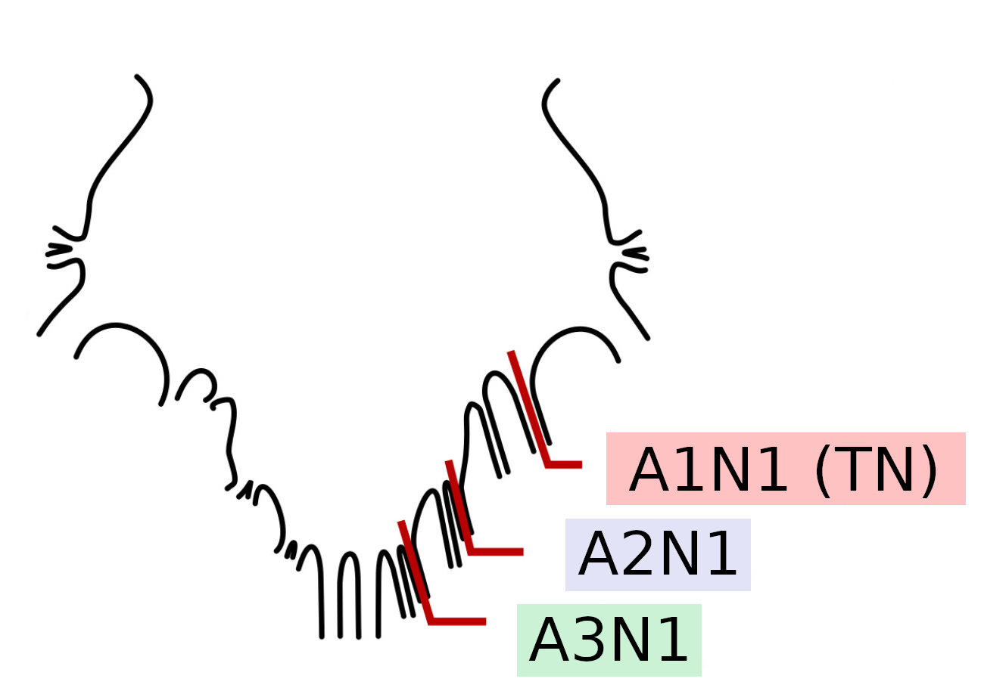
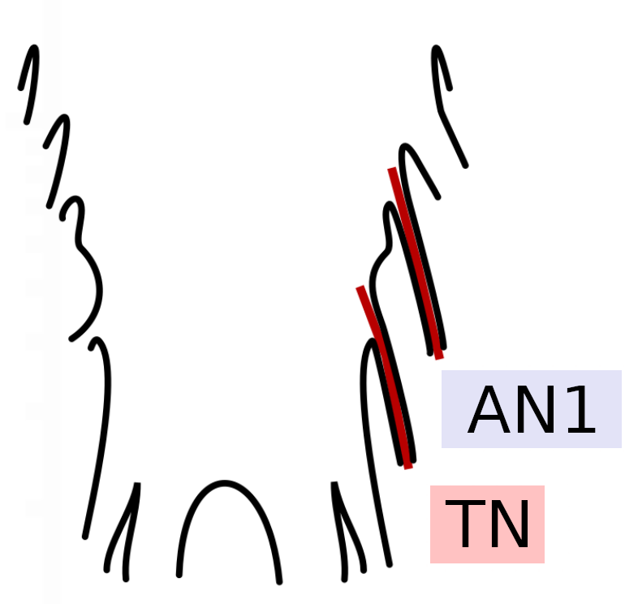
Fig. 1 Schematic representation of the recordet nerves and their localization at the associated ganglion of the ventral nervous system. Left: caudal area of the thoracic nervous system of Okanagana rimosa; Right: Third thoracic ganglion (T3) of Schistocerca gregaria.

Okanagana rimosa
Electrophysiological recordings of two abdominal nerves in Okanagana rimosa.

 |  |  | The tympanal nerve (TN; innervating the auditory and detensor organ)
 |  |  | and the nerve AN1 (innervating the tensor and tymbal organ) were recordet, while stimulating the caudalmost abdominal tip with vibrational stimuli.

 |  |  | Stimuli with frequencies between 80 Hz und 10 kHz and with accelerations between 0,01 an 10 m/s2 were testet.

 |  |  | Experiments were performed on 22 Individuals of O. rimosa. Some Recordings and single frequencies were excluded due to recording artifacts.

 |  |  | The minimal acceleration for a stimulus-related neuronal activity was determined.

 |  |  | The leg nerve acceleration threshold was included for comparison (published prior).

 |  |  | Prior studies have shown no difference between male and female Individuals (Data not show).
 |  |  | Therefore in this study the thresholds from male and female individuals were pooled.

TN |  | Frequency (Hz) | m1 | m2 | m3 | m4 | m5 | m6 | m7 | m8 | m9 | m10 | m11 | w1 | w2 | w3 | w6 | w7 | w8 | w10 | w11 | Mean | SD | SEM
N | 19 | 80 | 0.5 | 0.25 | 0.1 | 0.05 | 0.075 | - | 0.5 | 0.075 | 0.1 | 0.25 | 0.1 | 0.05 | 0.05 | 0.05 | 0.05 | 0.05 | 0.25 | 0.1 | 0.25 | 0.15833333333 | 0.14652845538 | 0.034537088145
187 |  | 100 | 0.5 | 0.25 | 0.1 | 0.075 | 0.05 | - | 0.1 | 0.1 | 0.1 | 0.25 | 0.25 | 0.05 | 0.075 | 0.1 | 0.1 | 0.01 | 0.25 | 0.05 | 0.1 | 0.13944444444 | 0.11853131739 | 0.027938099437
 |  | 200 | 1 | 0.5 | 0.5 | 0.25 | 0.01 | 1 | 0.25 | 0.25 | 0.25 | 1 | 0.25 | 0.1 | 0.075 | 0.75 | 0.25 | 0.1 | 0.25 | 0.25 | 0.075 | 0.37421052632 | 0.32772050744 | 0.075184240718
 |  | 400 | 2.5 | 1 | 0.5 | 0.25 | 0.05 | 0.75 | 1 | 1 | 0.75 | 0.75 | 0.5 | 0.5 | 0.25 | 0.5 | 0.25 | 0.5 | 2.5 | 0.5 | 0.5 | 0.76578947368 | 0.66605234854 | 0.15280288834
 |  | 600 | 0.5 | 1 | 0.75 | 0.5 | 1 | 2.5 | 0.25 | 0.75 | 1 | 0.5 | 0.75 | 0.5 | 0.25 | 0.25 | 0.25 | 0.1 | 0.5 | 0.25 | 0.25 | 0.62368421053 | 0.53654460855 | 0.12309177512
 |  | 1000 | 2.5 | 0.5 | 0.75 | 0.5 | 1 | 2.5 | 0.5 | 2.5 | 0.75 | 1 | 0.75 | 0.75 | 0.5 | 0.5 | 0.25 | 0.75 | 1 | 0.5 | 1 | 0.97368421053 | 0.71148678856 | 0.16322626374
 |  | 2000 | 1 | 0.1 | 0.25 | 0.25 | 0.1 | 0.5 | 0.25 | 0.25 | 0.075 | 1 | 0.75 | 0.05 | 0.25 | 0.1 | 0.25 | 0.075 | 0.25 | 0.25 | 0.075 | 0.30657894737 | 0.2959028211 | 0.067884762856
 |  | 4000 | 2.5 | 1 | 0.75 | 2.5 | 0.75 | 2.5 | 0.5 | 0.5 | 0.5 | 2.5 | 0.5 | 0.25 | 2.5 | 0.75 | 0.5 | 0.25 | 2.5 | 0.75 | 1 | 1.2105263158 | 0.92143893319 | 0.21139258908
 |  | 6000 | - | - | 10 | - | 10 | - | - | 7.5 | 7.5 | - | 5 | 5 | - | - | - | - | - | - | 7.5 | 7.5 | 2.0412414523 | 0.77151674981
 |  | 8000 | 5 | 5 | 1 | 10 | 5 | - | 10 | 2.5 | 7.5 | 10 | 10 | 5 | - | - | 5 | 5 | - | 7.5 | 5 | 6.2333333333 | 2.8275852057 | 0.73007936077
 |  | 10000 | - | 7.5 | 7.5 | 7.5 | 5 | 5 | 10 | 2.5 | 5 | 10 | 5 | 5 | - | - | 5 | 5 | - | 7.5 | 7.5 | 6.3333333333 | 2.0845234696 | 0.5382216455

AN1 |  | Frequency (Hz) | m3 | m4 | m5 | m6 | m8 | m9 | m10 | m11 | w2 | w3 | w4 | w7 | w8 | w11 |  |  |  |  |  | Mean | SD | SEM
N | 14 | 80 | 0.01 | 0.025 | 0.025 | 0.01 | 0.1 | - | 0.01 | 0.01 | 0.025 | 0.01 | 0.025 | 0.05 | 0.01 | 0.075 |  |  |  |  |  | 0.029615384615 | 0.028611007385 | 0.0079352657054
137 |  | 100 | 0.025 | 0.025 | 0.01 | 0.025 | 0.075 | 0.025 | 0.1 | 0.025 | 0.025 | 0.025 | 0.05 | 0.075 | 0.025 | 0.1 |  |  |  |  |  | 0.043571428571 | 0.030723867659 | 0.008211299027
 |  | 200 | 0.01 | 0.05 | 0.01 | 0.01 | 0.25 | 0.25 | 0.05 | 0.05 | 0.025 | 0.025 | 0.025 | 0.25 | 0.025 | 0.1 |  |  |  |  |  | 0.080714285714 | 0.094703122011 | 0.025310474002
 |  | 400 | 0.075 | 0.025 | 0.05 | 0.025 | 0.5 | - | 0.075 | 0.075 | 0.1 | 0.025 | 0.025 | 0.25 | 0.05 | 0.1 |  |  |  |  |  | 0.10576923077 | 0.13274107242 | 0.03681574946
 |  | 600 | 0.1 | 0.075 | 0.1 | 0.05 | 0.75 | 0.5 | 0.25 | 0.075 | 0.25 | 0.1 | 0.25 | 0.5 | 0.075 | 0.25 |  |  |  |  |  | 0.2375 | 0.20979614648 | 0.056070378656
 |  | 1000 | 0.25 | 0.1 | 0.25 | 0.1 | 0.5 | - | 0.1 | 0.1 | 0.5 | 0.25 | 0.25 | 0.5 | 0.25 | 0.75 |  |  |  |  |  | 0.3 | 0.20310096012 | 0.056330071215
 |  | 2000 | 0.1 | 0.5 | 0.5 | 0.1 | 0.5 | 0.5 | - | 0.5 | 0.5 | 0.25 | 0.25 | 0.75 | 0.25 | 2.5 |  |  |  |  |  | 0.55384615385 | 0.61456676423 | 0.17045015236
 |  | 4000 | 0.75 | 1 | 0.75 | 0.75 | 0.75 | - | 2.5 | 2.5 | 5 | 1 | 1 | 5 | 5 | 5 |  |  |  |  |  | 2.3846153846 | 1.9110844015 | 0.53003944626
 |  | 6000 | 7.5 | 10 | 5 | 7.5 | 7.5 | - | 5 | 1 | - | 7.5 | - | - | 10 | - |  |  |  |  |  | 6.7777777778 | 2.7963269559 | 0.93210898531
 |  | 8000 | 5 | 5 | 7.5 | 5 | 7.5 | - | 7.5 | 2.5 | 10 | 5 | 2.5 | - | 5 | - |  |  |  |  |  | 5.6818181818 | 2.2613350843 | 0.68181818182
 |  | 10000 | 5 | 5 | 2.5 | 5 | 5 | - | 5 | 5 | - | 5 | 7.5 | - | 5 | - |  |  |  |  |  | 5 | 1.178511302 | 0.37267799625

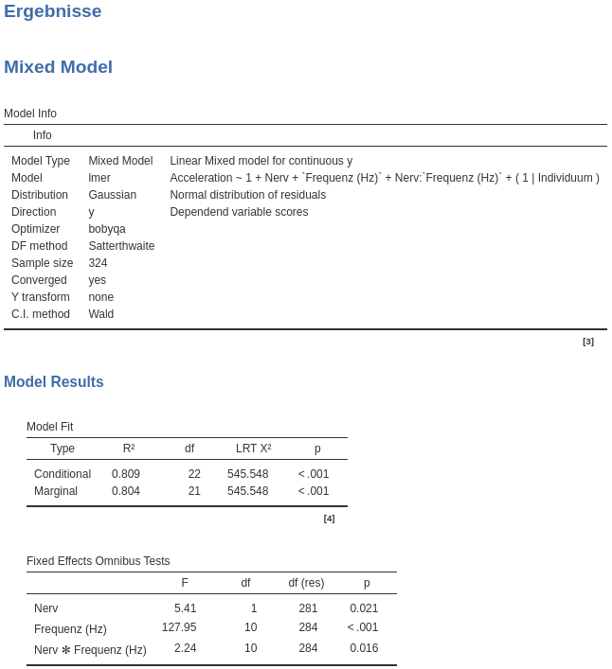
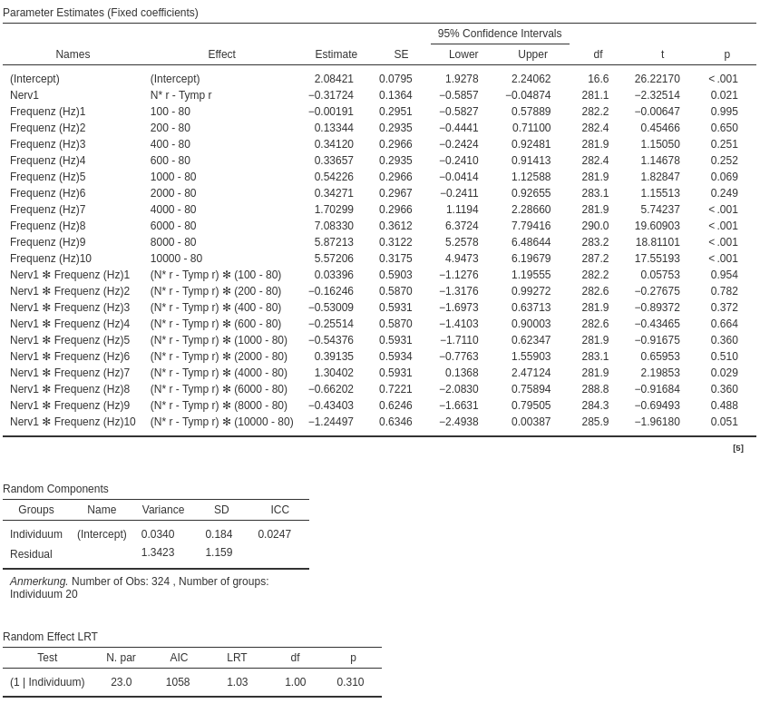

 |  |  |  |  |  |  |  |  |  |  |  |  |  |  |  |  |  |  |  | Okanagana rimosa
 |  |  |  |  |  |  |  |  |  |  |  |  |  |  |  |  |  |  |  | LN
 |  |  |  |  |  |  |  |  |  |  |  |  |  |  |  |  |  |  |  | from | Alt, J. A., & Lakes-Harlan, R. (2018).
 |  |  |  |  |  |  |  |  |  |  |  |  |  |  |  |  |  |  |  |  | Sensing of Substrate Vibrations in the Adult Cicada Okanagana rimosa (Hemiptera: Cicadidae).
 |  |  |  |  |  |  |  |  |  |  |  |  |  |  |  |  |  |  |  |  | Journal of Insect Science, 18(3), 16. https://doi.org/10.1093/jisesa/iey029

 |  |  |  |  |  |  |  |  |  |  |  |  |  |  |  |  |  |  |  |  | Frequency (Hz) | Mean | SD | SEM
 |  |  |  |  |  |  |  |  |  |  |  |  |  |  |  |  |  |  |  |  | 200 | 1.1866666667 | 0.79883595869 | 0.23060407789
 |  |  |  |  |  |  |  |  |  |  |  |  |  |  |  |  |  |  |  |  | 300 | 1.3545454545 | 0.77539859118 | 0.23379147181
 |  |  |  |  |  |  |  |  |  |  |  |  |  |  |  |  |  |  |  |  | 500 | 1.914 | 1.5158773037 | 0.47936249332
 |  |  |  |  |  |  |  |  |  |  |  |  |  |  |  |  |  |  |  |  | 600 | 2.123 | 1.7153369931 | 0.5424371853
 |  |  |  |  |  |  |  |  |  |  |  |  |  |  |  |  |  |  |  |  | 800 | 1.443 | 1.1687690105 | 0.36959721319
 |  |  |  |  |  |  |  |  |  |  |  |  |  |  |  |  |  |  |  |  | 1000 | 1.0136363636 | 1.345512898 | 0.40568740302
 |  |  |  |  |  |  |  |  |  |  |  |  |  |  |  |  |  |  |  |  | 1500 | 2.8827272727 | 2.1723974645 | 0.65500248048
 |  |  |  |  |  |  |  |  |  |  |  |  |  |  |  |  |  |  |  |  | 2000 | 4.03875 | 2.8424700416 | 1.0049649209
 |  |  |  |  |  |  |  |  |  |  |  |  |  |  |  |  |  |  |  |  | 5000 | 4.3466666667 | 1.2350798445 | 0.71307368068
 |  |  |  |  |  |  |  |  |  |  |  |  |  |  |  |  |  |  |  |  | 8000 | 71.684 | 16.784322 | 8.2642354

Schistocerca gregaria
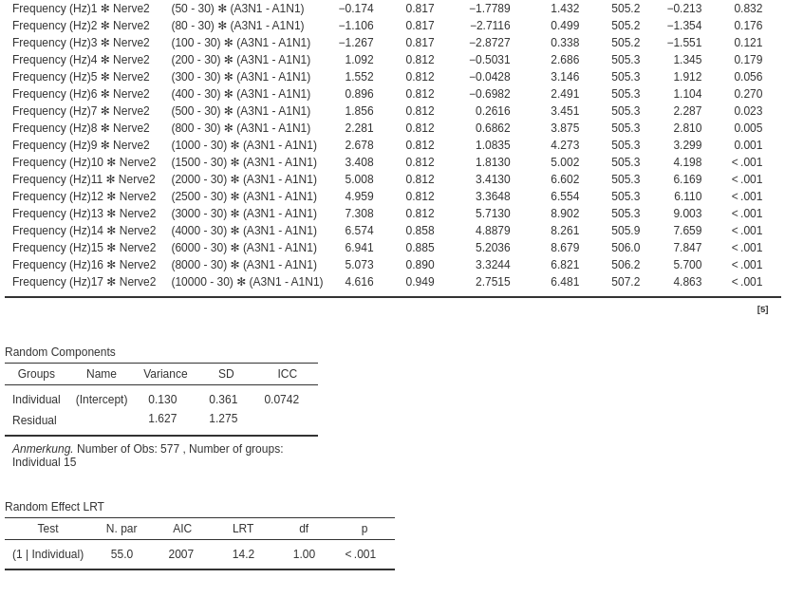
Electrophysiological recordings of three abdominal nerves in Schistocerca gregaria.

 |  |  |  | The tympanal nerve (TN; innervating the auditory organ/Mülles organ)
 |  |  |  | and the nerve A2N1 and A3N1 (innervating the pleural CO of the 2. and 3. abdominal segment) were recordet,
 |  |  |  | while stimulating the caudalmost abdominal tip with vibrational stimuli.

 |  |  |  | Stimuli with frequencies between 30 Hz und 10 kHz and with accelerations between 0,01 an 10 m/s2 were testet.

 |  |  |  | Experiments were performed on 15 female Individuals of S. gregaria.

 |  |  |  | Some Recordings and single frequencies were excluded due to recording artifacts.

 |  |  |  | The minimal acceleration for a stimulus-related neuronal activity was determined.

 |  |  |  | The leg nerve acceleration threshold was included for comparison (published prior).

A1N1 (TN) |  | Frequency (Hz) | No1 | No2 | No4 | No5 | No6 | No7 | No8 | No9 | No10 | No11 | No12 | No13 | No14 | No15 | Mean | SD | SEM
N | 14 | 30 | 2.5 | 2.5 | 5 | 5 | 5 | - | 5 | 5 | 2.5 | 5 | 5 | 5 | - | 7.5 | 4.5833333333 | 1.443375673 | 0.41666666667
238 |  | 50 | 5 | 2.5 | 2.5 | 5 | 5 | 7.5 | 5 | 7.5 | 5 | 7.5 | 5 | 5 | - | 2.5 | 5 | 1.767766953 | 0.49029033785
 |  | 80 | 5 | 5 | 5 | 5 | 2.5 | 5 | 5 | 5 | 7.5 | 5 | 5 | 5 | - | 2.5 | 4.8076923077 | 1.233870292 | 0.34221404654
 |  | 100 | 5 | 5 | 7.5 | 2.5 | 5 | 5 | 5 | 7.5 | 5 | 5 | 2.5 | 5 | - | 5 | 5 | 1.443375673 | 0.40032038451
 |  | 200 | 1 | 1 | 2.5 | 1 | 2.5 | 2.5 | 2.5 | 2.5 | 1 | 2.5 | 2.5 | 5 | 5 | 1 | 2.3214285714 | 1.338873563 | 0.3578290112
 |  | 300 | 1 | 0.5 | 0.5 | 1 | 2.5 | 1 | 2.5 | 2.5 | 0.75 | 2.5 | 2.5 | 2.5 | 5 | 1 | 1.8392857143 | 1.2465612039 | 0.33315749548
 |  | 400 | 0.75 | 0.75 | 2.5 | 2.5 | 2.5 | 2.5 | 2.5 | 5 | 1 | 2.5 | 0.75 | 2.5 | 10 | 0.75 | 2.6071428571 | 2.4311960607 | 0.64976447852
 |  | 500 | 2.5 | 0.5 | 1 | 2.5 | 1 | 1 | 1 | 2.5 | 0.25 | 2.5 | 0.5 | 0.75 | 5 | 2.5 | 1.6785714286 | 1.2987737243 | 0.34711187851
 |  | 800 | 1 | 0.5 | 2.5 | 2.5 | 1 | 0.75 | 2.5 | 1 | 0.25 | 1 | 0.25 | 0.75 | 2.5 | 2.5 | 1.3571428571 | 0.91837170765 | 0.24544516312
 |  | 1000 | 1 | 0.75 | 0.25 | 1 | 0.75 | 0.75 | 2.5 | 0.75 | 0.25 | 2.5 | 0.25 | 2.5 | 2.5 | 0.75 | 1.1785714286 | 0.90100676291 | 0.24080418643
 |  | 1500 | 2.5 | 0.25 | 0.1 | 2.5 | 0.25 | 0.5 | 2.5 | 0.25 | 0.25 | 1 | 0.5 | 0.75 | 2.5 | 2.5 | 1.1678571429 | 1.0553175138 | 0.28204546935
 |  | 2000 | 0.75 | 0.25 | 0.5 | 0.5 | 0.25 | 0.75 | 0.5 | 0.25 | 0.075 | 0.5 | 0.25 | 0.75 | 1 | 0.75 | 0.50535714286 | 0.26749884461 | 0.071492073421
 |  | 2500 | 2.5 | 0.5 | 0.25 | 2.5 | 0.5 | 0.75 | 5 | 0.75 | 0.25 | 2.5 | 0.5 | 2.5 | 2.5 | 2.5 | 1.6785714286 | 1.3882354995 | 0.37102154368
 |  | 3000 | 0.75 | 2.5 | 0.75 | 2.5 | 0.75 | 0.5 | 5 | 0.5 | 0.25 | 0.5 | 0.5 | 1 | 5 | 0.75 | 1.5178571429 | 1.6304325928 | 0.4357514396
 |  | 4000 | 2.5 | 2.5 | 0.75 | 2.5 | 2.5 | 2.5 | - | 1 | 2.5 | 2.5 | 2.5 | 7.5 | 5 | 2.5 | 2.8269230769 | 1.7120425648 | 0.47483517331
 |  | 6000 | 2.5 | 2.5 | 1 | 2.5 | 1 | 1 | 5 | 0.75 | 0.5 | 5 | 0.5 | 5 | 2.5 | 2.5 | 2.3035714286 | 1.6646164129 | 0.44488744983
 |  | 8000 | 10 | 2.5 | 2.5 | 5 | 7.5 | 10 | - | 1 | 2.5 | 7.5 | 5 | 7.5 | 5 | 7.5 | 5.6538461538 | 2.9466408515 | 0.81725112926
 |  | 10000 | - | 7.5 | 7.5 | 10 | 10 | - | - | 5 | 7.5 | - | 5 | - | - | - | 7.5 | 2.0412414523 | 0.77151674981

A2N1 |  | Frequency (Hz) | No1 | No2 | No3 | No4 | No6 | No7 | No8 | No10 | No11 | No13 | No14 | No15 |  |  | Mean | SD | SEM
N | 12 | 30 | 0.25 | 0.75 | 5 | 0.75 | 0.5 | 0.25 | 0.75 | 0.5 | 0.25 | 0.75 | 0.1 | 0.5 |  |  | 0.8625 | 1.3235841492 | 0.38208583242
206 |  | 50 | 0.25 | 0.75 | 2.5 | 1 | 0.5 | 0.25 | 0.5 | 0.5 | 0.75 | 0.5 | 0.25 | 0.5 |  |  | 0.6875 | 0.61353113576 | 0.17711118319
 |  | 80 | 0.5 | 0.75 | 0.75 | 0.25 | 0.5 | 0.25 | 0.1 | 0.5 | 0.25 | 0.25 | 0.25 | 0.5 |  |  | 0.40416666667 | 0.21047385212 | 0.060758567588
 |  | 100 | 0.25 | 1 | 0.5 | 0.1 | 0.25 | 0.25 | 0.25 | 0.25 | 0.25 | 0.25 | 0.25 | 0.5 |  |  | 0.34166666667 | 0.23532698077 | 0.067933047848
 |  | 200 | 0.1 | 0.25 | 0.25 | 0.075 | 0.1 | 0.075 | 0.05 | 0.075 | 0.05 | 0.1 | 0.1 | 0.075 |  |  | 0.10833333333 | 0.068534441684 | 0.019784189178
 |  | 300 | 0.25 | 0.075 | 0.1 | 0.075 | 0.1 | 0.075 | 0.075 | 0.075 | 0.075 | 0.075 | 0.075 | 0.25 |  |  | 0.10833333333 | 0.066855792342 | 0.019299604853
 |  | 400 | 0.1 | 0.1 | 0.75 | 0.1 | 0.1 | 0.075 | 0.075 | 0.05 | 0.075 | 0.075 | 0.1 | 0.1 |  |  | 0.14166666667 | 0.19227505551 | 0.055505027527
 |  | 500 | 0.5 | 0.25 | 0.5 | 0.25 | 0.25 | 0.05 | 0.075 | 0.075 | 0.1 | 0.25 | 0.1 | 0.075 |  |  | 0.20625 | 0.15923289119 | 0.045966576296
 |  | 800 | 0.1 | 0.1 | 0.25 | 0.25 | 0.25 | 0.25 | 0.1 | 0.1 | 0.25 | 0.25 | 0.075 | 0.1 |  |  | 0.17291666667 | 0.080804430947 | 0.023326229979
 |  | 1000 | 0.25 | 0.1 | 0.5 | 0.25 | 0.75 | 0.25 | 0.5 | 0.5 | 0.25 | 0.25 | 0.1 | 0.5 |  |  | 0.35 | 0.19656134828 | 0.05674237367
 |  | 1500 | 0.5 | 0.75 | 0.75 | 1 | 0.75 | 0.5 | 1 | 0.75 | 0.75 | 1 | 0.25 | 0.5 |  |  | 0.70833333333 | 0.23435921664 | 0.067653678407
 |  | 2000 | 1 | 0.75 | 1 | 1 | 2.5 | 1 | 2.5 | 1 | 0.75 | 0.75 | 0.5 | 1 |  |  | 1.1458333333 | 0.65242844726 | 0.18833986982
 |  | 2500 | 1 | 7.5 | 5 | 2.5 | 2.5 | 2.5 | 2.5 | 2.5 | 2.5 | 2.5 | 1 | 2.5 |  |  | 2.875 | 1.7597133031 | 0.50798547462
 |  | 3000 | 2.5 | 7.5 | 7.5 | 5 | 5 | 2.5 | 7.5 | 5 | 2.5 | 7.5 | 2.5 | 2.5 |  |  | 4.7916666667 | 2.2508415934 | 0.64976199994
 |  | 4000 | 2.5 | 10 | 10 | 5 | 5 | 2.5 | 5 | 5 | 2.5 | 7.5 | 2.5 | 2.5 |  |  | 5 | 2.8203803741 | 0.8141736841
 |  | 6000 | 7.5 | - | - | 5 | 5 | 5 | 7.5 | 2.5 | 5 | 7.5 | 5 | 5 |  |  | 5.5 | 1.5811388301 | 0.5
 |  | 8000 | 10 | - | - | 7.5 | 7.5 | 7.5 | 7.5 | 7.5 | 7.5 | 10 | 7.5 | 5 |  |  | 7.75 | 1.4191155305 | 0.44876373393
 |  | 10000 | - | - | - | 7.5 | 10 | - | - | 7.5 | 7.5 | - | 7.5 | 5 |  |  | 7.5 | 1.5811388301 | 0.64549722437

A3N1 |  | Frequency (Hz) | No2 | No4 | No6 | No8 | No10 | No13 | No14 | No15 |  |  |  |  |  |  | Mean | SD | SEM
N | 8 | 30 | 1 | 5 | 0.25 | 0.75 | 0.5 | 0.5 | 2.5 | 0.75 |  |  |  |  |  |  | 1.40625 | 1.6087789291 | 0.56878924511
206 |  | 50 | 0.75 | 5 | 0.5 | 0.5 | 0.75 | 2.5 | 0.75 | 2.5 |  |  |  |  |  |  | 1.65625 | 1.5920421522 | 0.56287190087
 |  | 80 | 0.5 | 0.75 | 0.5 | 0.25 | 0.25 | 0.5 | 1 | 0.5 |  |  |  |  |  |  | 0.53125 | 0.24775780224 | 0.087595611028
 |  | 100 | 0.5 | 0.5 | 0.5 | 0.5 | 0.25 | 0.5 | 1 | 0.75 |  |  |  |  |  |  | 0.5625 | 0.22160131511 | 0.078347896316
 |  | 200 | 0.1 | 0.25 | 0.1 | 0.075 | 0.075 | 0.25 | 0.75 | 0.1 |  |  |  |  |  |  | 0.2125 | 0.22912878475 | 0.08100925873
 |  | 300 | 0.1 | 0.25 | 0.075 | 0.25 | 0.1 | 0.25 | 0.25 | 0.25 |  |  |  |  |  |  | 0.190625 | 0.082307676261 | 0.029100158014
 |  | 400 | 0.25 | 0.25 | 0.075 | 0.1 | 0.5 | 0.25 | 0.25 | 0.75 |  |  |  |  |  |  | 0.303125 | 0.22137456139 | 0.078267726769
 |  | 500 | 0.25 | 0.25 | 0.075 | 0.25 | 0.5 | 0.5 | 0.1 | 0.75 |  |  |  |  |  |  | 0.334375 | 0.23027060944 | 0.081412954721
 |  | 800 | 0.5 | 0.5 | 0.25 | 0.25 | 0.5 | 0.5 | 0.25 | 0.75 |  |  |  |  |  |  | 0.4375 | 0.1767766953 | 0.0625
 |  | 1000 | 0.5 | 0.75 | 0.25 | 0.75 | 0.5 | 1 | 0.5 | 1 |  |  |  |  |  |  | 0.65625 | 0.26516504294 | 0.09375
 |  | 1500 | 1 | 1 | 1 | 1 | 2.5 | 1 | 2.5 | 1 |  |  |  |  |  |  | 1.375 | 0.69436507483 | 0.24549512652
 |  | 2000 | 2.5 | 2.5 | 2.5 | 1 | 2.5 | 2.5 | 2.5 | 2.5 |  |  |  |  |  |  | 2.3125 | 0.53033008589 | 0.1875
 |  | 2500 | 5 | 2.5 | 2.5 | 2.5 | 2.5 | 5 | 2.5 | 5 |  |  |  |  |  |  | 3.4375 | 1.2938729238 | 0.45745315919
 |  | 3000 | 7.5 | 5 | 5 | 5 | 5 | 7.5 | 5 | 5 |  |  |  |  |  |  | 5.625 | 1.1572751247 | 0.40915854419
 |  | 4000 | - | - | 5 | 7.5 | 5 | 7.5 | 7.5 | 5 |  |  |  |  |  |  | 6.25 | 1.3693063938 | 0.55901699437
 |  | 6000 | - | - | 5 | 5 | 7.5 | - | 7.5 | 5 |  |  |  |  |  |  | 6 | 1.3693063938 | 0.6123724357
 |  | 8000 | - | - | 10 | 7.5 | 5 | - | 7.5 | 7.5 |  |  |  |  |  |  | 7.5 | 1.767766953 | 0.79056941504
 |  | 10000 | - | - | 10 | 7.5 | 10 | - | 10 | 7.5 |  |  |  |  |  |  | 9 | 1.3693063938 | 0.6123724357

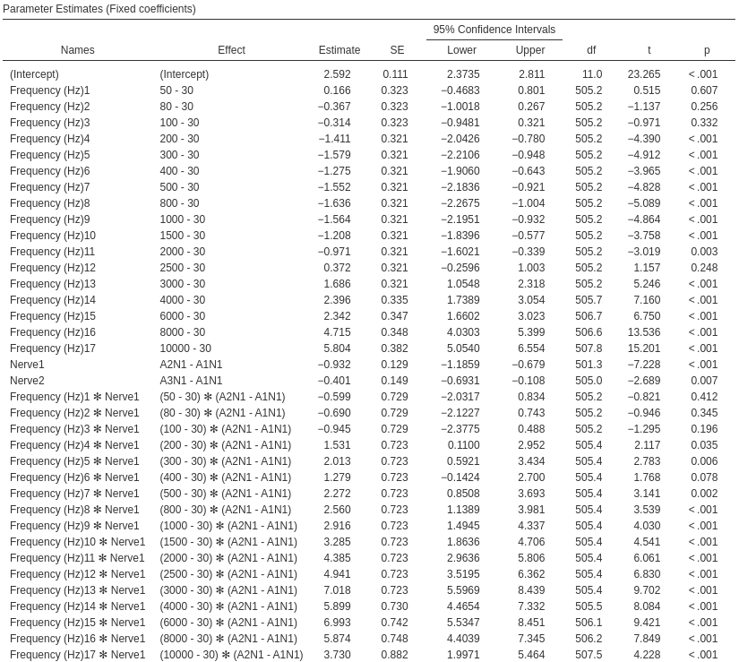
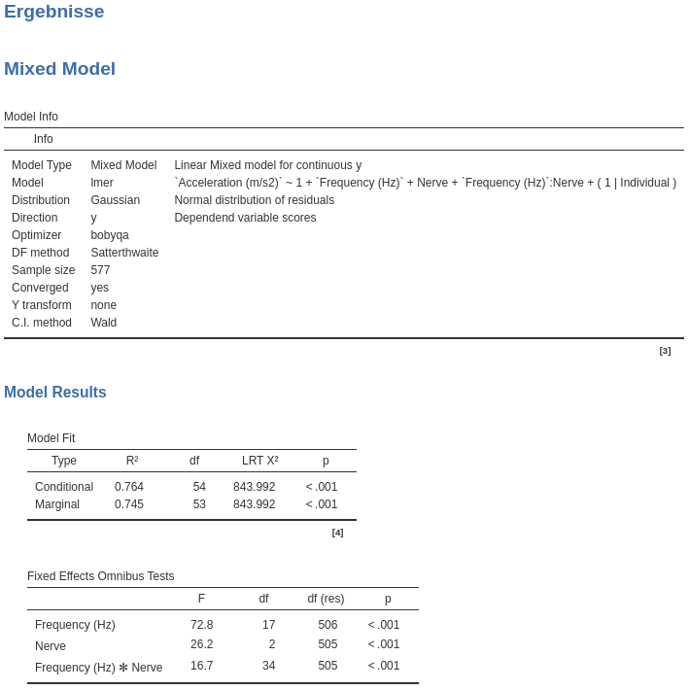

 |  |  |  |  |  |  |  |  |  |  |  |  |  |  |  |  |  |  | Schistocerca gregaria
 |  |  |  |  |  |  |  |  |  |  |  |  |  |  |  |  |  |  | LN T2
 |  |  |  |  |  |  |  |  |  |  |  |  |  |  |  |  |  |  | from | Lakes-Harlan R, Keil P, Kügler R, Heusler J, Strauß J. 2013 Vibration perception in Orthoptera.
 |  |  |  |  |  |  |  |  |  |  |  |  |  |  |  |  |  |  |  | In 10th Göttingen Meeting of the German Neuroscience Society.

 |  |  |  |  |  |  |  |  |  |  |  |  |  |  |  |  |  |  |  | Frequency (Hz) | Mean | SEM
 |  |  |  |  |  |  |  |  |  |  |  |  |  |  |  |  |  |  |  | 50 | 0.4403636 | 0.07954325
 |  |  |  |  |  |  |  |  |  |  |  |  |  |  |  |  |  |  |  | 100 | 0.4207273 | 0.08438999
 |  |  |  |  |  |  |  |  |  |  |  |  |  |  |  |  |  |  |  | 200 | 0.5647272 | 0.09920786
 |  |  |  |  |  |  |  |  |  |  |  |  |  |  |  |  |  |  |  | 300 | 0.2767273 | 0.02511892
 |  |  |  |  |  |  |  |  |  |  |  |  |  |  |  |  |  |  |  | 500 | 0.1392727 | 0.02511892
 |  |  |  |  |  |  |  |  |  |  |  |  |  |  |  |  |  |  |  | 700 | 0.1589091 | 0.02900483
 |  |  |  |  |  |  |  |  |  |  |  |  |  |  |  |  |  |  |  | 1000 | 0.4207273 | 0.08438999
 |  |  |  |  |  |  |  |  |  |  |  |  |  |  |  |  |  |  |  | 1500 | 0.3781818 | 0.05928804
 |  |  |  |  |  |  |  |  |  |  |  |  |  |  |  |  |  |  |  | 2000 | 0.316 | 1.67372E-17
 |  |  |  |  |  |  |  |  |  |  |  |  |  |  |  |  |  |  |  | 3000 | 0.2210909 | 0.07830957
 |  |  |  |  |  |  |  |  |  |  |  |  |  |  |  |  |  |  |  | 4000 | 0.3618182 | 0.09531347
 |  |  |  |  |  |  |  |  |  |  |  |  |  |  |  |  |  |  |  | 5000 | 0.2996364 | 0.07337972

S.greg. Subl.1
 | a4n1 | a1n2 | a2n2 | a3n2
30 | 1.375 | 2 | 2.25 | 1.375
50 | 1.59375 | 1.125 | 2.3863636364 | 1.05
80 | 0.875 | 0.66666666667 | 1.8181818182 | 0.65
100 | 0.625 | 0.66666666667 | 1.5227272727 | 1.05
200 | 0.46875 | 0.625 | 1.5681818182 | 1.05
300 | 0.41875 | 1.5 | 2 | 1.9
400 | 0.34642857143 | 2.125 | 4.3 | 3.25
500 | 0.334375 | 3.0833333333 | 3.6388888889 | 3.25
800 | 0.55625 | 5.8333333333 | 5.625 | 6.5
1000 | 0.78125 | 6.5 | 7.0833333333 | 7.1875
1500 | 1.4375 | 5.8333333333 | 8.125 | 7.5
2000 | 2.3125 | 8.3333333333 | 7.5 | 8.75
2500 | 4.8125 | 9.1666666667 | 10 | 7.5
3000 | 6.7857142857 | 7.5 |  | 10
4000 | 7.8571428571 | 10 |  | 10
6000 | 7.5
8000 | 8.125
10000 | 7.5
Additional electrophysiological recordings of abdominal nerves in Schistocerca gregaria.

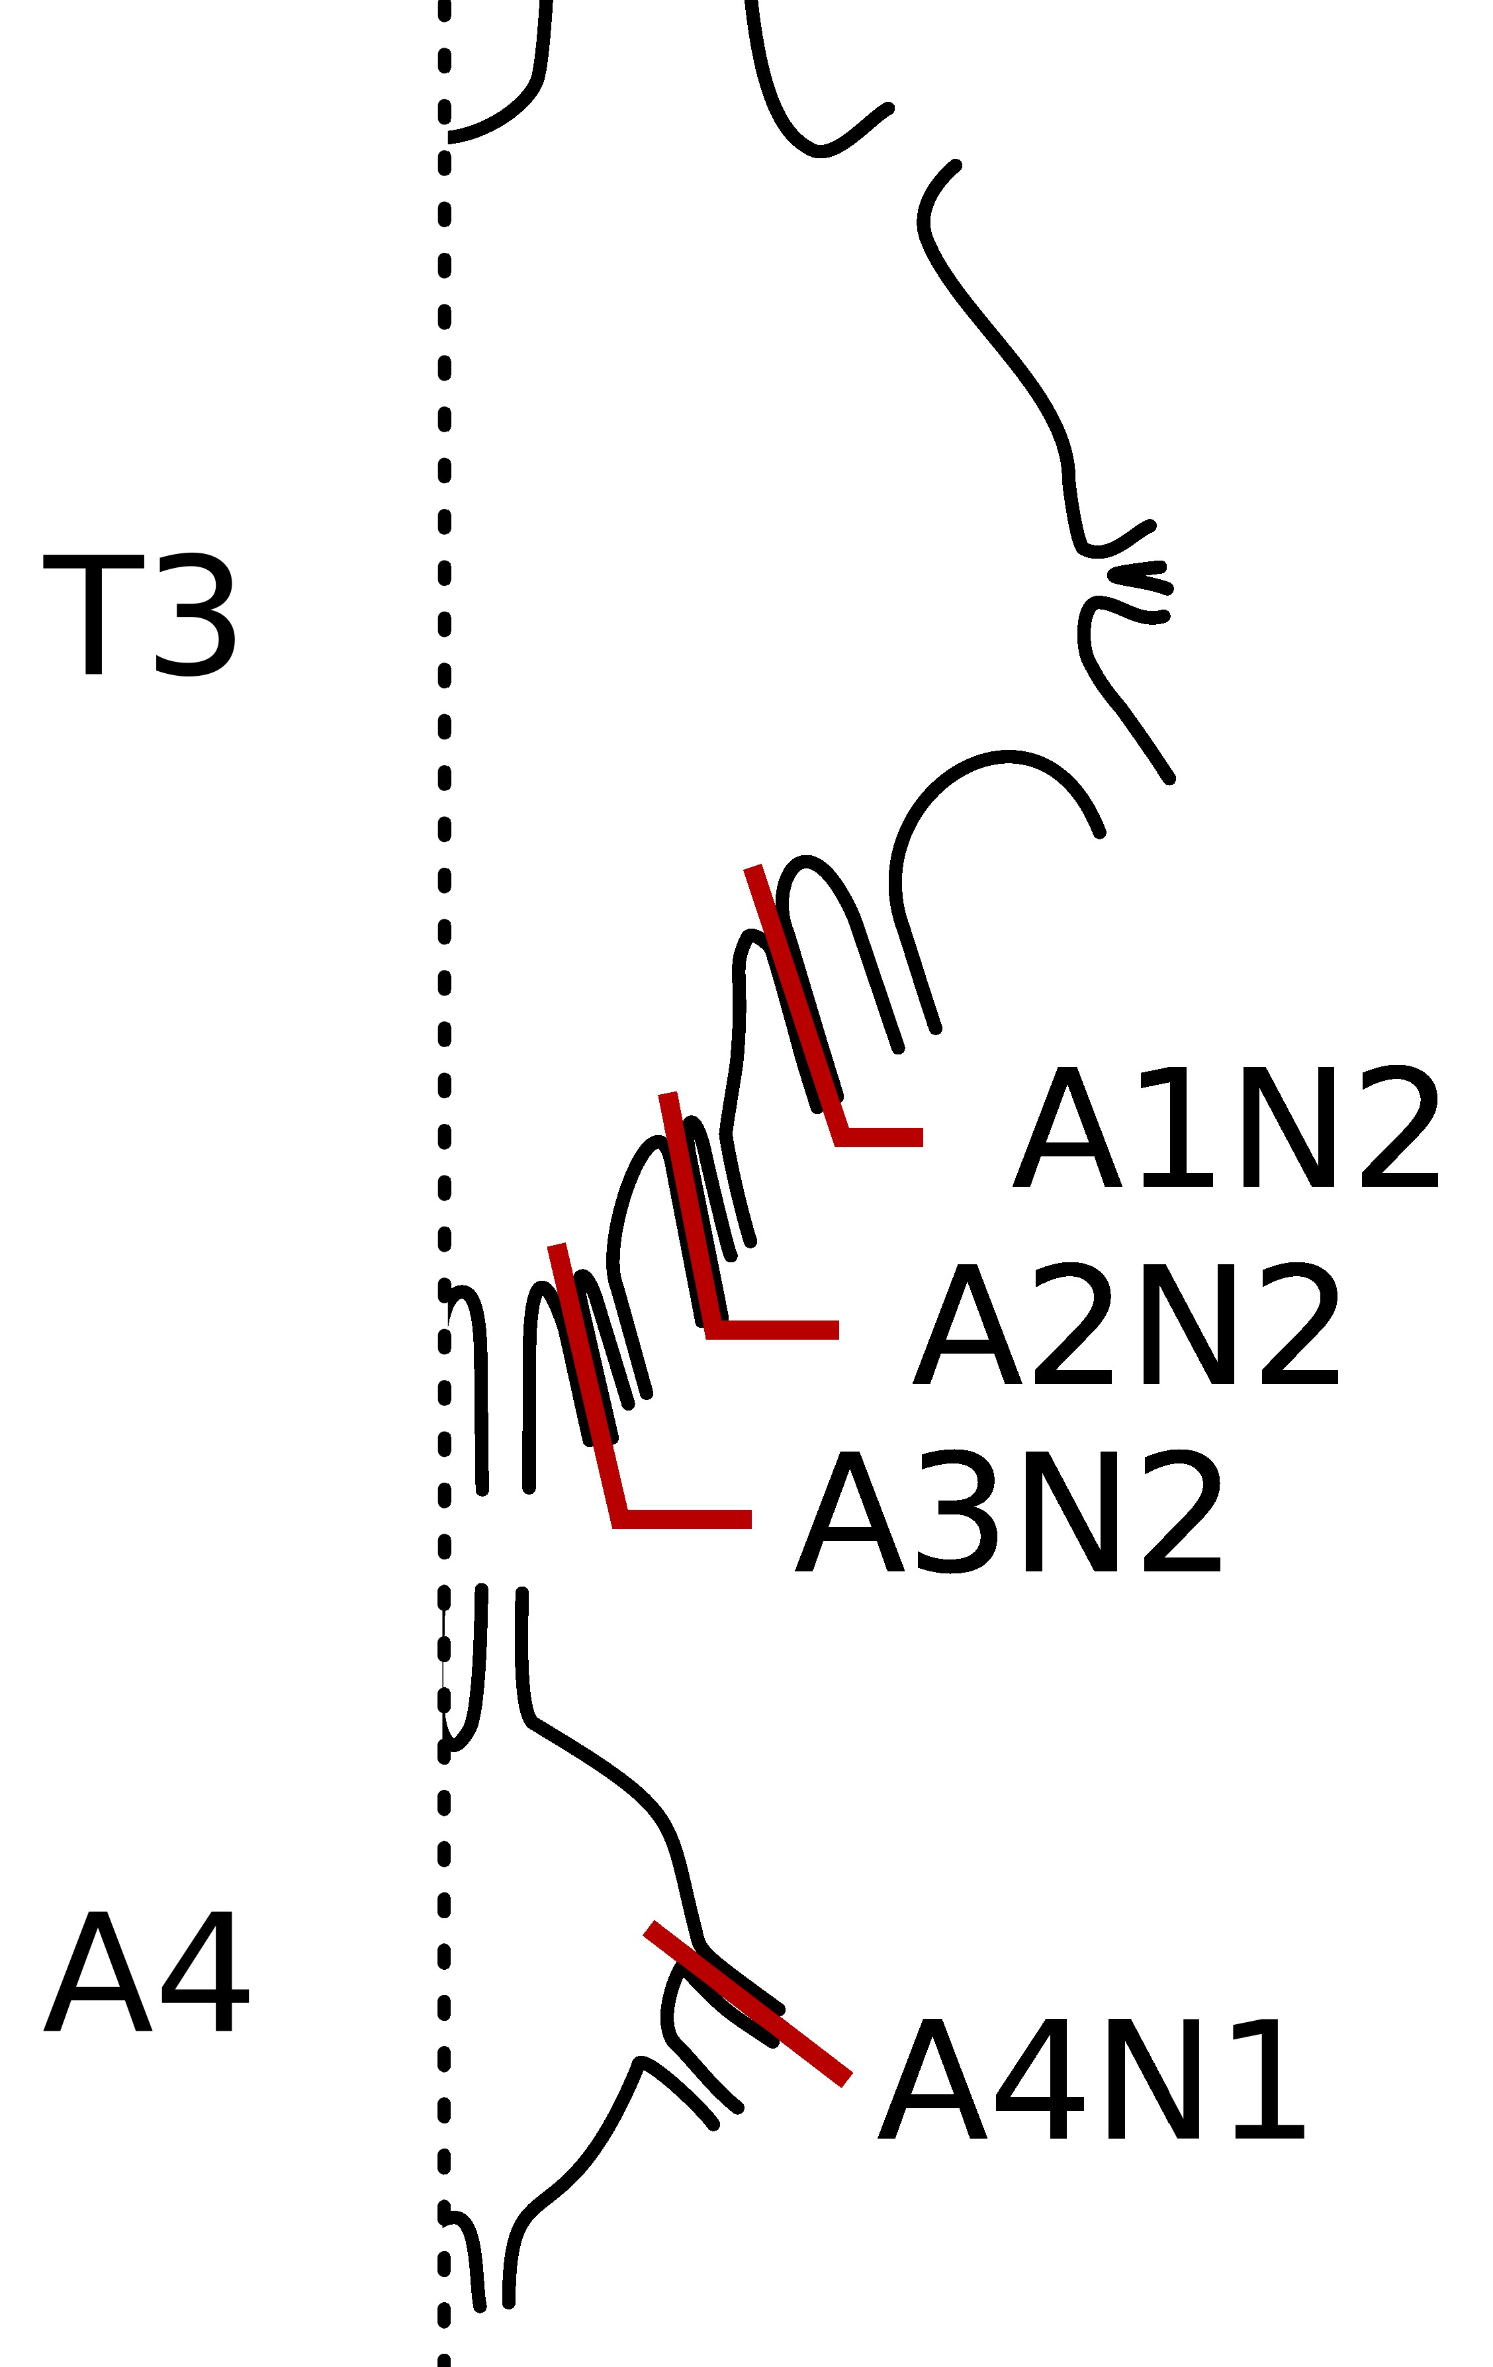

 |  |  | The nerves A1N2-A3N2 of the first three abdominal nerves (innervating the corresponding sternal CO)
 |  |  | and nerve A4N1 (innervating the pleural CO of the fourth abdominal segment) were recordet,
 |  |  | while stimulating the caudalmost abdominal tip with vibrational stimuli.

 |  |  | Stimuli with frequencies between 30 Hz und 10 kHz and with accelerations between 0,01 an 10 m/s2 were testet.

 |  |  | Experiments were performed on 15 female Individuals of S. gregaria.

 |  |  | Some Recordings and single frequencies were excluded due to recording artifacts.
 |  |  | The minimal acceleration for a stimulus-related neuronal activity was determined.

A4N1 |  | Frequency (Hz) | No3 | No4 | No6 | No8 | No10 | No11 | No12 | No15 |  |  |  | Mean | SD | SEM
N | 8 | 30 | 0.25 | 5 | 0.5 | 0.5 | 0.75 | 1 | 2.5 | 0.5 |  |  |  | 1.375 | 1.6256866681 | 0.57476703355
129 |  | 50 | 0.5 | 5 | 0.25 | 0.5 | 0.75 | 2.5 | 2.5 | 0.75 |  |  |  | 1.59375 | 1.6417406921 | 0.58044298816
 |  | 80 | 0.25 | 2.5 | 0.5 | 0.75 | 0.75 | 1 | 0.75 | 0.5 |  |  |  | 0.875 | 0.69436507483 | 0.24549512652
 |  | 100 | 0.25 | 1 | 0.5 | 0.5 | 1 | 0.75 | 0.5 | 0.5 |  |  |  | 0.625 | 0.26726124191 | 0.094491118252
 |  | 200 | 0.25 | 1 | 0.25 | 0.25 | 0.75 | 0.5 | 0.25 | 0.5 |  |  |  | 0.46875 | 0.28149790661 | 0.099524539329
 |  | 300 | 0.1 | 0.75 | 0.25 | 0.5 | 0.75 | 0.25 | 0.25 | 0.5 |  |  |  | 0.41875 | 0.24485783047 | 0.086570316176
 |  | 400 | 0.25 | 0.75 | 0.25 | 0.075 |  | 0.75 | 0.1 | 0.25 |  |  |  | 0.34642857143 | 0.28520043078 | 0.10779563052
 |  | 500 | 0.1 | 0.5 | 0.5 | 0.25 | 0.75 | 0.25 | 0.075 | 0.25 |  |  |  | 0.334375 | 0.23027060944 | 0.081412954721
 |  | 800 | 0.1 | 0.5 | 0.75 | 0.75 | 0.5 | 0.75 | 0.1 | 1 |  |  |  | 0.55625 | 0.32341647188 | 0.11434499021
 |  | 1000 | 0.25 | 0.5 | 0.5 | 0.75 | 0.5 | 2.5 | 0.25 | 1 |  |  |  | 0.78125 | 0.73724269119 | 0.26065465316
 |  | 1500 | 1 | 2.5 | 0.75 | 0.75 | 1 | 2.5 | 0.5 | 2.5 |  |  |  | 1.4375 | 0.89392792934 | 0.31605125036
 |  | 2000 | 1 | 2.5 | 1 | 0.75 | 2.5 | 5 | 0.75 | 5 |  |  |  | 2.3125 | 1.8064863291 | 0.63868936671
 |  | 2500 | 5 | 5 | 2.5 | 1 | 5 | 7.5 | 2.5 | 10 |  |  |  | 4.8125 | 2.9147102282 | 1.0305056838
 |  | 3000 | 7.5 | 7.5 | 5 | 5 | 10 | 10 | 2.5 |  |  |  |  | 6.7857142857 | 2.7817432013 | 1.0514001031
 |  | 4000 | 7.5 | 10 | 7.5 | 7.5 | 10 | 10 | 2.5 |  |  |  |  | 7.8571428571 | 2.6726124191 | 1.0101525446
 |  | 6000 | 7.5 | 5 | 7.5 | 10 |  | 10 | 5 |  |  |  |  | 7.5 | 2.2360679775 | 0.91287092918
 |  | 8000 | 7.5 | 10 | 10 |  |  |  | 5 |  |  |  |  | 8.125 | 2.3935677694 | 1.1967838847
 |  | 10000 | 7.5 |  |  |  |  |  | 7.5 |  |  |  |  | 7.5 | 0 | 0

A1N2 |  | Frequency (Hz) | No1 | No2 | No5 | No6 | No10 | No11 |  |  |  |  |  | Mean | SD | SEM
N | 6 | 30 | 2.5 | 1 | 2.5 | 2.5 | 1 | 2.5 |  |  |  |  |  | 2 | 0.77459666924 | 0.31622776602
70 |  | 50 | 1 | 1 | 2.5 | 0.25 | 1 | 1 |  |  |  |  |  | 1.125 | 0.73739406019 | 0.30103986447
 |  | 80 | 0.75 | 1 | 1 | 0.25 | 0.5 | 0.5 |  |  |  |  |  | 0.66666666667 | 0.30276503541 | 0.12360330812
 |  | 100 | 0.5 | 1 | 1 | 0.5 | 0.5 | 0.5 |  |  |  |  |  | 0.66666666667 | 0.25819888975 | 0.10540925534
 |  | 200 | 0.25 | 1 | 0.5 | 0.25 | 1 | 0.75 |  |  |  |  |  | 0.625 | 0.3446012188 | 0.14068285847
 |  | 300 | 0.25 | 2.5 | 1 | 0.25 | 2.5 | 2.5 |  |  |  |  |  | 1.5 | 1.1291589791 | 0.46097722286
 |  | 400 | 1 | 5 | 1 | 0.75 | 2.5 | 2.5 |  |  |  |  |  | 2.125 | 1.6105123408 | 0.65748890992
 |  | 500 | 1 | 5 | 2.5 | 2.5 | 5 | 2.5 |  |  |  |  |  | 3.0833333333 | 1.5942605391 | 0.65085413966
 |  | 800 | 2.5 | 7.5 | 7.5 | 5 | 5 | 7.5 |  |  |  |  |  | 5.8333333333 | 2.0412414523 | 0.83333333333
 |  | 1000 | 2.5 |  | 10 | 2.5 | 7.5 | 10 |  |  |  |  |  | 6.5 | 3.791437722 | 1.6955824958
 |  | 1500 | 5 |  |  | 5 | 7.5 |  |  |  |  |  |  | 5.8333333333 | 1.443375673 | 0.83333333333
 |  | 2000 | 7.5 |  |  | 7.5 | 10 |  |  |  |  |  |  | 8.3333333333 | 1.443375673 | 0.83333333333
 |  | 2500 | 10 |  |  | 7.5 | 10 |  |  |  |  |  |  | 9.1666666667 | 1.443375673 | 0.83333333333
 |  | 3000 |  |  |  | 7.5 |  |  |  |  |  |  |  | 7.5
 |  | 4000 |  |  |  | 10 |  |  |  |  |  |  |  | 10
 |  | 6000
 |  | 8000
 |  | 10000

A2N2 |  | Frequency (Hz) | No1 | No2 | No4 | No5 | No6 | No8 | No10 | No11 | No13 | No14 | No15 | Mean | SD | SEM
N | 11 | 30 | 1 | 2.5 | 2.5 | 2.5 | 1 | 5 | 5 | 2.5 | 1 | 1 | 0.75 | 2.25 | 1.545153714 | 0.4658813739
106 |  | 50 | 1 | 5 | 2.5 | 2.5 | 1 | 2.5 | 5 | 2.5 | 2.5 | 0.75 | 1 | 2.3863636364 | 1.4889746319 | 0.44894274332
 |  | 80 | 0.75 | 5 | 1 | 2.5 | 1 | 2.5 | 2.5 | 2.5 | 0.75 | 0.5 | 1 | 1.8181818182 | 1.3420642174 | 0.4046475867
 |  | 100 | 0.5 | 2.5 | 1 | 1 | 0.5 | 2.5 | 2.5 | 2.5 | 0.75 | 0.5 | 2.5 | 1.5227272727 | 0.95167316773 | 0.2869402564
 |  | 200 | 2.5 | 2.5 | 0.5 | 0.5 | 1 | 2.5 | 2.5 | 2.5 | 0.75 | 1 | 1 | 1.5681818182 | 0.90892043856 | 0.27404982355
 |  | 300 | 2.5 | 5 | 0.75 | 0.75 | 1 | 2.5 | 2.5 | 2.5 | 1 | 2.5 | 1 | 2 | 1.2796483892 | 0.38582850642
 |  | 400 | 2.5 | 7.5 | 2.5 | 0.5 | 5 |  | 7.5 | 5 | 2.5 | 5 | 5 | 4.3 | 2.2754730888 | 0.7195677715
 |  | 500 | 5 |  | 2.5 | 0.25 | 5 |  | 5 | 5 | 2.5 | 5 | 2.5 | 3.6388888889 | 1.7549533074 | 0.5849844358
 |  | 800 | 5 |  | 5 | 2.5 | 7.5 |  | 10 | 5 | 5 | 5 |  | 5.625 | 2.2160131511 | 0.78347896316
 |  | 1000 | 7.5 |  | 7.5 | 2.5 |  |  |  | 10 | 7.5 | 7.5 |  | 7.0833333333 | 2.4579802006 | 1.0034662149
 |  | 1500 |  |  | 10 | 2.5 |  |  |  |  | 10 | 10 |  | 8.125 | 3.75 | 1.875
 |  | 2000 |  |  |  | 5 |  |  |  |  |  | 10 |  | 7.5 | 3.5355339059 | 2.5
 |  | 2500 |  |  |  | 10 |  |  |  |  |  |  |  | 10
 |  | 3000
 |  | 4000
 |  | 6000
 |  | 8000
 |  | 10000

A3N2 |  | Frequency (Hz) | No1 | No2 | No3 | No4 | No6 | No8 | No10 | No11 | No13 | No15 |  | Mean | SD | SEM
N | 10 | 30 | 0.75 | 1 | 0.75 | 2.5 | 2.5 | 0.5 | 2.5 | 0.5 | 0.25 | 2.5 |  | 1.375 | 0.98777246593 | 0.31236108023
106 |  | 50 | 0.75 | 2.5 | 1 | 1 | 2.5 | 0.5 | 0.5 | 0.5 | 0.25 | 1 |  | 1.05 | 0.80622577483 | 0.25495097568
 |  | 80 | 0.75 | 1 | 0.5 | 1 | 0.5 | 0.5 | 0.5 | 0.5 | 0.25 | 1 |  | 0.65 | 0.26874192494 | 0.08498365856
 |  | 100 | 0.5 | 0.75 | 0.5 | 5 | 0.75 | 0.5 | 1 | 0.25 | 0.25 | 1 |  | 1.05 | 1.4132311284 | 0.44690292259
 |  | 200 | 1 | 0.5 | 0.75 | 2.5 | 0.75 | 0.75 | 2.5 | 0.25 | 0.5 | 1 |  | 1.05 | 0.79756574093 | 0.25221243251
 |  | 300 | 2.5 | 0.75 | 0.75 | 2.5 | 1 | 5 | 2.5 | 0.75 | 0.75 | 2.5 |  | 1.9 | 1.3804186161 | 0.43652669512
 |  | 400 | 2.5 | 2.5 | 2.5 | 5 | 2.5 | 2.5 | 2.5 | 2.5 | 2.5 | 7.5 |  | 3.25 | 1.6873713943 | 0.53359368645
 |  | 500 | 2.5 | 2.5 | 2.5 | 2.5 | 2.5 | 2.5 | 2.5 | 2.5 | 5 | 7.5 |  | 3.25 | 1.6873713943 | 0.53359368645
 |  | 800 | 5 | 7.5 | 5 | 10 | 5 | 7.5 | 5 | 5 | 5 | 10 |  | 6.5 | 2.1081851068 | 0.66666666667
 |  | 1000 | 5 | 5 | 7.5 |  | 10 | 10 | 7.5 | 7.5 | 5 |  |  | 7.1875 | 2.086307401 | 0.73762105544
 |  | 1500 | 5 | 7.5 |  |  |  | 10 |  | 7.5 | 7.5 |  |  | 7.5 | 1.767766953 | 0.79056941504
 |  | 2000 | 10 |  |  |  |  | 10 |  | 7.5 | 7.5 |  |  | 8.75 | 1.443375673 | 0.72168783649
 |  | 2500 |  |  |  |  |  |  |  | 7.5 |  |  |  | 7.5
 |  | 3000 |  |  |  |  |  |  |  | 10 | 10 |  |  | 10 | 0 | 0
 |  | 4000 |  |  |  |  |  |  |  | 10 | 10 |  |  | 10 | 0 | 0
 |  | 6000
 |  | 8000
 |  | 10000

